Readme
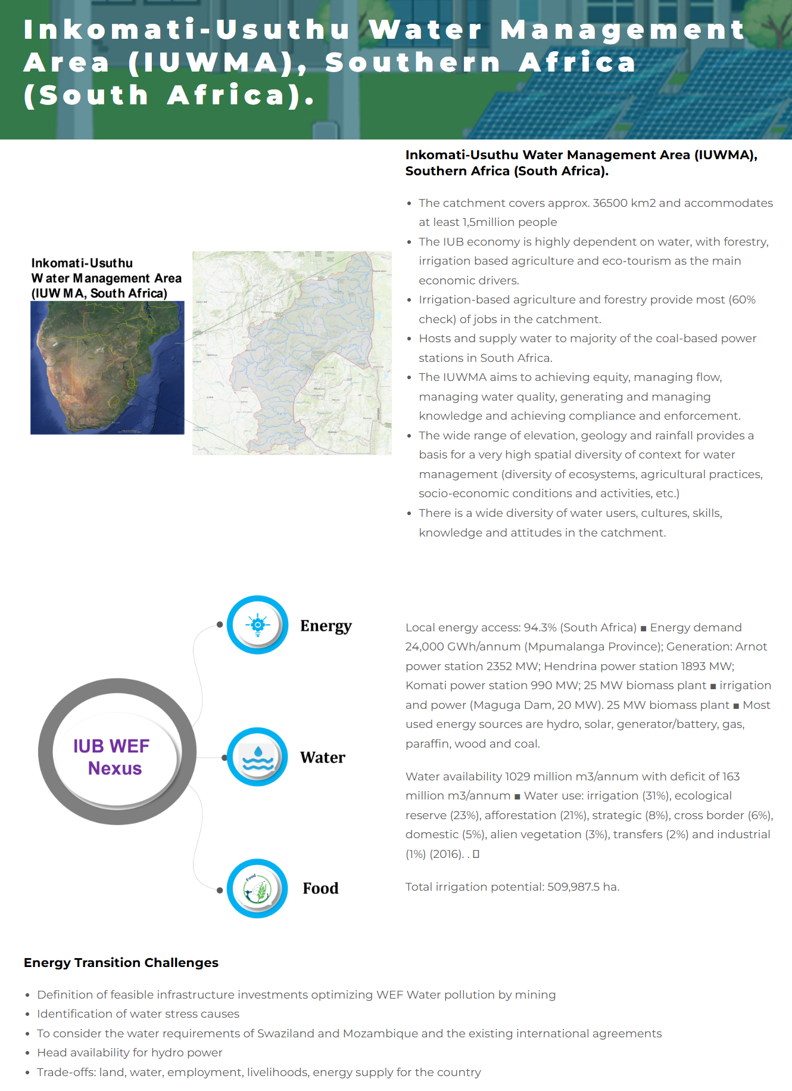
INKOMATI-USUTHU BASIN

Energy Module of the ONEPLanET's WEF Nexus Model
📂 Contents
This Excel includes:
Technical parameters that the model reads from VENSIM DSS, the software in which the model has been programmed Acquisition of data from WP2 (Task 2.5 Database development to understand synergies, co-benefits and trade-offs. Task leader: CARTIF.)
Scenario configurations applicable to different case studies.
Characterization for the Inkomati-Usuthu Basin, South Africa.
🏗 Development
This energy model has been developed by the Research Group of Energy, Economy, and Systems Dynamics (GEEDS) at the University of Valladolid, as part of Work Package 3 of the ONEPLanET project.
GEEDS website: | https://geeds.es/en/
ONEPLanET project website: | https://oneplanetproject.eu/
📞 Contact
For more information please contact the Energy, Economy, and Systems Dynamics Group at the University of Valladolid.
Email: | gir.geeds@uva.es
🎯 Project Task Description
Subtask 3.1.1 Energy system (UVa. Other partners: CARTIF, ECREEE, RINA-C) This sub-task will develop the energy module. Main modelling tasks are related to non-renewable resources stocks and flows limitations (such as the available resources in the ground as well as their extraction rate), renewable sources for the generation of electricity and biofuels and energy technologies infrastructure of production and transportation. The approach will consist of estimating and allocating the energy production to the energy demand of different economic sectors. This allows to calculate energy availability and security.

water
Variable | UNIT | 2020 | 2021 | 2022 | 2023 | 2024 | 2025 | 2026 | 2027 | 2028 | 2029 | 2030 | 2031 | 2032 | 2033 | 2034 | 2035 | 2036 | 2037 | 2038 | 2039 | 2040 | 2041 | 2042 | 2043 | 2044 | 2045 | 2046 | 2047 | 2048 | 2049 | 2050
surface_water | m3 | 6831193261 | 5400967626.5 | 4854914930.7 | 5154451846.7 | 7184116803.2 | 6693662761 | 8460215143.6 | 6836539297.6 | 6790330743.7 | 5199127110.1 | 4830118343.3 | 8682134968.6 | 6480956605.1 | 6313136655 | 7665238058.7 | 7233780796.5 | 7384818316.9 | 5361445060.3 | 6611373295.9 | 6465003988.5 | 7255805070.6 | 10975202469 | 8102282912.6 | 5889054722.6 | 4244152786.8 | 4918819527.5 | 9057766492.1 | 5585715830.3 | 3312515329.3 | 5548847813.3 | 5548847813.3
dam_contribution | m3 | 4074543.7735 | 5904920.3076 | 4351081.9969 | 6724170.3753 | 5109741.4067 | 9413476.029 | 10008329.22 | 4495206.9644 | 8584375.5856 | 5105734.3709 | 4028336.5608 | 7335444.9581 | 8067154.9093 | 3590080.2574 | 6935064.4196 | 6393687.4548 | 7329179.4516 | 4429258.4715 | 6032923.292 | 5487103.4009 | 6637445.442 | 10857221.755 | 5835657.4286 | 6417491.3949 | 5730266.3597 | 3519389.1103 | 8400404.4404 | 6207444.8287 | 3643887.4717 | 4264168.822 | 4264168.822
industrial_water_withdrawal | m3 | 13680 | 13680 | 13680 | 13680 | 13680 | 13680 | 13680 | 13680 | 13680 | 13680 | 13680 | 13680 | 13680 | 13680 | 13680 | 13680 | 13680 | 13680 | 13680 | 13680 | 13680 | 13680 | 13680 | 13680 | 13680 | 13680 | 13680 | 13680 | 13680 | 13680 | 13680
environmental_flow_requirement | m3 | 0 | 0 | 0 | 0 | 0 | 0 | 0 | 0 | 0 | 0 | 0 | 0 | 0 | 0 | 0 | 0 | 0 | 0 | 0 | 0 | 0 | 0 | 0 | 0 | 0 | 0 | 0 | 0 | 0 | 0 | 0
cwr_maize | m3/ha | 4775.4066667 | 4894.6333333 | 5116.7461 | 5029.5148 | 4525.9883333 | 4000.2536667 | 5379.2836667 | 5046.5738 | 4436.7560667 | 4623.0838 | 4583.6633333 | 4464.5156667 | 4925.2326667 | 5503.9468 | 4453.078 | 4764.5976333 | 4396.7989667 | 5080.9276667 | 4200.4503333 | 4381.2436667 | 4628.0674 | 4098.2178 | 5312.6466667 | 5115.327 | 5493.5094667 | 4720.0244667 | 4063.641 | 4527.0778333 | 5606.997 | 4499.6939333 | 4499.6939333
cwr_soy | m3/ha | 2538.8296667 | 2386.453 | 2234.1276667 | 2645.0136667 | 1885.9223333 | 2370.1223333 | 2491.32 | 2239.5163333 | 2217.8454667 | 2852.6056667 | 2435.2473333 | 1992.563 | 2703.5323333 | 2679.3973333 | 2959.8243333 | 2604.7046667 | 2738.1163333 | 2710.3393333 | 2183.9156667 | 2660.095 | 2515.9943333 | 2421.951 | 2505.6483333 | 2290.4773333 | 2800.1713333 | 2452.9153333 | 2390.4416667 | 2514.1466667 | 2927.115 | 2261.4966667 | 2261.4966667
cwr_sugarcane | m3/ha | 9496.4456667 | 9400.0246667 | 10173.578333 | 9941.518 | 9446.577 | 8995.7823333 | 10739.505333 | 10431.821667 | 9183.8921 | 9495.9763333 | 9795.1106667 | 9296.129 | 10501.74 | 10553.584667 | 10280.168 | 9454.3473333 | 9148.1333333 | 10804.053667 | 8758.896 | 10045.675333 | 9623.4406667 | 8812.0126667 | 10085.1111 | 10114.457333 | 11107.305 | 10059.991667 | 9328.9073333 | 9467.493 | 11210.404333 | 9761.2506667 | 9761.2506667
...
DAIRY_CATTLE_WATER_USE_PER_HEAD | m3/head | 28.68 | 28.68 | 28.68 | 28.68 | 28.68 | 28.68 | 28.68 | 28.68 | 28.68 | 28.68
OTHER_CATTLE_WATER_USE_PER_HEAD | m3/head | 16.44 | 16.44 | 16.44 | 16.44 | 16.44 | 16.44 | 16.44 | 16.44 | 16.44 | 16.44
CHICKEN_WATER_USE_PER_HEAD | m3/head | 0.0468 | 0.0468 | 0.0468 | 0.0468 | 0.0468 | 0.0468 | 0.0468 | 0.0468 | 0.0468 | 0.0468
chicken_head | head | 22546875 | 22546875 | 22546875 | 22546875 | 22546875 | 22546875 | 22546875 | 22546875 | 22546875 | 22546875
other_cattle_head | head | 196273 | 196273 | 196273 | 196273 | 196273 | 196273 | 196273 | 196273 | 196273 | 196273
dairy_cattle_head | head | 14213 | 14213 | 14213 | 14213 | 14213 | 14213 | 14213 | 14213 | 14213 | 14213

Could the heads of chicken, other, and diary be endogenous dependent on population?

economy
Net Exports Projection
2023 | 143.81
2024 | 143.88
2025 | 143.95
2026 | 144.02
2027 | 144.10
2028 | 144.17
2029 | 144.24
2030 | 144.31
2031 | 144.38
2032 | 144.45
2033 | 144.52
2034 | 144.59
2035 | 144.67
2036 | 144.74
2037 | 144.81
2038 | 144.88
2039 | 144.95
2040 | 145.02
2041 | 145.09
2042 | 145.16
2043 | 145.23
2044 | 145.31
2045 | 145.38
2046 | 145.45
2047 | 145.52
2048 | 145.59
2049 | 145.66
2050 | 145.73
Investment projection
2021 | 1,361.19
2022 | 1,414.44
2023 | 1,619.65
2024 | 1,779.20
2025 | 1,938.75
2026 | 2,098.30
2027 | 2,257.85
2028 | 2,417.40
2029 | 2,576.95
2030 | 2,736.50
2031 | 2,896.05
2032 | 3,055.60
2033 | 3,215.15
2034 | 3,374.70
2035 | 3,534.25
2036 | 3,693.80
2037 | 3,853.35
2038 | 4,012.90
2039 | 4,172.45
2040 | 4,332.00
2041 | 4,491.55
2042 | 4,651.10
2043 | 4,810.65
2044 | 4,970.20
2045 | 5,129.75
2046 | 5,289.30
2047 | 5,448.85
2048 | 5,608.40
2049 | 5,767.95
2050 | 5,927.50

2047 | 2048 | 2049 | 2050
145.52 | 145.59 | 145.66 | 145.73
5,448.85 | 5,608.40 | 5,767.95 | 5,927.50
1,983.95 | 2,023.65 | 2,063.35 | 2,103.05
0.0960 | 0.0960 | 0.0960 | 0.0960
0.1801 | 0.1801 | 0.1801 | 0.1801
0.0460 | 0.0460 | 0.0460 | 0.0460
0.5024 | 0.5024 | 0.5024 | 0.5024
0.1755 | 0.1755 | 0.1755 | 0.1755
0.6 | 0.6 | 0.6 | 0.6
7,063.25 | 7,234.00 | 7,404.75 | 7,575.50
Net exports lineal regression
2015 | -128.29766731
2016 | 40.766716704
2017 | 119.51932482
2018 | 54.843757819
2019 | 51.284454331
2020 | 381.60094497
2021 | 640.47826579
2022 | 185.4329033
Investment lineal regresion
2020 | 1095.3473198
2021 | 1361.1944607
2022 | 1414.437541
Taxes less subsides lineal regresion
2020 | 899.3
2021 | 974.9
2022 | 978.7
Government expending
2016 | 1745.6193739
2017 | 2009.2908624
2018 | 2087.1254247
Industry
2015 | 0.39316567046
2016 | 0.39064667711
2017 | 0.3880311865
2018 | 0.38698951224
2019 | 0.38556320735
2020 | 0.36834087395
2021 | 0.3649879834
2022 | 0.34944480023
Transport
2015 | 0.054415247547
2016 | 0.054598344149
2017 | 0.054256118032
2018 | 0.054891742799
2019 | 0.054285308915
2020 | 0.043915010595
2021 | 0.045914354381
2022 | 0.050896026224
commercial
2015 | 0.52170971016
2016 | 0.5248489595
2017 | 0.5229481403
2018 | 0.52293788021
2019 | 0.5274209567
2020 | 0.54435599336
2021 | 0.54513873716
2022 | 0.55574249151
agriculture
2015 | 0.030709371828
2016 | 0.029906019244
2017 | 0.034764555173
2018 | 0.035180864749
2019 | 0.032730527028
2020 | 0.043388122101
2021 | 0.04395892506
2022 | 0.043916682044

2048 | 2049 | 2050
0.60 | 0.60 | 0.60
0.65 | 0.65 | 0.65
0.51 | 0.50 | 0.50

2048 | 2049 | 2050
1022.3 | 1054.6 | 1087.1295
709.5 | 721.5 | 733.5268
-106.1 | -133.1 | -160.5
...

