2019
S.No. | Roll No. | Name | Mail Id | Linked in | Project | Photo
1 | 194103204 | BHAMARE AKASH ASHOK | bhamare.akash@gmail.com | https://www.linkedin.com/in/b-akash/ | Development of Slicing Algorithms for Additive Manufacturing Processes | 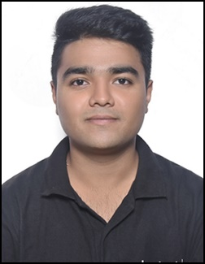
2 | 194103206 | DANGUDUBIYYAM TARAKA HANUMA | hanumavirat@gmail.com | linkedin.com/in/dangudubiyyam-taraka-hanuma-64b2541b2 | Investigation for better tool geometry, material, and process parameters involved in friction stir welding of high strength materials based on fatigue tool life | 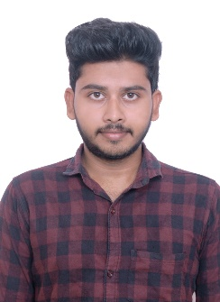
3 | 194103210 | SUMIT KUMAR | kumarsumit1007@gmail.com | https://www.linkedin.com/in/sumit-kumar-5618b4137/ | Investigation and development of an optimal wire feeding system for the TIG/ Plasma welding/ cladding operation. | 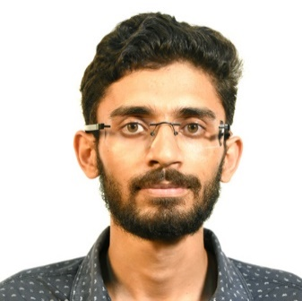
4 | 194103211 | SURAJ KUMAR | surajkumarpb1996@gmail.com | https://www.linkedin.com/in/suraj-kumar-a93548205 | Effect of electrochemical polishing on the surface quality such as surface roughness, work hardening and surface grain size of maraging steel after EDM | 
5 | 194103214 | KARISHMA MITTAL | karishmamittal04@gmail.com | linkedin.com/in/karishma-mittal-6a84bb148/ | Drop in demand based Wire arc additive manufacturing | 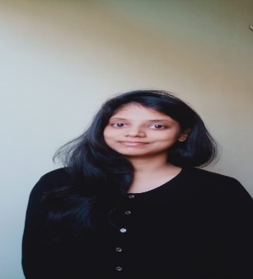
6 | 194103215 | MIRSAIDIN HUSSAIN | mirsaidin@gmail.com | linkedin.com/in/mirsaidin-hussain-04a1b5206 | Study of a hip joint simulator on the performance of metal-on-plastic total hip arthroplasty. | 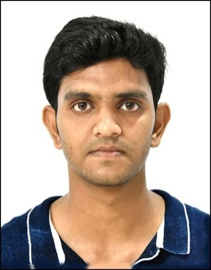
7 | 194103216 | PRITESH CHHAJED | priteshchhajed003@gmail.com | https://www.linkedin.com/in/pc73 | Design and development of a low cost anthropomorphic prosthetic hand: Towards a non-assembly mechanism | 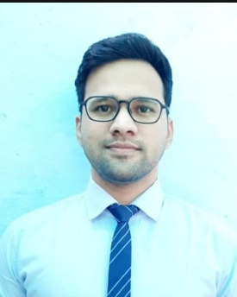
8 | 194103217 | SATYAM SINHA | sinhasatyam306@gmail.com | http://www.linkedin.com/in/satyam03 | Optimization of process parameters for additive manufacturing. | 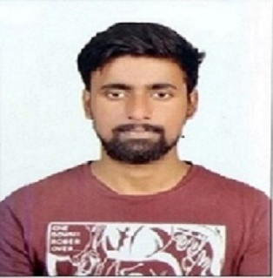
9 | 194103218 | KAUSTAV MANDAL | simple.kaustav@gmail.com | https://www.linkedin.com/in/kaustav-mandal-388660117/ | Design and development of an analytical simulation system for subtractive manufacturing processes | 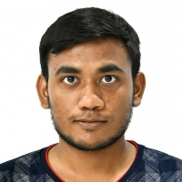
10 | 194103219 | SHIVAM AGRAWAL | agshivam0307@gmail.com | https://www.linkedin.com/in/ashivam | Forming of titanium sheet under elevated temperature | 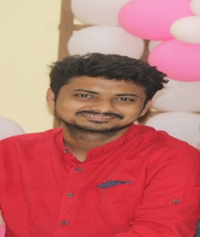
11 | 194103220 | NISHIBONYA KAKOTI | nishibonya@gmail.com | https://www.linkedin.com/in/nishibonya-kakoti | Friction Stir Spot Welding of Sandwich Structures: Numerical Modelling and Experiments | 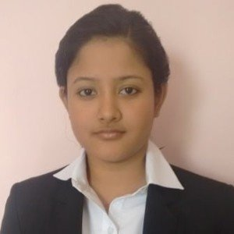
12 | 194103221 | RANAMAY SAHA | ranamaysaha@gmail.com | https://www.linkedin.com/in/ranamaysaha94 | Experimental Investigation and Numerical Analysis of Induction Assisted Friction Stir Welding of Inconel 718 | 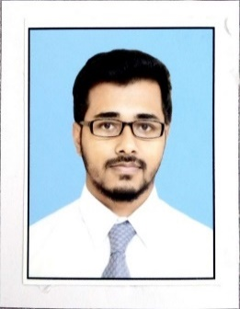
13 | 194103222 | SHAIK GULSHAN MOHIDDIN | gulshanmohiddinshaik@gmail.com | www.linkedin.com/in/gulshanshaik0096 | Detection of metal surface defects using Convolutional Neural Networks | 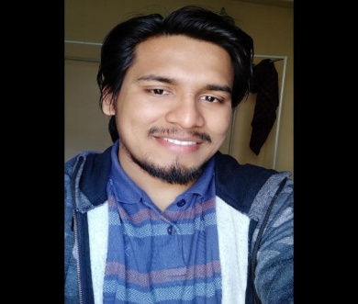
14 | 194103223 | SUKUMAR SONI | sonisukumar06@gmail.com | https://www.linkedin.com/in/sukumar-soni/ | AI Tool Development for Diagnosis and Severity Rating of Parkinson Disease using Human Gait Data | 
15 | 194103224 | RAJESH GORAI | rajeshgorai.bnk@gmail.com | linkedin.com/in/rajeshgorai | High-Frequency Induction Welding of Dis-similar Materials | 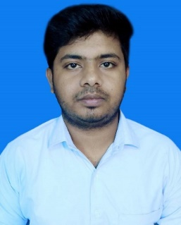
16 | 194103225 | BHARGOV BHATTACHARYYA | bhargovbhattacharyya45@gmail.com | https://www.linkedin.com/in/bhargov-bhattacharyya-b810401b3 | Analytical modeling and simulation of laser bending of advanced engineering material | 
17 | 194103226 | NEERAJ SINGH YADAV | neerajisalways@gmail.com | https://www.linkedin.com/in/neeraj-singh-yadav-160174141 | Micro Plasma Arc Welding of Zinc Coated Steel Sheets
18 | 194103227 | PRITESH BHIMA KAHANDAL | kahandal.pritesh27@gmail.com | https://www.linkedin.com/in/priteshkahandal/ | Predictive Maintenance in Industry 4.0 using Machine Learning Techniques | 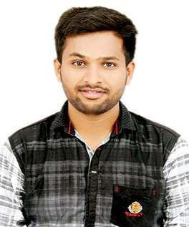
19 | 194103228 | YADAV SANJEEVKUMAR SURENDRABHAI | ssyadav2610@gmail.com | www.linkedin.com/in/ss2610 | Design of Self-assembly Machine | 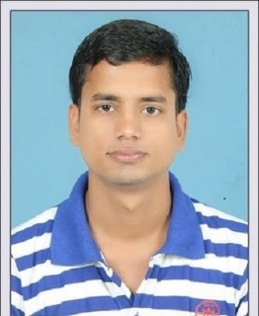
20 | 194103229 | SURAJ GUPTA | studioussuraj@gmail.com | www.linkedin.com/in/srj676 | Spot welding of sheets with consumables | 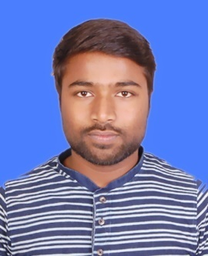
21 | 194103230 | PALADUGU RAKESH | paladugurakesh91@gmail.com | https://www.linkedin.com/in/paladugurakesh/ | Polymer composites - manufacturing, testing, and probabilistic analysis using FEM | 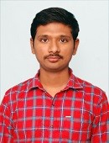
22 | 194103231 | SHIVANSH VERMA | vermashivansh35@gmail.com | https://www.linkedin.com/in/shivansh-verma-967624148 | Development of smart machine tool using parallel kinematic mechanics | 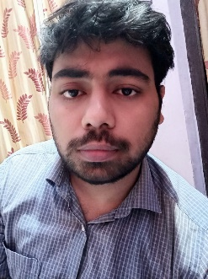
23 | 194103232 | SHWETA MARKAM | markamshweta695@gmail.com | https://www.linkedin.com/in/shweta19 | Experimental investigation and numerical simulation of magnetorheological polishing fluid for superfinishing | 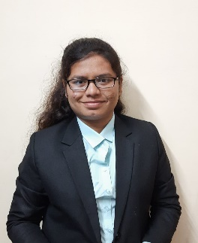
24 | 194103233 | ROHIT SARMA | rohitsharma30j@gmail.com | www.linkedin.com/in/thisrohit | Study of crater formation in micro EDM using vibration assisted micro maching | 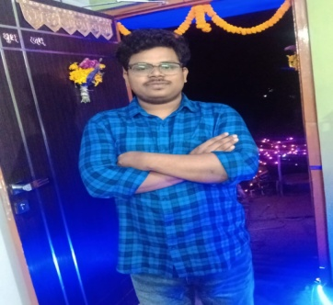
25 | 194103212 | INDRAJIT TALUKDAR | italukdar10@gmail.com | https://www.linkedin.com/in/indrajit-talukdar-b82502205/ | Nanocrystalline coating of High Entropy Alloy on polymeric substrate | 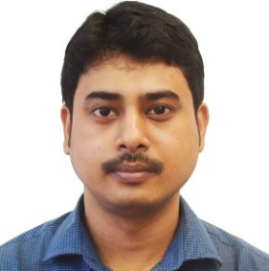

2020
S.No. | Roll No. | Name | Mail Id | Linked in | Photo
1 | 204103403 | AMBATI MOHAN KUMAR | mohankmr.386@gmail.com | https://www.linkedin.com/in/mohankumarambati/ | 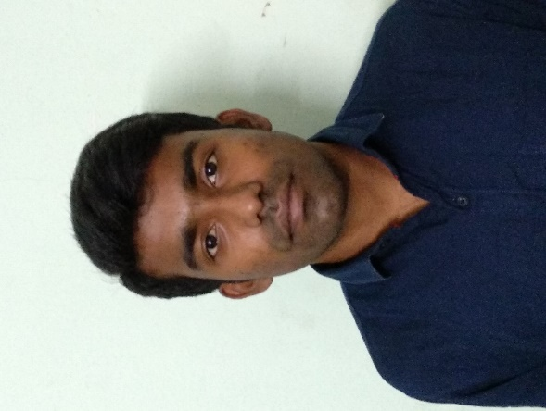
2 | 204103404 | ANKIT KUMAR R SHARMA | b16me002@gmail.com | https://www.linkedin.com/in/ankit-sharma-0b2b4b17b | 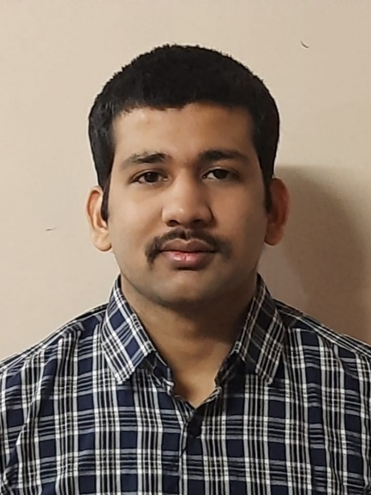
3 | 204103405 | CHRISTOPHER JOSE | Christopherjose13@gmail.com | https://www.linkedin.com/in/christopher-jose-7aa94b13a/ | 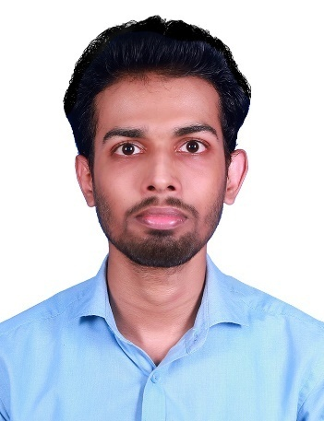
4 | 204103409 | HEMANT KUMAR | hemantbishop7@gmail.com | https://www.linkedin.com/in/hemant-kumar-4b916210a | 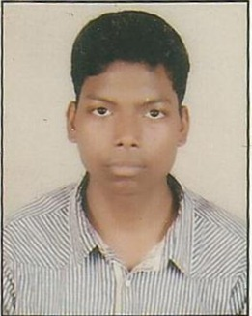
5 | 204103410 | HIMANGSHU KALITA | himangshukalita1407@gmail.com | https://www.linkedin.com/in/himangshu-kalita-563b11116 | 
6 | 204103411 | JADHAV DHEERAJ NAIK | dheerujadhav98@gmail.com | https://www.linkedin.com/in/jadhav-dheeraj-79b355137 | 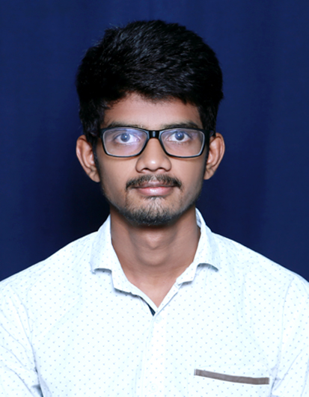
7 | 204103412 | KOSURI VINEETH SAI RAM VARMA | varmavinay.vinay19@gmail.com | https://www.linkedin.com/in/sai-ram-varma-031884122/ | 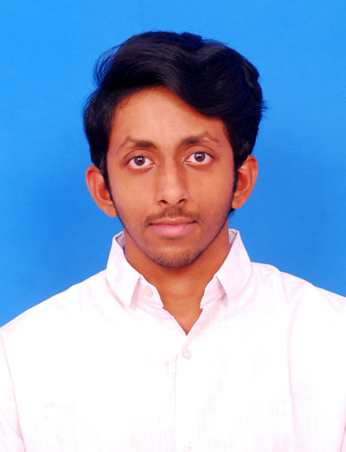
8 | 204103413 | NAND KISHORE SAH | sahnand1@gmail.com | https://www.linkedin.com/mwlite/in/nand-kishore-sah-902bb899 | 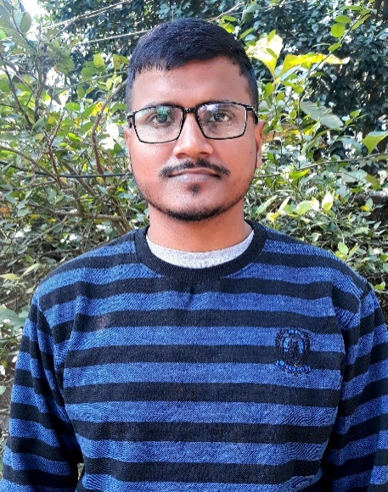
9 | 204103414 | NAOREM RONALDO SINGH | 26nrsingh@gmail.com | https://www.linkedin.com/in/naorem-ronaldo-singh-522a48205 | 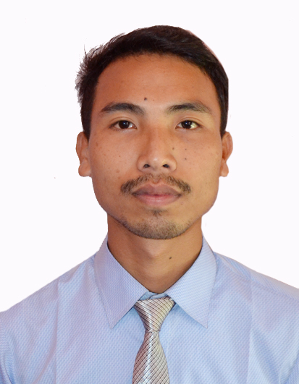
10 | 204103415 | NAVNEET KUMAR | navneet280695@gmail.com | https://www.linkedin.com/in/navneet-kumar-05a501a2 | 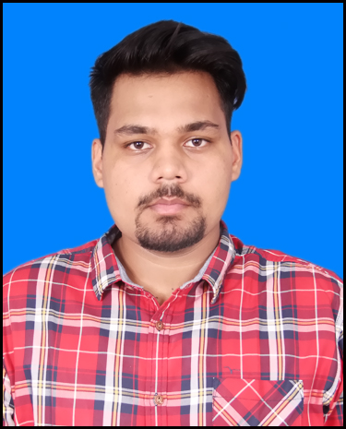
11 | 204103416 | PARTHA MAJI | partha.maji.9088@gmail.com | https://www.linkedin.com/in/partha-maji-6a6310205 | 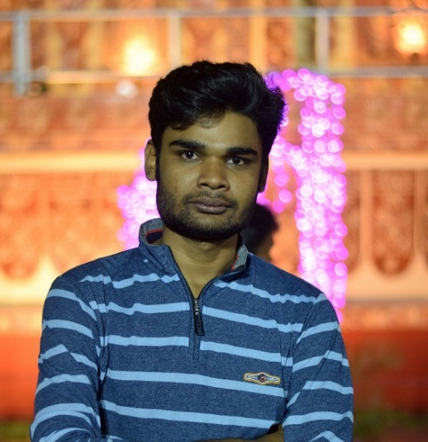
12 | 204103418 | PRAVEEN VERMA | praveenverma3110@gmail.com | https://www.linkedin.com/in/praveen-verma-754b28205 | 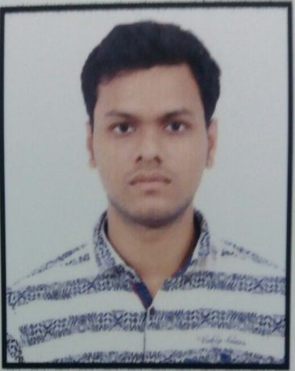
13 | 204103419 | SACHIN KUMAR MAURYA | sachinme0094@gmail.com | https://www.linkedin.com/in/sachin-kumar-maurya-85478420 | 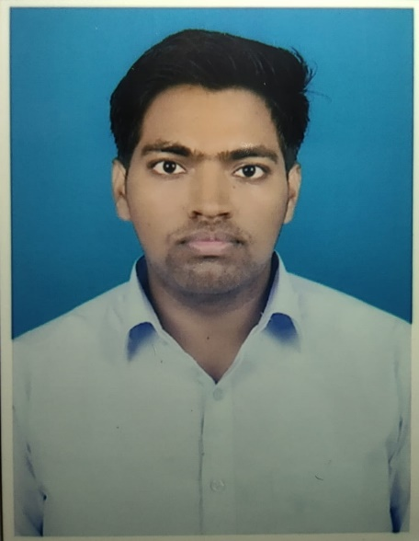
14 | 204103420 | SARTHAK PATIDAR | sarthak.patidar98@gmail.com | https://www.linkedin.com/in/sarthak-patidar-869454112 | 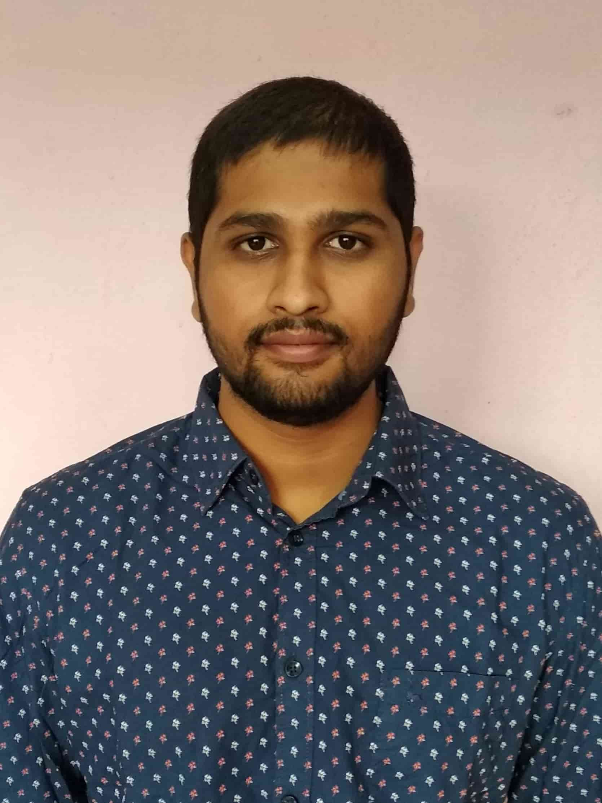
15 | 204103424 | TANDIN WANGDI | tandinwangdi@jnec.edu.bt | https://www.linkedin.com/in/tandin-wangdi-4b908b16a/ | 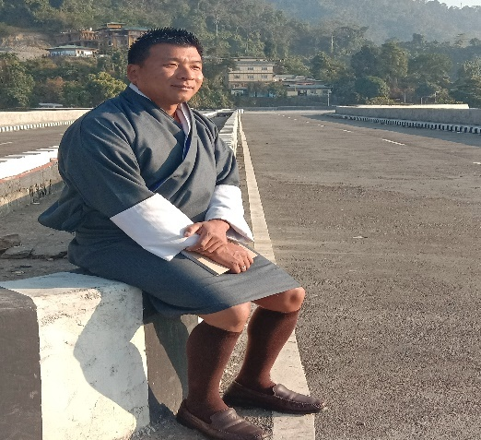
16 | 204103425 | PRASHANT | prashant1.pk32@gmail.com | https://www.linkedin.com/in/mr-prashant-349ba3205/ | 
17 | 204103426 | VIKRANT PRATAP SINGH | vikrantpratap05@gmail.com | https://www.linkedin.com/in/vikrant-singh-b91152141/ | 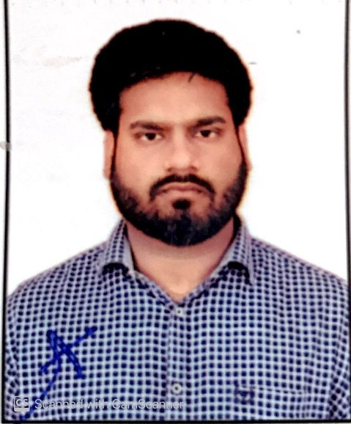
18 | 204103427 | ABHISHEK DASH | abhidash56@gmail.com | https://www.linkedin.com/in/abhishek-dash-4b64891a4 | 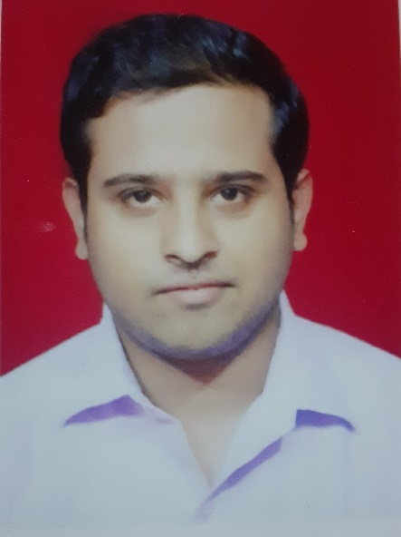
19 | 204103429 | SANTOSH KUMAR | santosh096singh@gmail.com | https://www.linkedin.com/in/santosh-kumar-31b0b0206 | 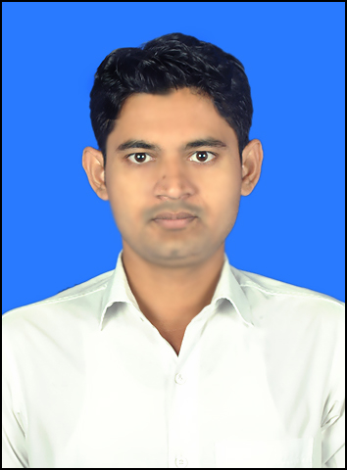
20 | 204103430 | NOBEL KARMAKAR | karmakar007nobel@gmail.com | https://www.linkedin.com/in/nobel-karmakar-397b22204 | 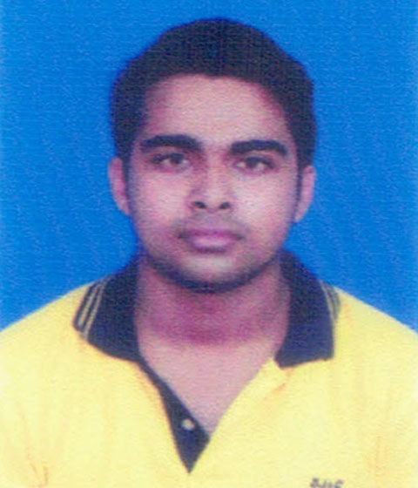
21 | 204103431 | TEKEE SURYA SAI | suryasai816@gmail.com | https://www.linkedin.com/in/tekee-surya-sai-5203501a6 | 