Prototipo_3a
 | n | x | y | x^2 | x*y | y^2
 | 1 | 130 | 186 | 16900 | 24180 | 34596
 | 2 | 650 | 699 | 422500 | 454350 | 488601
 | 3 | 99 | 132 | 9801 | 13068 | 17424
 | 4 | 150 | 272 | 22500 | 40800 | 73984
 | 5 | 128 | 291 | 16384 | 37248 | 84681
 | 6 | 302 | 331 | 91204 | 99962 | 109561
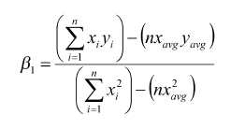
 | 7 | 95 | 199 | 9025 | 18905 | 39601
 | 8 | 945 | 1890 | 893025 | 1786050 | 3572100
 | 9 | 368 | 788 | 135424 | 289984 | 620944
 | 10 | 961 | 1601 | 923521 | 1538561 | 2563201
 | Total | 3828 | 6389 | 2540284 | 4303108 | 7604693
 |  | sumX | sumY | sumXX | sumXY | sumYY
 | ` | 386 | 644.4293838
 |  | 382.8 | 638.9
 |  | avgX | avgY

 |  | B1 | 4303108 | 10 | 382.8 | 638.9 | 1857398.8 | 1.727932426
 |  |  | 2540284 | 10 | 146535.84 |  | 1074925.6

 |  | B0 | 638.9 | 1.727932426 | 382.8 | -22.55253275

 |  | yk | -22.55253275 | 1.727932426 | 386 | 644.4293838

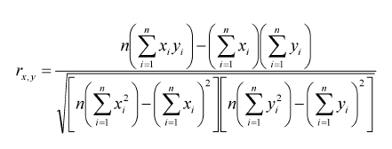
Intervalo de Confianza |  | r | 10 | 4303108 | 3828 | 6389 | 18573988
 |  |  | 10 | 2540284 | 14653584 | 7604693 | 40819321

 |  |  |  | 18573988
 |  |  | 378670587408904 | 19459460.1

 |  |  |  | 0.9544965741

 |  | r^2 |  | 0.91106371 |  | > 0.5

Probe
 |  | Valores a capturar |  |  |  |  |  |  | VS | Very small | (métodos, no clases)
Calculate the types with Fuzzy Logic Method |  |  |  |  |  |  |  |  | VL | Very large

Calculation | Cálculos matemáticos |  |  |  | Data | Base de datos
 | LOCs | Log | Factor |  |  | LOCs | Log | Factor
VS | 5 | 0.6989700043 | 0.1505149978 |  | VS | 3 | 0.4771212547 | 0.1505149978
S | 7.071067812 | 0.8494850022 |  |  | S | 4.242640687 | 0.6276362526
M | 10 | 1 |  |  | M | 6 | 0.7781512504
L | 14.14213562 | 1.150514998 |  |  | L | 8.485281374 | 0.9286662482
VL | 20 | 1.301029996 |  |  | VL | 12 | 1.079181246

IO | Lectura y escritura |  |  |  | Logic | Estructura lógica principal
 | LOCs | Log | Factor |  |  | LOCs | Log | Factor
VS | 10 | 1 | 0.1192803137 |  | VS | 10 | 1 | 0.09948500217
S | 13.16074013 | 1.119280314 |  |  | S | 12.5743343 | 1.099485002
M | 17.32050808 | 1.238560627 |  |  | M | 15.8113883 | 1.198970004
L | 22.79507057 | 1.357840941 |  |  | L | 19.88176822 | 1.298455007
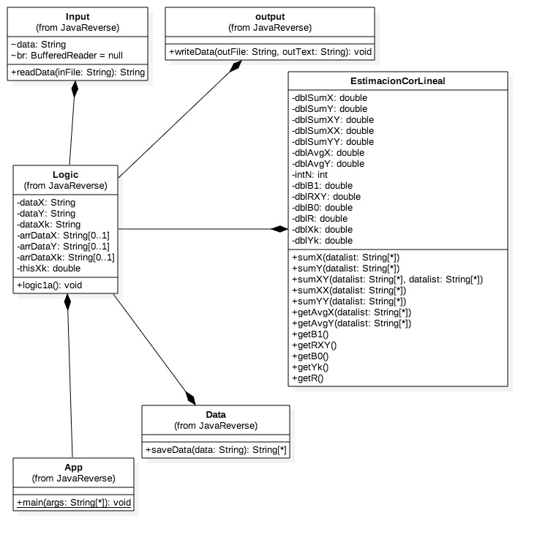
VL | 30 | 1.477121255 |  |  | VL | 25 | 1.397940009

Estimated Reuse

Object | Description | Size | Number | LOC | Total
Input |  | L | 1 | 8.485281374 | 8.485281374
Data |  | M | 1 | 6 | 6
Output |  | M | 1 | 6 | 6
 |  |  |  | Reuse TOTAL LOC | 20.48528137

Estimated Size, BASE

Object | Description | Size | Number | LOC | Total
App |  | M | 1 | 15.8113883 | 15.8113883
Logic |  | L | 1 | 19.88176822 | 19.88176822

 |  |  |  | Base TOTAL LOC | 35.69315652

Estimated Size, Add

Object | Description | Size | Number | LOC | Total
sumX |  | M | 1 | 10 | 10
sumY |  | M | 1 | 10 | 10
sumXX |  | M | 1 | 10 | 10
sumXY |  | M | 1 | 10 | 10
sumYY |  | M | 1 | 10 | 10
avgX |  | S | 1 | 7.071067812 | 7.071067812
avgY |  | S | 1 | 7.071067812 | 7.071067812
B1 |  | L | 1 | 14.14213562 | 14.14213562
B0 |  | S | 1 | 7.071067812 | 7.071067812
yk |  | S | 1 | 7.071067812 | 7.071067812
R |  | VL | 1 | 20 | 20
RR |  | S | 1 | 7.071067812 | 7.071067812

 |  |  |  | TOTAL LOC estimated | 119.4974747

 |  |  |  |  | TOTAL LOC | 175.6759126

