desvstandar
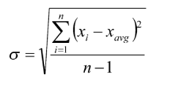
n | x | (xi - xavg) ^ 2
1 | 186 | 205118.41
2 | 699 | 3612.01
3 | 132 | 256947.61
4 | 272 | 134615.61
5 | 291 | 121034.41
6 | 331 | 94802.41
7 | 199 | 193512.01
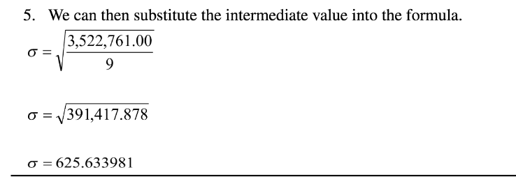
8 | 1890 | 1565251.21
9 | 788 | 22230.81
10 | 1601 | 925636.41
Total | 6389 | 3522760.9

xavg | 638.9

 | sigma | 391417.8778
 | sigma | 625.6339807

