Prototipo_3a
 | n | LOC est | LOC real | x^2 | x*y | y^2 | prediccion modelo
 | 1 | 130 | 186 | 16900 | 24180 | 34596 | 202.0786827
 | 2 | 650 | 699 | 422500 | 454350 | 488601 | 1100.603544
 | 3 | 99 | 132 | 9801 | 13068 | 17424 | 148.5127774
 | 4 | 150 | 272 | 22500 | 40800 | 73984 | 236.6373312
 | 5 | 128 | 291 | 16384 | 37248 | 84681 | 198.6228178
 | 6 | 302 | 331 | 91204 | 99962 | 109561 | 499.28306
 | 7 | 95 | 199 | 9025 | 18905 | 39601 | 141.6010477
 | 8 | 945 | 1890 | 893025 | 1786050 | 3572100 | 1610.34361
 | 9 | 368 | 788 | 135424 | 289984 | 620944 | 613.3266001
 | 10 | 961 | 1601 | 923521 | 1538561 | 2563201 | 1637.990529
 | Total | 3828 | 6389 | 2540284 | 4303108 | 7604693
 |  | sumX | sumY | sumXX | sumXY | sumYY
 | ` | 120 | 184.7993584
 |  | 382.8 | 638.9
 |  | avgX | avgY

 |  | B1 | 4303108 | 10 | 382.8 | 638.9 | 1857398.8 | 1.727932426
 |  |  | 2540284 | 10 | 146535.84 |  | 1074925.6

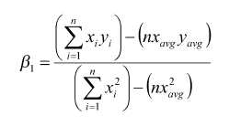
 |  | B0 | 638.9 | 1.727932426 | 382.8 | -22.55253275

 |  | yk | -22.55253275 | 1.727932426 | 120 | 184.7993584

Intervalo de Confianza |  | r | 10 | 4303108 | 3828 | 6389 | 18573988
 |  |  | 10 | 2540284 | 14653584 | 7604693 | 40819321
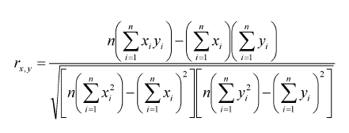
 |  |  |  | 18573988
 |  |  | 378670587408904 | 19459460.1

 |  |  |  | 0.9544965741

 |  | r^2 |  | 0.91106371 |  | > 0.5

secc2
 |  | X | Y
 | n | LOC Est | LOC real | x^2 | x*y | y^2 | Prediccion Modelo ( y = B1*x + B0 )
x1 | 1 | 130 | 186 | 16900 | 24180 | 34596 | 202.0786827
x2 | 2 | 650 | 699 | 422500 | 454350 | 488601 | 1100.603544
x3 | 3 | 99 | 132 | 9801 | 13068 | 17424 | 148.5127774
 | 4 | 150 | 272 | 22500 | 40800 | 73984 | 236.6373312
 | 5 | 128 | 291 | 16384 | 37248 | 84681 | 198.6228178
 | 6 | 302 | 331 | 91204 | 99962 | 109561 | 499.28306
 | 7 | 95 | 199 | 9025 | 18905 | 39601 | 141.6010477
 | 8 | 945 | 1890 | 893025 | 1786050 | 3572100 | 1610.34361
 | 9 | 368 | 788 | 135424 | 289984 | 620944 | 613.3266001
LOC real frente a LOC Est
n= | 10 | 961 | 1601 | 923521 | 1538561 | 2563201 | 1637.990529
 | Total | 3828 | 6389 | 2540284 | 4303108 | 7604693
 |  | sumX | sumY | sumXX | sumXY | sumYY
 |  | 382.8 | 638.9
 |  | Xavg | Yavg

reglineal | ing1 | B1 | 1.727932426 | 1.72172

 | ing1 | B0 | -22.55253275 | -22.5525

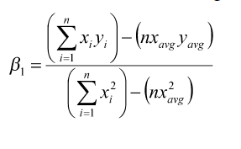
 | ing1 | xk | yk
 |  | 386 | 644.4293838

r | ing2 | r | 18573988 | 0.9544965741
 |  |  | 19459460.1
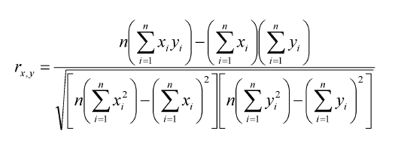

 | ing2 | r*r | 0.91106371

secc1
 | x | y
n | LOC est | LOC real | x^2 | x*y | y^2 | y = B0 + B1*x
1 | 130 | 186 | 16900 | 24180 | 34596 | 201
2 | 650 | 699 | 422500 | 454350 | 488601 | 1085
3 | 99 | 132 | 9801 | 13068 | 17424 | 148.3
4 | 150 | 272 | 22500 | 40800 | 73984 | 235
5 | 128 | 291 | 16384 | 37248 | 84681 | 197.6
6 | 302 | 331 | 91204 | 99962 | 109561 | 493.4
7 | 95 | 199 | 9025 | 18905 | 39601 | 141.5
8 | 945 | 1890 | 893025 | 1786050 | 3572100 | 1586.5
9 | 368 | 788 | 135424 | 289984 | 620944 | 605.6
10 | 961 | 1601 | 923521 | 1538561 | 2563201 | 1613.7
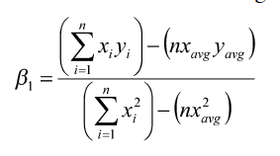

LOC real frente a LOC est
 | B1 | 1.7

 | B0 | -20

