Cycle
first byte
 | coalescing | no coalescing | dis last round
key | cycle | cycle | cycle
0 | 264317 | 313071 | 266336
Cycle
1 | 264646 | 313745 | 266932
2 | 264711 | 313461 | 266686
3 | 264754 | 313243 | 266773
4 | 264676 | 313588 | 266780
5 | 264532 | 313543 | 266723
6 | 264607 | 313317 | 266776
7 | 264676 | 313080 | 266698
8 | 264561 | 313457 | 266715
9 | 264477 | 313302 | 266707
10 | 264505 | 313739 | 266732
11 | 264555 | 313233 | 266770
12 | 264648 | 313348 | 266848
13 | 264699 | 313490 | 266523
14 | 264551 | 313364 | 266723
15 | 264654 | 312765 | 266690
16 | 264376 | 313089 | 266507
17 | 264405 | 312905 | 266486
18 | 264304 | 313293 | 266401
19 | 264364 | 313121 | 266443
20 | 264307 | 313013 | 266515
21 | 264292 | 313551 | 266286
22 | 264267 | 313220 | 266568
23 | 264429 | 313155 | 266357
24 | 264305 | 312743 | 266398
25 | 264368 | 313280 | 266404
26 | 264382 | 313193 | 266329
27 | 264432 | 313207 | 266482
28 | 264398 | 313038 | 266490
29 | 264290 | 313252 | 266415
30 | 264223 | 313007 | 266354
31 | 264411 | 312893 | 266440
32 | 264302 | 313079 | 266448
33 | 264345 | 313158 | 266395
34 | 264320 | 313036 | 266432
35 | 264395 | 313138 | 266432
36 | 264301 | 312793 | 266526
37 | 264389 | 313133 | 266404
38 | 264179 | 312592 | 266443
39 | 264389 | 313158 | 266415
40 | 264317 | 312707 | 266546
41 | 264261 | 313296 | 266473
42 | 264464 | 313518 | 266445
43 | 264392 | 313235 | 266470
44 | 264407 | 312946 | 266532
45 | 264423 | 313143 | 266432
46 | 264420 | 312946 | 266357
47 | 264242 | 313105 | 266332
48 | 264445 | 313468 | 266404
49 | 264348 | 313230 | 266468
50 | 264333 | 313174 | 266532
51 | 264420 | 312618 | 266471
52 | 264404 | 312882 | 266423
53 | 264454 | 313558 | 266282
54 | 264364 | 312964 | 266511
55 | 264314 | 313364 | 266490
56 | 264404 | 313136 | 266429
57 | 264326 | 312824 | 266373
58 | 264423 | 312951 | 266411
59 | 264429 | 312943 | 266545
60 | 264285 | 313232 | 266448
61 | 264340 | 312660 | 266504
62 | 264289 | 312993 | 266421
63 | 264364 | 313679 | 266582
64 | 264435 | 313232 | 266314
65 | 264442 | 312993 | 266463
66 | 264370 | 312998 | 266498
67 | 264395 | 313114 | 266307
68 | 264289 | 313117 | 266382
69 | 264471 | 313015 | 266464
70 | 264376 | 313113 | 266593
71 | 264426 | 313205 | 266482
72 | 264432 | 312917 | 266436
73 | 264254 | 313168 | 266440
74 | 264380 | 313467 | 266413
75 | 264326 | 313079 | 266554
76 | 264229 | 313076 | 266510
77 | 264460 | 313010 | 266265
78 | 264383 | 312707 | 266482
79 | 264336 | 313329 | 266386
80 | 264358 | 312932 | 266432
81 | 264208 | 313413 | 266373
82 | 264405 | 312989 | 266436
83 | 264452 | 312885 | 266436
84 | 264489 | 312742 | 266390
85 | 264301 | 313329 | 266354
86 | 264320 | 312989 | 266511
87 | 264386 | 312935 | 266420
88 | 264336 | 313190 | 266515
89 | 264502 | 312963 | 266543
90 | 264317 | 313176 | 266321
91 | 264383 | 312910 | 266426
92 | 264318 | 312723 | 266426
93 | 264351 | 313474 | 266440
94 | 264398 | 313038 | 266361
95 | 264336 | 312985 | 266382
96 | 264321 | 313190 | 266345
97 | 264377 | 313139 | 266382
98 | 264345 | 313032 | 266426
99 | 264382 | 313063 | 266161
100 | 264473 | 312857 | 266407
101 | 264351 | 313052 | 266579
102 | 264307 | 313088 | 266532
103 | 264364 | 312743 | 266504
104 | 264382 | 313070 | 266554
105 | 264357 | 312860 | 266536
106 | 264386 | 313099 | 266395
107 | 264251 | 312518 | 266346
108 | 264229 | 313323 | 266457
109 | 264238 | 313089 | 266279
110 | 264357 | 312764 | 266315
111 | 264461 | 312999 | 266304
112 | 264242 | 313068 | 266440
113 | 264326 | 313189 | 266464
114 | 264251 | 313279 | 266421
115 | 264405 | 312805 | 266454
116 | 264482 | 313120 | 266426
117 | 264545 | 312710 | 266318
118 | 264288 | 312801 | 266420
119 | 264249 | 313233 | 266554
120 | 264417 | 312726 | 266461
121 | 264326 | 313038 | 266365
122 | 264404 | 313318 | 266493
123 | 264326 | 312918 | 266443
124 | 264457 | 313188 | 266415
125 | 264360 | 313435 | 266382
126 | 264361 | 313171 | 266448
127 | 264264 | 312993 | 266420
128 | 264461 | 313089 | 266365
129 | 264395 | 313383 | 266361
130 | 264426 | 313323 | 266436
131 | 264411 | 313164 | 266404
132 | 264295 | 312945 | 266276
133 | 264164 | 313083 | 266379
134 | 264393 | 312771 | 266482
135 | 264245 | 313014 | 266436
136 | 264339 | 313218 | 266470
137 | 264423 | 312910 | 266501
138 | 264311 | 313151 | 266426
139 | 264463 | 313038 | 266445
140 | 264420 | 312767 | 266521
141 | 264279 | 313243 | 266436
142 | 264463 | 313098 | 266354
143 | 264339 | 312915 | 266365
144 | 264321 | 313136 | 266432
145 | 264265 | 313305 | 266490
146 | 264301 | 313226 | 266390
147 | 264254 | 313349 | 266560
148 | 264376 | 312804 | 266421
149 | 264342 | 313749 | 266354
150 | 264338 | 312889 | 266479
151 | 264370 | 312960 | 266389
152 | 264433 | 313107 | 266270
153 | 264343 | 313288 | 266490
154 | 264332 | 312843 | 266357
155 | 264238 | 312836 | 266468
156 | 264452 | 313132 | 266518
157 | 264330 | 313474 | 266354
158 | 264321 | 313223 | 266371
159 | 264429 | 312988 | 266523
160 | 264329 | 312564 | 266388
161 | 264454 | 312788 | 266385
162 | 264417 | 313151 | 266461
163 | 264360 | 313005 | 266573
164 | 264279 | 312932 | 266332
165 | 264399 | 313514 | 266443
166 | 264465 | 313118 | 266323
167 | 264429 | 312818 | 266411
168 | 264351 | 313192 | 266468
169 | 264401 | 312839 | 266486
170 | 264314 | 312982 | 266488
171 | 264390 | 313233 | 266404
172 | 264345 | 312971 | 266340
173 | 264317 | 313002 | 266554
174 | 264283 | 313201 | 266404
175 | 264468 | 313117 | 266573
176 | 264361 | 313017 | 266457
177 | 264229 | 313099 | 266489
178 | 264223 | 313423 | 266493
179 | 264239 | 313524 | 266426
180 | 264488 | 313043 | 266273
181 | 264374 | 313029 | 266365
182 | 264461 | 313089 | 266379
183 | 264329 | 313043 | 266443
184 | 264335 | 312798 | 266507
185 | 264385 | 313310 | 266421
186 | 264380 | 313292 | 266368
187 | 264336 | 312858 | 266404
188 | 264342 | 312817 | 266407
189 | 264354 | 313161 | 266473
190 | 264268 | 313148 | 266532
191 | 264389 | 313080 | 266401
192 | 264386 | 312854 | 266454
193 | 264385 | 313088 | 266420
194 | 264248 | 313367 | 266423
195 | 264504 | 313176 | 266429
196 | 264542 | 313045 | 266296
197 | 264485 | 312849 | 266423
198 | 264417 | 312726 | 266307
199 | 264292 | 313240 | 266435
200 | 264471 | 312821 | 266454
201 | 264417 | 313180 | 266532
202 | 264423 | 313179 | 266423
203 | 264177 | 313043 | 266345
204 | 264339 | 313051 | 266436
205 | 264374 | 313018 | 266411
206 | 264270 | 313217 | 266468
207 | 264321 | 313260 | 266415
208 | 264404 | 313079 | 266423
209 | 264473 | 312974 | 266373
210 | 264526 | 313198 | 266395
211 | 264454 | 312614 | 266438
212 | 264298 | 313296 | 266379
213 | 264551 | 313199 | 266301
214 | 264268 | 313142 | 266440
215 | 264435 | 313085 | 266407
216 | 264479 | 313042 | 266445
217 | 264420 | 313438 | 266486
218 | 264305 | 313040 | 266529
219 | 264433 | 312855 | 266498
220 | 264404 | 313079 | 266486
221 | 264529 | 313330 | 266454
222 | 264427 | 312842 | 266521
223 | 264376 | 313114 | 266573
224 | 264364 | 313076 | 266261
225 | 264424 | 313064 | 266411
226 | 264311 | 313036 | 266520
227 | 264364 | 312860 | 266479
228 | 264423 | 313154 | 266532
229 | 264455 | 313389 | 266451
230 | 264377 | 313004 | 266476
231 | 264390 | 313132 | 266373
232 | 264290 | 312843 | 266520
233 | 264388 | 312946 | 266561
234 | 264311 | 312832 | 266411
235 | 264420 | 312923 | 266336
236 | 264436 | 313020 | 266488
237 | 264351 | 313130 | 266329
238 | 264357 | 312890 | 266476
239 | 264426 | 312914 | 266461
240 | 264323 | 313417 | 266407
241 | 264289 | 313336 | 266457
242 | 264407 | 313201 | 266348
243 | 264307 | 313158 | 266432
244 | 264364 | 313168 | 266515
245 | 264421 | 313046 | 266486
246 | 264361 | 312796 | 266373
247 | 264354 | 313183 | 266485
248 | 264358 | 312986 | 266360
249 | 264379 | 312902 | 266382
250 | 264498 | 313268 | 266604
251 | 264442 | 313255 | 266446
252 | 264426 | 312892 | 266398
253 | 264323 | 313085 | 266563
254 | 264264 | 312718 | 266493
255 | 264233 | 313158 | 266285
corr | -0.17496755239 | -0.15528543408 | -0.26822830571
std | 95.084367011 | 222.24599581 | 103.97422941
avg | 264379.66016 | 313090.85156 | 266449.98438
cv | 0.0003596508406 | 0.00070984506478 | 0.00039022043725
cv*1000 | 0.3596508406 | 0.70984506478 | 0.39022043725

Uniquecache
Timing distribution
 | key[12]=12
sample | unique cache line | cycle
39 | 11 | 264770
43 | 11 | 264692
35 | 12 | 264857
41 | 12 | 264760
61 | 12 | 264789
63 | 12 | 264707
100 | 12 | 264801
1 | 13 | 264643
3 | 13 | 264707
6 | 13 | 264920
11 | 13 | 264611
19 | 13 | 264810
29 | 13 | 264733
36 | 13 | 264824
38 | 13 | 264592
44 | 13 | 264771
48 | 13 | 264857
54 | 13 | 264779 | y = 7.790435x+264676.564870
57 | 13 | 264932
60 | 13 | 264773
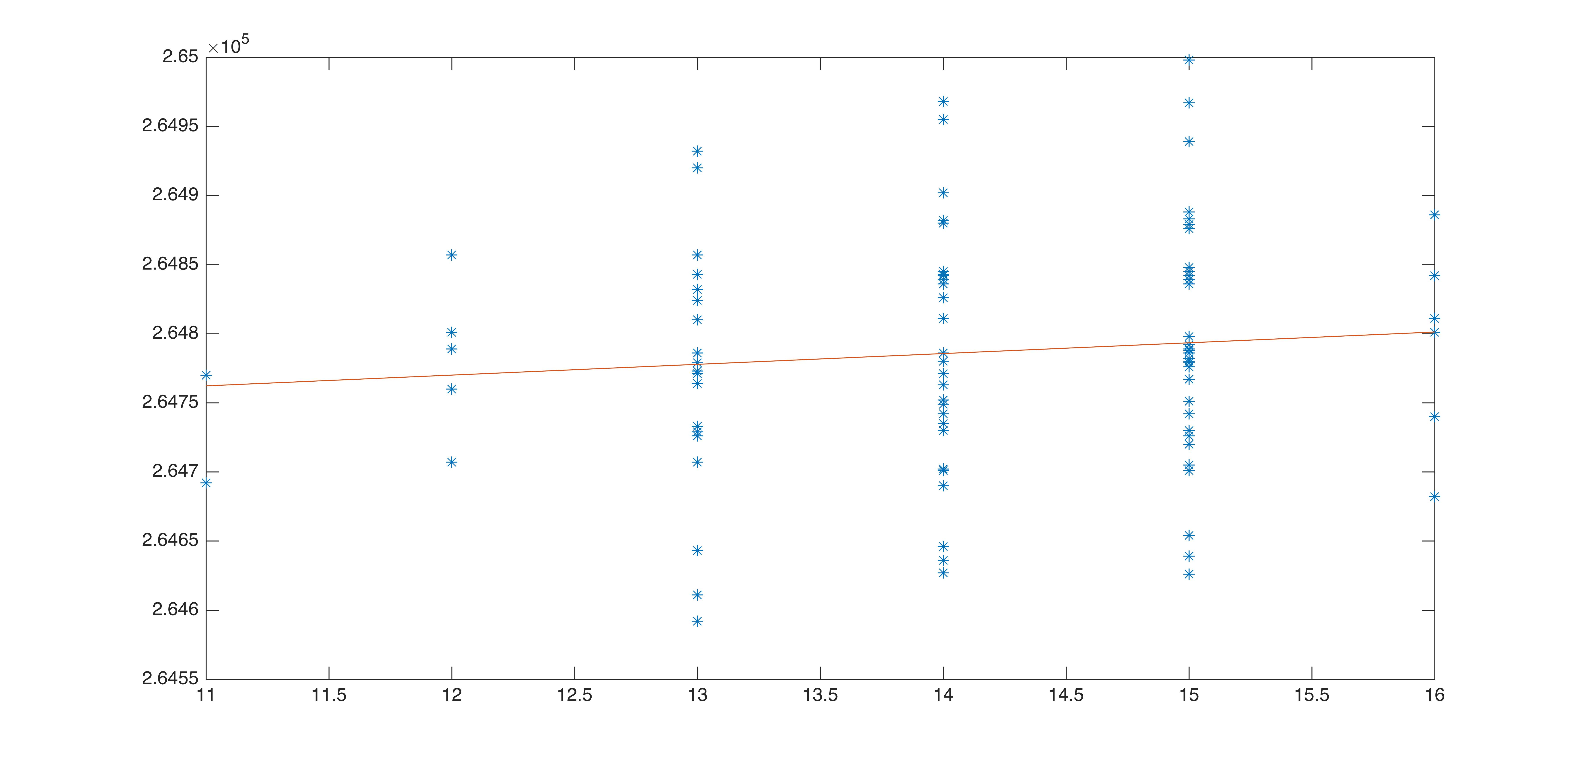
70 | 13 | 264786
75 | 13 | 264726
77 | 13 | 264729
90 | 13 | 264843
91 | 13 | 264810
94 | 13 | 264764
95 | 13 | 264832
2 | 14 | 264627
7 | 14 | 264882
8 | 14 | 264845
14 | 14 | 264902
15 | 14 | 264839
18 | 14 | 264780
20 | 14 | 264752
21 | 14 | 264742
24 | 14 | 264646
26 | 14 | 264836
28 | 14 | 264690
30 | 14 | 264811
31 | 14 | 264826
32 | 14 | 264882
33 | 14 | 264771
34 | 14 | 264786
37 | 14 | 264826
52 | 14 | 264955
55 | 14 | 264880
64 | 14 | 264842
65 | 14 | 264702
67 | 14 | 264786
68 | 14 | 264735
69 | 14 | 264730
72 | 14 | 264749
76 | 14 | 264636
79 | 14 | 264968
80 | 14 | 264701
83 | 14 | 264763
84 | 14 | 264780
88 | 14 | 264811
89 | 14 | 264845
92 | 14 | 264843
4 | 15 | 264701
5 | 15 | 264876
10 | 15 | 264879
12 | 15 | 264776
16 | 15 | 264639
22 | 15 | 264798
23 | 15 | 264780
25 | 15 | 264626
27 | 15 | 264998
40 | 15 | 264751
42 | 15 | 264967
45 | 15 | 264883
46 | 15 | 264742
47 | 15 | 264792
49 | 15 | 264767
50 | 15 | 264836
53 | 15 | 264730
56 | 15 | 264939
58 | 15 | 264639
59 | 15 | 264726
62 | 15 | 264786
66 | 15 | 264782
71 | 15 | 264842
73 | 15 | 264779
74 | 15 | 264705
78 | 15 | 264654
81 | 15 | 264839
82 | 15 | 264788
85 | 15 | 264789
87 | 15 | 264888
93 | 15 | 264845
96 | 15 | 264848
97 | 15 | 264782
98 | 15 | 264720
9 | 16 | 264682
13 | 16 | 264740
17 | 16 | 264842
51 | 16 | 264886
86 | 16 | 264801
99 | 16 | 264811

 | 0.09971714661 | 0.09971714661

