Tabelle1
Quick Reference Guide for pitschu's AmbiLight V1.1
Key | Ambilight | Moodlight
 |  | Normal modes | Multi Sinus Mode
On/Off | >2 sek = Standby; Toggle Ambi/Mood | >2 sek = Standby; Toggle Ambi/Mood
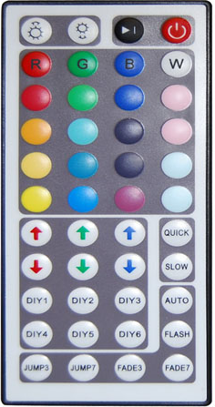
Mode Black | Video select: Chan 1 / 2 / Auto | --
Brightness UP Key | Increase actual value | Increase brightness
Brightness DOWN key | Decrease actual value | Decrease brightness
Red [R] | Hue control -127..125 [0] | Set fixed color
Green [G] | Saturation 1..255 [128] | Set fixed color | Set sinus period
Blue [B] | Contrast 1..197 [80] | Set fixed color | Set Amplitude
White [W] | Brightness 1..255 [60] | Set fixed color | Set base brightness
Other color keys | --- | Set fixed color
Red UP | Set left border 10..100 [84] | RED color++ | Increase RED value
Red DOWN | Set image width [334] | RED color-- | Decrease RED value
Green UP | Set top border 4..100 [16] | GREEN color++ | Increase GREEN value
Green DOWN | Set image high [288] | GREEN color-- | Decrease GREEN value
Blue UP | Set image blocks X 1..48 [48] | BLUE color++ | Increase BLUE value
Blue DOWN | Set image blocks Y 1..28 [28] | BLUE color-- | Decrease BLUE value
Quick key | Lower integration time 1..128 [20] | Increase fading / sinus speed
Slow key | Increase integration time 1..128 [20] | Derease fading / sinus speed
DIY 1 | --- | Select / Save (>2sek) current color / Setting
DIY 2 | ---
DIY 3 | ---
DIY 4 | ---
DIY 5 | ---
DIY 6 | ---
Auto key | Set actual value to default | Set actual value to default
Flash key | Set border width in blocks 1..11 [4]
Jump3 key | Toggle AGC (auto gain control) on/off | Set mode "Multi sinus waves"
Jump7 key | --- | --- | ---
Fade3 key | --- | Set mode "Fade DIY colors" up to 6 colors in DIY
Fade7 key | Set delay time 0..25 [0] | Set mode "Fade 7 base colors"

