Screenshots
Screenshots / Proof of Concept

Instructions:
For each observation, paste your Burp Suite screenshots here.
Label each screenshot with the observation number and title.
Include: the HTTP request, the response, and the browser result.

Observation 1: SQL Injection — Login Bypass
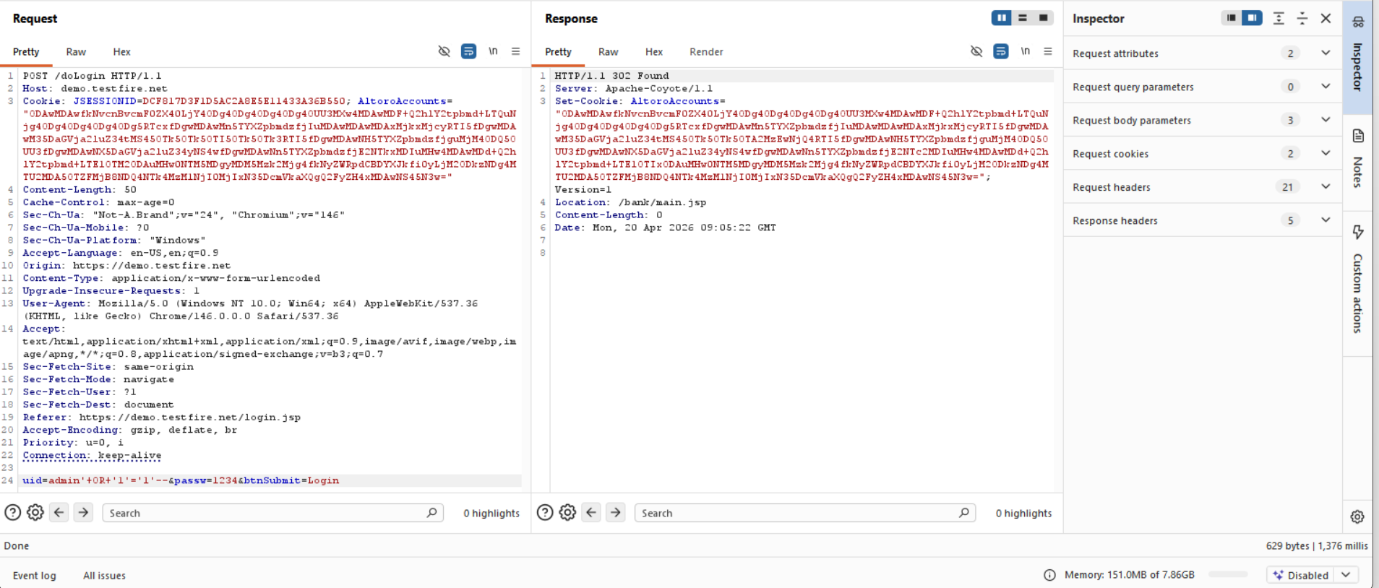
SQL Injection payload was sent via Burp Repeater in the login request
Server responded with HTTP 302 Found, redirecting to the admin dashboard, confirming authentication bypass.

Observation 2: Reflected XSS in Search
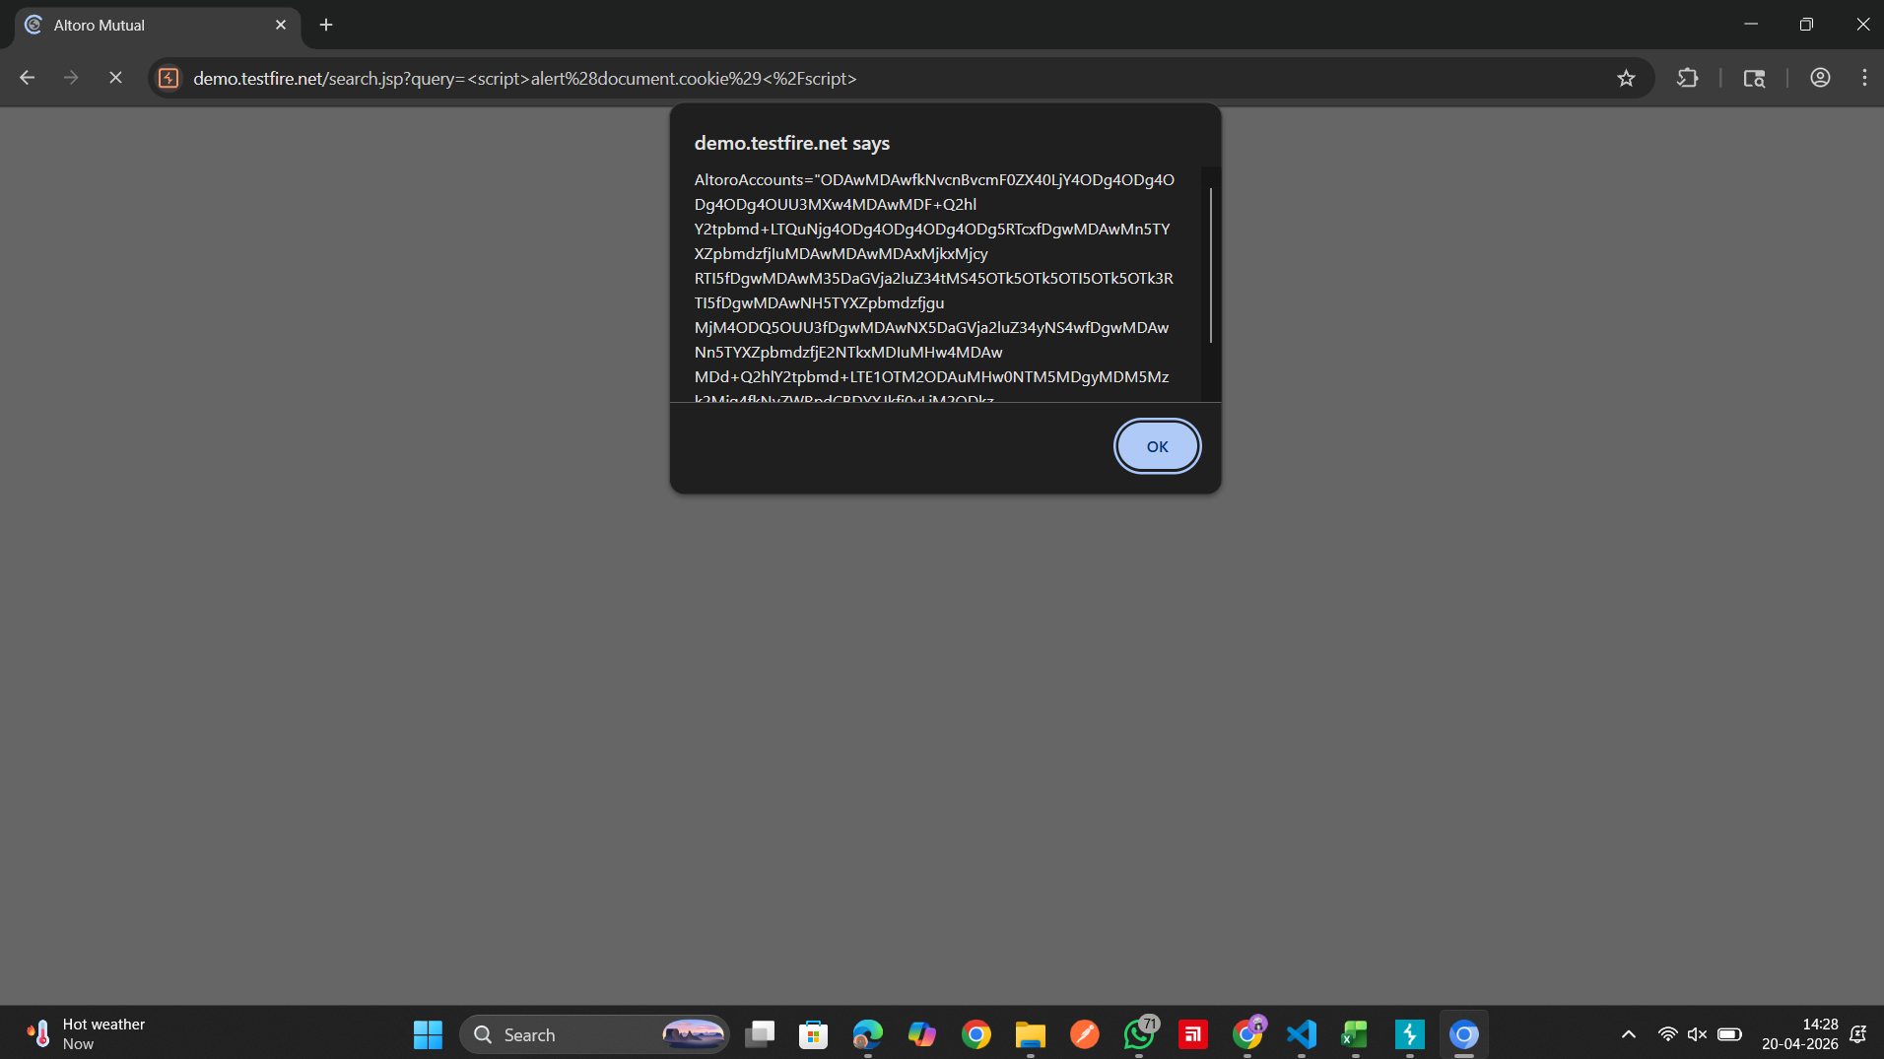
A script payload was entered in the search input field via the frontend.
The browser executed the script and displayed the session cookie in an alert box, confirming an XSS vulnerability.

Observation 3: Broken Access Control — IDOR
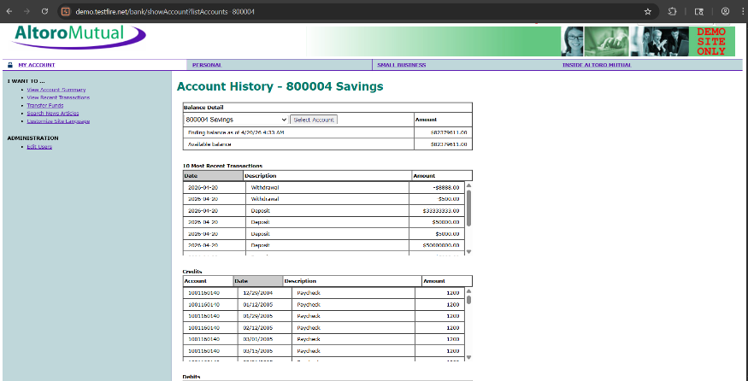
Manipulating the account ID parameter allowed direct access to account data.
Lack of proper authorization checks confirms an IDOR (Broken Access Control) vulnerability.

Observation 4: Stored XSS in Feedback Form
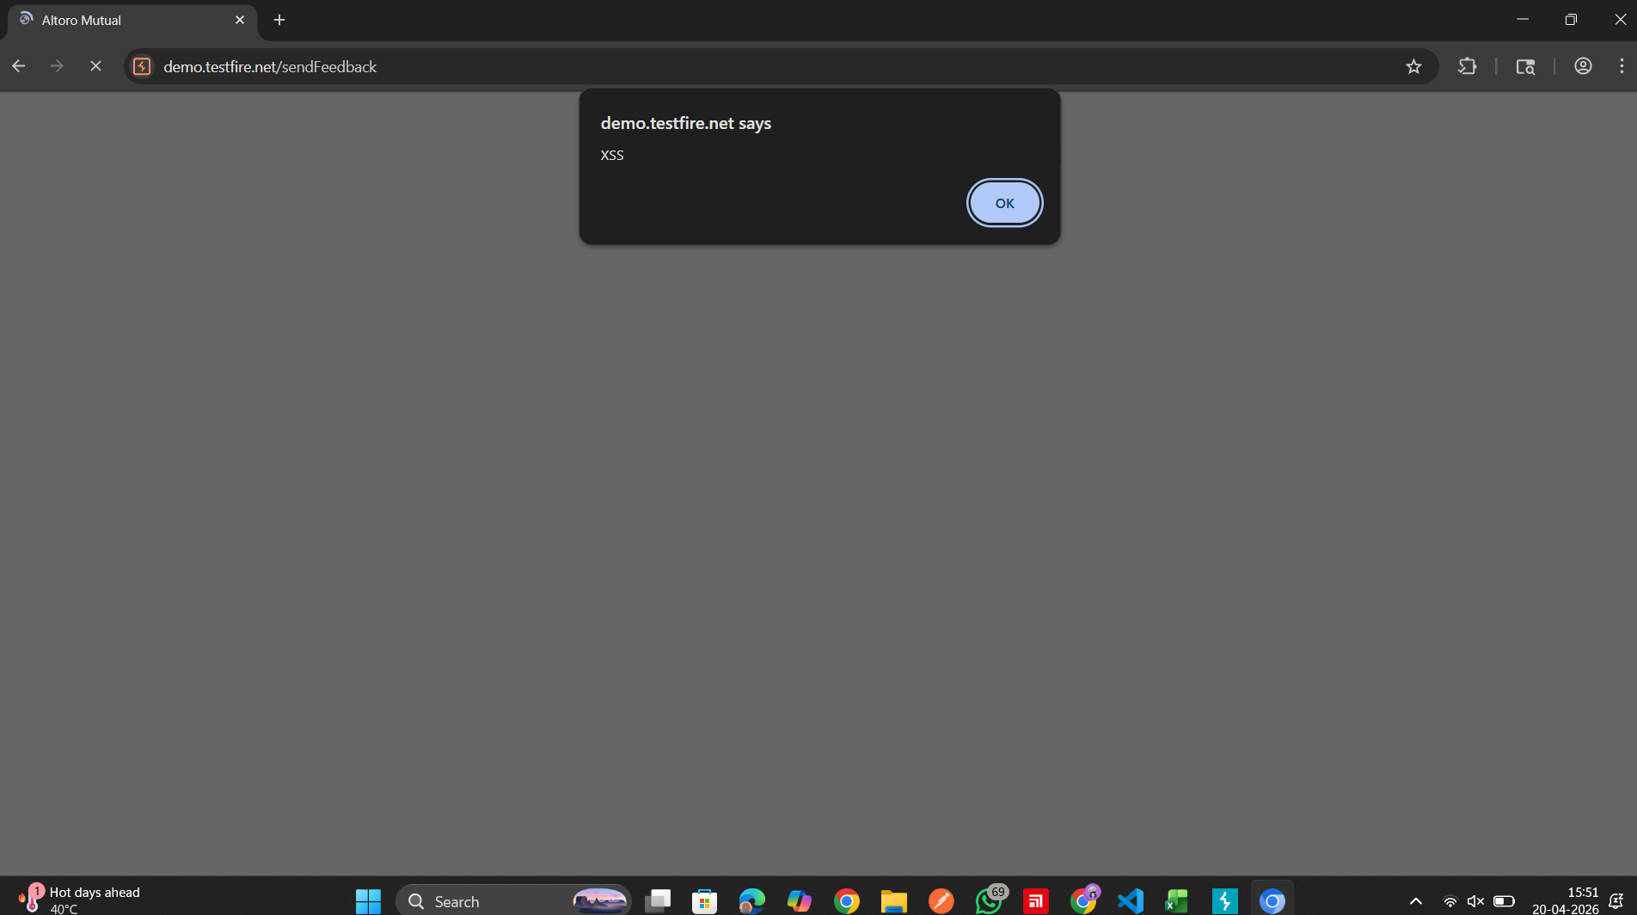
Script injected via feedback form was stored and executed on page load.
This confirms a Stored Cross-Site Scripting (XSS) vulnerability due to lack of input sanitization.

Observation 5: Missing Security Headers
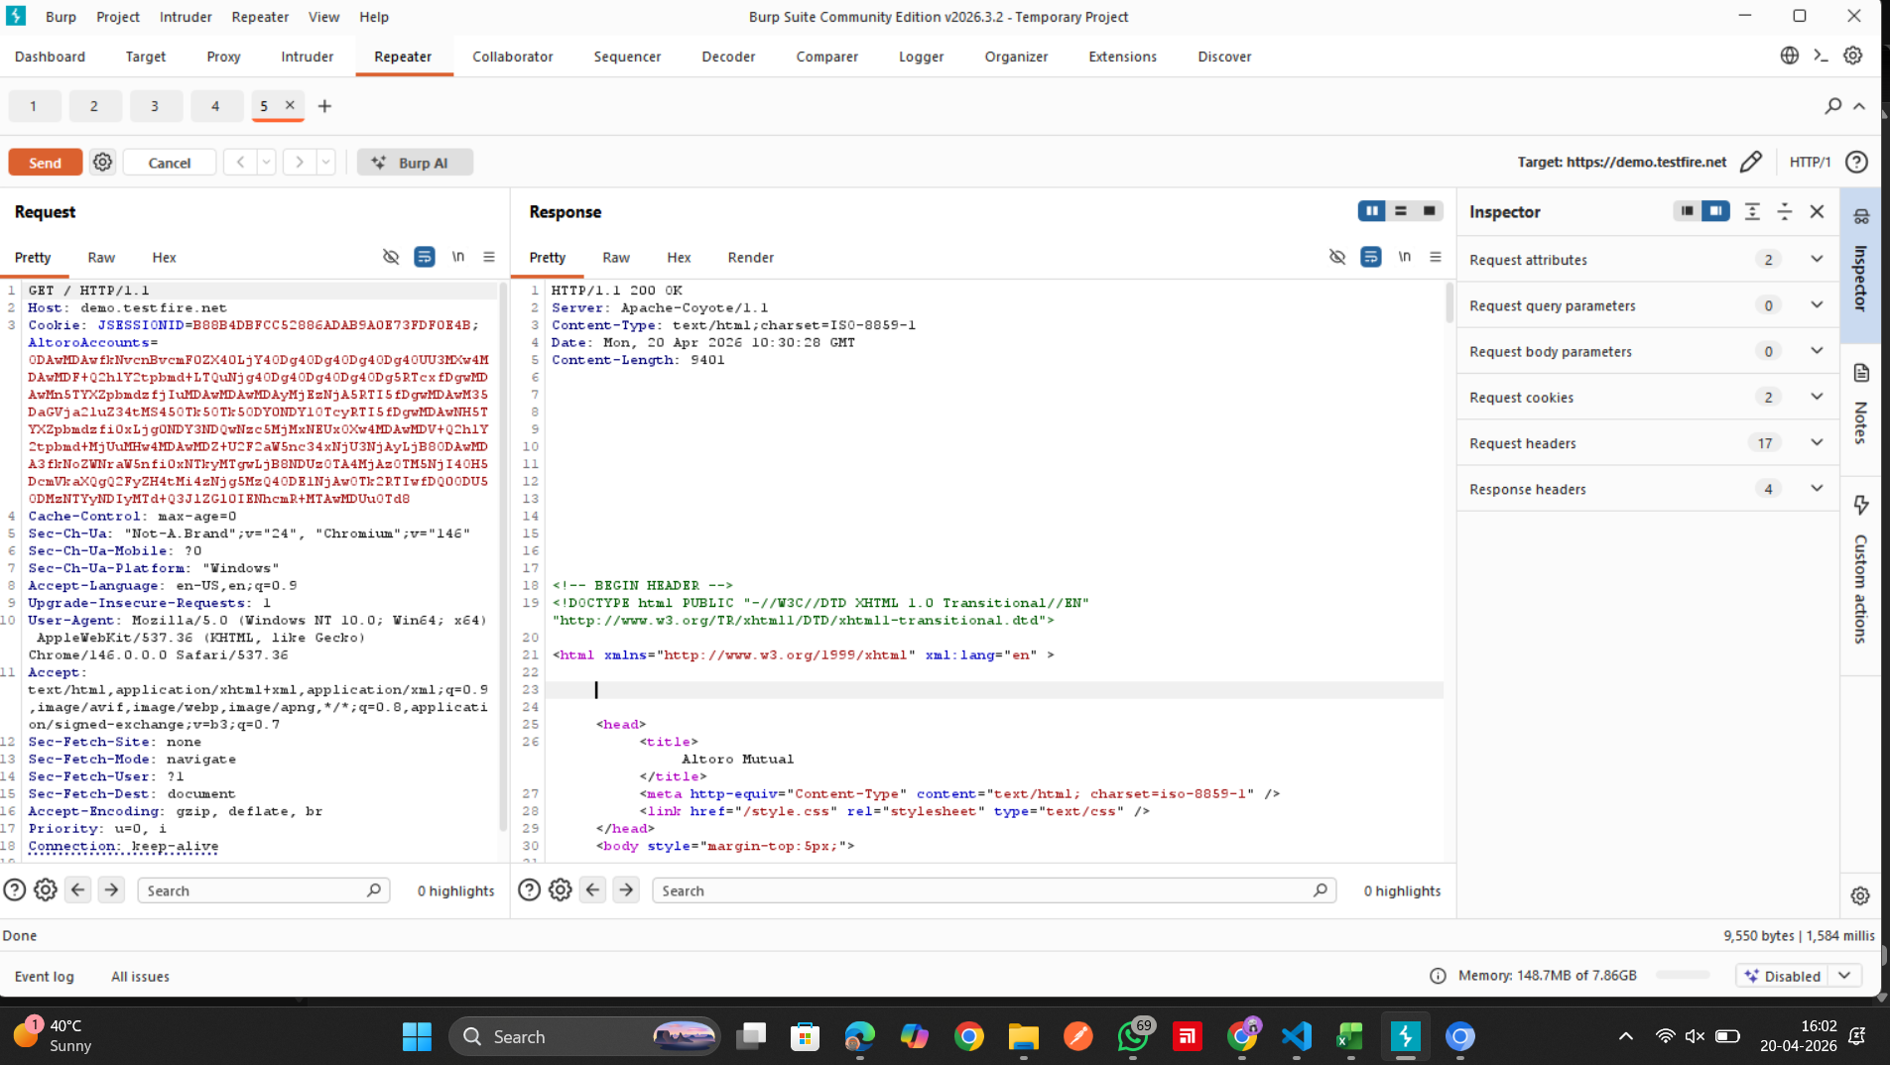
No security headers were present in the HTTP response.
This exposes the application to risks like XSS and clickjacking attacks.

Observation 6: Information Disclosure in Error Pages
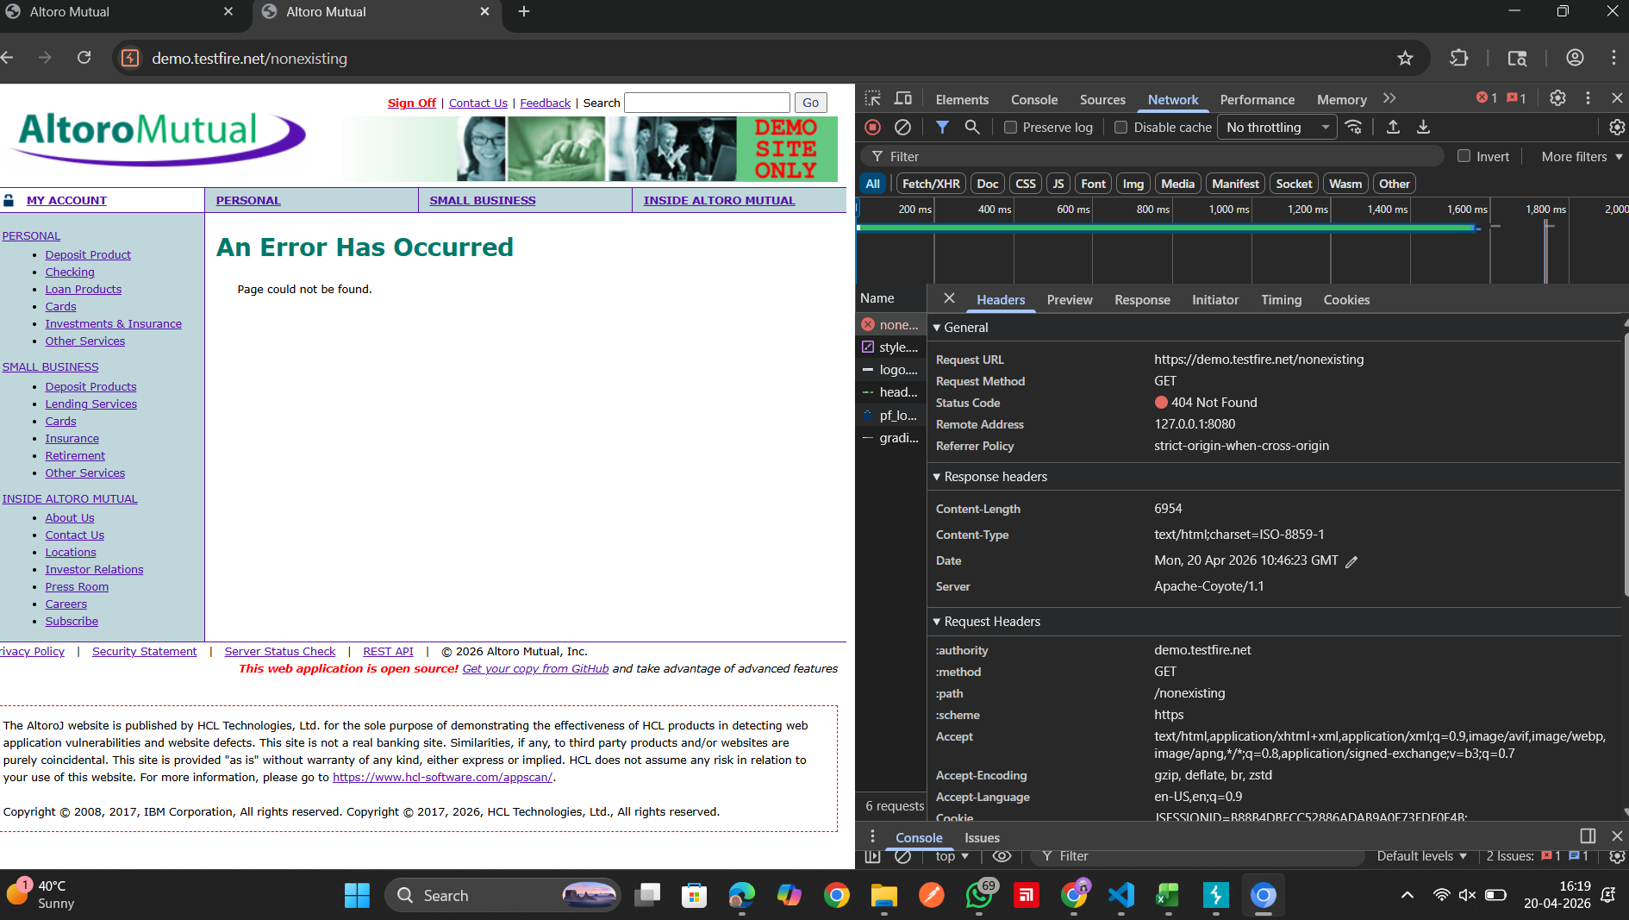
The HTTP response headers disclose server information (e.g., server type/version).
This information exposure can help attackers identify the technology stack and target specific vulnerabilities.

