Benefit Estimates
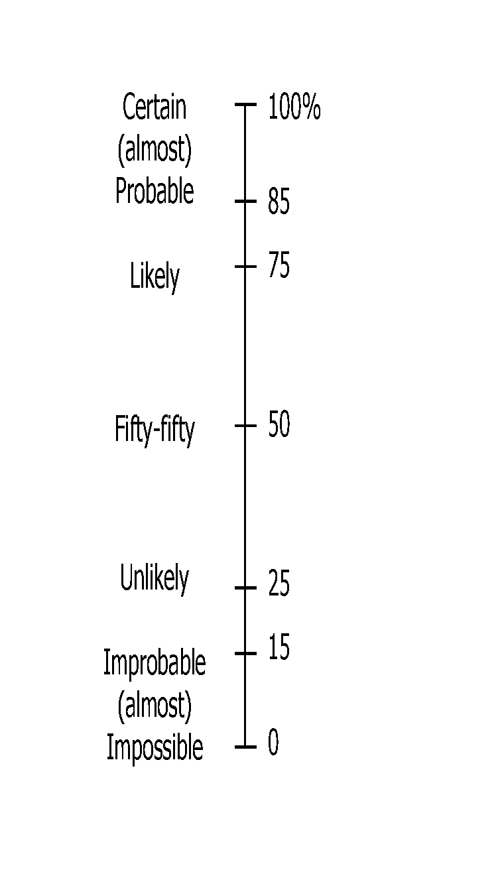
Expert Name: |  |  | INSTRUCTIONS: For each ecological group, please provide:
Exp01 |  |  | 1. Your BEST guess (the most likely) estimate of the probability of persistence under the Baseline and each Strategy
 |  |  | 2. Your estimate of the LOWEST plausible (most pessimistic) probability of persistence under each management scenario
Probability of persistence of Ecological Group the chance that populations in the region will be viable, self-sustaining, and able to perform ecological functions over 27 yrs (2023-2050). Refer to the probability scale on the right when making your estimates. |  |  | 3. Your estimate of the HIGHEST plausible (most optimistic) probability of persistence under each management scenario

 |  |  | NOTE: You do NOT have to give an estimate for every ecological group and/or strategy.
 |  |  | If you do not feel confident making an estimate, please put an 'X' in the cell.
 |  |  | If you think the management strategy will have no impact, use 'B' to indicate that the estimate is the same as for the Baseline

 |  |  | PLEASE DOUBLE CHECK YOUR ESTIMATE IF THE CELL CHANGES TO ONE OF THESE COLOURS:
 |  |  |  | If Strategy estimate < Baseline estimate |  |  |  | If Combined Strategy < ANY of the Individual strategies
 |  |  | This suggests that you believe the Strategy will be worse than the Baseline (business-as-usual or no additional management). If this is NOT the case, please review and adjust your estimate accordingly |  |  |  | This suggests that you believe implementing the combined strategy will be worse than implementing one of the strategies in the combination. If this is NOT the case, please review and adjust your estimates accordingly

Ecological Group | Estimate | BASELINE | INDIVIDUAL STRATEGIES |  |  |  |  |  |  |  | COMBINATION STRATEGIES |  |  |  |  |  |  | NOTES/COMMENTS
 |  | Business-As-Usual | S1. Wildlife Management | S2. Landowner Stewardship | S3. Legislation | S4. Protecting habitats | S5. Wildlife crossings | S6. Invasive species & Disease | S7. Restoration and regeneration | S8. Industry-targeted policy and practises | S9: Wildlife Crossing and Restoration+Regeneration | S10: Restoration+Regeneration and Protecting habitats | S11: Restoration+Regeneration, Protecting habitats and Landowner stewardship | S12: Legislation and Protecting habitats | S13: Human-wildlife Mgmt and Restoration+Regeneration | S14: Landowner stewardship, Industry-targeted policy and practices, Legislation | S15:All strategies
example only, values are random | Best | 60 | 70 | B | X | 55 | 70 | 65 | 60 | x | 60 | 50 | 50 | B | 70 | 75 | 80 | Include some brief comments here to explain your rationale. ex. I don't feel confident completing estimates for aquatics. Ex. I don't think any strategy will get us over a 30% PoP over the next 27 years for this species group.
 | Lowest | 40 | 50 | B | X | 35 | 50 | 30 | 40 | x | 45 | 40 | 40 | B | 50 | 50 | 30
 | Highest | 70 | 90 | B | X | 65 | 30 | 60 | 65 | x | 75 | 75 | 80 | B | 75 | 40 | 90
Alvar/Rock barren/Shield | Best | 50 | B | 60 | 70 | 65 | B | 55 | B | 55 | B | 75 | 80 | 75 | B | 80 | 85 | Land Trusts like the Carden Plains Land Trust, have and will likely remain effective, but are also dependent upon good land stewardship. Industry (aggregates) have been supportive but that could change with increasing demand for built infrastructure, hence my low rating for industry targeted practices.
 | Lowest | 30 | B | 40 | 50 | 50 | B | 40 | B | 40 | B | 50 | 60 | 60 | B | 60 | 60
 | Highest | 60 | B | 70 | 80 | 80 | B | 65 | B | 65 | B | 90 | 90 | 90 | B | 85 | 90
Artificial/Man-made Structures | Best | 50 | B | 70 | 60 | B | B | B | 70 | 60 | 70 | 70 | 70 | 60 | 70 | 70 | 75 | Protecting key habitat/building structures through landowner stewardship is key; ditto for industrial structures.
 | Lowest | 40 | B | 60 | 50 | B | B | B | 50 | 40 | 50 | 50 | 60 | 50 | 50 | 60 | 60
 | Highest | 60 | B | 75 | 75 | B | B | B | 75 | 65 | 75 | 75 | 75 | 75 | 75 | 75 | 80
Bats | Best | 50 | B | B | B | 60 | B | 70 | B | B | B | 60 | 60 | 60 | B |  | 75 | This is primarily a disease issue and the ability to effectively address it at a population level. I included protection relative to the benefit of protecting hibernaculae in addition to addressing disease prevention.
 | Lowest | 25 | B | B | B | 25 | B | 25 | B | B | B | 25 | 25 | 25 | B |  | 25
 | Highest | 60 | B | B | B | 65 | B | 80 | B | B | B | 65 | 65 | 65 | B |  | 80
Forest | Best | 50 | 70 | 75 | 70 | 75 | 65 | 70 | 70 | 65 | 70 | 80 | 80 | 75 | 70 | 75 | 85 | Protection, restoration, stewardship and legislation are the drivers for success
 | Lowest | 25 | 50 | 40 | 50 | 50 | 40 | 40 | 50 | 40 | 50 | 60 | 60 | 50 | 50 | 50 | 65
 | Highest | 60 | 80 | 80 | 80 | 80 | 75 | 80 | 80 | 70 | 80 | 85 | 90 | 80 | 80 | 80 | 90
Mixed Forest | Best | 50 | 75 | 70 | 70 | 60 | 60 | 60 | 70 | 60 | 70 | 70 | 70 | 70 | 75 | 70 | 75 | Suggest S1 through S4 are the key drivers for success for this spp group.
 | Lowest | 30 | 55 | 55 | 55 | 55 | 50 | 50 | 60 | 50 | 60 | 60 | 60 | 55 | 60 | 55 | 60
 | Highest | 60 | 85 | 80 | 80 | 80 | 70 | 70 | 75 | 70 | 75 | 80 | 80 | 80 | 85 | 80 | 85
Lake | Best | X | X | X | X | X | X | X | X | X | X | X | X | X | X | X | X
 | Lowest | X | X | X | X | X | X | X | X | X | X | X | X | X | X | X | X
 | Highest | X | X | X | X | X | X | X | X | X | X | X | X | X | X | X | X
Mussels | Best | X | X | X | X | X | X | X | X | X
 | Lowest | X | X | X | X | X | X | X | X | X
 | Highest | X | X | X | X | X | X | X | X | X
Naturalized Open habitats (Tall-grass Prairie; Open Meadow) | Best | 40 | 50 | 70 | 70 | 70 | B | 65 | 65 | 65 | 65 | 75 | 80 | 75 | 65 | 70 | 85 | Key drivers for success: protect, restore, steward with supporting legislation.
 | Lowest | 25 | 40 | 50 | 50 | 50 | B | 50 | 50 | 50 | 50 | 50 | 60 | 55 | 50 | 55 | 65
 | Highest | 50 | 60 | 75 | 75 | 75 | B | 70 | 70 | 70 | 70 | 80 | 85 | 80 | 70 | 75 | 90
Oak Savannah | Best | 40 | 70 | 70 | 70 | 70 | B | 60 | 65 | 60 | 65 | 70 | 70 |  | 70 | 70 | 75 | S1 - 5&6 is key, plus protect, restore and steward with supporting legislation.
 | Lowest | 25 | 50 | 50 | 50 | 50 | B | 40 | 50 | 40 | 50 | 50 | 50 |  | 50 | 50 | 55
 | Highest | 50 | 80 | 80 | 75 | 75 | B | 65 | 75 | 65 | 75 | 75 | 80 |  | 80 | 80 | 85
Riparian | Best | 40 | X | X | X | 60 | X | X | X | 60 |  |  |  |  |  |  | 65 | Comment: Re Bank Swallows - Aggregate producers have an opportunity to create Bank Swallow habitat on vertical quarry faces (Holcim has done this). Habitat protection helps, BUT cliff faces are extremely dynamic (not enduring).
 | Lowest | 25 | X | X | X | 40 | X | X | X | 50 |  |  |  |  |  |  | 50
 | Highest | 50 | X | X | X | 70 | X | X | X | 70 |  |  |  |  |  |  | 70
Riverine | Best | 50 | B | 65 | B | 65 | 60 | B | 65 | 60 | 65 | 65 | 65 | 65 | 65 | 65 | 70 | Land stewardship, protection and restoration as it pertains to improving aquatic habitat and water quality is key. Stream barriers (dams) is a huge issue, but unlikely to be eliminated or fully resolved given the importance of these structures for flood control and energy production.
 | Lowest | 25 | B | 40 | B | 50 | 40 | B | 50 | 40 | 50 | 50 | 50 | 50 | 50 | 50 | 60
 | Highest | 60 | B | 70 | B | 75 | 80 | B | 75 | 75 | 80 | 75 | 80 | 75 | 75 | 80 | 80
Sandy | Best | 50 | B | 75 | 70 | 70 | B | 75 | 75 | 60 | 75 | 75 | 80 | 75 | 75 | 75 | 85 | As above, suggest that protection, restoration, stewardship of lands and supporting legislation are the key drivers for success.
 | Lowest | 25 | B | 50 | 50 | 50 | B | 50 | 50 | 50 | 50 | 50 | 55 | 55 | 50 | 50 | 55
 | Highest | 60 | B | 80 | 75 | 75 | B | 80 | 80 | 65 | 80 | 85 | 85 | 80 | 80 | 80 | 90
Snakes and Lizard | Best | 40 | 70 | 70 | 70 | 65 | 70 | 60 | 70 | 55 | 75 | 70 | 75 | 70 | 70 | 70 | 80 | See comments for Turtles below (i.e. similar drivers for success).
 | Lowest | 25 | 50 | 50 | 50 | 50 | 40 | 40 | 40 | 50 | 60 | 50 | 60 | 50 | 50 | 50 | 60
 | Highest | 60 | 80 | 80 | 75 | 75 | 80 | 70 | 80 | 60 | 80 | 80 | 85 | 80 | 80 | 80 | 90
Turtles | Best | 40 | 70 | 70 | 70 | 65 | 70 | 60 | 70 | 55 | 75 | 70 | 75 | 70 | 70 | 70 | 80 | Managing damaging human behaviours, and wildlife crossings, plus habitat protection and restoration are, in my mind, key drivers for success. Ditto for snakes (and Skink).
 | Lowest | 25 | 50 | 50 | 50 | 50 | 40 | 40 | 40 | 50 | 60 | 50 | 60 | 50 | 50 | 50 | 60
 | Highest | 60 | 80 | 80 | 75 | 75 | 80 | 70 | 80 | 60 | 80 | 80 | 85 | 80 | 80 | 80 | 90
Wetland | Best | 50 | B | 70 | 65 | 70 | B | 65 | 70 | 60 | 70 | 70 | 75 | 70 | 70 | 70 | 75 | Protection, restoration, stewardship and legislation are the drivers for success
 | Lowest | 25 | B | 50 | 50 | 60 | B | 50 | 50 | 50 | 50 | 60 | 65 | 60 | 50 | 60 | 65
 | Highest | 60 | B | 75 | 75 | 80 | B | 70 | 75 | 70 | 75 | 80 | 80 | 80 | 75 | 75 | 80
Working Landscapes (Agriculture) | Best | 60 | B | 75 | B | B | B | B | 70 | 70 | 70 | 70 | 75 | B | 70 | 75 | 80 | Landowner stewardship and associated incentives is key to drive appropriate changes in agricultural practices.
 | Lowest | 50 | B | 60 | B | B | B | B | 60 | 60 | 60 | 60 | 60 | B | 60 | 60 | 65
 | Highest | 70 | B | 85 | B | B | B | B | 80 | 75 | 80 | 80 | 85 | B | 80 | 85 | 90
NOTES/COMMENTS |  |  |  |  |  |  |  |  | From email, "I have made some revisions in the attached (highlighted in bold red) , to help address some of my "outliers", notably for alvars, artificial structures, mixed forest spp and wetland spp. "

