Benefit Estimates
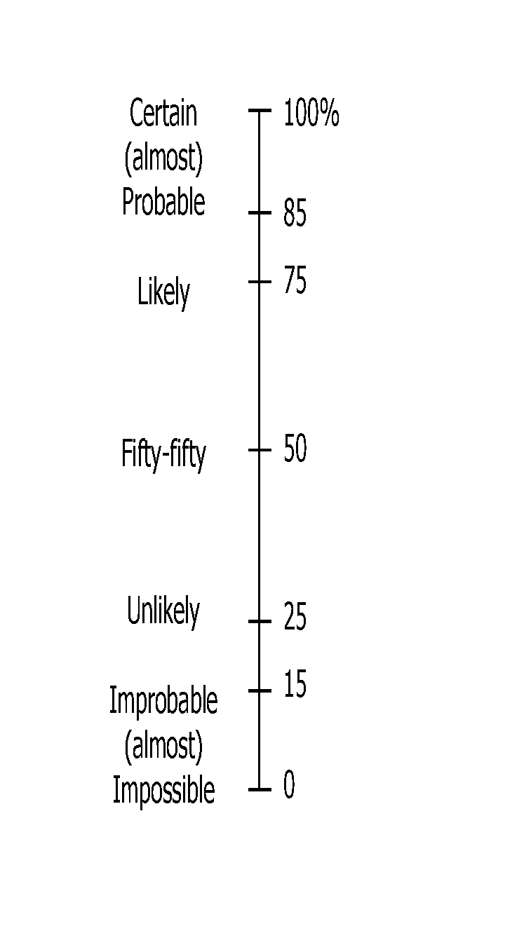
Expert Name: |  |  | INSTRUCTIONS: For each ecological group, please provide:
 |  |  | 1. Your BEST guess (the most likely) estimate of the probability of persistence under the Baseline and each Strategy
 |  |  | 2. Your estimate of the LOWEST plausible (most pessimistic) probability of persistence under each management scenario
Probability of persistence of Ecological Group the chance that populations in the region will be viable, self-sustaining, and able to perform ecological functions over 27 yrs (2023-2050). Refer to the probability scale on the right when making your estimates. |  |  | 3. Your estimate of the HIGHEST plausible (most optimistic) probability of persistence under each management scenario

 |  |  | NOTE: You do NOT have to give an estimate for every ecological group and/or strategy.
 |  |  | If you do not feel confident making an estimate, please put an 'X' in the cell.
 |  |  | If you think the management strategy will have no impact, use 'B' to indicate that the estimate is the same as for the Baseline

 |  |  | PLEASE DOUBLE CHECK YOUR ESTIMATE IF THE CELL CHANGES TO ONE OF THESE COLOURS:
 |  |  |  | If Strategy estimate < Baseline estimate |  |  |  | If Combined Strategy < ANY of the Individual strategies
 |  |  | This suggests that you believe the Strategy will be worse than the Baseline (business-as-usual or no additional management). If this is NOT the case, please review and adjust your estimate accordingly |  |  |  | This suggests that you believe implementing the combined strategy will be worse than implementing one of the strategies in the combination. If this is NOT the case, please review and adjust your estimates accordingly

Ecological Group | Estimate | BASELINE | INDIVIDUAL STRATEGIES |  |  |  |  |  |  |  | COMBINATION STRATEGIES |  |  |  |  |  |  | NOTES/COMMENTS
 |  | Business-As-Usual | S1. Wildlife Management | S2. Landowner Stewardship | S3. Legislation | S4. Protecting habitats | S5. Wildlife crossings | S6. Invasive species & Disease | S7. Restoration and regeneration | S8. Industry-targeted policy and practises | S9: Wildlife Crossing and Restoration+Regeneration | S10: Restoration+Regeneration and Protecting habitats | S11: Restoration+Regeneration, Protecting habitats and Landowner stewardship | S12: Legislation and Protecting habitats | S13: Human-wildlife Mgmt and Restoration+Regeneration | S14: Landowner stewardship, Industry-targeted policy and practices, Legislation | S15:All strategies
example only, values are random | Best | 60 | 70 | B | X | 55 | 70 | 65 | 60 | x | 60 | 50 | 50 | B | 70 | 75 | 80 | Include some brief comments here to explain your rationale. ex. I don't feel confident completing estimates for aquatics. Ex. I don't think any strategy will get us over a 30% PoP over the next 27 years for this species group.
 | Lowest | 40 | 50 | B | X | 35 | 50 | 30 | 40 | x | 45 | 40 | 40 | B | 50 | 50 | 30
 | Highest | 70 | 90 | B | X | 65 | 30 | 60 | 65 | x | 75 | 75 | 80 | B | 75 | 40 | 90
Alvar/Rock barren/Shield | Best
 | Lowest
 | Highest
Artificial/Man-made Structures | Best
 | Lowest
 | Highest
Bats | Best
 | Lowest
 | Highest
Forest | Best
 | Lowest
 | Highest
Mixed Forest | Best
 | Lowest
 | Highest
Lake | Best
 | Lowest
 | Highest
Mussels | Best
 | Lowest
 | Highest
Naturalized Open habitats (Tall-grass Prairie; Open Meadow) | Best
 | Lowest
 | Highest
Oak Savannah | Best
 | Lowest
 | Highest
Riparian | Best
 | Lowest
 | Highest
Riverine | Best
 | Lowest
 | Highest
Sandy | Best
 | Lowest
 | Highest
Snakes and Lizard | Best
 | Lowest
 | Highest
Turtles | Best
 | Lowest
 | Highest
Wetland | Best
 | Lowest
 | Highest
Working Landscapes (Agriculture) | Best
 | Lowest
 | Highest
NOTES/COMMENTS

