Syllabus
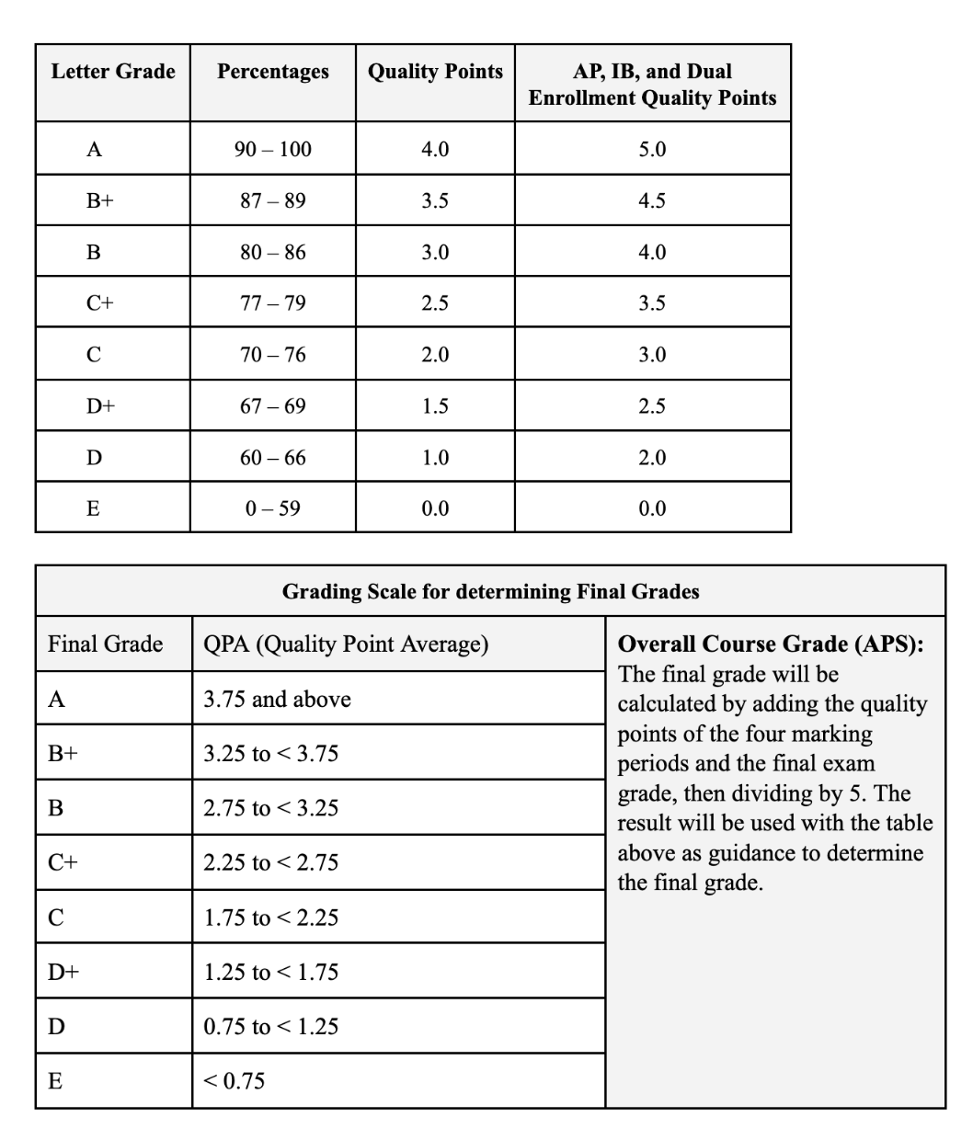
The final grade average for each semester will be calculated by averaging the two quarterly grades and the final exam. The quarterly grades will be of equal weight and will collectively make up 80% of the semester grade (40% for each quarter). The final exam will be worth 20% of the course grade and will be averaged with the quarter grades to determine the final average:
HIS 121: (MP1 x 40%) + (MP2 x 40%) + (FE x 20%) = Final Average

