進捗移送№6（タスク一覧取得）
進捗移送№6（タスク一覧取得） |  |  |  | user | Z1G9909

取得結果1
進捗移送№6
TASK | EMP | ACC_MES_KND_NM | UNT | ACC_MES_KND_CUMU_PV | PREV_ACC_RATE | PREV_PROG_RATE | STR_PLN_DT | STR_RSLT_DT | END_PLN_DT | END_RSLT_DT | PREV_RSLT | PREV_RSLT_REM | THIS_RSLT | THIS_RSLT_REM | NEXT_RSLT | NEXT_RSLT_REM | ACC_MES_KND_CD | OPE_TM | STATUS | TSK_CD | DSP_SEQ | TSK_NM | TSK_UID | PARENT_TSK_UID | TSK_PLN_MN_HOUR | TSK_PLN_PROD_QUAL | HDAY_OPE_FLG | SHIP_TSK_FLG | VER_NO
1.1. T10 | 西尾 治 | 達成率 | ％ | 50 | 0.1 | 0.2 | 2013-04-08 |  | 2013-04-15 |  | 10 | 90 |  |  |  |  | 10 | 23 | 2 | 1.1. | 1 | T10 | 532 | 531 | 30 |  | 0 | 0 | 5

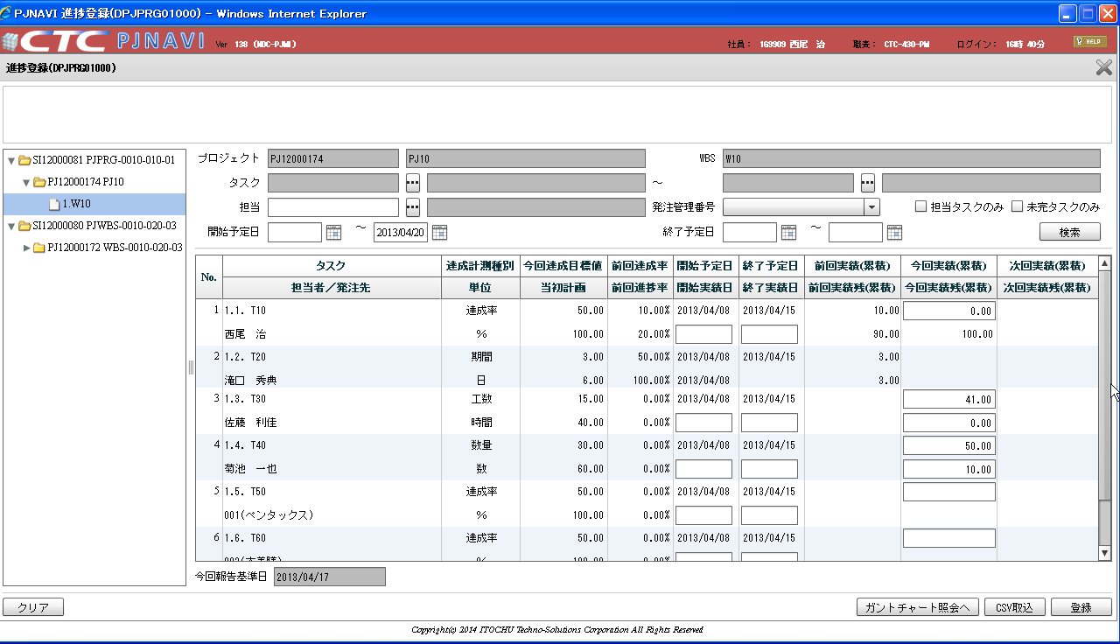
移送№6 |  |  |  |  |  |  |  |  |  |  |  |  |  |  |  |  |  |  |  | 想定数値
SELECT DISTINCT WBS_TSK.TSK_CD
|| ' ' |  |  |  |  |  |  |  |  |  |  |  |  |  |  |  |  |  |  |  | 76.67 | %
2013/8/22に取得
|| WBS_TSK.TSK_NM TASK, |  |  |  |  |  |  |  |  |  |  |  |  |  |  |  |  |  |  |  | 23.33 | %
CASE WBS_TSK.SHIP_TSK_FLG
WHEN '0'
THEN EMP_SUB.EMP_NM
WHEN '1'
THEN EST_SHIP_SUB.EMP
END EMP,
HNYO_SEG_SUB.HNYO_SEG_DT_NM ACC_MES_KND_NM,
HNYO_SEG_SUB.CHR UNT,
TSK_DIST_PV.ACC_MES_KND_CUMU_PV ACC_MES_KND_CUMU_PV,
ROUND((EVM_SUB.EV / WBS_TSK.PLN_MNHOUR),4) PREV_ACC_RATE,
CASE
WHEN TSK_DIST_PV.ACC_MES_KND_CUMU_PV IS NULL
OR TSK_DIST_PV.ACC_MES_KND_CUMU_PV = 0
THEN 0
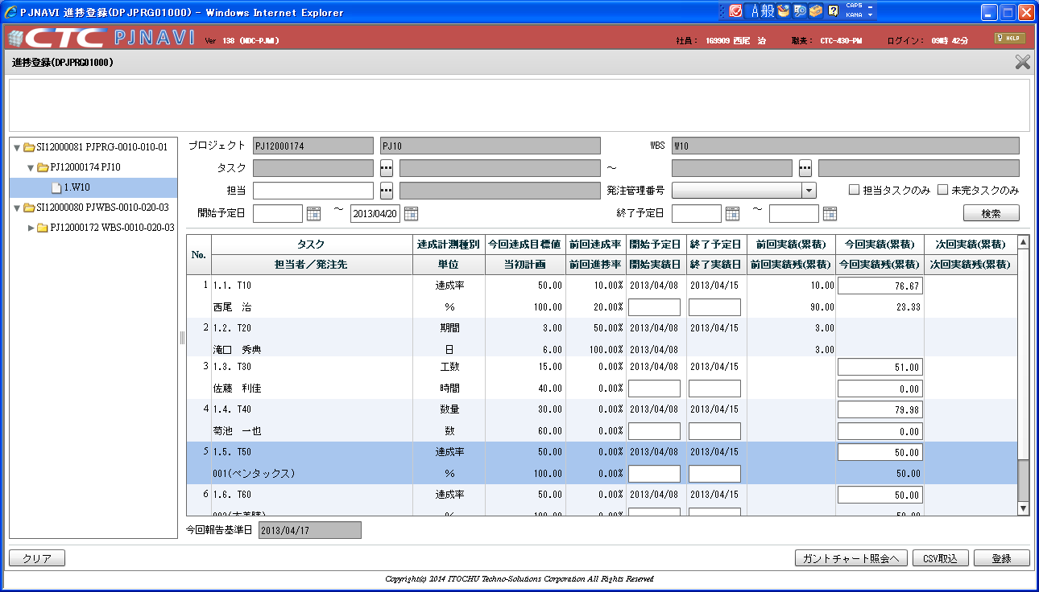
ELSE
CASE WBS_TSK.ACC_MES_KND_CD
WHEN '10'
2013/8/23に取得
THEN ROUND((NVL(WBS_TSK.PREV_RSLT,0) / TSK_DIST_PV.ACC_MES_KND_CUMU_PV),4) * 100
ELSE ROUND((NVL(WBS_TSK.PREV_RSLT,0) / TSK_DIST_PV.ACC_MES_KND_CUMU_PV),4)
END
END PREV_PROG_RATE,
TO_CHAR(WBS_TSK.STR_PLN_DT, 'yyyy/MM/dd') STR_PLN_DT,
TO_CHAR(WBS_TSK.STR_RSLT_DT, 'yyyy/MM/dd') STR_RSLT_DT,
TO_CHAR(WBS_TSK.END_PLN_DT, 'yyyy/MM/dd') END_PLN_DT,
TO_CHAR(WBS_TSK.END_RSLT_DT, 'yyyy/MM/dd') END_RSLT_DT,
CASE WBS_TSK.ACC_MES_KND_CD
WHEN '10'
THEN WBS_TSK.PREV_RSLT * 100
ELSE WBS_TSK.PREV_RSLT
END PREV_RSLT,
CASE WBS_TSK.ACC_MES_KND_CD
WHEN '10'
THEN WBS_TSK. PREV_RSLT_REM * 100
ELSE WBS_TSK.PREV_RSLT_REM
END PREV_RSLT_REM,
CASE WBS_TSK.ACC_MES_KND_CD
WHEN '10'
THEN WBS_TSK.THIS_RSLT * 100
ELSE WBS_TSK.THIS_RSLT
END THIS_RSLT,
CASE WBS_TSK.ACC_MES_KND_CD
WHEN '10'
THEN WBS_TSK.THIS_RSLT_REM * 100
ELSE WBS_TSK.THIS_RSLT_REM
END THIS_RSLT_REM,
CASE WBS_TSK.ACC_MES_KND_CD
WHEN '10'
THEN WBS_TSK.NEXT_RSLT * 100
ELSE WBS_TSK.NEXT_RSLT
END NEXT_RSLT,
CASE WBS_TSK.ACC_MES_KND_CD
WHEN '10'
THEN WBS_TSK.NEXT_RSLT_REM * 100
ELSE WBS_TSK.NEXT_RSLT_REM
END NEXT_RSLT_REM,
WBS_TSK.ACC_MES_KND_CD ACC_MES_KND_CD,
OPE_DT_SUB.OPE_TM,
CASE
WHEN WBS_TSK.END_RSLT_DT IS NOT NULL
THEN '1'
WHEN ((WBS_TSK.STR_RSLT_DT IS NOT NULL
OR OPE_DT_SUB.OPE_TM <> 0)
AND WBS_TSK.END_RSLT_DT IS NULL)
THEN '2'
WHEN (WBS_TSK.STR_RSLT_DT IS NULL
AND NVL(OPE_DT_SUB.OPE_TM, 0) = 0)
THEN '3'
END STATUS,
WBS_TSK.TSK_CD,
WBS_TSK.DSP_SEQ,
WBS_TSK.TSK_NM,
WBS_TSK.TSK_UID,
WBS_TSK.PARENT_TSK_UID,
WBS_TSK.PLN_MNHOUR TSK_PLN_MN_HOUR,
WBS_TSK.PLN_PROD_QUAL TSK_PLN_PROD_QUAL,
WBS_TSK.HDAY_OPE_FLG,
WBS_TSK.SHIP_TSK_FLG， WBS_TSK.VER_NO
FROM PJTR_PJ_WBS_TSK WBS_TSK
LEFT JOIN PJTR_PJ_WBS_TSK_RESRC WBS_TSK_RESRC
ON WBS_TSK_RESRC.TSK_UID = WBS_TSK.TSK_UID
AND WBS_TSK_RESRC.PRJ_CD = 'PJ12000174'
LEFT JOIN PJTR_PJ_TSK_DIST_PV TSK_DIST_PV
ON WBS_TSK.TSK_UID = TSK_DIST_PV.TSK_UID
AND TSK_DIST_PV.PRJ_CD = 'PJ12000174'
AND TSK_DIST_PV.RPT_BSDT = to_timestamp('2013/04/10 00:00:00.000','YYYY/MM/DD HH24:MI:SS.FF3')
AND TSK_DIST_PV.DEL_FLG = '0'
LEFT JOIN
(SELECT PJTR_PJ_THIS_WBS_TSK_SNAP.TSK_UID TSK_UID,
SUM(PJTR_PJ_THIS_WBS_TSK_SNAP.EV) EV
FROM PJTR_PJ_THIS_WBS_TSK_SNAP
WHERE PJTR_PJ_THIS_WBS_TSK_SNAP.PRJ_CD = 'PJ12000174'
AND PJTR_PJ_THIS_WBS_TSK_SNAP.RPT_BSDT = to_timestamp('2013/04/10 00:00:00.000','YYYY/MM/DD HH24:MI:SS.FF3')
AND PJTR_PJ_THIS_WBS_TSK_SNAP.DEL_FLG = '0'
GROUP BY PJTR_PJ_THIS_WBS_TSK_SNAP.TSK_UID
)EVM_SUB
ON WBS_TSK.TSK_UID = EVM_SUB.TSK_UID
LEFT JOIN
(SELECT OPE_DT.TSK_ID TSK_UID,
SUM(OPE_DT.OPE_TM) OPE_TM
FROM PJTR_MI_OPE_DT_INFO OPE_DT_INFO
LEFT JOIN PJTR_MI_OPE_DT OPE_DT
ON OPE_DT_INFO.ENT_PSN_ID = OPE_DT.ENT_PSN_ID
AND OPE_DT_INFO.OPE_DT = OPE_DT.OPE_DT
AND OPE_DT.DEL_FLG = '0'
WHERE OPE_DT.PRJ_CD = 'PJ12000174'
AND OPE_DT_INFO.OPE_DT <= to_timestamp('2013/04/17 00:00:00.000','YYYY/MM/DD HH24:MI:SS.FF3')
AND OPE_DT_INFO.OPE_STATS IN ('1', '3')
AND OPE_DT_INFO.DEL_FLG = '0'
GROUP BY OPE_DT.TSK_ID
)OPE_DT_SUB ON WBS_TSK.TSK_UID = OPE_DT_SUB.TSK_UID
LEFT JOIN
( SELECT DISTINCT WBS_TSK.TSK_UID,
CASE
WHEN WBS_TSK_RESRC.TSK_UID_COUNT > 1
THEN 'listByFukusuuCharge'
WHEN PRJ_RESRC.PRJ_RESRC_TBA_FLG = '0'
THEN EMP.NAME
WHEN PRJ_RESRC.PRJ_RESRC_TBA_FLG = '1'
THEN PRJ_RESRC.PRJ_RESRC_EMP_NM
END EMP_NM
FROM PJTR_PJ_WBS_TSK WBS_TSK
LEFT JOIN
(SELECT TSK_UID,
COUNT(1) TSK_UID_COUNT,
MAX(EMP_CD) EMP_CD
FROM PJTR_PJ_WBS_TSK_RESRC
WHERE PRJ_CD = 'PJ12000174'
AND DEL_FLG = '0'
GROUP BY TSK_UID
)WBS_TSK_RESRC
ON WBS_TSK.TSK_UID = WBS_TSK_RESRC.TSK_UID
LEFT JOIN PJTM_PJ_EMP EMP
ON WBS_TSK_RESRC.EMP_CD = EMP.EMP_CD
AND '2013/05/08' BETWEEN EMP.VLD_STR_DT AND EMP.VLD_END_DT
AND EMP.DEL_FLG = '0'
LEFT JOIN PJTR_PJ_PRJ_RESRC PRJ_RESRC
ON PRJ_RESRC.PRJ_CD = 'PJ12000174'
AND PRJ_RESRC.PRJ_RESRC_EMP_CD = WBS_TSK_RESRC.EMP_CD
AND PRJ_RESRC.DEL_FLG = '0'
WHERE WBS_TSK.PRJ_CD = 'PJ12000174'
AND WBS_TSK.SHIP_TSK_FLG = '0'
AND WBS_TSK.DEL_FLG = '0'
ORDER BY WBS_TSK.TSK_UID
) EMP_SUB ON WBS_TSK.TSK_UID = EMP_SUB.TSK_UID
LEFT JOIN
(SELECT WBS_TSK.TSK_UID TSK_UID,
PROSC_EST_SHIP_DT.SHIP_MNG_NO
|| '('
|| SUPP.SUPP_SNM
|| ')' EMP
FROM PJTR_PJ_WBS_TSK WBS_TSK,
PJTR_PJ_PROSC_EST PROSC_EST,
PJTR_PJ_PROSC_EST_SHIP_DT PROSC_EST_SHIP_DT,
PJTM_PJ_SUPP SUPP
WHERE WBS_TSK.PRJ_CD = PROSC_EST.PRJ_CD
AND WBS_TSK.PRJ_CD = 'PJ12000174'
AND PROSC_EST.PROS_VLD_FLG = '1'
AND WBS_TSK.SHIP_TSK_FLG = '1'
AND PROSC_EST.PRJ_CD = PROSC_EST_SHIP_DT.PRJ_CD
AND PROSC_EST.DEL_FLG = '0'
AND PROSC_EST.PROSC_VER = PROSC_EST_SHIP_DT.PROSC_VER
AND PROSC_EST_SHIP_DT.DEL_FLG = '0'
AND WBS_TSK.SHIP_MNG_NO = PROSC_EST_SHIP_DT.SHIP_MNG_NO
AND PROSC_EST_SHIP_DT.SUPP_CD = SUPP.SUPP_NO(+)
AND SUPP.DEL_FLG(+) = '0'
AND WBS_TSK.SHIP_TSK_FLG = '1'
AND WBS_TSK.DEL_FLG = '0'
) EST_SHIP_SUB
ON WBS_TSK.TSK_UID = EST_SHIP_SUB.TSK_UID
INNER JOIN
(SELECT HNYO_SEG_DT_CD,
HNYO_SEG_DT_NM,
CHR
FROM PJTM_PJ_HNYO_SEG
WHERE HNYO_SEG_CD = '003'
) HNYO_SEG_SUB
ON HNYO_SEG_SUB.HNYO_SEG_DT_CD = WBS_TSK.ACC_MES_KND_CD
WHERE WBS_TSK.WBS_ID = '531'
and WBS_TSK.TSK_CD = '1.1.'
AND WBS_TSK_RESRC.DEL_FLG = '0'
AND WBS_TSK.TYP = '70'
AND WBS_TSK.PRJ_EXCEPT_SEG = '0'
AND WBS_TSK.DEL_FLG = '0'
START WITH WBS_TSK.WBS_ID = '531'
CONNECT BY PRIOR WBS_TSK.TSK_UID = WBS_TSK.PARENT_TSK_UID
ORDER siblings BY WBS_TSK.DSP_SEQ

その他データ
全データの検証
 |  |  |  |  |  |  |  |  |  |  |  |  |  |  |  |  |  | 今週稼働時間 |  |  |  |  |  |  | 予定工数 | 予定成果物量
TASK | EMP | ACC_MES_KND_NM | UNT | ACC_MES_KND_CUMU_PV | PREV_ACC_RATE | PREV_PROG_RATE | STR_PLN_DT | STR_RSLT_DT | END_PLN_DT | END_RSLT_DT | PREV_RSLT | PREV_RSLT_REM | THIS_RSLT | THIS_RSLT_REM | NEXT_RSLT | NEXT_RSLT_REM | ACC_MES_KND_CD | OPE_TM | STATUS | TSK_CD | DSP_SEQ | TSK_NM | TSK_UID | PARENT_TSK_UID | TSK_PLN_MN_HOUR | TSK_PLN_PROD_QUAL | HDAY_OPE_FLG | SHIP_TSK_FLG | VER_NO | 実績 | 残
1.1. T10 | 西尾 治 | 達成率 | ％ | 50 | 0.1 | 0.2 | 2013-04-08 |  | 2013-04-15 |  | 10 | 90 |  |  |  |  | 10 | 23 | 2 | 1.1. | 1 | T10 | 532 | 531 | 30 |  | 0 | 0 | 5 | 76.67 | 23.33
1.2. T20 | 滝口 秀典 | 期間 | 日 | 3 | 0.5 | 1 | 2013-04-08 | 2013-04-08 | 2013-04-15 |  | 3 | 3 |  |  |  |  | 20 | 35 | 2 | 1.2. | 2 | T20 | 533 | 531 | 30 |  | 0 | 0 | 3 | - | -
1.3. T30 | 佐藤 利佳 | 工数 | 時間 | 15 | 0 | 0 | 2013-04-08 |  | 2013-04-15 |  |  |  |  |  |  |  | 30 | 51 | 2 | 1.3. | 3 | T30 | 534 | 531 | 40 |  | 1 | 0 | 2 | 51.00 | 0.00
1.4. T40 | 菊池 一也 | 数量 | 数 | 30 | 0 | 0 | 2013-04-08 |  | 2013-04-15 |  |  |  |  |  |  |  | 40 | 40 | 2 | 1.4. | 4 | T40 | 535 | 531 | 30 | 60 | 0 | 0 | 2 | 80.00 | 0.00

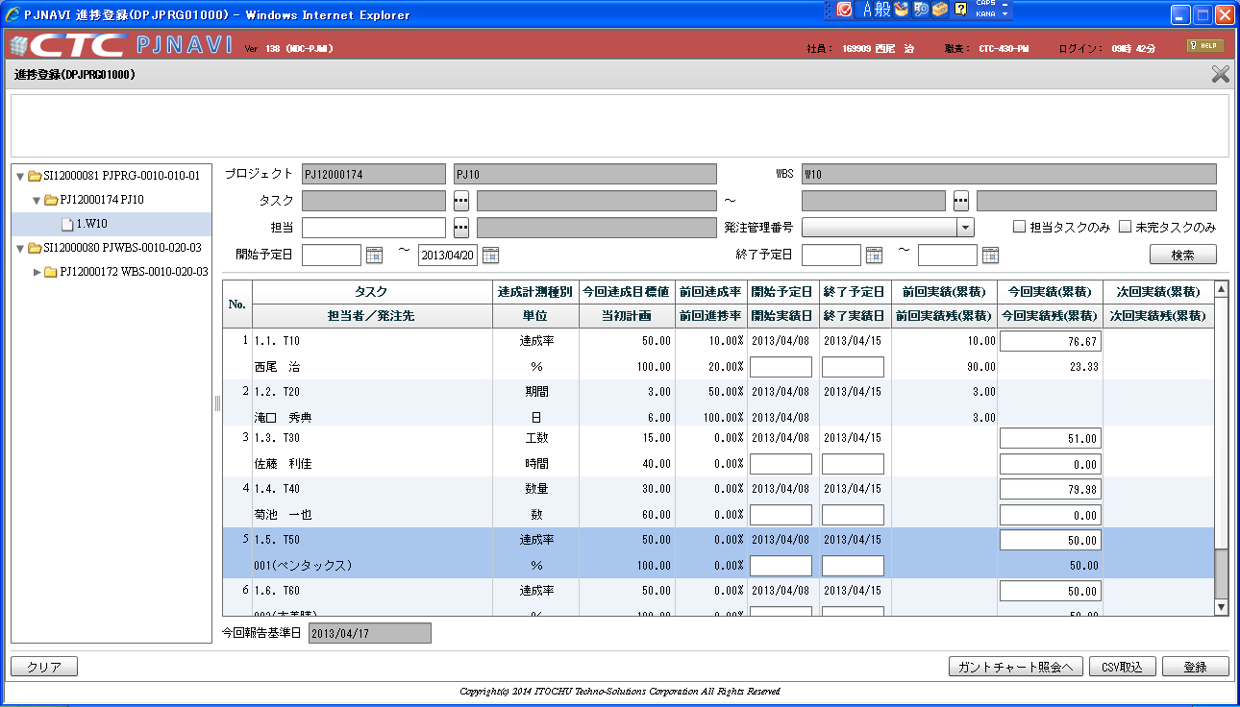
 |  |  |  |  |  |  |  |  |  |  |  |  |  |  |  |  |  |  |  |  |  |  |  |  |  |  |  |  |  |  | 80.0000000000
 |  |  |  |  |  |  |  |  |  |  |  |  |  |  |  |  |  |  |  |  |  |  |  |  |  |  |  |  |  |  |  | 40/30 | 61
 |  |  |  |  |  |  |  |  |  |  |  |  |  |  |  |  |  |  |  |  |  |  |  |  |  |  |  |  |  |  | 40.00000 | 1 | 61 | 0
 |  |  |  |  |  |  |  |  |  |  |  |  |  |  |  |  |  |  |  |  |  |  |  |  |  |  |  |  |  |  | 30.00000 | 1.3 | 79.3 | 1
 |  |  |  |  |  |  |  |  |  |  |  |  |  |  |  |  |  |  |  |  |  |  |  |  |  |  |  |  |  |  | 60.00000 | 1.33 | 81.13 | 2
 |  |  |  |  |  |  |  |  |  |  |  |  |  |  |  |  |  |  |  |  |  |  |  |  |  |  |  |  |  |  | 79.98000 | 1.333 | 81.31 | 3
 |  |  |  |  |  |  |  |  |  |  |  |  |  |  |  |  |  |  |  |  |  |  |  |  |  |  |  |  |  |  | 78.00000 | 1.3333 | 81.33 | 4
 |  |  |  |  |  |  |  |  |  |  |  |  |  |  |  |  |  |  |  |  |  |  |  |  |  |  |  |  |  |  | 80.00000 | 1.33333 | 81.33 | 5
 |  |  |  |  |  |  |  |  |  |  |  |  |  |  |  |  |  |  |  |  |  |  |  |  |  |  |  |  |  |  |  | 1.333333 | 81.33 | 6
 |  |  |  |  |  |  |  |  |  |  |  |  |  |  |  |  |  |  |  |  |  |  |  |  |  |  |  |  |  |  |  | 1.3333333 | 81.33 | 7

 |  |  |  |  |  |  |  |  |  |  |  |  |  |  |  |  |  |  |  |  |  |  |  |  |  |  |  |  |  |  |  | 81.33333
 |  |  |  |  |  |  |  |  |  |  |  |  |  |  |  |  |  |  |  |  |  |  |  |  |  |  |  |  |  |  |  | 81.33000

