GYM-090
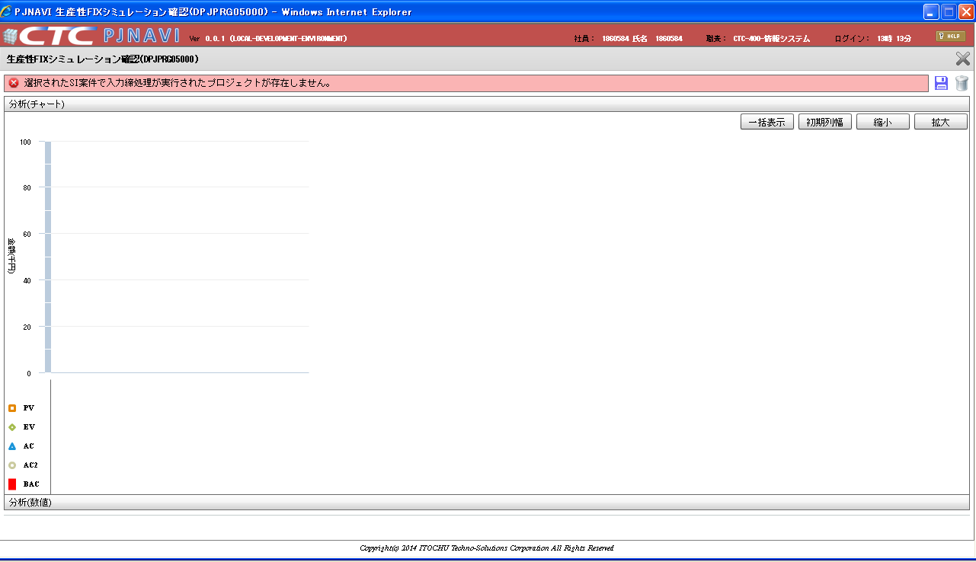
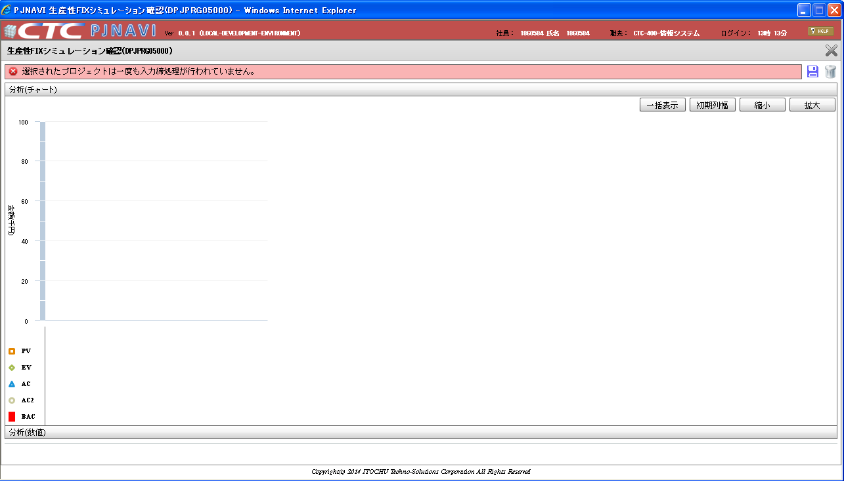
プロジェクト別EVM集計SNAPトラン（PJTR_PJ_PRJ_EVM_SUM_SNAP）に予測フラグ＝"1"のデータが１件だけ在る状態で、
生産性ＦＩＸシミュレーション画面へ初期表示（SI案件）、または 初期表示（プロジェクト）するとシステムエラーが発生してしまう。
※プロジェクト別EVM集計SNAPトランが上記状態で存在するか確認し、存在すればソース修正が必要となる。
WBS別EVM集計SNAPトラン（PJTR_PJ_WBS_EVM_SUM_SNAP）の予測フラグ＝"1"のデータが1件だけ在る状態で、
生産性ＦＩＸシミュレーション画面へ初期表示（WBS）しても同様にシステムエラーが発生する。

■シート「事前準備データ①」を元に確認■
EVM分析一覧画面のツリーでＳＩ案件コードを選択した状態で、生産性ＦＩＸシミュレーションボタンを押下。（うまく動作するケース） | EVM分析一覧画面のツリーでプロジェクトコードを選択した状態で、生産性ＦＩＸシミュレーションボタンを押下。（うまく動作するケース）
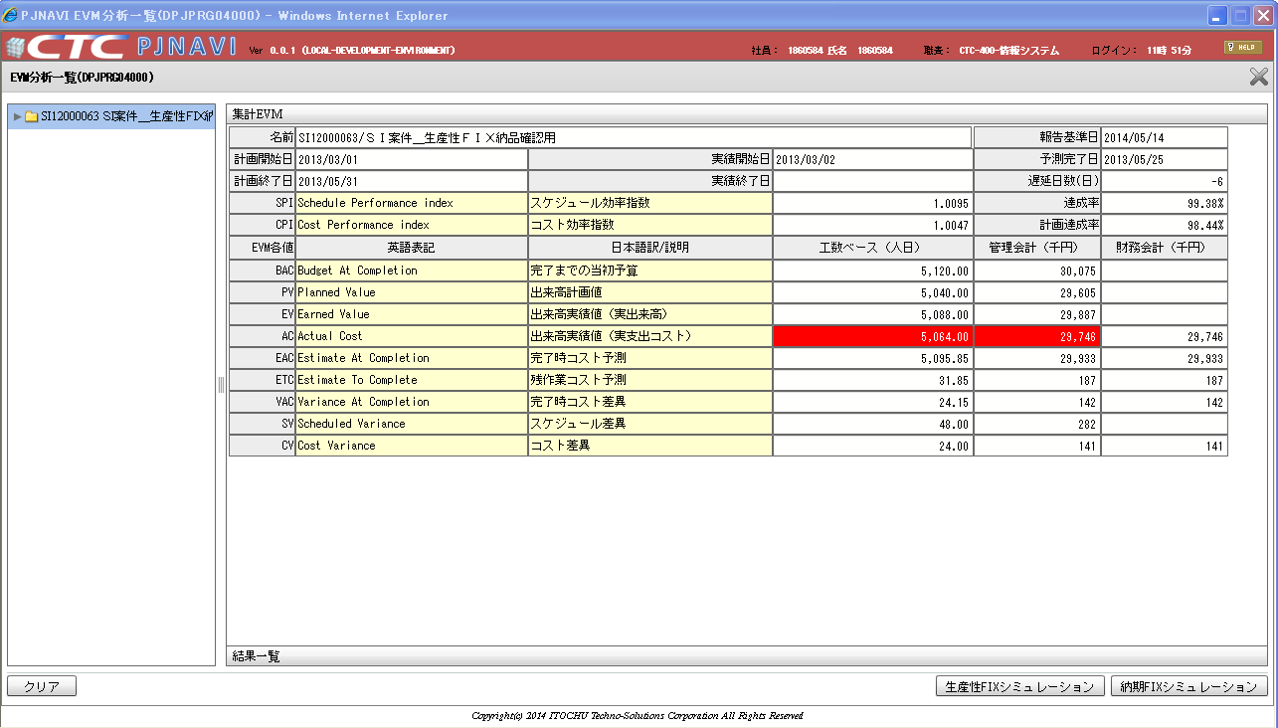
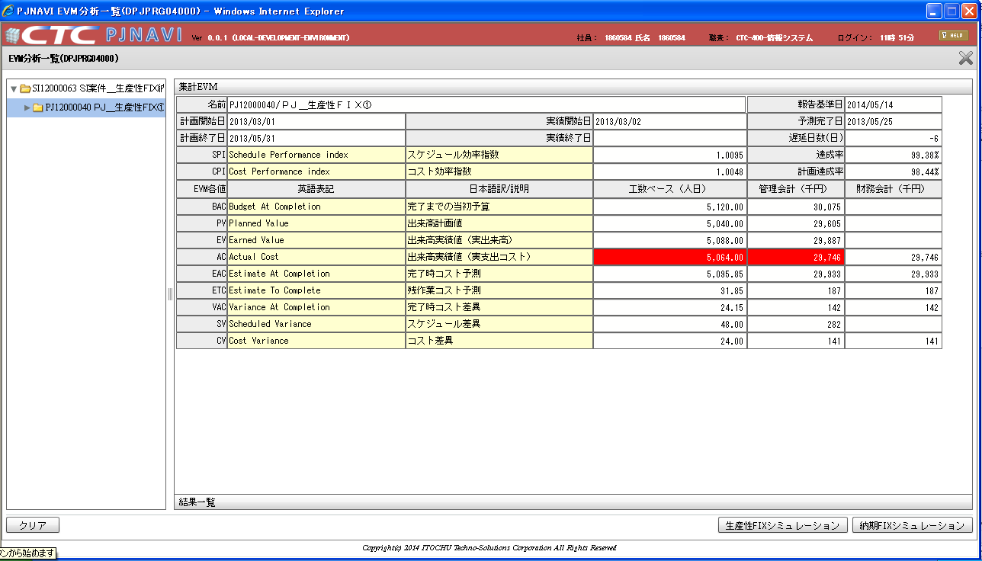

ツリー指定要素が「プロジェクト」で「タスク検索」ラジオボタンを選択した状態で実行ボタンを押下した場合

正しく描画される。 | 正しく描画される。
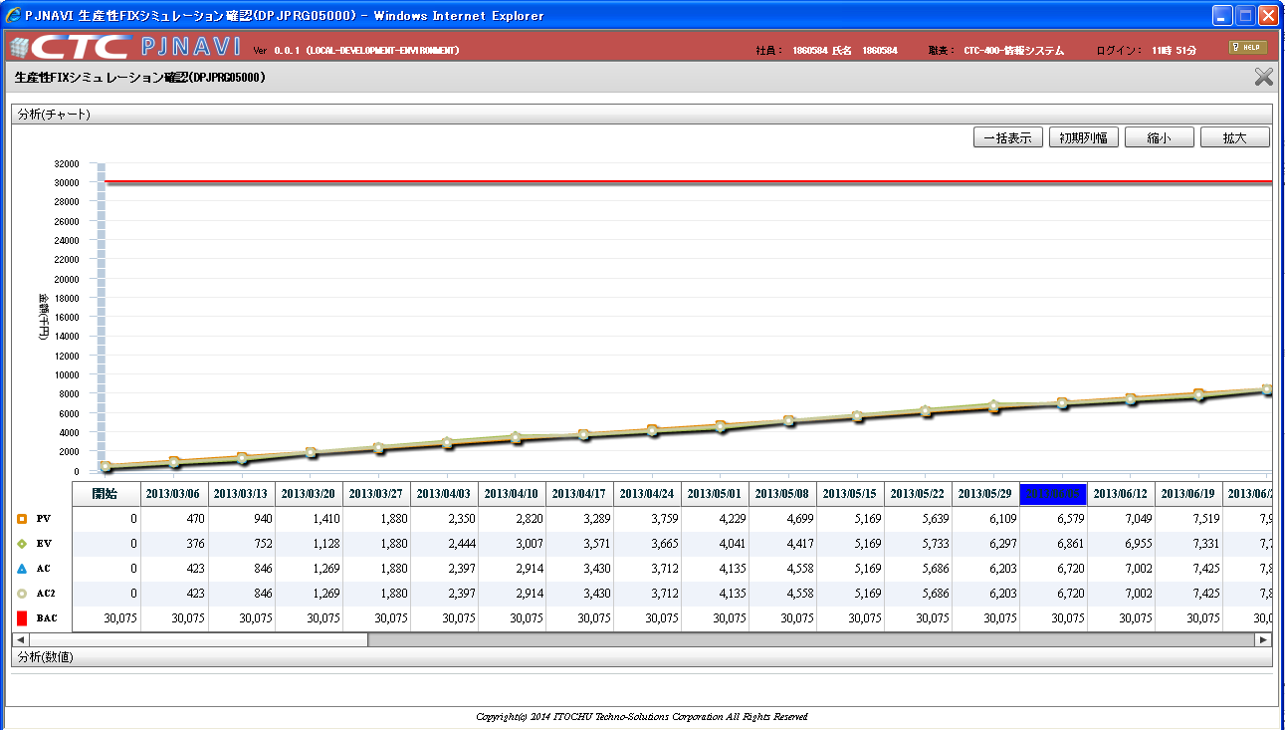
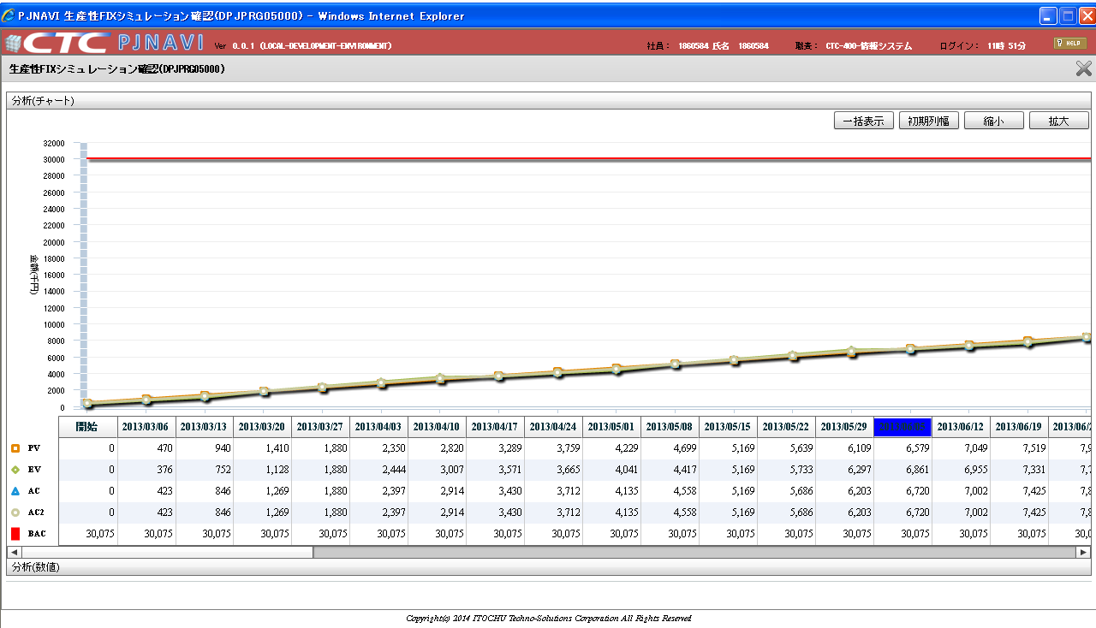

グラフが描画される。
グラフが描画される。

基本設計書抜粋

■シート「事前準備データ②（予測フラグ＝"1"のデータが1件）」を元に確認■

事前準備データ①のプロジェクト別EVM集計SNAPトラン（PJTR_PJ_PRJ_EVM_SUM_SNAP）を削除し、事前準備データ②を投入
EVM分析一覧画面のツリーでＳＩ案件コードを選択した状態。メッセージは表示されているがここまでは正常な状態。 | EVM分析一覧画面のツリーでプロジェクトコードを選択した状態。メッセージは表示されているがここまでは正常な状態。
生産性ＦＩＸシミュレーションボタンを押下すると・・・ | 生産性ＦＩＸシミュレーションボタンを押下すると・・・
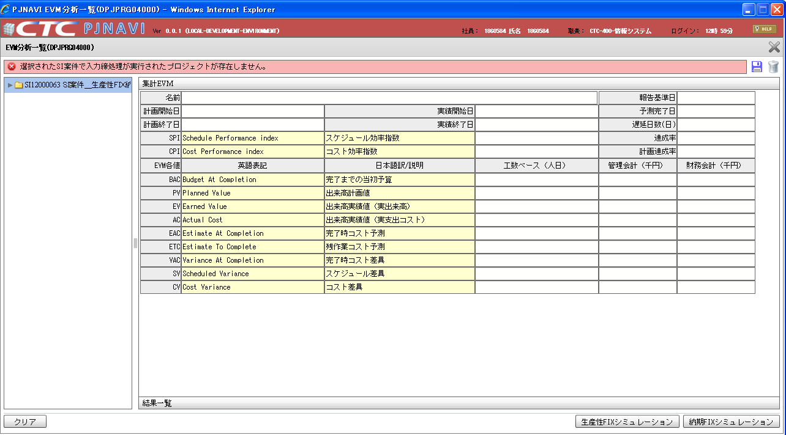
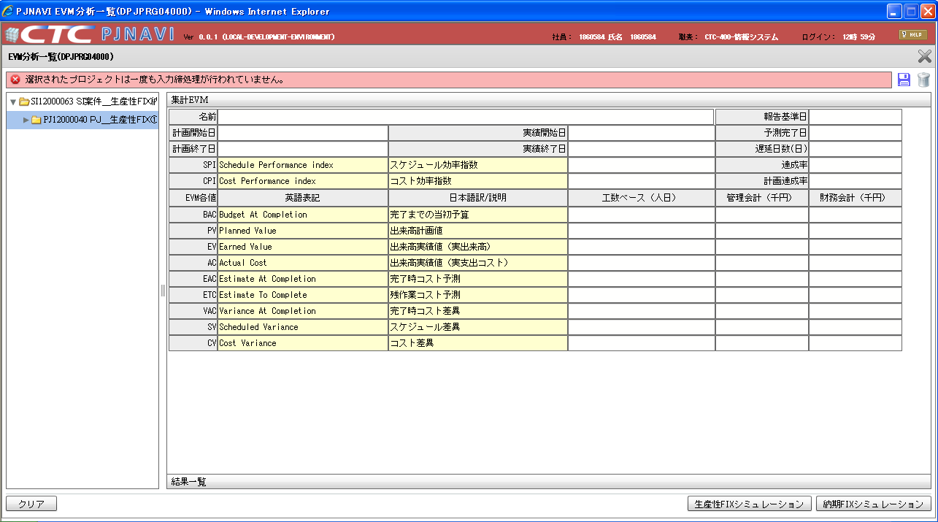

システムエラーが発生してしまう。 | システムエラーが発生してしまう。
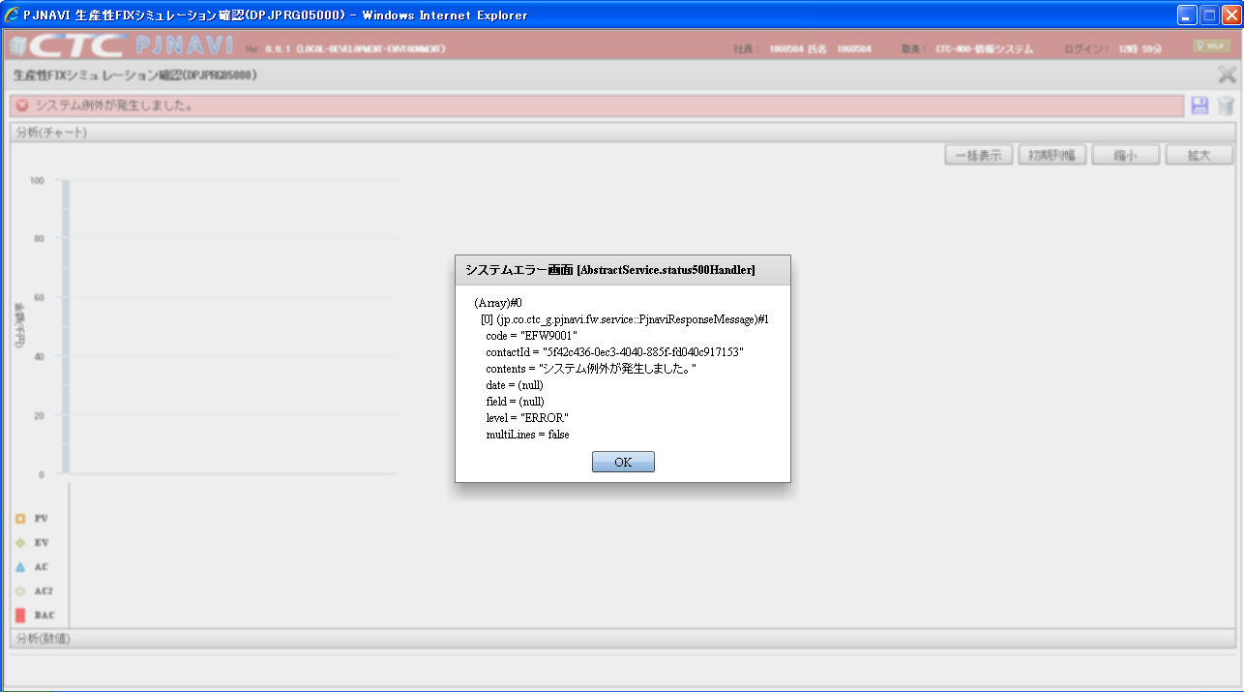
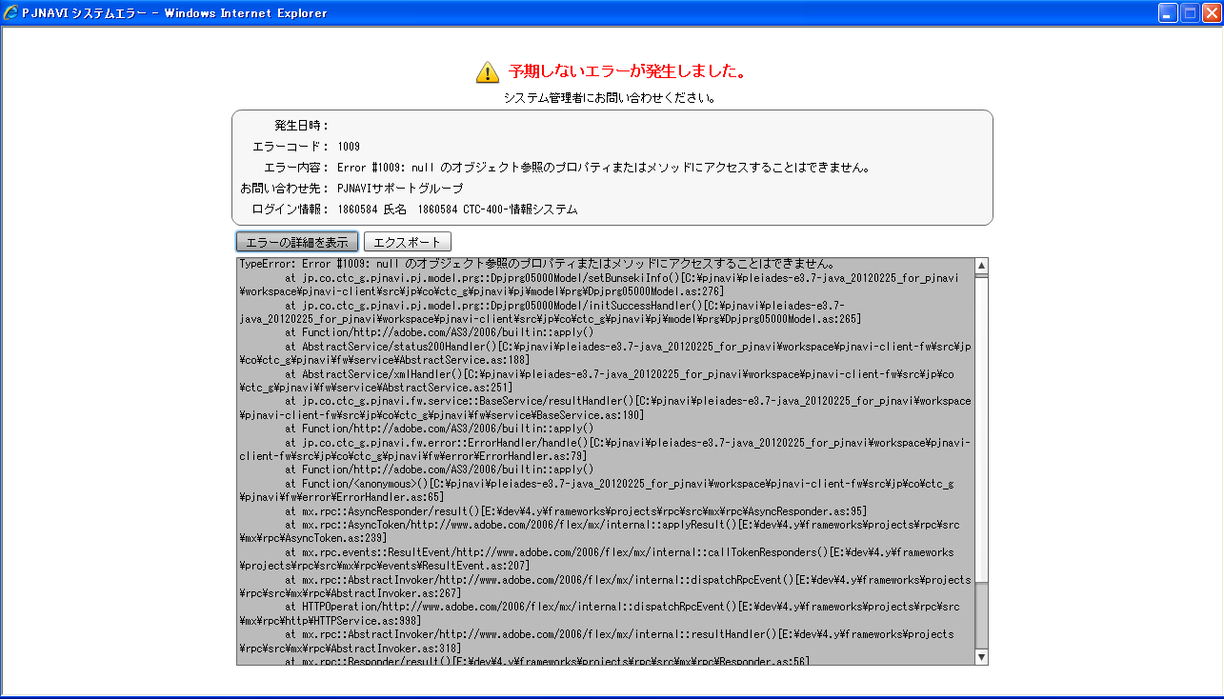

■シート「事前準備データ③」を元に確認■
プロジェクト別EVM集計SNAPトラン（PJTR_PJ_PRJ_EVM_SUM_SNAP）を全件削除した状態で | プロジェクト別EVM集計SNAPトラン（PJTR_PJ_PRJ_EVM_SUM_SNAP）を全件削除した状態で生産性FIXシミュレーションボタンを押下した場合は正しい振る舞い。
EVM分析一覧画面のツリーでＳＩ案件コードを選択⇒生産性FIXシミュレーションボタンを押下した場合は正しい振る舞い。 | EVM分析一覧画面のツリーでプロジェクトコードを選択⇒生産性FIXシミュレーションボタンを押下した場合は正しい振る舞い。
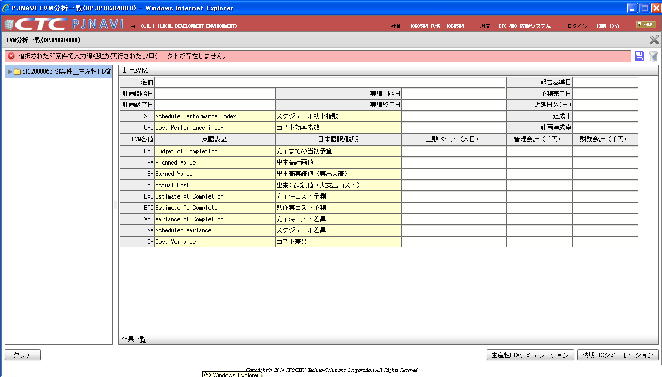
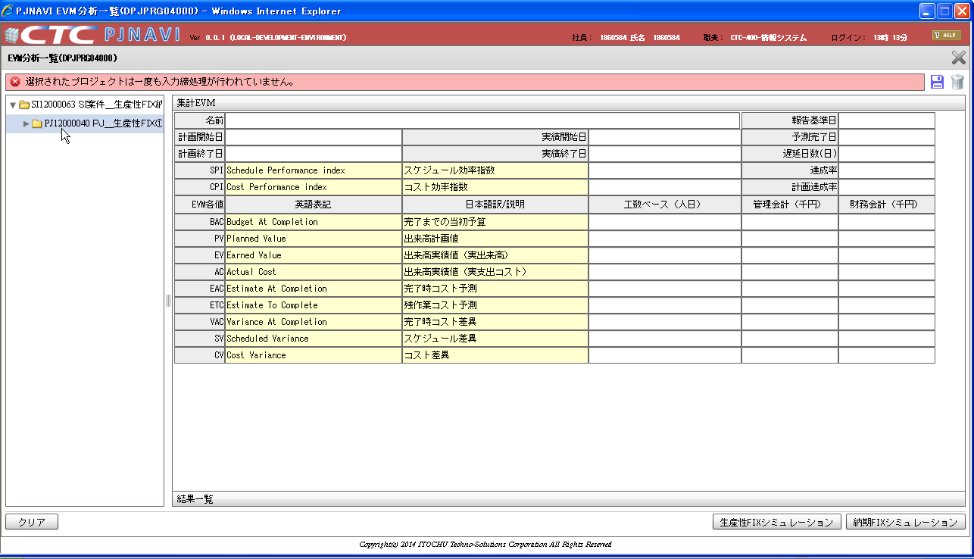

適切なメッセージが表示される。（正しい振る舞い） | 適切なメッセージが表示される。（正しい振る舞い）

