Sheet1
課題 GYM-196
WBS登録画面でタスクを更新すると、WBSタスクトランの一部項目がNULLとなってしまう

 | 環境 | 02環境（外結環境）
 | SI案件 | SI12000077
 | プロジェクト | PJ12000168

手順１：WBSタスクを登録する
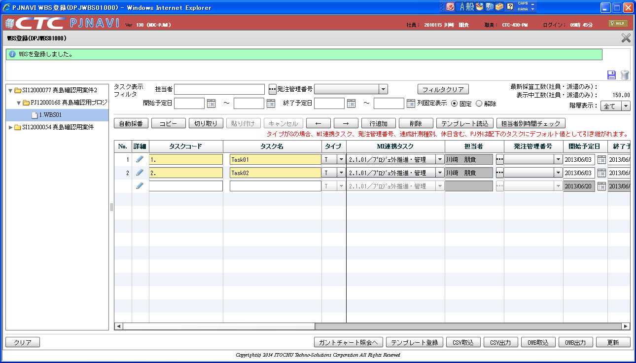

01 | SELECT * FROM PJTR_PJ_WBS_TSK T WHERE T.PRJ_CD = 'PJ12000168'
 | TSK_UID | TSK_NM | TYP | PARENT_TSK_UID | WBS_ID | TSK_CD | NEXTMI_FLNK_TSK_ID | DSP_SEQ | PRJ_CD | ACC_MES_KND_CD | SHIP_TSK_FLG | SHIP_MNG_NO | PLN_PROD_QUAL | PLN_MNHOUR | STR_PLN_DT | END_PLN_DT | HDAY_OPE_FLG | STR_RSLT_DT | END_RSLT_DT | PRJ_EXCEPT_SEG | PRJ_UND_FLG | PREV_RSLT | PREV_RSLT_REM | THIS_RSLT | THIS_RSLT_REM | NEXT_RSLT | NEXT_RSLT_REM | AC | AC_PRICE | CMT | RES_ITEM_1 | RES_ITEM_2 | RES_ITEM_3 | RES_ITEM_4 | RES_ITEM_5 | DEL_FLG | REG_USR_ID | REG_PGM_ID | REG_TS | UPD_USR_ID | UPD_PGM_ID | UPD_TS | VER_NO
 | 405 | WBS01 | 10 |  | 405 | 1. |  | 1 | PJ12000168 | 0 | 0 |  |  |  |  |  | 0 |  |  | 0 | 1 |  |  |  |  |  |  |  |  |  |  |  |  |  |  | 0 | 6738 | DPJWBS01000 | 2013/08/12 09:46:32 | 6738 | DPJWBS01000 | 2013/08/12 09:46:32 | 1
 | 406 | Task01 | 70 | 405 | 405 | 1. | 1005 | 1 | PJ12000168 | 30 | 0 |  |  | 50 | 2013/06/03 | 2013/06/24 | 0 |  |  | 0 | 0 |  |  |  |  |  |  |  |  |  |  |  |  |  |  | 0 | 6738 | DPJWBS01000 | 2013/08/12 09:56:46 | 6738 | DPJWBS01000 | 2013/08/12 09:56:46 | 1
 | 407 | Task02 | 70 | 405 | 405 | 2. | 1005 | 2 | PJ12000168 | 10 | 0 |  |  | 100 | 2013/06/03 | 2013/06/28 | 0 |  |  | 0 | 0 |  |  |  |  |  |  |  |  |  |  |  |  |  |  | 0 | 6738 | DPJWBS01000 | 2013/08/12 09:56:46 | 6738 | DPJWBS01000 | 2013/08/12 09:56:46 | 1

 | SELECT * FROM PJTR_PJ_PRJ T WHERE T.PRJ_CD = 'PJ12000168'
 | SI_DEAL_CD | PRJ_CD | WHCO_MNG_PRJ_NO | PRJ_NM | PRJ_DT_NM | PRJ_STR_DT | PRJ_END_DT | PRJ_STATS_SEG | PRJ_TPL | PRJ_FORM_SEG | PRJ_INCO_PSC_FLG | PROS_INCO_PRICE | PRJ_PROP_CST_LMT_PRICE | PRJ_RPT_BS_YOUBI | PRJ_PROG_ENT_CLOSE_YOUBI | PRJ_BAS_OPE_TM | PRJ_EGY_EMP_CD | PRJ_EGY_EMP_AUTO_LNK_FLG | PRJ_SLS_COST_TRNS_DEPT_CD | PRJ_DEV_DEPT_CD | SI_DEAL_SYNC_REG_FLG | PRJ_CUST_CD | PRJ_OPN_NOTICE_FLG | PRJ_SHIP_APP_NOTICE_FLG | PRJ_PROG_AUTO_SET_FLG | PRJ_OUTS_PROG_AUTO_SET_FLG | PROP_PRJ_FLG | FLAW_PRJ_FLG | FLAW_PRJ_CD | PRJ_STATS_RECV_DT | SND_FLG | BUSI_PROC_DT | ALERT_NOTICE_DEST_1 | ALERT_NOTICE_DEST_2 | ALERT_NOTICE_DEST_3 | DEL_FLG | REG_USR_ID | REG_PGM_ID | REG_TS | UPD_USR_ID | UPD_PGM_ID | UPD_TS | VER_NO
 | SI12000077 | PJ12000168 |  | 真島確認用プロジェクト2 | 真島確認用プロジェクト2 詳細 | 2013/06/01 | 2013/09/30 | 030 | T010000010 | DEV:開発(一括) | 0 |  | 0 | 4 | 6 | 8 | 2010115 | 0 |  | 0112321200 | 0 | 0000008555 | 0 | 0 | 0 | 1 | 0 | 0 |  |  | 0 | 2013/06/20 | majima_pj_alert1@pjnavi.xxx |  |  | 0 | 6738 | DPJBAS06000 | 2013/08/12 09:43:18 | 6738 | DPJBAS06000 | 2013/08/12 09:43:18 | 1

手順２：進捗登録を行う
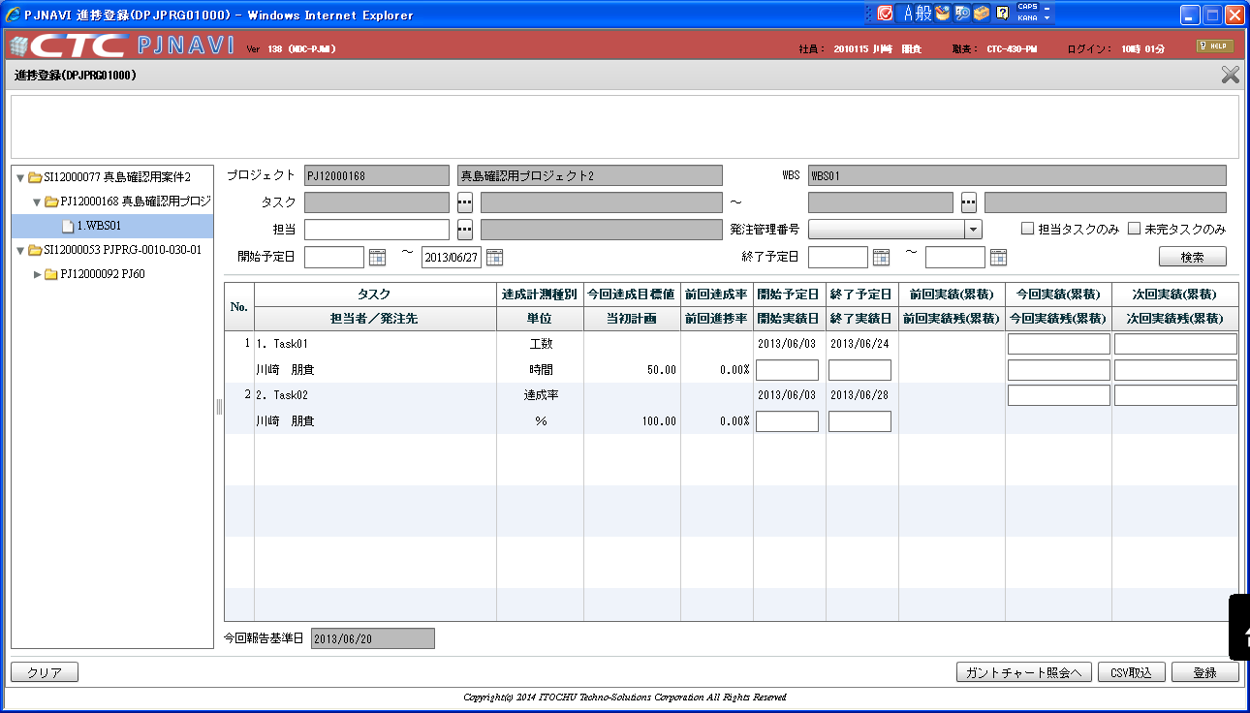

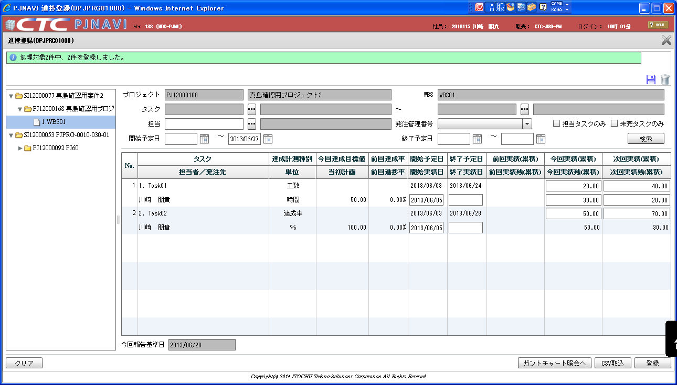

02 | SELECT * FROM PJTR_PJ_WBS_TSK T WHERE T.PRJ_CD = 'PJ12000168'
 | TSK_UID | TSK_NM | TYP | PARENT_TSK_UID | WBS_ID | TSK_CD | NEXTMI_FLNK_TSK_ID | DSP_SEQ | PRJ_CD | ACC_MES_KND_CD | SHIP_TSK_FLG | SHIP_MNG_NO | PLN_PROD_QUAL | PLN_MNHOUR | STR_PLN_DT | END_PLN_DT | HDAY_OPE_FLG | STR_RSLT_DT | END_RSLT_DT | PRJ_EXCEPT_SEG | PRJ_UND_FLG | PREV_RSLT | PREV_RSLT_REM | THIS_RSLT | THIS_RSLT_REM | NEXT_RSLT | NEXT_RSLT_REM | AC | AC_PRICE | CMT | RES_ITEM_1 | RES_ITEM_2 | RES_ITEM_3 | RES_ITEM_4 | RES_ITEM_5 | DEL_FLG | REG_USR_ID | REG_PGM_ID | REG_TS | UPD_USR_ID | UPD_PGM_ID | UPD_TS | VER_NO
 | 405 | WBS01 | 10 |  | 405 | 1. |  | 1 | PJ12000168 | 0 | 0 |  |  |  |  |  | 0 |  |  | 0 | 1 |  |  |  |  |  |  |  |  |  |  |  |  |  |  | 0 | 6738 | DPJWBS01000 | 2013/08/12 09:46:32 | 6738 | DPJWBS01000 | 2013/08/12 09:46:32 | 1
 | 406 | Task01 | 70 | 405 | 405 | 1. | 1005 | 1 | PJ12000168 | 30 | 0 |  |  | 50 | 2013/06/03 | 2013/06/24 | 0 | 2013/06/05 |  | 0 | 0 |  |  | 20 | 30 | 40 | 20 |  |  |  |  |  |  |  |  | 0 | 6738 | DPJWBS01000 | 2013/08/12 09:56:46 | 6738 | DPJPRG01000 | 2013/08/12 10:03:30 | 2
 | 407 | Task02 | 70 | 405 | 405 | 2. | 1005 | 2 | PJ12000168 | 10 | 0 |  |  | 100 | 2013/06/03 | 2013/06/28 | 0 | 2013/06/05 |  | 0 | 0 |  |  | 0.5 | 0.5 | 0.7 | 0.3 |  |  |  |  |  |  |  |  | 0 | 6738 | DPJWBS01000 | 2013/08/12 09:56:46 | 6738 | DPJPRG01000 | 2013/08/12 10:03:30 | 2

01と02の比較（進捗登録後）
 | TSK_UID | TSK_NM | TYP | PARENT_TSK_UID | WBS_ID | TSK_CD | NEXTMI_FLNK_TSK_ID | DSP_SEQ | PRJ_CD | ACC_MES_KND_CD | SHIP_TSK_FLG | SHIP_MNG_NO | PLN_PROD_QUAL | PLN_MNHOUR | STR_PLN_DT | END_PLN_DT | HDAY_OPE_FLG | STR_RSLT_DT | END_RSLT_DT | PRJ_EXCEPT_SEG | PRJ_UND_FLG | PREV_RSLT | PREV_RSLT_REM | THIS_RSLT | THIS_RSLT_REM | NEXT_RSLT | NEXT_RSLT_REM | AC | AC_PRICE | CMT | RES_ITEM_1 | RES_ITEM_2 | RES_ITEM_3 | RES_ITEM_4 | RES_ITEM_5 | DEL_FLG | REG_USR_ID | REG_PGM_ID | REG_TS | UPD_USR_ID | UPD_PGM_ID | UPD_TS | VER_NO
 | TRUE | TRUE | TRUE | TRUE | TRUE | TRUE | TRUE | TRUE | TRUE | TRUE | TRUE | TRUE | TRUE | TRUE | TRUE | TRUE | TRUE | TRUE | TRUE | TRUE | TRUE | TRUE | TRUE | TRUE | TRUE | TRUE | TRUE | TRUE | TRUE | TRUE | TRUE | TRUE | TRUE | TRUE | TRUE | TRUE | TRUE | TRUE | TRUE | TRUE | TRUE | TRUE | TRUE
 | TRUE | TRUE | TRUE | TRUE | TRUE | TRUE | TRUE | TRUE | TRUE | TRUE | TRUE | TRUE | TRUE | TRUE | TRUE | TRUE | TRUE | FALSE | TRUE | TRUE | TRUE | TRUE | TRUE | FALSE | FALSE | FALSE | FALSE | TRUE | TRUE | TRUE | TRUE | TRUE | TRUE | TRUE | TRUE | TRUE | TRUE | TRUE | TRUE | TRUE | FALSE | FALSE | FALSE
 | TRUE | TRUE | TRUE | TRUE | TRUE | TRUE | TRUE | TRUE | TRUE | TRUE | TRUE | TRUE | TRUE | TRUE | TRUE | TRUE | TRUE | FALSE | TRUE | TRUE | TRUE | TRUE | TRUE | FALSE | FALSE | FALSE | FALSE | TRUE | TRUE | TRUE | TRUE | TRUE | TRUE | TRUE | TRUE | TRUE | TRUE | TRUE | TRUE | TRUE | FALSE | FALSE | FALSE

手順３：タスク情報の更新を行う（タスク名のみ変更している）
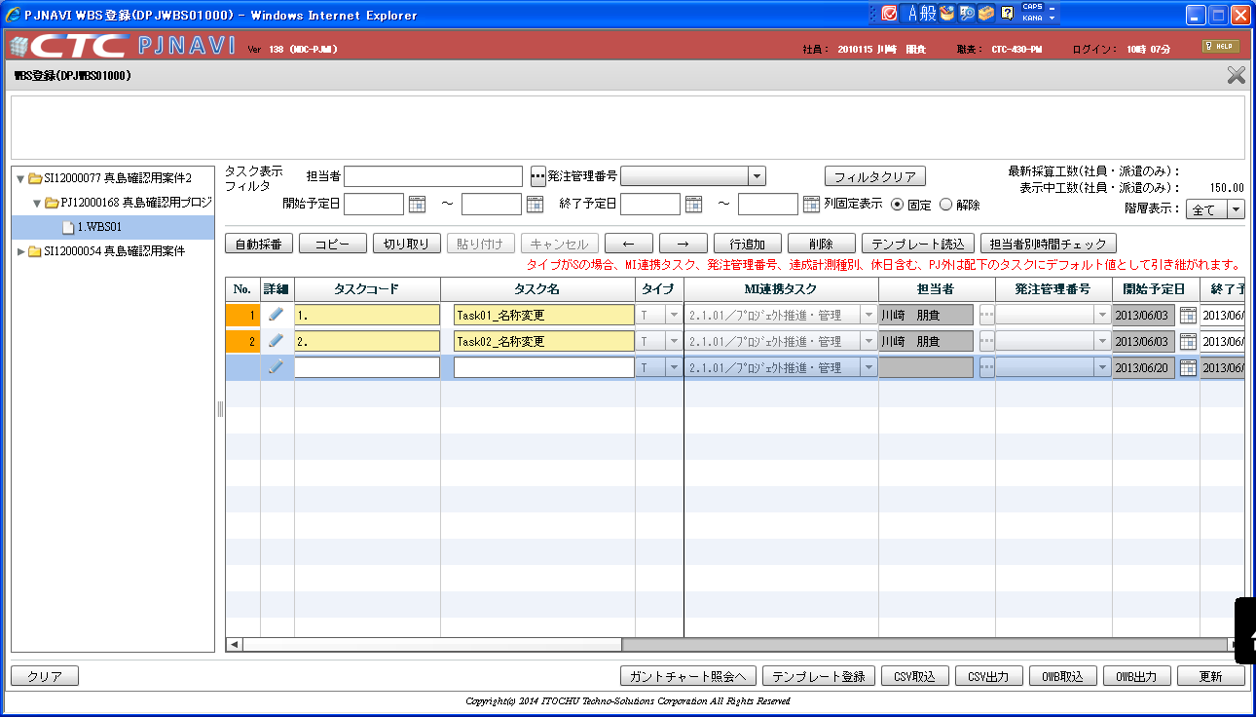
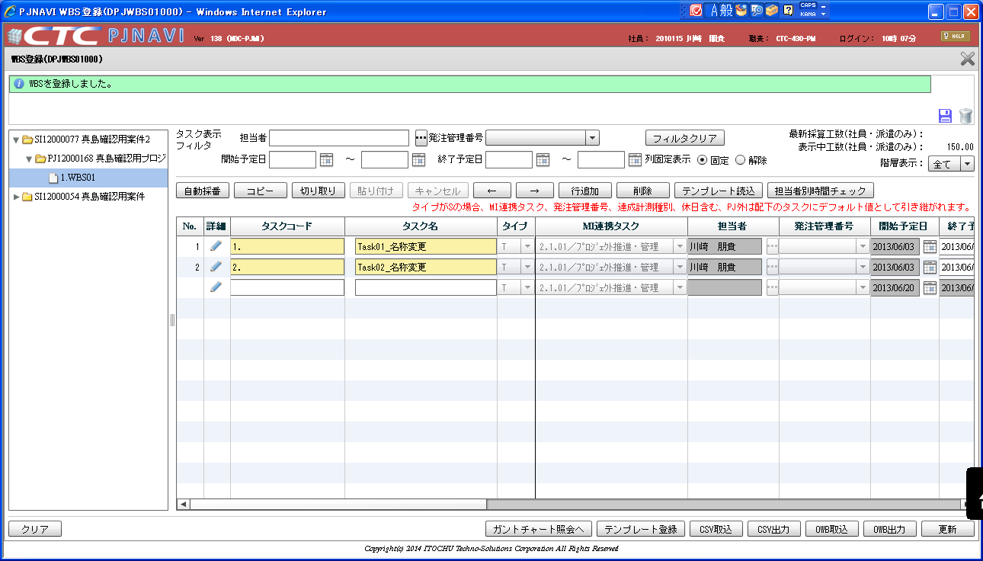

タスク名のみ修正して、更新ボタンを押下する

03 | SELECT * FROM PJTR_PJ_WBS_TSK T WHERE T.PRJ_CD = 'PJ12000168'
 | TSK_UID | TSK_NM | TYP | PARENT_TSK_UID | WBS_ID | TSK_CD | NEXTMI_FLNK_TSK_ID | DSP_SEQ | PRJ_CD | ACC_MES_KND_CD | SHIP_TSK_FLG | SHIP_MNG_NO | PLN_PROD_QUAL | PLN_MNHOUR | STR_PLN_DT | END_PLN_DT | HDAY_OPE_FLG | STR_RSLT_DT | END_RSLT_DT | PRJ_EXCEPT_SEG | PRJ_UND_FLG | PREV_RSLT | PREV_RSLT_REM | THIS_RSLT | THIS_RSLT_REM | NEXT_RSLT | NEXT_RSLT_REM | AC | AC_PRICE | CMT | RES_ITEM_1 | RES_ITEM_2 | RES_ITEM_3 | RES_ITEM_4 | RES_ITEM_5 | DEL_FLG | REG_USR_ID | REG_PGM_ID | REG_TS | UPD_USR_ID | UPD_PGM_ID | UPD_TS | VER_NO
 | 405 | WBS01 | 10 |  | 405 | 1. |  | 1 | PJ12000168 | 0 | 0 |  |  |  |  |  | 0 |  |  | 0 | 1 |  |  |  |  |  |  |  |  |  |  |  |  |  |  | 0 | 6738 | DPJWBS01000 | 2013/08/12 09:46:32 | 6738 | DPJWBS01000 | 2013/08/12 09:46:32 | 1
 | 406 | Task01_名称変更 | 70 | 405 | 405 | 1. | 1005 | 1 | PJ12000168 | 30 | 0 |  |  | 50 | 2013/06/03 | 2013/06/24 | 0 | 2013/06/05 |  | 0 | 0 |  |  | 20 | 30 |  |  |  |  |  |  |  |  |  |  | 0 | 6738 | DPJWBS01000 | 2013/08/12 09:56:46 | 6738 | DPJWBS01000 | 2013/08/12 10:09:56 | 3
 | 407 | Task02_名称変更 | 70 | 405 | 405 | 2. | 1005 | 2 | PJ12000168 | 10 | 0 |  |  | 100 | 2013/06/03 | 2013/06/28 | 0 | 2013/06/05 |  | 0 | 0 |  |  | 0.5 | 0.5 |  |  |  |  |  |  |  |  |  |  | 0 | 6738 | DPJWBS01000 | 2013/08/12 09:56:46 | 6738 | DPJWBS01000 | 2013/08/12 10:09:56 | 3

02と03の比較（タスク名変更後）
 | TSK_UID | TSK_NM | TYP | PARENT_TSK_UID | WBS_ID | TSK_CD | NEXTMI_FLNK_TSK_ID | DSP_SEQ | PRJ_CD | ACC_MES_KND_CD | SHIP_TSK_FLG | SHIP_MNG_NO | PLN_PROD_QUAL | PLN_MNHOUR | STR_PLN_DT | END_PLN_DT | HDAY_OPE_FLG | STR_RSLT_DT | END_RSLT_DT | PRJ_EXCEPT_SEG | PRJ_UND_FLG | PREV_RSLT | PREV_RSLT_REM | THIS_RSLT | THIS_RSLT_REM | NEXT_RSLT | NEXT_RSLT_REM | AC | AC_PRICE | CMT | RES_ITEM_1 | RES_ITEM_2 | RES_ITEM_3 | RES_ITEM_4 | RES_ITEM_5 | DEL_FLG | REG_USR_ID | REG_PGM_ID | REG_TS | UPD_USR_ID | UPD_PGM_ID | UPD_TS | VER_NO
 | TRUE | TRUE | TRUE | TRUE | TRUE | TRUE | TRUE | TRUE | TRUE | TRUE | TRUE | TRUE | TRUE | TRUE | TRUE | TRUE | TRUE | TRUE | TRUE | TRUE | TRUE | TRUE | TRUE | TRUE | TRUE | TRUE | TRUE | TRUE | TRUE | TRUE | TRUE | TRUE | TRUE | TRUE | TRUE | TRUE | TRUE | TRUE | TRUE | TRUE | TRUE | TRUE | TRUE
 | TRUE | FALSE | TRUE | TRUE | TRUE | TRUE | TRUE | TRUE | TRUE | TRUE | TRUE | TRUE | TRUE | TRUE | TRUE | TRUE | TRUE | TRUE | TRUE | TRUE | TRUE | TRUE | TRUE | TRUE | TRUE | FALSE | FALSE | TRUE | TRUE | TRUE | TRUE | TRUE | TRUE | TRUE | TRUE | TRUE | TRUE | TRUE | TRUE | TRUE | FALSE | FALSE | FALSE
 | TRUE | FALSE | TRUE | TRUE | TRUE | TRUE | TRUE | TRUE | TRUE | TRUE | TRUE | TRUE | TRUE | TRUE | TRUE | TRUE | TRUE | TRUE | TRUE | TRUE | TRUE | TRUE | TRUE | TRUE | TRUE | FALSE | FALSE | TRUE | TRUE | TRUE | TRUE | TRUE | TRUE | TRUE | TRUE | TRUE | TRUE | TRUE | TRUE | TRUE | FALSE | FALSE | FALSE

NEXT_RSLTとNEXT_RSLT_REMの値が消えてしまっている。

紫のカラムをDB直接編集にて登録する（業務的不整合有り）
テスト
 | 03データを基にしてデータベースへの直接操作により、全てのカラムに任意の値を設定し、タスク登録を行う

04 | データベース直接操作で登録を行う
 | TSK_UID | TSK_NM | TYP | PARENT_TSK_UID | WBS_ID | TSK_CD | NEXTMI_FLNK_TSK_ID | DSP_SEQ | PRJ_CD | ACC_MES_KND_CD | SHIP_TSK_FLG | SHIP_MNG_NO | PLN_PROD_QUAL | PLN_MNHOUR | STR_PLN_DT | END_PLN_DT | HDAY_OPE_FLG | STR_RSLT_DT | END_RSLT_DT | PRJ_EXCEPT_SEG | PRJ_UND_FLG | PREV_RSLT | PREV_RSLT_REM | THIS_RSLT | THIS_RSLT_REM | NEXT_RSLT | NEXT_RSLT_REM | AC | AC_PRICE | CMT | RES_ITEM_1 | RES_ITEM_2 | RES_ITEM_3 | RES_ITEM_4 | RES_ITEM_5 | DEL_FLG | REG_USR_ID | REG_PGM_ID | REG_TS | UPD_USR_ID | UPD_PGM_ID | UPD_TS | VER_NO
 | 405 | WBS01 | 10 |  | 405 | 1. | 1005 | 1 | PJ12000168 | 0 | 0 |  |  |  |  |  | 0 |  |  | 0 | 1 |  |  |  |  |  |  |  |  |  |  |  |  |  |  | 0 | 6738 | DPJWBS01000 | 2013/08/12 09:46:32 | 6738 | DPJWBS01000 | 2013/08/12 09:46:32 | 1
 | 406 | Task01_名称変更 | 70 | 405 | 405 | 1. | 1005 | 1 | PJ12000168 | 30 | 0 |  | 99 | 50 | 2013/06/03 | 2013/06/24 | 0 | 2013/06/05 | 2013/06/05 | 1 | 0 | 10 | 40 | 20 | 30 | 40 | 10 | 99 | 99 | コメント99-1 | 99 | 99 | 99 | 99 | 99 | 0 | 6738 | DPJWBS01000 | 2013/08/12 09:56:46 | 6738 | DPJWBS01000 | 2013/08/12 10:09:56 | 3
 | 407 | Task02_名称変更 | 70 | 405 | 405 | 2. | 1005 | 2 | PJ12000168 | 10 | 0 |  | 99 | 100 | 2013/06/03 | 2013/06/28 | 1 | 2013/06/05 |  | 0 | 0 | 0.2 | 0.8 | 0.5 | 0.5 | 0.7 | 0.3 | 99 | 99 | コメント99-2 | 99 | 99 | 99 | 99 | 99 | 0 | 6738 | DPJWBS01000 | 2013/08/12 09:56:46 | 6738 | DPJWBS01000 | 2013/08/12 10:09:56 | 3

 | TSK_UID | TSK_NM | TYP | PARENT_TSK_UID | WBS_ID | TSK_CD | NEXTMI_FLNK_TSK_ID | DSP_SEQ | PRJ_CD | ACC_MES_KND_CD | SHIP_TSK_FLG | SHIP_MNG_NO | PLN_PROD_QUAL | PLN_MNHOUR | STR_PLN_DT | END_PLN_DT | HDAY_OPE_FLG | STR_RSLT_DT | END_RSLT_DT | PRJ_EXCEPT_SEG | PRJ_UND_FLG | PREV_RSLT | PREV_RSLT_REM | THIS_RSLT | THIS_RSLT_REM | NEXT_RSLT | NEXT_RSLT_REM | AC | AC_PRICE | CMT | RES_ITEM_1 | RES_ITEM_2 | RES_ITEM_3 | RES_ITEM_4 | RES_ITEM_5 | DEL_FLG | REG_USR_ID | REG_PGM_ID | REG_TS | UPD_USR_ID | UPD_PGM_ID | UPD_TS | VER_NO
 | TRUE | TRUE | TRUE | TRUE | TRUE | TRUE | FALSE | TRUE | TRUE | TRUE | TRUE | TRUE | TRUE | TRUE | TRUE | TRUE | TRUE | TRUE | TRUE | TRUE | TRUE | TRUE | TRUE | TRUE | TRUE | TRUE | TRUE | TRUE | TRUE | TRUE | TRUE | TRUE | TRUE | TRUE | TRUE | TRUE | TRUE | TRUE | TRUE | TRUE | TRUE | TRUE | TRUE
 | TRUE | TRUE | TRUE | TRUE | TRUE | TRUE | TRUE | TRUE | TRUE | TRUE | TRUE | TRUE | FALSE | TRUE | TRUE | TRUE | TRUE | TRUE | FALSE | FALSE | TRUE | FALSE | FALSE | TRUE | TRUE | FALSE | FALSE | FALSE | FALSE | FALSE | FALSE | FALSE | FALSE | FALSE | FALSE | TRUE | TRUE | TRUE | TRUE | TRUE | TRUE | TRUE | TRUE
 | TRUE | TRUE | TRUE | TRUE | TRUE | TRUE | TRUE | TRUE | TRUE | TRUE | TRUE | TRUE | FALSE | TRUE | TRUE | TRUE | FALSE | TRUE | TRUE | TRUE | TRUE | FALSE | FALSE | TRUE | TRUE | FALSE | FALSE | FALSE | FALSE | FALSE | FALSE | FALSE | FALSE | FALSE | FALSE | TRUE | TRUE | TRUE | TRUE | TRUE | TRUE | TRUE | TRUE


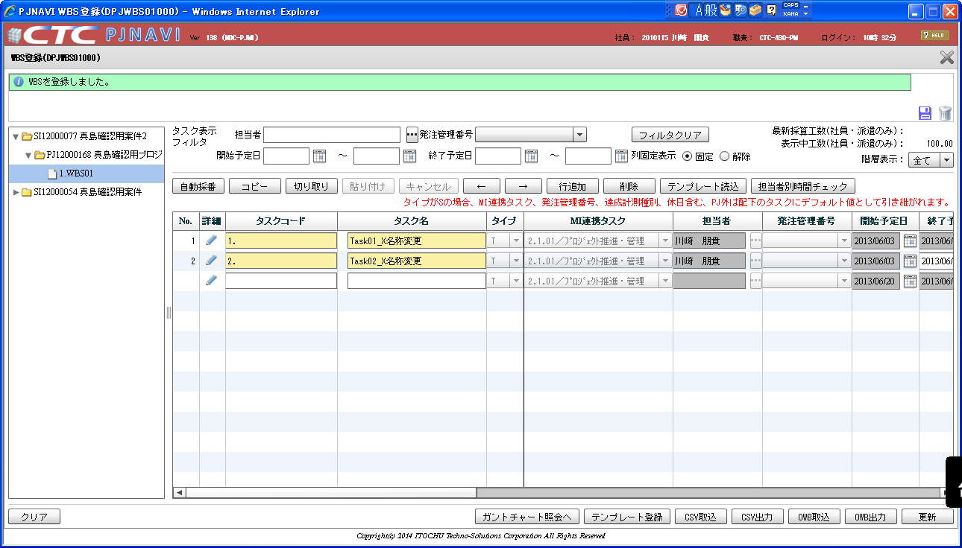

タスク名のみ修正して、更新ボタンを押下する

05 | 04でデータベースの直接更新を行った後に、WBS登録画面でタスク情報（タスク名のみ）を修正した後のデータベース

 | SELECT * FROM PJTR_PJ_WBS_TSK T WHERE T.PRJ_CD = 'PJ12000168'
 | TSK_UID | TSK_NM | TYP | PARENT_TSK_UID | WBS_ID | TSK_CD | NEXTMI_FLNK_TSK_ID | DSP_SEQ | PRJ_CD | ACC_MES_KND_CD | SHIP_TSK_FLG | SHIP_MNG_NO | PLN_PROD_QUAL | PLN_MNHOUR | STR_PLN_DT | END_PLN_DT | HDAY_OPE_FLG | STR_RSLT_DT | END_RSLT_DT | PRJ_EXCEPT_SEG | PRJ_UND_FLG | PREV_RSLT | PREV_RSLT_REM | THIS_RSLT | THIS_RSLT_REM | NEXT_RSLT | NEXT_RSLT_REM | AC | AC_PRICE | CMT | RES_ITEM_1 | RES_ITEM_2 | RES_ITEM_3 | RES_ITEM_4 | RES_ITEM_5 | DEL_FLG | REG_USR_ID | REG_PGM_ID | REG_TS | UPD_USR_ID | UPD_PGM_ID | UPD_TS | VER_NO
 | 405 | WBS01 | 10 |  | 405 | 1. | 1005 | 1 | PJ12000168 | 0 | 0 |  |  |  |  |  | 0 |  |  | 0 | 1 |  |  |  |  |  |  |  |  |  |  |  |  |  |  | 0 | 6738 | DPJWBS01000 | 2013/08/12 09:46:32 | 6738 | DPJWBS01000 | 2013/08/12 09:46:32 | 1
 | 406 | Task01_X名称変更 | 70 | 405 | 405 | 1. | 1005 | 1 | PJ12000168 | 30 | 0 |  | 99 | 50 | 2013/06/03 | 2013/06/24 | 0 | 2013/06/05 | 2013/06/05 | 1 | 0 | 10 | 40 | 20 | 30 |  |  |  |  | コメント99-1 |  |  |  |  |  | 0 | 6738 | DPJWBS01000 | 2013/08/12 09:56:46 | 6738 | DPJWBS01000 | 2013/08/12 10:33:19 | 4
 | 407 | Task02_X名称変更 | 70 | 405 | 405 | 2. | 1005 | 2 | PJ12000168 | 10 | 0 |  | 99 | 100 | 2013/06/03 | 2013/06/28 | 1 | 2013/06/05 |  | 0 | 0 | 0.2 | 0.8 | 0.5 | 0.5 |  |  |  |  | コメント99-2 |  |  |  |  |  | 0 | 6738 | DPJWBS01000 | 2013/08/12 09:56:46 | 6738 | DPJWBS01000 | 2013/08/12 10:33:19 | 4

 | TSK_UID | TSK_NM | TYP | PARENT_TSK_UID | WBS_ID | TSK_CD | NEXTMI_FLNK_TSK_ID | DSP_SEQ | PRJ_CD | ACC_MES_KND_CD | SHIP_TSK_FLG | SHIP_MNG_NO | PLN_PROD_QUAL | PLN_MNHOUR | STR_PLN_DT | END_PLN_DT | HDAY_OPE_FLG | STR_RSLT_DT | END_RSLT_DT | PRJ_EXCEPT_SEG | PRJ_UND_FLG | PREV_RSLT | PREV_RSLT_REM | THIS_RSLT | THIS_RSLT_REM | NEXT_RSLT | NEXT_RSLT_REM | AC | AC_PRICE | CMT | RES_ITEM_1 | RES_ITEM_2 | RES_ITEM_3 | RES_ITEM_4 | RES_ITEM_5 | DEL_FLG | REG_USR_ID | REG_PGM_ID | REG_TS | UPD_USR_ID | UPD_PGM_ID | UPD_TS | VER_NO
 | TRUE | TRUE | TRUE | TRUE | TRUE | TRUE | TRUE | TRUE | TRUE | TRUE | TRUE | TRUE | TRUE | TRUE | TRUE | TRUE | TRUE | TRUE | TRUE | TRUE | TRUE | TRUE | TRUE | TRUE | TRUE | TRUE | TRUE | TRUE | TRUE | TRUE | TRUE | TRUE | TRUE | TRUE | TRUE | TRUE | TRUE | TRUE | TRUE | TRUE | TRUE | TRUE | TRUE
 | TRUE | FALSE | TRUE | TRUE | TRUE | TRUE | TRUE | TRUE | TRUE | TRUE | TRUE | TRUE | TRUE | TRUE | TRUE | TRUE | TRUE | TRUE | TRUE | TRUE | TRUE | TRUE | TRUE | TRUE | TRUE | FALSE | FALSE | FALSE | FALSE | TRUE | FALSE | FALSE | FALSE | FALSE | FALSE | TRUE | TRUE | TRUE | TRUE | TRUE | TRUE | FALSE | FALSE
 | TRUE | FALSE | TRUE | TRUE | TRUE | TRUE | TRUE | TRUE | TRUE | TRUE | TRUE | TRUE | TRUE | TRUE | TRUE | TRUE | TRUE | TRUE | TRUE | TRUE | TRUE | TRUE | TRUE | TRUE | TRUE | FALSE | FALSE | FALSE | FALSE | TRUE | FALSE | FALSE | FALSE | FALSE | FALSE | TRUE | TRUE | TRUE | TRUE | TRUE | TRUE | FALSE | FALSE

 | WBS登録画面での更新前後で値に変更がない（保持され続けている）

 | WBS登録画面での更新前後で値が変更（消えている）

 | このテストで確認されている、値が消えたカラム
 |  | NEXT_RSLT
 |  | NEXT_RSLT_REM
 |  | AC
 |  | AC_PRICE
 |  | RES_ITEM_1
 |  | RES_ITEM_2
 |  | RES_ITEM_3
 |  | RES_ITEM_4
 |  | RES_ITEM_5

