ログ
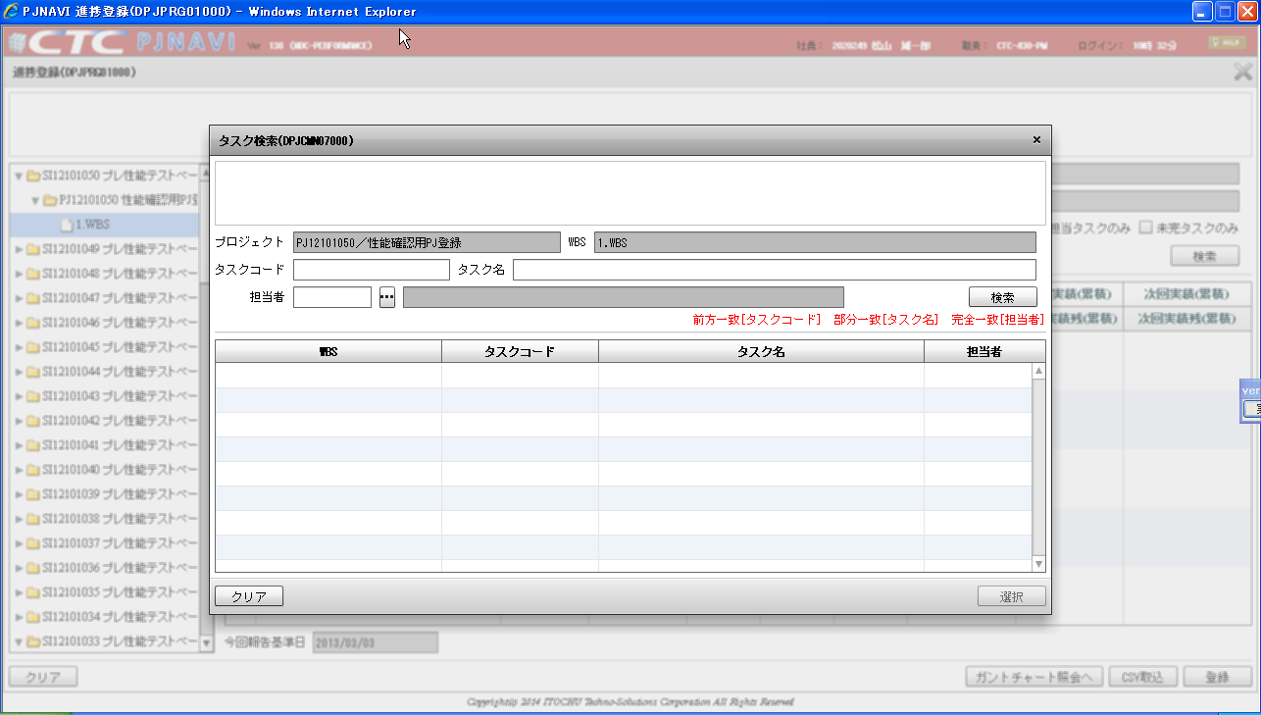

検索ボタン押下で
タイムアウトが発生する。

2013-08-09 22:10:18,699 INFO ip:10.214.42.49 session:HLYKC6ojg3MxCMyHlwjGpYIf.inst01 emp:7054 | /* jp.co.ctc_g.pjnavi.sy.online.auth.login.LoginDaoImpl.findByEmpId */ select BUSI.BUSI_DT BUSINESS_DATE, systimestamp BUSINESS_TIME, EMP.EMP_CD, EMP.NAME EMP_NM, ORGAN.DEPT_CD, ORGAN.DEPT_SNM from PJTM_FW_BUSI_DT BUSI, PJTM_PJ_EMP EMP, PJTM_PJ_ASSIGN ASSIGN, PJTM_PJ_ORGAN ORGAN where BUSI.ON_BAT_SEG = 'OL' and EMP.EMP_ID = 7054 and EMP.DEL_FLG = '0' and BUSI.BUSI_DT between EMP.VLD_STR_DT and EMP.VLD_END_DT and EMP.EMP_ID = ASSIGN.EMP_ID and ASSIGN.DEL_FLG = '0' and BUSI.BUSI_DT between ASSIGN.VLD_STR_DT and ASSIGN.VLD_END_DT and ASSIGN.COMPE_FLG = '1' and ASSIGN.HR_ORGAN_ID = ORGAN.HR_ORGAN_ID and ORGAN.DEL_FLG = '0' and BUSI.BUSI_DT between ORGAN.VLD_STR_DT and ORGAN.VLD_END_DT | jp.co.ctc_g.jfw.core.jdbc.mybatis.QueryLogger (DefaultLoggingStrategy.java@120)
2013-08-09 22:10:18,701 INFO ip:10.214.42.49 session:HLYKC6ojg3MxCMyHlwjGpYIf.inst01 emp:7054 | /* jp.co.ctc_g.pjnavi.sy.online.auth.checker.PjAuthCheckDaoImpl.countByDispId */ select DISP.CNT as DCNT, URI.CNT as UCNT from ( select count(DISP_ID) as CNT from PJTM_SY_BTN where DISP_ID = 'DPJCMN07000' and (EVENT_URI = 'AL' or EVENT_URI = '/rest/pj/cmn/dpjcmn07000/listByTask') and RES_SEG = 'AL' and DEL_FLG = '0' and VLD_STR_DT <= to_timestamp('2013/03/01 00:00:00.000','YYYY/MM/DD HH24:MI:SS.FF3') and VLD_END_DT >= to_timestamp('2013/03/01 00:00:00.000','YYYY/MM/DD HH24:MI:SS.FF3') ) DISP, ( select count(DISP_ID) as CNT from PJTM_SY_BTN where DISP_ID = 'DPJCMN07000' and EVENT_URI = '/rest/pj/cmn/dpjcmn07000/listByTask' and DEL_FLG = '0' and VLD_STR_DT <= to_timestamp('2013/03/01 00:00:00.000','YYYY/MM/DD HH24:MI:SS.FF3') and VLD_END_DT >= to_timestamp('2013/03/01 00:00:00.000','YYYY/MM/DD HH24:MI:SS.FF3') ) URI | jp.co.ctc_g.jfw.core.jdbc.mybatis.QueryLogger (DefaultLoggingStrategy.java@120)
2013-08-09 22:10:18,717 INFO ip:10.214.42.49 session:HLYKC6ojg3MxCMyHlwjGpYIf.inst01 emp:7054 | /* jp.co.ctc_g.pjnavi.online.pj.integration.mybatis.cmn.Dpjcmn07000DaoImpl.listByTask */ select TASK.WBS, TASK.TSK_UID, TASK.TSK_CD, TASK.TSK_NM, case when TASK.SHIP_TSK_FLG = '0' then TASK.EMP when TASK.SHIP_TSK_FLG = '1' then TASK.SUPP_FM_NM end EMP from (select distinct WBS_TSK.DSP_SEQ, '1.'||'WBS' WBS, WBS_TSK.TSK_UID, WBS_TSK.TSK_CD, WBS_TSK.TSK_NM, EMP_GET_ASIT_QEURY.EMP, SUPP_FM_NM_QEURY.SUPP_FM_NM, WBS_TSK.SHIP_TSK_FLG from PJTR_PJ_WBS_TSK WBS_TSK, (select distinct WBS_TSK_RESRC.TSK_UID, ListAgg(EMP.NAME,',') withIn group(order by WBS_TSK_RESRC.DSP_SEQ) over(partition by WBS_TSK_RESRC.TSK_UID) EMP from PJTR_PJ_WBS_TSK_RESRC WBS_TSK_RESRC, PJTM_PJ_EMP EMP where WBS_TSK_RESRC.EMP_CD = EMP.EMP_CD and to_timestamp('2013/03/01 00:00:00.000','YYYY/MM/DD HH24:MI:SS.FF3') between EMP.VLD_STR_DT and EMP.VLD_END_DT and EMP.DEL_FLG = 0 ) EMP_GET_ASIT_QEURY, (select distinct PROSC_EST_SHIP_DT.SHIP_MNG_NO, SUPP.SUPP_FM_NM from PJTR_PJ_PROSC_EST_SHIP_DT PROSC_EST_SHIP_DT, PJTR_PJ_PROSC_EST PROSC_EST, PJTM_PJ_SUPP SUPP where PROSC_EST_SHIP_DT.PRJ_CD = PROSC_EST.PRJ_CD and PROSC_EST_SHIP_DT.PROSC_VER = PROSC_EST.PROSC_VER and PROSC_EST_SHIP_DT.SUPP_CD = SUPP.SUPP_NO and PROSC_EST.PRJ_CD = 'PJ12101050' and PROSC_EST.PROS_VLD_FLG = '1' and PROSC_EST.DEL_FLG = '0' and PROSC_EST_SHIP_DT.DEL_FLG = '0' and SUPP.DEL_FLG = '0' ) SUPP_FM_NM_QEURY, PJTR_PJ_WBS_TSK_RESRC WBS_TSK_RESRC where WBS_TSK.TSK_UID = WBS_TSK_RESRC.TSK_UID(+) and WBS_TSK.TSK_UID = EMP_GET_ASIT_QEURY.TSK_UID(+) and WBS_TSK.PRJ_CD = 'PJ12101050' and WBS_TSK.WBS_ID = '1085562' and WBS_TSK.SHIP_MNG_NO = SUPP_FM_NM_QEURY.SHIP_MNG_NO(+) and WBS_TSK.PRJ_EXCEPT_SEG = '0' and WBS_TSK.TYP = '70' and WBS_TSK.DEL_FLG = '0' and WBS_TSK_RESRC.DEL_FLG(+) = '0' )TASK order by TASK.DSP_SEQ | jp.co.ctc_g.jfw.core.jdbc.mybatis.QueryLogger (DefaultLoggingStrategy.java@120)
2013-08-09 22:10:40,016 INFO ip:10.214.42.49 session:mw7R03sxzsoD4ohRWCHcDG0i.inst01 emp:7054 |
before-----------------------

・・・・・・

2013-08-09 22:23:24,508 INFO ip:10.214.42.49 session:5WvaEmOPs9-hJbyYg4PmB1h0.inst01 emp:7054 | /* jp.co.ctc_g.pjnavi.online.pj.integration.mybatis.prg.Dpjprg01000DaoImpl.listByTskInfo */ select distinct WBS_TSK.TSK_CD || ' ' || WBS_TSK.TSK_NM TASK, case WBS_TSK.SHIP_TSK_FLG when '0' then EMP_SUB.EMP_NM when '1' then EST_SHIP_SUB.EMP end EMP, HNYO_SEG_SUB.HNYO_SEG_DT_NM ACC_MES_KND_NM, HNYO_SEG_SUB.CHR UNT, TSK_DIST_PV.ACC_MES_KND_CUMU_PV ACC_MES_KND_CUMU_PV, round((EVM_SUB.EV / WBS_TSK.PLN_MNHOUR),4) PREV_ACC_RATE, case when TSK_DIST_PV.ACC_MES_KND_CUMU_PV is null or TSK_DIST_PV.ACC_MES_KND_CUMU_PV = 0 then 0 else case WBS_TSK.ACC_MES_KND_CD when '10' then round((nvl(WBS_TSK.PREV_RSLT,0) / TSK_DIST_PV.ACC_MES_KND_CUMU_PV),4) * 100 else round((nvl(WBS_TSK.PREV_RSLT,0) / TSK_DIST_PV.ACC_MES_KND_CUMU_PV),4) end end PREV_PROG_RATE, to_char(WBS_TSK.STR_PLN_DT, 'yyyy/MM/dd') STR_PLN_DT, to_char(WBS_TSK.STR_RSLT_DT, 'yyyy/MM/dd') STR_RSLT_DT, to_char(WBS_TSK.END_PLN_DT, 'yyyy/MM/dd') END_PLN_DT, to_char(WBS_TSK.END_RSLT_DT, 'yyyy/MM/dd') END_RSLT_DT, case WBS_TSK.ACC_MES_KND_CD when '10' then WBS_TSK.PREV_RSLT * 100 else WBS_TSK.PREV_RSLT end PREV_RSLT, case WBS_TSK.ACC_MES_KND_CD when '10' then WBS_TSK. PREV_RSLT_REM * 100 else WBS_TSK.PREV_RSLT_REM end PREV_RSLT_REM, case WBS_TSK.ACC_MES_KND_CD when '10' then WBS_TSK.THIS_RSLT * 100 else WBS_TSK.THIS_RSLT end THIS_RSLT, case WBS_TSK.ACC_MES_KND_CD when '10' then WBS_TSK.THIS_RSLT_REM * 100 else WBS_TSK.THIS_RSLT_REM end THIS_RSLT_REM, case WBS_TSK.ACC_MES_KND_CD when '10' then WBS_TSK.NEXT_RSLT * 100 else WBS_TSK.NEXT_RSLT end NEXT_RSLT, case WBS_TSK.ACC_MES_KND_CD when '10' then WBS_TSK.NEXT_RSLT_REM * 100 else WBS_TSK.NEXT_RSLT_REM end NEXT_RSLT_REM, WBS_TSK.ACC_MES_KND_CD ACC_MES_KND_CD, EVM_SUB.AC PREV_AC, OPE_DT_SUB.OPE_TM, case when WBS_TSK.END_RSLT_DT is not null then '1' when ((WBS_TSK.STR_RSLT_DT is not null or OPE_DT_SUB.OPE_TM <> 0) and WBS_TSK.END_RSLT_DT is null) then '2' when (WBS_TSK.STR_RSLT_DT is null
2013-08-09 22:23:32,460 DEBUG ip:10.214.42.49 session:HLYKC6ojg3MxCMyHlwjGpYIf.inst01 emp:7054 |
+ Profiler [APPLICATION]
|-- elapsed time [filters] 0.001 seconds.
|-- elapsed time [LoginServiceImpl#findByEmpId] 0.000 seconds.
|-- elapsed time [LoginDaoImpl#findByEmpId] 0.002 seconds.
|-- elapsed time [PjAuthCheckDaoImpl#countByDispId] 0.002 seconds.
|-- elapsed time [preHandle] 0.004 seconds.
|-- elapsed time [Dpjcmn07000Controller#listByTask] 0.008 seconds.
|-- elapsed time [Dpjcmn07000ServiceImpl#listByTask] 0.000 seconds.
|-- elapsed time [Dpjcmn07000DaoImpl#listByTask] 793.738 seconds.
|-- elapsed time [marshal] 0.007 seconds.
|-- Total [APPLICATION] 793.762 seconds.
| jp.co.ctc_g.pjnavi.fw.online.profiler.ProfilerFilter (Profiler.java@208)
2013-08-09 22:23:49,835 INFO ip:10.214.42.49 session:qYhXm--J8iB+lvoSoDrvvBhc.inst01 emp:7054 |
before-----------------------
RequestURI=/pjnavi03/monitoring/alive,
RequestMethod=GET,
RequestedSessionId=qYhXm--J8iB+lvoSoDrvvBhc.inst01,
ParameterCount=1,
-----------------------------
| jp.co.ctc_g.pjnavi.fw.online.filter.RequestLoggingFilter (RequestLoggingFilter.java@75)
2013-08-09 22:23:52,722 INFO ip:10.214.44.38 session:73Bw4F4I0d+jfIOLSZpm-vXg.inst01 emp:1711 |
before-----------------------
RequestURI=/pjnavi03/monitoring/alive,
RequestMethod=GET,
RequestedSessionId=73Bw4F4I0d+jfIOLSZpm-vXg.inst01,
ParameterCount=1,
-----------------------------

