GYM-218_「タスク名」で検索できない
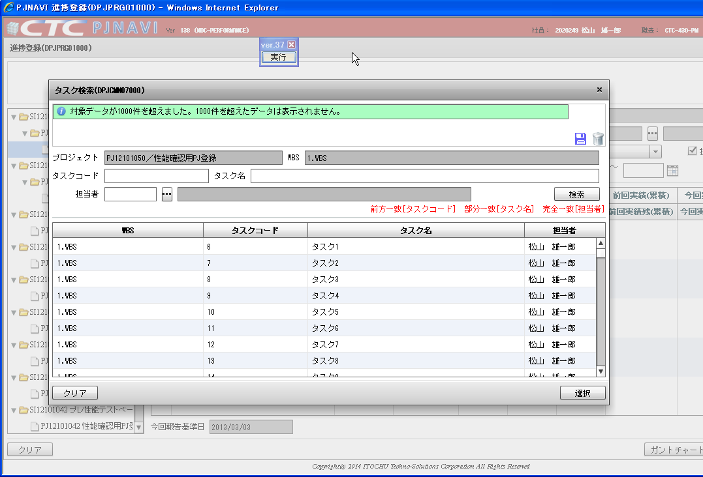
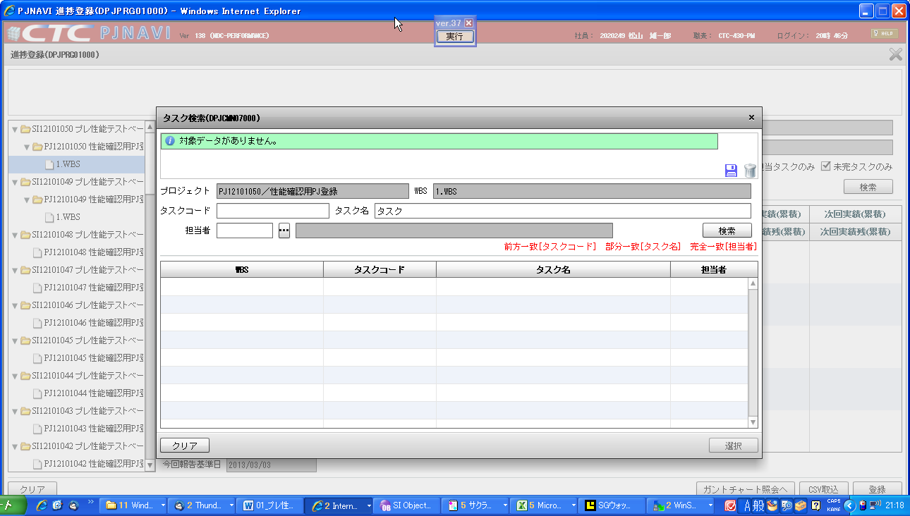
タスク検索画面で検索条件「タスク名」を入力して検索すると、検索できない。
以下の３シートに従って修正して下さい。
 | ”修正サンプルSQL（タスク名）版”
 | ”修正サンプルSQL２（担当者）版”
 | ”修正サンプルSQL３（タスクコード）版”

