1回目
環境 | PJ_TEST02
ユーザ | z2010115

開始前
業務日付
 | SELECT * FROM PJTM_FW_BUSI_DT
 | ON_BAT_SEG | BUSI_DT | DEL_FLG | REG_USR_ID | REG_PGM_ID | REG_TS | UPD_USR_ID | UPD_PGM_ID | UPD_TS | VER_NO
 | OL | 2013/04/06 | 0 | 1 | PGM00001 | 2013/01/01 01:01:01 | 1 | PGM00001 | 2013/01/15 23:59:59 | 1
 | BT | 2013/04/05 | 0 | 1 | PGM00001 | 2013/01/01 01:01:01 | 1 | PGM00001 | 2013/01/15 23:59:59 | 1

SI案件
 | SELECT * FROM PJTR_PJ_SI_DEAL t where t.SI_DEAL_CD = 'SI12000093'
 | SI_DEAL_CD | SI_DEAL_NM | SI_DEAL_STATS | SI_DEAL_STATS_UPD_DT | SI_DEAL_STR_DT | SI_DEAL_END_DT | SI_DEAL_CUST_CD | SI_DEAL_CUST_CONT_ORGAN_NM | SI_DEAL_CUST_CONT_CHG | SI_DEAL_CUST_CONT_TEL | SI_DEAL_CUST_CONT_FAX | SI_DEAL_CUST_CONT_EMAIL | SI_DEAL_EGY_DEPT_CD | SI_DEAL_EGY_EMP_CD | SI_DEAL_AUTO_MK_FLG | PROP_CST_LMT_PRICE | SI_REL_CONT_EST_PRICE | SI_REL_CONT_COST_EST_PRICE | SV_REL_CONT_EST_PRICE | SV_REL_CONT_COST_EST_PRICE | EQP_CONT_EST_PRICE | EQP_CONT_COST_EST_PRICE | INCO_FLG | ALERT_NOTICE_DEST_1 | ALERT_NOTICE_DEST_2 | ALERT_NOTICE_DEST_3 | DEL_FLG | REG_USR_ID | REG_PGM_ID | REG_TS | UPD_USR_ID | UPD_PGM_ID | UPD_TS | VER_NO
 | SI12000093 | 真島_0 divide_check | 10 | 2013/04/06 | 2013/04/01 | 2013/09/30 | 0000020703 | 顧客組織 | 顧客担当 | 99-9999-9999 | 99-9999-9999 | 9999@pjnavi.xxx | 0112321200 | 2010115 | 0 | 1000000 | 10000000 | 0 | 0 | 0 | 0 | 0 | 0 | alert1@pjnavi.xxx |  |  | 0 | 6738 | DPJBAS01000 | 2013/08/27 19:43:29 | 6738 | DPJBAS01000 | 2013/08/27 19:43:29 | 1

SI案件リソース
 | SELECT * FROM PJTR_PJ_SI_DEAL_RESRC t where t.SI_DEAL_CD = 'SI12000093'
 | SI_DEAL_CD | SI_RESRC_EMP_CD | SI_RESRC_STR_DT | SI_RESRC_END_DT | SI_RESRC_ROLE | DEL_FLG | REG_USR_ID | REG_PGM_ID | REG_TS | UPD_USR_ID | UPD_PGM_ID | UPD_TS | VER_NO
 | SI12000093 | 2010115 | 2013/04/01 | 2013/09/30 | 01 | 0 | 6738 | DPJBAS01000 | 2013/08/27 19:43:29 | 6738 | DPJBAS01000 | 2013/08/27 19:43:29 | 1
 | SI12000093 | 2010115 | 2013/04/01 | 2013/09/30 | 03 | 0 | 6738 | DPJBAS04000 | 2013/08/27 19:44:18 | 6738 | DPJBAS04000 | 2013/08/27 19:44:18 | 1

プロジェクトトラン
 | SELECT * FROM PJTR_PJ_PRJ T WHERE T.PRJ_CD = 'PJ12000197'
 | SI_DEAL_CD | PRJ_CD | WHCO_MNG_PRJ_NO | PRJ_NM | PRJ_DT_NM | PRJ_STR_DT | PRJ_END_DT | PRJ_STATS_SEG | PRJ_TPL | PRJ_FORM_SEG | PRJ_INCO_PSC_FLG | PROS_INCO_PRICE | PRJ_PROP_CST_LMT_PRICE | PRJ_RPT_BS_YOUBI | PRJ_PROG_ENT_CLOSE_YOUBI | PRJ_BAS_OPE_TM | PRJ_EGY_EMP_CD | PRJ_EGY_EMP_AUTO_LNK_FLG | PRJ_SLS_COST_TRNS_DEPT_CD | PRJ_DEV_DEPT_CD | SI_DEAL_SYNC_REG_FLG | PRJ_CUST_CD | PRJ_OPN_NOTICE_FLG | PRJ_SHIP_APP_NOTICE_FLG | PRJ_PROG_AUTO_SET_FLG | PRJ_OUTS_PROG_AUTO_SET_FLG | PROP_PRJ_FLG | FLAW_PRJ_FLG | FLAW_PRJ_CD | PRJ_STATS_RECV_DT | SND_FLG | BUSI_PROC_DT | ALERT_NOTICE_DEST_1 | ALERT_NOTICE_DEST_2 | ALERT_NOTICE_DEST_3 | DEL_FLG | REG_USR_ID | REG_PGM_ID | REG_TS | UPD_USR_ID | UPD_PGM_ID | UPD_TS | VER_NO
 | SI12000093 | PJ12000197 |  | 真島_0 divide | 真島_0 divide check | 2013/04/01 | 2013/09/30 | 030 | T010000010 | DEV:開発(一括) | 0 |  | 0 | 3 | 5 | 7.5 | 2010115 | 0 |  | 0112321200 | 0 | 0000020703 | 0 | 0 | 1 | 1 | 0 | 0 |  |  | 0 | 2013/04/06 |  |  |  | 0 | 6738 | DPJBAS06000 | 2013/08/27 19:46:20 | 6738 | DPJBAS06000 | 2013/08/27 19:46:20 | 1

プロジェクトリソーストラン
 | SELECT * FROM PJTR_PJ_PRJ_RESRC t where t.PRJ_CD = 'PJ12000197'
 | PRJ_CD | PRJ_RESRC_EMP_CD | PRJ_RESRC_EMP_NM | PRJ_RESRC_STR_DT | PRJ_RESRC_END_DT | PRJ_RESRC_ROLE | PRJ_RESRC_OPE_TM | PRJ_RESRC_TBA_FLG | PRJ_RESRC_TBA_PST_ID | DEL_FLG | REG_USR_ID | REG_PGM_ID | REG_TS | UPD_USR_ID | UPD_PGM_ID | UPD_TS | VER_NO
 | PJ12000197 | 2010115 |  | 2013/04/01 | 2013/09/30 | 1 | 7.5 | 0 |  | 0 | 6738 | DPJBAS06000 | 2013/08/27 19:46:20 | 6738 | DPJBAS06000 | 2013/08/27 19:46:20 | 1
 | PJ12000197 | 2050019 |  | 2013/04/01 | 2013/09/30 | 1002 | 7.5 | 0 |  | 0 | 6738 | DPJBAS09000 | 2013/08/27 20:35:46 | 6738 | DPJBAS09000 | 2013/08/27 20:35:46 | 1

プロジェクトNext.MIタスクトラン
 | SELECT * FROM PJTR_PJ_PRJ_NEXTMI_TSK t where t.PRJ_CD = 'PJ12000197'
 | PRJ_CD | NEXTMI_FLNK_TSK_ID | NEXTMI_TSK_NO | NEXTMI_TSK_NM | LEVY_POS_FLG | SV_TYP_CD | TSK_ENF_ORGAN_ID | FLAW_FLG | DEL_FLG | REG_USR_ID | REG_PGM_ID | REG_TS | UPD_USR_ID | UPD_PGM_ID | UPD_TS | VER_NO
 | PJ12000197 | 1005 | 2.1.01 | ﾌﾟﾛｼﾞｪｸﾄ推進・管理 | 1 | CIP_SI_TIME | 161 | 0 | 0 | 6738 | DPJBAS06000 | 2013/08/27 19:46:20 | 6738 | DPJBAS06000 | 2013/08/27 19:46:20 | 1
 | PJ12000197 | 1006 | 2.1.02 | FS | 1 | CIP_SI_TIME | 161 | 0 | 0 | 6738 | DPJBAS06000 | 2013/08/27 19:46:20 | 6738 | DPJBAS06000 | 2013/08/27 19:46:20 | 1
 | PJ12000197 | 1007 | 2.1.04 | 基本設計 | 1 | CIP_SI_TIME | 161 | 0 | 0 | 6738 | DPJBAS06000 | 2013/08/27 19:46:20 | 6738 | DPJBAS06000 | 2013/08/27 19:46:20 | 1
 | PJ12000197 | 1008 | 2.1.05 | 詳細設計 | 1 | CIP_SI_TIME | 161 | 0 | 0 | 6738 | DPJBAS06000 | 2013/08/27 19:46:20 | 6738 | DPJBAS06000 | 2013/08/27 19:46:20 | 1
 | PJ12000197 | 1009 | 2.1.06 | ﾌﾟﾛｸﾞﾗﾑ作成,単体ﾃｽﾄ | 1 | CIP_SI_TIME | 161 | 0 | 0 | 6738 | DPJBAS06000 | 2013/08/27 19:46:20 | 6738 | DPJBAS06000 | 2013/08/27 19:46:20 | 1
 | PJ12000197 | 1010 | 2.1.08 | 結合ﾃｽﾄ | 1 | CIP_SI_TIME | 161 | 0 | 0 | 6738 | DPJBAS06000 | 2013/08/27 19:46:20 | 6738 | DPJBAS06000 | 2013/08/27 19:46:20 | 1
 | PJ12000197 | 1011 | 2.1.09 | ｼｽﾃﾑﾃｽﾄ | 1 | CIP_SI_TIME | 161 | 0 | 0 | 6738 | DPJBAS06000 | 2013/08/27 19:46:20 | 6738 | DPJBAS06000 | 2013/08/27 19:46:20 | 1
 | PJ12000197 | 1012 | 2.1.10 | DB設計 | 1 | CIP_SI_TIME | 161 | 0 | 0 | 6738 | DPJBAS06000 | 2013/08/27 19:46:20 | 6738 | DPJBAS06000 | 2013/08/27 19:46:20 | 1
 | PJ12000197 | 1013 | 2.1.11 | 受入検収立会 | 1 | CIP_SI_TIME | 161 | 0 | 0 | 6738 | DPJBAS06000 | 2013/08/27 19:46:20 | 6738 | DPJBAS06000 | 2013/08/27 19:46:20 | 1
 | PJ12000197 | 1014 | 2.1.12 | 教育 | 1 | CIP_SI_TIME | 161 | 0 | 0 | 6738 | DPJBAS06000 | 2013/08/27 19:46:20 | 6738 | DPJBAS06000 | 2013/08/27 19:46:20 | 1
 | PJ12000197 | 1015 | 2.1.13 | 操作ﾏﾆｭｱﾙ | 1 | CIP_SI_TIME | 161 | 0 | 0 | 6738 | DPJBAS06000 | 2013/08/27 19:46:20 | 6738 | DPJBAS06000 | 2013/08/27 19:46:20 | 1
 | PJ12000197 | 1016 | 2.1.14 | 運用ﾏﾆｭｱﾙ | 1 | CIP_SI_TIME | 161 | 0 | 0 | 6738 | DPJBAS06000 | 2013/08/27 19:46:20 | 6738 | DPJBAS06000 | 2013/08/27 19:46:20 | 1
 | PJ12000197 | 1017 | 2.1.15 | ｲﾝｽﾄﾚｰｼｮﾝ | 1 | CIP_SI_TIME | 161 | 0 | 0 | 6738 | DPJBAS06000 | 2013/08/27 19:46:20 | 6738 | DPJBAS06000 | 2013/08/27 19:46:20 | 1
 | PJ12000197 | 1018 | 2.1.16 | 移行 | 1 | CIP_SI_TIME | 161 | 0 | 0 | 6738 | DPJBAS06000 | 2013/08/27 19:46:20 | 6738 | DPJBAS06000 | 2013/08/27 19:46:20 | 1
 | PJ12000197 | 1019 | 2.1.17 | 品質管理 | 1 | CIP_SI_TIME | 161 | 0 | 0 | 6738 | DPJBAS06000 | 2013/08/27 19:46:20 | 6738 | DPJBAS06000 | 2013/08/27 19:46:20 | 1
 | PJ12000197 | 1020 | 2.1.99 | その他 | 1 | CIP_SI_TIME | 161 | 0 | 0 | 6738 | DPJBAS06000 | 2013/08/27 19:46:20 | 6738 | DPJBAS06000 | 2013/08/27 19:46:20 | 1
 | PJ12000197 | 1058 | 6.1.01 | 瑕疵対応 | 1 | CGS_AFT | 161 | 1 | 0 | 6738 | DPJBAS06000 | 2013/08/27 19:46:20 | 6738 | DPJBAS06000 | 2013/08/27 19:46:20 | 1

WBSトラン
 | SELECT * FROM PJTR_PJ_WBS t where t.PRJ_CD = 'PJ12000197'
 | WBS_ID | WBS_CD | WBS_NM | PRJ_CD | PARENT_WBS_ID | DSP_SEQ | DEL_FLG | REG_USR_ID | REG_PGM_ID | REG_TS | UPD_USR_ID | UPD_PGM_ID | UPD_TS | VER_NO
 | 688 | 1. | WBS01 | PJ12000197 |  | 1 | 0 | 6738 | DPJWBS01000 | 2013/08/27 19:49:17 | 6738 | DPJWBS01000 | 2013/08/27 19:49:17 | 1

WBSタスクトラン
 | SELECT *
 | FROM PJTR_PJ_WBS_TSK t
 | where t.PRJ_CD = 'PJ12000197'
 | START WITH PARENT_TSK_UID is null
 | CONNECT BY prior TSK_UID = PARENT_TSK_UID
 | ORDER SIBLINGS BY DSP_SEQ
 | TSK_UID | TSK_NM | TYP | PARENT_TSK_UID | WBS_ID | TSK_CD | NEXTMI_FLNK_TSK_ID | DSP_SEQ | PRJ_CD | ACC_MES_KND_CD | SHIP_TSK_FLG | SHIP_MNG_NO | PLN_PROD_QUAL | PLN_MNHOUR | STR_PLN_DT | END_PLN_DT | HDAY_OPE_FLG | STR_RSLT_DT | END_RSLT_DT | PRJ_EXCEPT_SEG | PRJ_UND_FLG | PREV_RSLT | PREV_RSLT_REM | THIS_RSLT | THIS_RSLT_REM | NEXT_RSLT | NEXT_RSLT_REM | AC | AC_PRICE | CMT | RES_ITEM_1 | RES_ITEM_2 | RES_ITEM_3 | RES_ITEM_4 | RES_ITEM_5 | DEL_FLG | REG_USR_ID | REG_PGM_ID | REG_TS | UPD_USR_ID | UPD_PGM_ID | UPD_TS | VER_NO
 | 688 | WBS01 | 10 |  | 688 | 1. |  | 1 | PJ12000197 | 0 | 0 |  |  |  |  |  | 0 |  |  | 0 | 1 |  |  |  |  |  |  |  |  |  |  |  |  |  |  | 0 | 6738 | DPJWBS01000 | 2013/08/27 19:49:17 | 6738 | DPJWBS01000 | 2013/08/27 19:49:17 | 1
 | 693 | 実績有りサマリ | 20 | 688 | 688 | 1. |  | 1 | PJ12000197 | 10 | 0 |  |  |  |  |  | 0 |  |  | 0 | 0 |  |  |  |  |  |  |  |  |  |  |  |  |  |  | 0 | 6738 | DPJWBS01000 | 2013/08/27 19:55:57 | 6738 | DPJWBS01000 | 2013/08/27 19:55:57 | 1
 | 689 | 社員_予定工数0_実績有り | 70 | 693 | 688 | 1.1. | 1005 | 1 | PJ12000197 | 10 | 0 |  |  | 0 | 2013/04/02 | 2013/04/10 | 0 | 2013/04/02 |  | 0 | 0 |  |  | 0.35 | 0.65 |  |  |  |  |  |  |  |  |  |  | 0 | 6738 | DPJWBS01000 | 2013/08/27 19:52:58 | 6738 | DPJPRG01000 | 2013/08/28 08:32:18 | 3
 | 690 | 社員_成果物数量0_数量型_実績有あり | 70 | 693 | 688 | 1.2. | 1005 | 2 | PJ12000197 | 40 | 0 |  | 0 | 3 | 2013/04/02 | 2013/04/10 | 0 | 2013/04/02 |  | 0 | 0 |  |  | 10 | 100 |  |  |  |  |  |  |  |  |  |  | 0 | 6738 | DPJWBS01000 | 2013/08/27 19:52:58 | 6738 | DPJPRG01000 | 2013/08/28 08:32:18 | 4
 | 691 | 発注_予定工数0_実績有り | 70 | 693 | 688 | 1.3. | 1005 | 3 | PJ12000197 | 10 | 1 | 001 |  | 0 | 2013/04/02 | 2013/04/10 | 0 | 2013/04/02 |  | 0 | 0 |  |  | 0.2 | 0.8 |  |  |  |  |  |  |  |  |  |  | 0 | 6738 | DPJWBS01000 | 2013/08/27 19:52:58 | 6738 | DPJPRG01000 | 2013/08/28 08:32:18 | 4
 | 692 | 発注_成果物数量0_数量型_実績有り | 70 | 693 | 688 | 1.4. | 1005 | 4 | PJ12000197 | 40 | 1 | 001 | 0 | 10 | 2013/04/02 | 2013/04/10 | 0 | 2013/04/02 | 2013/04/02 | 0 | 0 |  |  | 1 | 0 |  |  |  |  |  |  |  |  |  |  | 0 | 6738 | DPJWBS01000 | 2013/08/27 19:52:58 | 6738 | DPJPRG01000 | 2013/08/28 08:32:18 | 4
 | 694 | 実績無しサマリ | 20 | 688 | 688 | 2. |  | 2 | PJ12000197 | 10 | 0 |  |  |  |  |  | 0 |  |  | 0 | 0 |  |  |  |  |  |  |  |  |  |  |  |  |  |  | 0 | 6738 | DPJWBS01000 | 2013/08/27 19:55:57 | 6738 | DPJWBS01000 | 2013/08/27 19:55:57 | 1
 | 695 | 社員_予定工数0_実績無し | 70 | 694 | 688 | 2.1. | 1005 | 1 | PJ12000197 | 10 | 0 |  |  | 0 | 2013/04/02 | 2013/04/10 | 0 |  |  | 0 | 0 |  |  |  |  |  |  |  |  |  |  |  |  |  |  | 0 | 6738 | DPJWBS01000 | 2013/08/27 19:55:57 | 6738 | DPJWBS01000 | 2013/08/27 19:55:57 | 1
 | 696 | 社員_成果物数量0_数量型_実績無し | 70 | 694 | 688 | 2.2. | 1005 | 2 | PJ12000197 | 40 | 0 |  | 0 | 3 | 2013/04/02 | 2013/04/10 | 0 |  |  | 0 | 0 |  |  |  |  |  |  |  |  |  |  |  |  |  |  | 0 | 6738 | DPJWBS01000 | 2013/08/27 19:55:57 | 6738 | DPJWBS01000 | 2013/08/27 20:34:17 | 2
 | 697 | 発注_予定工数0_実績無し | 70 | 694 | 688 | 2.3. | 1005 | 3 | PJ12000197 | 10 | 1 | 001 |  | 0 | 2013/04/02 | 2013/04/10 | 0 |  |  | 0 | 0 |  |  |  |  |  |  |  |  |  |  |  |  |  |  | 0 | 6738 | DPJWBS01000 | 2013/08/27 19:55:57 | 6738 | DPJWBS01000 | 2013/08/27 20:41:39 | 2
 | 698 | 発注_成果物数量0_数量型_実績無し | 70 | 694 | 688 | 2.4. | 1005 | 4 | PJ12000197 | 40 | 1 | 001 | 0 | 10 | 2013/04/02 | 2013/04/10 | 0 |  |  | 0 | 0 |  |  |  |  |  |  |  |  |  |  |  |  |  |  | 0 | 6738 | DPJWBS01000 | 2013/08/27 19:55:57 | 6738 | DPJWBS01000 | 2013/08/27 20:41:39 | 2
 | 699 | 複数担当者_予定工数0 | 70 | 688 | 688 | 3. | 1005 | 3 | PJ12000197 | 10 | 0 |  |  | 0 | 2013/04/02 | 2013/04/10 | 0 |  |  | 0 | 0 |  |  |  |  |  |  |  |  |  |  |  |  |  |  | 0 | 6738 | DPJWBS01000 | 2013/08/27 20:34:17 | 6738 | DPJWBS01000 | 2013/08/27 20:37:00 | 2

WBSタスクリソーストラン
 | SELECT * FROM PJTR_PJ_WBS_TSK_RESRC t where t.PRJ_CD = 'PJ12000197'
 | TSK_UID | EMP_CD | DSP_SEQ | PLN_MNHOUR | PRJ_CD | AC | AC_PRICE | CMT | RES_ITEM | DEL_FLG | REG_USR_ID | REG_PGM_ID | REG_TS | UPD_USR_ID | UPD_PGM_ID | UPD_TS | VER_NO
 | 695 | 2010115 | 1 | 0 | PJ12000197 |  |  |  |  | 0 | 6738 | DPJWBS01000 | 2013/08/27 19:55:57 | 6738 | DPJWBS01000 | 2013/08/27 19:55:57 | 1
 | 689 | 2010115 | 1 | 0 | PJ12000197 |  |  |  |  | 0 | 6738 | DPJWBS01000 | 2013/08/27 19:52:58 | 6738 | DPJWBS01000 | 2013/08/27 19:52:58 | 1
 | 690 | 2010115 | 1 | 3 | PJ12000197 |  |  |  |  | 0 | 6738 | DPJWBS01000 | 2013/08/27 20:34:17 | 6738 | DPJWBS01000 | 2013/08/27 20:34:17 | 1
 | 696 | 2010115 | 1 | 3 | PJ12000197 |  |  |  |  | 0 | 6738 | DPJWBS01000 | 2013/08/27 20:34:17 | 6738 | DPJWBS01000 | 2013/08/27 20:34:17 | 1
 | 699 | 2010115 | 1 | 0 | PJ12000197 |  |  |  |  | 0 | 6738 | DPJWBS01000 | 2013/08/27 20:37:00 | 6738 | DPJWBS01000 | 2013/08/27 20:37:00 | 1
 | 699 | 2050019 | 2 | 0 | PJ12000197 |  |  |  |  | 0 | 6738 | DPJWBS01000 | 2013/08/27 20:37:00 | 6738 | DPJWBS01000 | 2013/08/27 20:37:00 | 1

採算原価見積
 | SELECT * FROM PJTR_PJ_PROSC_EST t where t.PRJ_CD = 'PJ12000197'
 | PRJ_CD | PROSC_VER | PROSC_VER_NM | PROS_EST_SEG | PROS_EST_MK_DT | PROS_EST_EMP_CD | PROS_EST_VLD_DT | PROS_BASELINE_VER | PROS_BASELINE_FLG | PROS_BASELINE_VLD_FLG | PROS_FXD_FLG | PROS_LNK_FLG | PROS_VLD_FLG | PROS_SND_DT | PROS_PRT_NUM | PROS_LST_PRT_DT | PROS_STF_COST_PRICE | PROS_STF_OPE_PLN_TM | PROS_DP_COST_PRICE | PROS_DP_OPE_PLN_TM | PROS_BLKODR_PRICE | PROS_EXP_PRICE | PROS_CON_PRICE | PRJ_PROSC_SUM_PRICE | PRJ_SYS_NM | PRJ_SYS_SHORTNM | CUTOVR_OPE_PLN_DT | PRJ_CONT_PLN_DT | PRJ_SEG | PRJ_SPQLY_SEG | PRJ_IMPTT_FLG | CUST_REQ_DEVTRM | DEV_TRM | PRJ_SYS_SMRY | PRJ_DEV_TAR_RANGE | PRJ_EST_INDI_STMT_REQIM | PRJ_TMPEST_RSN | PRJ_EST_COND_SEG | PRJ_EST_COND_OTHER | PRJ_ACCEPT_COND_SEG | PRJ_ACCEPT_COND_OTHER | PRJ_ACCEPT_LOC_SEG | PRJ_ACCEPT_LOC_OTHER | PRJ_ACCEPT_PSN_NM | PRJ_GRN_TRM | PRJ_GRN_TRM_OTHER | PROD_RDD_FLG | PROD_BDD_FLG | SEIKA_DB_DOC_FLG | PROD_DT_DOC_FLG | SEIKA_PG_DOC_FLG | SEIKA_SRC_PG_FLG | SEIKA_OBJ_FLG | PROD_UNT_TST_RES_RPT_FLG | PROD_INTEG_TST_RES_RPT_FLG | PROD_SYS_TST_RES_RPT_FLG | PROD_TUN_RES_RPT_FLG | SEIKA_SOSA_MNU_FLG | SEIKA_UNYO_MNU_FLG | PROD_OTHER_1 | PROD_OTHER_2 | USE_MDL_SERV_SEG | USE_MDL_SERV_SEG_OTHER | USE_MDL_CLI_SEG | USE_MDL_CLI_SEG_OTHER | USE_MDL_DBMS_SEG | USE_MDL_DBMS_SEG_OTHER | USE_MDL_DEV_LANG_SEG | USE_MDL_DEV_LANG_SEG_OTHER | USE_MDL_DEV_TOOL_SEG | USE_MDL_DEV_TOOL_SEG_OTHER | ATD_DEAL_ODRSK_ACL_FLG | ATD_EST_LST_BC_FLG | ATD_EST_A1A2A3_FLG | ATD_EST_SPEC_FLG | ATD_EST_WREQ_ADD_SHIP_SPEC | MSG_MTR_ETC_CMT | BUSI_PROC_DT | DEL_FLG | REG_USR_ID | REG_PGM_ID | REG_TS | UPD_USR_ID | UPD_PGM_ID | UPD_TS | VER_NO
 | PJ12000197 | 1 | 真島_0 divide 見積 | 10 |  | 2010115 |  | 1 | 1 | 1 | 1 | 0 | 0 |  | 0 |  | 0 | 20 | 0 | 0 | 1000000 | 0 | 0 | 1000000 | 真島_0 divide check | 真島_0 divide | 2013/10/10 | 2013/03/25 | 110 | 10 | 0 |  |  |  |  |  |  | 10 |  | 10 |  | 10 |  |  | 05 |  | 0 | 0 | 0 | 0 | 0 | 0 | 0 | 0 | 0 | 0 | 0 | 0 | 0 |  |  | 10 |  | 10 |  | 1910 |  | 900 |  | 9900 |  | 0 | 0 | 0 | 0 | 0 |  | 2013/04/06 | 0 | 6738 | DPJBAS11000 | 2013/08/27 19:47:07 | 6738 | DPJBAS11000 | 2013/08/27 20:39:19 | 9
 | PJ12000197 | 2 | 真島_0 divide 見積 | 10 |  | 2010115 |  |  | 0 | 0 | 1 | 0 | 1 |  | 0 |  | 0 | 6 | 0 | 0 | 1000000 | 0 | 0 | 1000000 | 真島_0 divide check | 真島_0 divide | 2013/10/10 | 2013/03/25 | 110 | 10 | 0 |  |  |  |  |  |  | 10 |  | 10 |  | 10 |  |  | 05 |  | 0 | 0 | 0 | 0 | 0 | 0 | 0 | 0 | 0 | 0 | 0 | 0 | 0 |  |  | 10 |  | 10 |  | 1910 |  | 900 |  | 9900 |  | 0 | 0 | 0 | 0 | 0 |  | 2013/04/06 | 0 | 6738 | DPJBAS11000 | 2013/08/27 20:38:46 | 6738 | DPJBAS11000 | 2013/08/27 20:39:19 | 4

採算原価見積発注
 | SELECT * FROM PJTR_PJ_PROSC_EST_SHIP_DT t where t.PRJ_CD = 'PJ12000197'
 | PRJ_CD | PROSC_VER | SHIP_MNG_NO | SUPP_CD | ABS | CUR | INOFFICE_RATE | SHIP_YYMM | PAY_YYMM | SHIP_MANMON | SHIP_PLN_PRICE | SHIP_PLN_PRICE_CUR | EST_ARI_FLG | CONT_ARI_FLG | DEL_FLG | REG_USR_ID | REG_PGM_ID | REG_TS | UPD_USR_ID | UPD_PGM_ID | UPD_TS | VER_NO
 | PJ12000197 | 2 | 001 | 0000010555 |  | JPY | 1 | 201304 | 201304 | 1 | 1000000 | 1000000 | 0 | 0 | 0 | 6738 | DPJBAS14000 | 2013/08/27 20:39:10 | 6738 | DPJBAS14000 | 2013/08/27 20:39:10 | 1
 | PJ12000197 | 1 | 001 | 0000010555 |  | JPY | 1 | 201304 | 201304 | 1 | 1000000 | 1000000 | 0 | 0 | 0 | 6738 | DPJBAS14000 | 2013/08/27 19:48:31 | 6738 | DPJBAS14000 | 2013/08/27 19:48:31 | 1

採算原価見積社員
 | SELECT * FROM PJTR_PJ_PROSC_EST_STF_DT t where t.PRJ_CD = 'PJ12000197'
 | PRJ_CD | PROSC_VER | PROSC_YYMM | PROS_EMP_CD | COST_PRICE | TMPRICE | MONTHLY_OPE_PLN_TM | DEL_FLG | REG_USR_ID | REG_PGM_ID | REG_TS | UPD_USR_ID | UPD_PGM_ID | UPD_TS | VER_NO
 | PJ12000197 | 1 | 201304 | 2010115 | 0 | 0 | 20 | 0 | 6738 | DPJBAS12000 | 2013/08/27 19:58:54 | 6738 | DPJBAS12000 | 2013/08/27 19:58:54 | 1
 | PJ12000197 | 1 | 201305 | 2010115 | 0 | 0 | 0 | 0 | 6738 | DPJBAS12000 | 2013/08/27 19:58:54 | 6738 | DPJBAS12000 | 2013/08/27 19:58:54 | 1
 | PJ12000197 | 1 | 201306 | 2010115 | 0 | 0 | 0 | 0 | 6738 | DPJBAS12000 | 2013/08/27 19:58:54 | 6738 | DPJBAS12000 | 2013/08/27 19:58:54 | 1
 | PJ12000197 | 1 | 201307 | 2010115 | 0 | 0 | 0 | 0 | 6738 | DPJBAS12000 | 2013/08/27 19:58:54 | 6738 | DPJBAS12000 | 2013/08/27 19:58:54 | 1
 | PJ12000197 | 1 | 201308 | 2010115 | 0 | 0 | 0 | 0 | 6738 | DPJBAS12000 | 2013/08/27 19:58:54 | 6738 | DPJBAS12000 | 2013/08/27 19:58:54 | 1
 | PJ12000197 | 1 | 201309 | 2010115 | 0 | 0 | 0 | 0 | 6738 | DPJBAS12000 | 2013/08/27 19:58:54 | 6738 | DPJBAS12000 | 2013/08/27 19:58:54 | 1
 | PJ12000197 | 2 | 201304 | 2010115 | 0 | 0 | 6 | 0 | 6738 | DPJBAS12000 | 2013/08/27 20:38:56 | 6738 | DPJBAS12000 | 2013/08/27 20:38:56 | 1
 | PJ12000197 | 2 | 201304 | 2050019 | 0 | 5151 | 0 | 0 | 6738 | DPJBAS12000 | 2013/08/27 20:38:56 | 6738 | DPJBAS12000 | 2013/08/27 20:38:56 | 1
 | PJ12000197 | 2 | 201305 | 2010115 | 0 | 0 | 0 | 0 | 6738 | DPJBAS12000 | 2013/08/27 20:38:56 | 6738 | DPJBAS12000 | 2013/08/27 20:38:56 | 1
 | PJ12000197 | 2 | 201305 | 2050019 | 0 | 5151 | 0 | 0 | 6738 | DPJBAS12000 | 2013/08/27 20:38:56 | 6738 | DPJBAS12000 | 2013/08/27 20:38:56 | 1
 | PJ12000197 | 2 | 201306 | 2010115 | 0 | 0 | 0 | 0 | 6738 | DPJBAS12000 | 2013/08/27 20:38:56 | 6738 | DPJBAS12000 | 2013/08/27 20:38:56 | 1
 | PJ12000197 | 2 | 201306 | 2050019 | 0 | 5151 | 0 | 0 | 6738 | DPJBAS12000 | 2013/08/27 20:38:56 | 6738 | DPJBAS12000 | 2013/08/27 20:38:56 | 1
 | PJ12000197 | 2 | 201307 | 2010115 | 0 | 0 | 0 | 0 | 6738 | DPJBAS12000 | 2013/08/27 20:38:56 | 6738 | DPJBAS12000 | 2013/08/27 20:38:56 | 1
 | PJ12000197 | 2 | 201307 | 2050019 | 0 | 5151 | 0 | 0 | 6738 | DPJBAS12000 | 2013/08/27 20:38:56 | 6738 | DPJBAS12000 | 2013/08/27 20:38:56 | 1
 | PJ12000197 | 2 | 201308 | 2010115 | 0 | 0 | 0 | 0 | 6738 | DPJBAS12000 | 2013/08/27 20:38:56 | 6738 | DPJBAS12000 | 2013/08/27 20:38:56 | 1
 | PJ12000197 | 2 | 201308 | 2050019 | 0 | 5151 | 0 | 0 | 6738 | DPJBAS12000 | 2013/08/27 20:38:56 | 6738 | DPJBAS12000 | 2013/08/27 20:38:56 | 1
 | PJ12000197 | 2 | 201309 | 2010115 | 0 | 0 | 0 | 0 | 6738 | DPJBAS12000 | 2013/08/27 20:38:56 | 6738 | DPJBAS12000 | 2013/08/27 20:38:56 | 1
 | PJ12000197 | 2 | 201309 | 2050019 | 0 | 5151 | 0 | 0 | 6738 | DPJBAS12000 | 2013/08/27 20:38:56 | 6738 | DPJBAS12000 | 2013/08/27 20:38:56 | 1

バッチ処理関係のデータ無し
報告基準日管理トラン
 | SELECT * FROM PJTR_PJ_RPT_BSDT_MNG t where t.PRJ_CD = 'PJ12000197'
 | PRJ_CD | PREV_RPT_BSDT | THIS_RPT_BSDT | SI_DEAL_CD | THIS_ENT_CLOSE_DT | DEL_FLG | REG_USR_ID | REG_PGM_ID | REG_TS | UPD_USR_ID | UPD_PGM_ID | UPD_TS | VER_NO

タスク別PVトラン
 | SELECT * FROM PJTR_PJ_TSK_DIST_PV t where t.PRJ_CD = 'PJ12000197'
 | TSK_UID | RPT_BSDT | WEEK_PV | WEEK_PV_PRICE | CUMU_PV | CUMU_PV_PRICE | PRJ_CD | WBS_ID | TSK_NM | ACC_MES_KND_CD | ACC_MES_KND_CUMU_PV | SHIP_TSK_FLG | SHIP_MNG_NO | PLN_MNHOUR | STR_PLN_DT | END_PLN_DT | HDAY_OPE_FLG | PLN_OPE_DAYS | STR_RSLT_DT | END_RSLT_DT | THIS_RSLT | THIS_RSLT_REM | AC | AC_PRICE | DEL_FLG | REG_USR_ID | REG_PGM_ID | REG_TS | UPD_USR_ID | UPD_PGM_ID | UPD_TS | VER_NO

タスクリソース別PVトラン
 | SELECT * FROM PJTR_PJ_TSK_RESRC_DIST_PV t where t.PRJ_CD = 'PJ12000197'
 | TSK_UID | RPT_BSDT | EMP_CD | PLN_MNHOUR | PRJ_CD | WEEK_PV | WEEK_PV_PRICE | CUMU_PV | CUMU_PV_PRICE | THIS_RSLT | THIS_RSLT_REM | AC | AC_PRICE | DEL_FLG | REG_USR_ID | REG_PGM_ID | REG_TS | UPD_USR_ID | UPD_PGM_ID | UPD_TS | VER_NO

今回SNAP | SELECT * FROM PJTR_PJ_THIS_WBS_TSK_SNAP t where t.PRJ_CD = 'PJ12000197'
 | SI_DEAL_CD | PRJ_CD | WBS_ID | TSK_UID | TSK_NM | EMP_ID | SHIP_MNG_NO | RPT_BSDT | UNTPRICE | ACC_RATE | PLN_ACC_RATE | STR_PLN_DT | END_PLN_DT | STR_RSLT_DT | END_RSLT_DT | FCT_CMP_DT | DELAY_DAYS | BAC | FCT_CMP_MNHOUR | FCT_CMP_DIF | PV | EV | AC | SPI | CPI | EAC | ETC | VAC | SV | CV | BAC_PRICE | FCT_CMP_PRICE | FCT_CMP_DIF_PRICE | PV_PRICE | EV_PRICE | AC_PRICE | EAC_PRICE | ETC_PRICE | VAC_PRICE | SV_PRICE | CV_PRICE | ENT_CLOSE_DT | DEL_FLG | REG_USR_ID | REG_PGM_ID | REG_TS | UPD_USR_ID | UPD_PGM_ID | UPD_TS | VER_NO

前回SNAP
 | SELECT * FROM PJTR_PJ_PREV_WBS_TSK_SNAP t where t.PRJ_CD = 'PJ12000197'
 | SI_DEAL_CD | PRJ_CD | WBS_ID | TSK_UID | TSK_NM | EMP_ID | SHIP_MNG_NO | RPT_BSDT | UNTPRICE | ACC_RATE | PLN_ACC_RATE | STR_PLN_DT | END_PLN_DT | STR_RSLT_DT | END_RSLT_DT | FCT_CMP_DT | DELAY_DAYS | BAC | FCT_CMP_MNHOUR | FCT_CMP_DIF | PV | EV | AC | SPI | CPI | EAC | ETC | VAC | SV | CV | BAC_PRICE | FCT_CMP_PRICE | FCT_CMP_DIF_PRICE | PV_PRICE | EV_PRICE | AC_PRICE | EAC_PRICE | ETC_PRICE | VAC_PRICE | SV_PRICE | CV_PRICE | ENT_CLOSE_DT | DEL_FLG | REG_USR_ID | REG_PGM_ID | REG_TS | UPD_USR_ID | UPD_PGM_ID | UPD_TS | VER_NO

稼働仮コスト
 | SELECT * FROM PJTR_PJ_OPE_TMP_CST t where t.PRJ_CD = 'PJ12000197'
 | PRJ_CD | WBS_ID | TSK_UID | EMP_ID | OPE_DT | OPE_YYMM | OPE_TM | EMP_SEG | EXP_SELL_TMPRICE | AC_PRICE | ENT_CLOSE_DT | DEL_FLG | REG_USR_ID | REG_PGM_ID | REG_TS | UPD_USR_ID | UPD_PGM_ID | UPD_TS | VER_NO

プロジェクトコスト
 | SELECT * FROM PJTR_PJ_PRJ_CST t where t.PRJ_CD = 'PJ12000197'
 | PRJ_CD | OPE_YYMM | EMP_ID | EMP_SEG | AC | AC_PRICE | ENT_CLOSE_DT | DEL_FLG | REG_USR_ID | REG_PGM_ID | REG_TS | UPD_USR_ID | UPD_PGM_ID | UPD_TS | VER_NO

プロジェクト別EVM
 | SELECT * FROM PJTR_PJ_PRJ_EVM_SUM_SNAP t where t.PRJ_CD = 'PJ12000197'
 | PRJ_CD | RPT_BSDT | SI_DEAL_CD | PLN_STR_DT | PLN_END_DT | RSLT_STR_DT | RSLT_END_DT | FCT_CMP_DT | FCT_CMP_MNHOUR | DELAY_DAYS | SPI | CPI | ACC_RATE | PLN_ACC_RATE | BAC | PV | EV | AC | EAC | ETC | VAC | SV | CV | BAC_PRICE | PV_PRICE | EV_PRICE | AC_PRICE | EAC_PRICE | ETC_PRICE | VAC_PRICE | SV_PRICE | CV_PRICE | AC2_PRICE | EAC2_PRICE | ETC2_PRICE | VAC2_PRICE | CV2_PRICE | FCT_FLG | PLN_END_AF_FLG | CMP_AF_FLG | DEL_FLG | REG_USR_ID | REG_PGM_ID | REG_TS | UPD_USR_ID | UPD_PGM_ID | UPD_TS | VER_NO

WBS別EVM
 | SELECT * FROM PJTR_PJ_WBS_EVM_SUM_SNAP t where t.PRJ_CD = 'PJ12000197'
 | WBS_ID | RPT_BSDT | SI_DEAL_CD | PRJ_CD | PLN_STR_DT | PLN_END_DT | RSLT_STR_DT | RSLT_END_DT | FCT_CMP_DT | FCT_CMP_MNHOUR | DELAY_DAYS | SPI | CPI | ACC_RATE | PLN_ACC_RATE | BAC | PV | EV | AC | EAC | ETC | VAC | SV | CV | BAC_PRICE | PV_PRICE | EV_PRICE | AC_PRICE | EAC_PRICE | ETC_PRICE | VAC_PRICE | SV_PRICE | CV_PRICE | FCT_FLG | PLN_END_AF_FLG | DEL_FLG | REG_USR_ID | REG_PGM_ID | REG_TS | UPD_USR_ID | UPD_PGM_ID | UPD_TS | VER_NO

稼働日情報
 | SELECT * FROM PJTR_MI_OPE_DT_INFO T
 | ENT_PSN_ID | OPE_DT | OPE_STATS | COST_DIV_DONE_FLG | BUSI_PROC_DT | DEL_FLG | REG_USR_ID | REG_PGM_ID | REG_TS | UPD_USR_ID | UPD_PGM_ID | UPD_TS | VER_NO

稼働明細
 | SELECT * FROM PJTR_MI_OPE_DT T WHERE T.PRJ_CD = 'PJ12000197'
 | OPE_DT_ID | ENT_PSN_ID | OPE_DT | TSK_ID | TSK_MK_SYS_SEG | OPE_DT_SEQ | PRJ_CD | OPE_TM | EGY_CHG_ID | OPE_DT_CMT | TMP_COMP_DONE_FLG | BUSI_PROC_DT | DEL_FLG | REG_USR_ID | REG_PGM_ID | REG_TS | UPD_USR_ID | UPD_PGM_ID | UPD_TS | VER_NO

バッチ実行後
実行場所 | /opt/pjnavi-batch02

・報告基準日管理トラン作成
 | ./execute-batch.sh -n npjprg040 -j jpjprg04000
報告基準日管理トラン
 | PRJ_CD | PREV_RPT_BSDT | THIS_RPT_BSDT | SI_DEAL_CD | THIS_ENT_CLOSE_DT | DEL_FLG | REG_USR_ID | REG_PGM_ID | REG_TS | UPD_USR_ID | UPD_PGM_ID | UPD_TS | VER_NO
 | PJ12000197 | 2013/03/31 | 2013/04/03 | SI12000093 | 2013/04/05 | 0 | 9999999999 | jpjprg04000 | 2013/08/27 21:08:23 | 9999999999 | jpjprg04000 | 2013/08/27 21:08:23 | 1

・PV値計算 | 1回目：修正前 |  | 異常終了
 | ./execute-batch.sh -n npjprg040 -j jpjprg04101 -p pjcd:7
タスク別PVトラン
 | TSK_UID | RPT_BSDT | WEEK_PV | WEEK_PV_PRICE | CUMU_PV | CUMU_PV_PRICE | PRJ_CD | WBS_ID | TSK_NM | ACC_MES_KND_CD | ACC_MES_KND_CUMU_PV | SHIP_TSK_FLG | SHIP_MNG_NO | PLN_MNHOUR | STR_PLN_DT | END_PLN_DT | HDAY_OPE_FLG | PLN_OPE_DAYS | STR_RSLT_DT | END_RSLT_DT | THIS_RSLT | THIS_RSLT_REM | AC | AC_PRICE | DEL_FLG | REG_USR_ID | REG_PGM_ID | REG_TS | UPD_USR_ID | UPD_PGM_ID | UPD_TS | VER_NO

・PV値計算 | 2回目：8/27修正分の反映後
 | ./execute-batch.sh -n npjprg040 -j jpjprg04101 -p pjcd:7
タスク別PVトラン
 | SELECT * FROM PJTR_PJ_TSK_DIST_PV t where t.PRJ_CD = 'PJ12000197' order by tsk_uid, t.RPT_BSDT
 | TSK_UID | RPT_BSDT | WEEK_PV | WEEK_PV_PRICE | CUMU_PV | CUMU_PV_PRICE | PRJ_CD | WBS_ID | TSK_NM | ACC_MES_KND_CD | ACC_MES_KND_CUMU_PV | SHIP_TSK_FLG | SHIP_MNG_NO | PLN_MNHOUR | STR_PLN_DT | END_PLN_DT | HDAY_OPE_FLG | PLN_OPE_DAYS | STR_RSLT_DT | END_RSLT_DT | THIS_RSLT | THIS_RSLT_REM | AC | AC_PRICE | DEL_FLG | REG_USR_ID | REG_PGM_ID | REG_TS | UPD_USR_ID | UPD_PGM_ID | UPD_TS | VER_NO
 | 689 | 2013/04/03 | 0 | 0 | 0 | 0 | PJ12000197 | 688 | 社員_予定工数0_実績有り | 10 | 0 | 0 |  | 0 | 2013/04/02 | 2013/04/10 | 0 | 7 | 2013/04/02 |  | 0.35 | 0.65 |  |  | 0 | 9999999999 | jpjprg04101 | 2013/08/28 08:36:48 | 9999999999 | jpjprg04101 | 2013/08/28 08:36:48 | 1
 | 689 | 2013/04/10 | 0 | 0 | 0 | 0 | PJ12000197 | 688 | 社員_予定工数0_実績有り | 10 | 100 | 0 |  | 0 | 2013/04/02 | 2013/04/10 | 0 | 7 | 2013/04/02 |  | 0.35 | 0.65 |  |  | 0 | 9999999999 | jpjprg04101 | 2013/08/28 08:36:48 | 9999999999 | jpjprg04101 | 2013/08/28 08:36:48 | 1
 | 690 | 2013/04/03 | 0.86 | 0 | 0.86 | 0 | PJ12000197 | 688 | 社員_成果物数量0_数量型_実績有あり | 40 | 0 | 0 |  | 3 | 2013/04/02 | 2013/04/10 | 0 | 7 | 2013/04/02 |  | 10 | 100 |  |  | 0 | 9999999999 | jpjprg04101 | 2013/08/28 08:36:48 | 9999999999 | jpjprg04101 | 2013/08/28 08:36:48 | 1
 | 690 | 2013/04/10 | 2.14 | 0 | 3 | 0 | PJ12000197 | 688 | 社員_成果物数量0_数量型_実績有あり | 40 | 0 | 0 |  | 3 | 2013/04/02 | 2013/04/10 | 0 | 7 | 2013/04/02 |  | 10 | 100 |  |  | 0 | 9999999999 | jpjprg04101 | 2013/08/28 08:36:48 | 9999999999 | jpjprg04101 | 2013/08/28 08:36:48 | 1
 | 691 | 2013/04/03 | 0 | 0 | 0 | 0 | PJ12000197 | 688 | 発注_予定工数0_実績有り | 10 | 0 | 1 | 001 | 0 | 2013/04/02 | 2013/04/10 | 0 | 7 | 2013/04/02 |  | 0.2 | 0.8 |  |  | 0 | 9999999999 | jpjprg04101 | 2013/08/28 08:36:48 | 9999999999 | jpjprg04101 | 2013/08/28 08:36:48 | 1
 | 691 | 2013/04/10 | 0 | 0 | 0 | 0 | PJ12000197 | 688 | 発注_予定工数0_実績有り | 10 | 100 | 1 | 001 | 0 | 2013/04/02 | 2013/04/10 | 0 | 7 | 2013/04/02 |  | 0.2 | 0.8 |  |  | 0 | 9999999999 | jpjprg04101 | 2013/08/28 08:36:48 | 9999999999 | jpjprg04101 | 2013/08/28 08:36:48 | 1
 | 692 | 2013/04/03 | 2.86 | 143000 | 2.86 | 143000 | PJ12000197 | 688 | 発注_成果物数量0_数量型_実績有り | 40 | 0 | 1 | 001 | 10 | 2013/04/02 | 2013/04/10 | 0 | 7 | 2013/04/02 | 2013/04/02 | 1 | 0 |  |  | 0 | 9999999999 | jpjprg04101 | 2013/08/28 08:36:48 | 9999999999 | jpjprg04101 | 2013/08/28 08:36:48 | 1
 | 692 | 2013/04/10 | 7.14 | 357000 | 10 | 500000 | PJ12000197 | 688 | 発注_成果物数量0_数量型_実績有り | 40 | 0 | 1 | 001 | 10 | 2013/04/02 | 2013/04/10 | 0 | 7 | 2013/04/02 | 2013/04/02 | 1 | 0 |  |  | 0 | 9999999999 | jpjprg04101 | 2013/08/28 08:36:48 | 9999999999 | jpjprg04101 | 2013/08/28 08:36:48 | 1
 | 695 | 2013/04/03 | 0 | 0 | 0 | 0 | PJ12000197 | 688 | 社員_予定工数0_実績無し | 10 | 0 | 0 |  | 0 | 2013/04/02 | 2013/04/10 | 0 | 7 |  |  |  |  |  |  | 0 | 9999999999 | jpjprg04101 | 2013/08/28 08:36:48 | 9999999999 | jpjprg04101 | 2013/08/28 08:36:48 | 1
 | 695 | 2013/04/10 | 0 | 0 | 0 | 0 | PJ12000197 | 688 | 社員_予定工数0_実績無し | 10 | 100 | 0 |  | 0 | 2013/04/02 | 2013/04/10 | 0 | 7 |  |  |  |  |  |  | 0 | 9999999999 | jpjprg04101 | 2013/08/28 08:36:48 | 9999999999 | jpjprg04101 | 2013/08/28 08:36:48 | 1
 | 696 | 2013/04/03 | 0.86 | 0 | 0.86 | 0 | PJ12000197 | 688 | 社員_成果物数量0_数量型_実績無し | 40 | 0 | 0 |  | 3 | 2013/04/02 | 2013/04/10 | 0 | 7 |  |  |  |  |  |  | 0 | 9999999999 | jpjprg04101 | 2013/08/28 08:36:48 | 9999999999 | jpjprg04101 | 2013/08/28 08:36:48 | 1
 | 696 | 2013/04/10 | 2.14 | 0 | 3 | 0 | PJ12000197 | 688 | 社員_成果物数量0_数量型_実績無し | 40 | 0 | 0 |  | 3 | 2013/04/02 | 2013/04/10 | 0 | 7 |  |  |  |  |  |  | 0 | 9999999999 | jpjprg04101 | 2013/08/28 08:36:48 | 9999999999 | jpjprg04101 | 2013/08/28 08:36:48 | 1
 | 697 | 2013/04/03 | 0 | 0 | 0 | 0 | PJ12000197 | 688 | 発注_予定工数0_実績無し | 10 | 0 | 1 | 001 | 0 | 2013/04/02 | 2013/04/10 | 0 | 7 | 2013/04/02 |  | 0 | 1 |  |  | 0 | 9999999999 | jpjprg04101 | 2013/08/28 08:36:48 | 9999999999 | jpjprg04101 | 2013/08/28 08:36:48 | 1
 | 697 | 2013/04/10 | 0 | 0 | 0 | 0 | PJ12000197 | 688 | 発注_予定工数0_実績無し | 10 | 100 | 1 | 001 | 0 | 2013/04/02 | 2013/04/10 | 0 | 7 | 2013/04/02 | 2013/04/10 |  |  |  |  | 0 | 9999999999 | jpjprg04101 | 2013/08/28 08:36:48 | 9999999999 | jpjprg04101 | 2013/08/28 08:36:48 | 1
 | 698 | 2013/04/03 | 2.86 | 143000 | 2.86 | 143000 | PJ12000197 | 688 | 発注_成果物数量0_数量型_実績無し | 40 | 0 | 1 | 001 | 10 | 2013/04/02 | 2013/04/10 | 0 | 7 | 2013/04/02 |  | 0 | 0 |  |  | 0 | 9999999999 | jpjprg04101 | 2013/08/28 08:36:48 | 9999999999 | jpjprg04101 | 2013/08/28 08:36:48 | 1
 | 698 | 2013/04/10 | 7.14 | 357000 | 10 | 500000 | PJ12000197 | 688 | 発注_成果物数量0_数量型_実績無し | 40 | 0 | 1 | 001 | 10 | 2013/04/02 | 2013/04/10 | 0 | 7 | 2013/04/02 | 2013/04/10 |  |  |  |  | 0 | 9999999999 | jpjprg04101 | 2013/08/28 08:36:48 | 9999999999 | jpjprg04101 | 2013/08/28 08:36:48 | 1
 | 699 | 2013/04/03 | 0 | 0 | 0 | 0 | PJ12000197 | 688 | 複数担当者_予定工数0 | 10 | 0 | 0 |  | 0 | 2013/04/02 | 2013/04/10 | 0 | 7 |  |  |  |  |  |  | 0 | 9999999999 | jpjprg04101 | 2013/08/28 08:36:48 | 9999999999 | jpjprg04101 | 2013/08/28 08:36:48 | 1
 | 699 | 2013/04/10 | 0 | 0 | 0 | 0 | PJ12000197 | 688 | 複数担当者_予定工数0 | 10 | 100 | 0 |  | 0 | 2013/04/02 | 2013/04/10 | 0 | 7 |  |  |  |  |  |  | 0 | 9999999999 | jpjprg04101 | 2013/08/28 08:36:48 | 9999999999 | jpjprg04101 | 2013/08/28 08:36:48 | 1

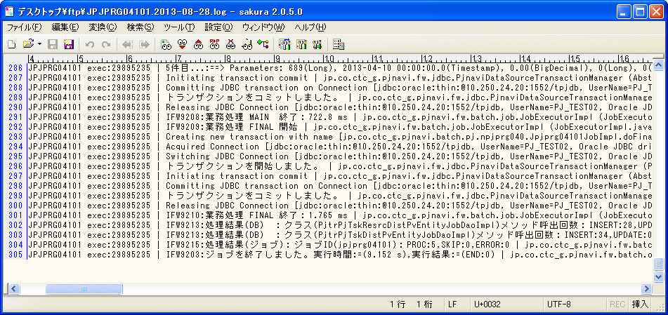
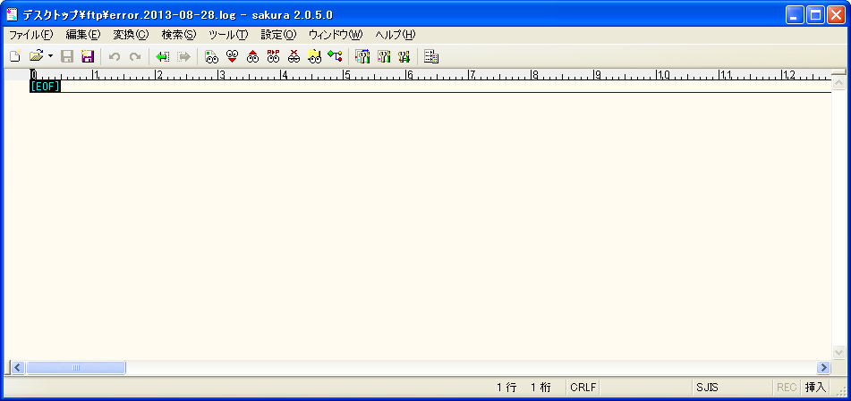

エラーログなし

正常終了していることを確認

タスクリソース別PVトラン
 | SELECT * FROM PJTR_PJ_TSK_RESRC_DIST_PV t where t.PRJ_CD = 'PJ12000197' order by tsk_uid, t.RPT_BSDT
 | TSK_UID | RPT_BSDT | EMP_CD | PLN_MNHOUR | PRJ_CD | WEEK_PV | WEEK_PV_PRICE | CUMU_PV | CUMU_PV_PRICE | THIS_RSLT | THIS_RSLT_REM | AC | AC_PRICE | DEL_FLG | REG_USR_ID | REG_PGM_ID | REG_TS | UPD_USR_ID | UPD_PGM_ID | UPD_TS | VER_NO
 | 689 | 2013/04/03 | 2010115 | 0 | PJ12000197 | 0 | 0 | 0 | 0 | 0.35 | 0.65 |  |  | 0 | 9999999999 | jpjprg04101 | 2013/08/28 08:36:48 | 9999999999 | jpjprg04101 | 2013/08/28 08:36:48 | 1
 | 689 | 2013/04/10 | 2010115 | 0 | PJ12000197 | 0 | 0 | 0 | 0 | 0.35 | 0.65 |  |  | 0 | 9999999999 | jpjprg04101 | 2013/08/28 08:36:48 | 9999999999 | jpjprg04101 | 2013/08/28 08:36:48 | 1
 | 690 | 2013/04/03 | 2010115 | 3 | PJ12000197 | 0.86 | 0 | 0.86 | 0 | 10 | 100 |  |  | 0 | 9999999999 | jpjprg04101 | 2013/08/28 08:36:48 | 9999999999 | jpjprg04101 | 2013/08/28 08:36:48 | 1
 | 690 | 2013/04/10 | 2010115 | 3 | PJ12000197 | 2.14 | 0 | 3 | 0 | 10 | 100 |  |  | 0 | 9999999999 | jpjprg04101 | 2013/08/28 08:36:48 | 9999999999 | jpjprg04101 | 2013/08/28 08:36:48 | 1
 | 695 | 2013/04/03 | 2010115 | 0 | PJ12000197 | 0 | 0 | 0 | 0 |  |  |  |  | 0 | 9999999999 | jpjprg04101 | 2013/08/28 08:36:48 | 9999999999 | jpjprg04101 | 2013/08/28 08:36:48 | 1
 | 695 | 2013/04/10 | 2010115 | 0 | PJ12000197 | 0 | 0 | 0 | 0 |  |  |  |  | 0 | 9999999999 | jpjprg04101 | 2013/08/28 08:36:48 | 9999999999 | jpjprg04101 | 2013/08/28 08:36:48 | 1
 | 696 | 2013/04/03 | 2010115 | 3 | PJ12000197 | 0.86 | 0 | 0.86 | 0 |  |  |  |  | 0 | 9999999999 | jpjprg04101 | 2013/08/28 08:36:48 | 9999999999 | jpjprg04101 | 2013/08/28 08:36:48 | 1
 | 696 | 2013/04/10 | 2010115 | 3 | PJ12000197 | 2.14 | 0 | 3 | 0 |  |  |  |  | 0 | 9999999999 | jpjprg04101 | 2013/08/28 08:36:48 | 9999999999 | jpjprg04101 | 2013/08/28 08:36:48 | 1
 | 699 | 2013/04/03 | 2010115 | 0 | PJ12000197 | 0 | 0 | 0 | 0 |  |  |  |  | 0 | 9999999999 | jpjprg04101 | 2013/08/28 08:36:48 | 9999999999 | jpjprg04101 | 2013/08/28 08:36:48 | 1
 | 699 | 2013/04/03 | 2050019 | 0 | PJ12000197 | 0 | 0 | 0 | 0 |  |  |  |  | 0 | 9999999999 | jpjprg04101 | 2013/08/28 08:36:48 | 9999999999 | jpjprg04101 | 2013/08/28 08:36:48 | 1
 | 699 | 2013/04/10 | 2010115 | 0 | PJ12000197 | 0 | 0 | 0 | 0 |  |  |  |  | 0 | 9999999999 | jpjprg04101 | 2013/08/28 08:36:48 | 9999999999 | jpjprg04101 | 2013/08/28 08:36:48 | 1
 | 699 | 2013/04/10 | 2050019 | 0 | PJ12000197 | 0 | 0 | 0 | 0 |  |  |  |  | 0 | 9999999999 | jpjprg04101 | 2013/08/28 08:36:48 | 9999999999 | jpjprg04101 | 2013/08/28 08:36:48 | 1

・日・タスク別 | 1回目
 | ./execute-batch.sh -n npjprg010 -j jpjprg01001 -p pjcd:7

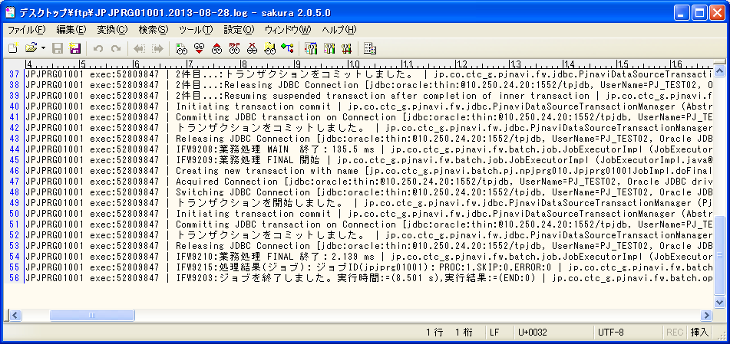


エラーログなし

正常終了していることを確認

稼働明細
 | SELECT * FROM PJTR_MI_OPE_DT T WHERE T.PRJ_CD = 'PJ12000197'
 | OPE_DT_ID | ENT_PSN_ID | OPE_DT | TSK_ID | TSK_MK_SYS_SEG | OPE_DT_SEQ | PRJ_CD | OPE_TM | EGY_CHG_ID | OPE_DT_CMT | TMP_COMP_DONE_FLG | BUSI_PROC_DT | DEL_FLG | REG_USR_ID | REG_PGM_ID | REG_TS | UPD_USR_ID | UPD_PGM_ID | UPD_TS | VER_NO

稼働仮コスト
 | SELECT * FROM PJTR_PJ_OPE_TMP_CST t where t.PRJ_CD = 'PJ12000197'
 | PRJ_CD | WBS_ID | TSK_UID | EMP_ID | OPE_DT | OPE_YYMM | OPE_TM | EMP_SEG | EXP_SELL_TMPRICE | AC_PRICE | ENT_CLOSE_DT | DEL_FLG | REG_USR_ID | REG_PGM_ID | REG_TS | UPD_USR_ID | UPD_PGM_ID | UPD_TS | VER_NO

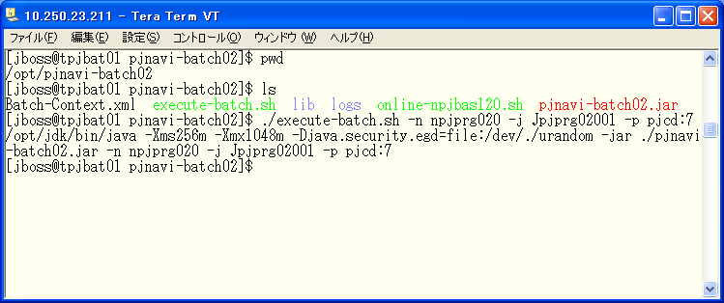
・タスク別稼働コスト仮計算
 | ./execute-batch.sh -n npjprg020 -j Jpjprg02001 -p pjcd:7

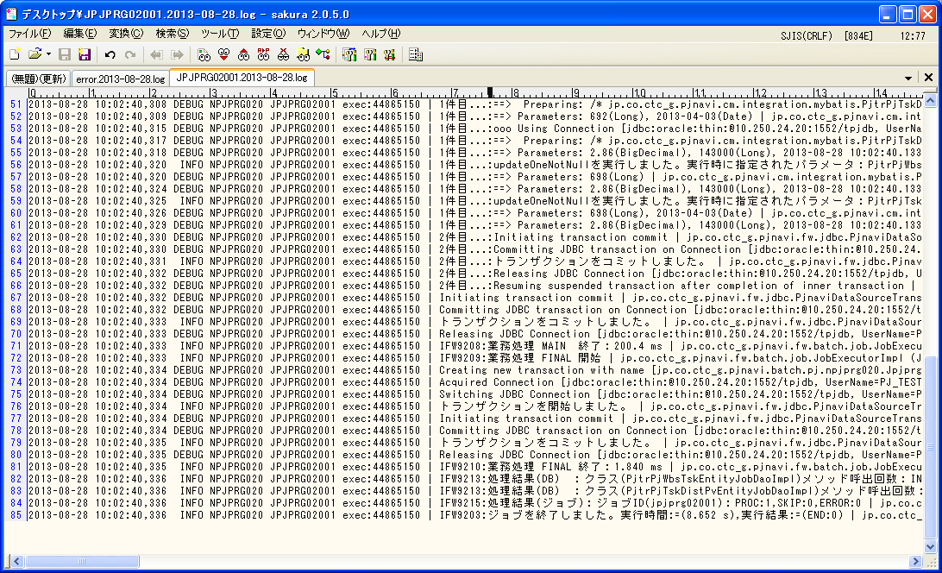
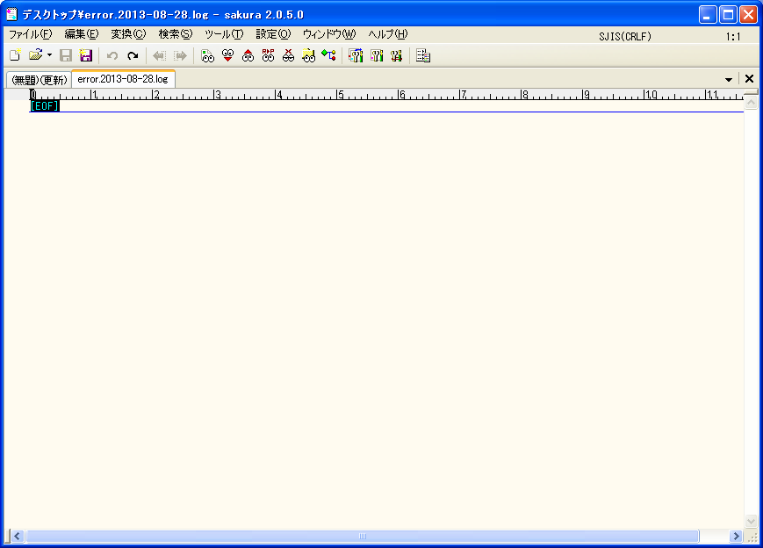

エラーログなし

正常終了していることを確認

稼働明細
 | SELECT * FROM PJTR_MI_OPE_DT T WHERE T.PRJ_CD = 'PJ12000197'
 | OPE_DT_ID | ENT_PSN_ID | OPE_DT | TSK_ID | TSK_MK_SYS_SEG | OPE_DT_SEQ | PRJ_CD | OPE_TM | EGY_CHG_ID | OPE_DT_CMT | TMP_COMP_DONE_FLG | BUSI_PROC_DT | DEL_FLG | REG_USR_ID | REG_PGM_ID | REG_TS | UPD_USR_ID | UPD_PGM_ID | UPD_TS | VER_NO

稼働仮コスト
 | SELECT * FROM PJTR_PJ_OPE_TMP_CST t where t.PRJ_CD = 'PJ12000197'
 | PRJ_CD | WBS_ID | TSK_UID | EMP_ID | OPE_DT | OPE_YYMM | OPE_TM | EMP_SEG | EXP_SELL_TMPRICE | AC_PRICE | ENT_CLOSE_DT | DEL_FLG | REG_USR_ID | REG_PGM_ID | REG_TS | UPD_USR_ID | UPD_PGM_ID | UPD_TS | VER_NO

・プロジェクト別稼働コスト仮計算（社員・派遣）
 | ./execute-batch.sh -n npjprg030 -j Jpjprg03001 -p pjcd:7
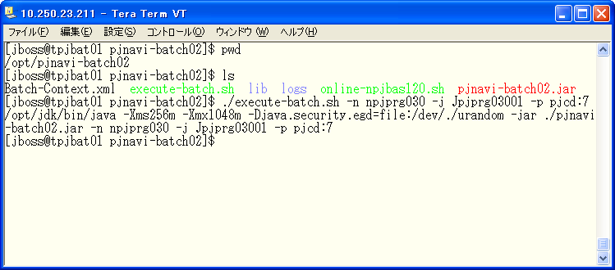

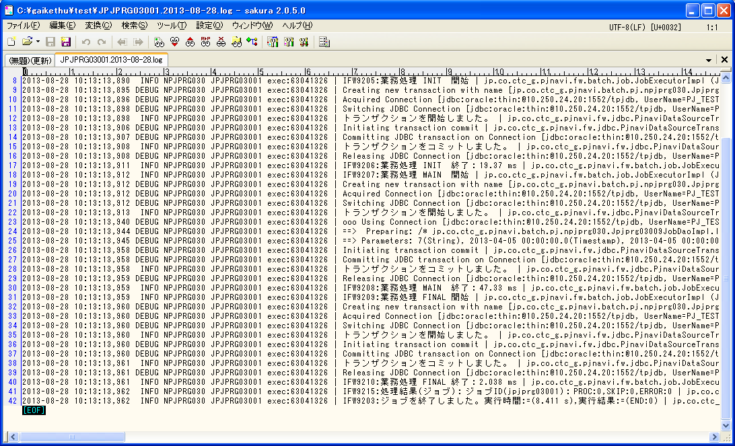

エラーログなし

正常終了していることを確認

・WBS情報退避
 | ./execute-batch.sh -n npjprg080 -j Jpjprg08001 -p pjcd:7


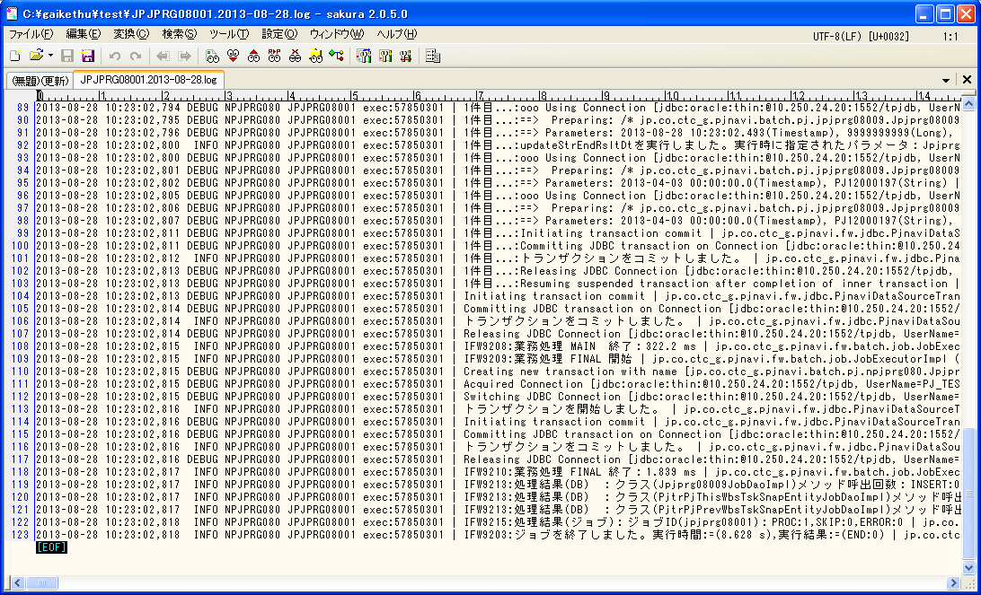

エラーログなし

正常終了していることを確認

 | SELECT * FROM PJTR_PJ_THIS_WBS_TSK_SNAP T WHERE T.PRJ_CD = 'PJ12000197'
 | SI_DEAL_CD | PRJ_CD | WBS_ID | TSK_UID | TSK_NM | EMP_ID | SHIP_MNG_NO | RPT_BSDT | UNTPRICE | ACC_RATE | PLN_ACC_RATE | STR_PLN_DT | END_PLN_DT | STR_RSLT_DT | END_RSLT_DT | FCT_CMP_DT | DELAY_DAYS | BAC | FCT_CMP_MNHOUR | FCT_CMP_DIF | PV | EV | AC | SPI | CPI | EAC | ETC | VAC | SV | CV | BAC_PRICE | FCT_CMP_PRICE | FCT_CMP_DIF_PRICE | PV_PRICE | EV_PRICE | AC_PRICE | EAC_PRICE | ETC_PRICE | VAC_PRICE | SV_PRICE | CV_PRICE | ENT_CLOSE_DT | DEL_FLG | REG_USR_ID | REG_PGM_ID | REG_TS | UPD_USR_ID | UPD_PGM_ID | UPD_TS | VER_NO
 | SI12000093 | PJ12000197 | 688 | 690 | 社員_成果物数量0_数量型_実績有あり | 6738 | 000 | 2013/04/03 | 0 | 0.09 | 0.2867 | 2013/04/02 | 2013/04/10 | 2013/04/02 |  | 2013/05/07 | 5 | 3 | 9.55 | -6.55 | 0.86 | 0.27 | 0 | 0.314 | 0 | 0 | 0 | 0 | -0.59 | 0.27 | 0 | 0 | 0 | 0 | 0 | 0 | 0 | 0 | 0 | 0 | 0 | 2013/04/05 | 0 | 9999999999 | jpjprg08001 | 2013/08/28 10:23:02 | 9999999999 | jpjprg08001 | 2013/08/28 10:23:02 | 1
 | SI12000093 | PJ12000197 | 688 | 692 | 発注_成果物数量0_数量型_実績有り | 0 | 001 | 2013/04/03 | 50000 | 1 | 0.286 | 2013/04/02 | 2013/04/10 | 2013/04/02 | 2013/04/02 | 2013/04/04 | -1 | 10 | 2.86 | 7.14 | 2.86 | 10 | 2.86 | 3.4965 | 3.4965 | 2.86 | 0 | 7.14 | 7.14 | 7.14 | 500000 | 143000 | 357000 | 143000 | 500000 | 143000 | 143000 | 0 | 357000 | 357000 | 357000 | 2013/04/05 | 0 | 9999999999 | jpjprg08001 | 2013/08/28 10:23:02 | 9999999999 | jpjprg08001 | 2013/08/28 10:23:02 | 1
 | SI12000093 | PJ12000197 | 688 | 696 | 社員_成果物数量0_数量型_実績無し | 6738 | 000 | 2013/04/03 | 0 | 0 | 0.2867 | 2013/04/02 | 2013/04/10 |  |  | 2013/04/10 |  | 3 | 0 | 0 | 0.86 | 0 | 0 | 0 | 0 | 0 | 0 | 0 | -0.86 | 0 | 0 | 0 | 0 | 0 | 0 | 0 | 0 | 0 | 0 | 0 | 0 | 2013/04/05 | 0 | 9999999999 | jpjprg08001 | 2013/08/28 10:23:02 | 9999999999 | jpjprg08001 | 2013/08/28 10:23:02 | 1
 | SI12000093 | PJ12000197 | 688 | 698 | 発注_成果物数量0_数量型_実績無し | 0 | 001 | 2013/04/03 | 50000 | 1 | 0.286 | 2013/04/02 | 2013/04/10 | 2013/04/02 |  | 2013/04/04 | -1 | 10 | 2.86 | 7.14 | 2.86 | 10 | 2.86 | 3.4965 | 3.4965 | 2.86 | 0 | 7.14 | 7.14 | 7.14 | 500000 | 143000 | 357000 | 143000 | 500000 | 143000 | 143000 | 0 | 357000 | 357000 | 357000 | 2013/04/05 | 0 | 9999999999 | jpjprg08001 | 2013/08/28 10:23:02 | 9999999999 | jpjprg08001 | 2013/08/28 10:23:02 | 1

・プロジェクト別EVM集計
 | ./execute-batch.sh -n npjprg050 -j Jpjprg05001 -p pjcd:7
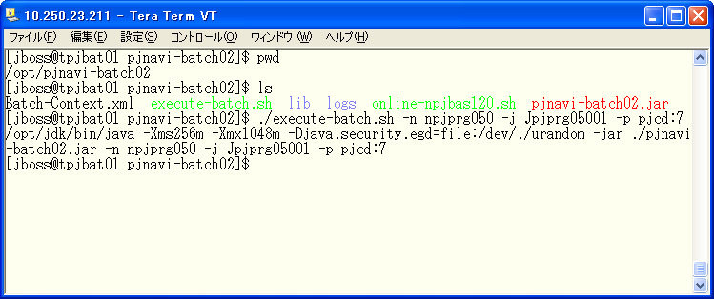

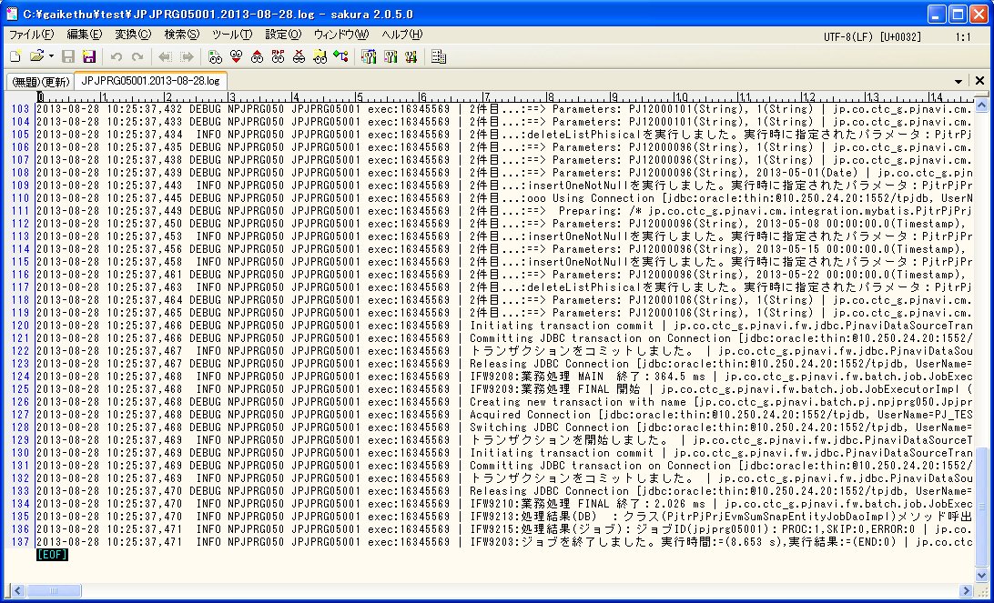

エラーログなし

正常終了していることを確認

 | SELECT * FROM PJTR_PJ_PRJ_EVM_SUM_SNAP T WHERE T.PRJ_CD = 'PJ12000197'
 | PRJ_CD | RPT_BSDT | SI_DEAL_CD | PLN_STR_DT | PLN_END_DT | RSLT_STR_DT | RSLT_END_DT | FCT_CMP_DT | FCT_CMP_MNHOUR | DELAY_DAYS | SPI | CPI | ACC_RATE | PLN_ACC_RATE | BAC | PV | EV | AC | EAC | ETC | VAC | SV | CV | BAC_PRICE | PV_PRICE | EV_PRICE | AC_PRICE | EAC_PRICE | ETC_PRICE | VAC_PRICE | SV_PRICE | CV_PRICE | AC2_PRICE | EAC2_PRICE | ETC2_PRICE | VAC2_PRICE | CV2_PRICE | FCT_FLG | PLN_END_AF_FLG | CMP_AF_FLG | DEL_FLG | REG_USR_ID | REG_PGM_ID | REG_TS | UPD_USR_ID | UPD_PGM_ID | UPD_TS | VER_NO
 | PJ12000197 | 2013/04/03 | SI12000093 | 2013/04/02 | 2013/04/10 | 2013/04/02 |  | 2013/04/04 | 9.54 | -1 | 2.7245 | 3.5437 | 0.7796 | 0.2862 | 26 | 7.44 | 20.27 | 5.72 | 7.34 | 1.62 | 18.66 | 12.83 | 14.55 | 1000000 | 286000 | 779196 | 219882 | 282191 | 62309 | 717809 | 493196 | 559314 | 0 | 0 | 0 | 0 | 0 | 0 | 0 | 0 | 0 | 9999999999 | jpjprg05001 | 2013/08/28 10:25:37 | 9999999999 | jpjprg05001 | 2013/08/28 10:25:37 | 1
 | PJ12000197 | 2013/04/10 | SI12000093 | 2013/04/02 | 2013/04/10 | 2013/04/02 |  | 2013/04/04 | 9.54 | 0 | 2.7245 | 3.5437 | 1 | 1 | 26 | 26 | 26 | 7.34 | 7.34 | 0 | 18.66 | 0 | 18.66 | 1000000 | 1000000 | 1000000 | 282308 | 282308 | 0 | 717692 | 0 | 717692 | 0 | 0 | 0 | 0 | 0 | 1 | 0 | 0 | 0 | 9999999999 | jpjprg05001 | 2013/08/28 10:25:37 | 9999999999 | jpjprg05001 | 2013/08/28 10:25:37 | 1


・WBS別EVM集計
 | ./execute-batch.sh -n npjprg060 -j Jpjprg06001 -p pjcd:7

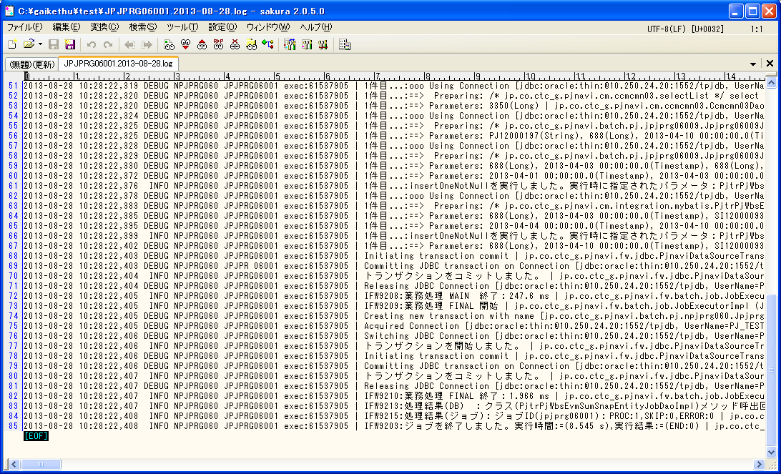

エラーログなし

正常終了していることを確認

 | SELECT * FROM PJTR_PJ_WBS_EVM_SUM_SNAP T WHERE T.PRJ_CD = 'PJ12000197'
 | WBS_ID | RPT_BSDT | SI_DEAL_CD | PRJ_CD | PLN_STR_DT | PLN_END_DT | RSLT_STR_DT | RSLT_END_DT | FCT_CMP_DT | FCT_CMP_MNHOUR | DELAY_DAYS | SPI | CPI | ACC_RATE | PLN_ACC_RATE | BAC | PV | EV | AC | EAC | ETC | VAC | SV | CV | BAC_PRICE | PV_PRICE | EV_PRICE | AC_PRICE | EAC_PRICE | ETC_PRICE | VAC_PRICE | SV_PRICE | CV_PRICE | FCT_FLG | PLN_END_AF_FLG | DEL_FLG | REG_USR_ID | REG_PGM_ID | REG_TS | UPD_USR_ID | UPD_PGM_ID | UPD_TS | VER_NO
 | 688 | 2013/04/03 | SI12000093 | PJ12000197 | 2013/04/02 | 2013/04/10 | 2013/04/02 |  | 2013/04/04 | 9.54 | -1 | 2.7245 | 3.5437 | 0.7796 | 0.2862 | 26 | 7.44 | 20.27 | 5.72 | 7.34 | 1.62 | 18.66 | 12.83 | 14.55 | 1000000 | 286000 | 779196 | 219882 | 282191 | 62309 | 717809 | 493196 | 559314 | 0 | 0 | 0 | 9999999999 | jpjprg06001 | 2013/08/28 10:28:22 | 9999999999 | jpjprg06001 | 2013/08/28 10:28:22 | 1
 | 688 | 2013/04/10 | SI12000093 | PJ12000197 | 2013/04/02 | 2013/04/10 | 2013/04/02 |  | 2013/04/04 | 9.54 | 0 | 2.7245 | 3.5437 | 1 | 1 | 26 | 26 | 26 | 7.34 | 7.34 | 0 | 18.66 | 0 | 18.66 | 1000000 | 1000000 | 1000000 | 282308 | 282308 | 0 | 717692 | 0 | 717692 | 1 | 0 | 0 | 9999999999 | jpjprg06001 | 2013/08/28 10:28:22 | 9999999999 | jpjprg06001 | 2013/08/28 10:28:22 | 1

2回目(EVM集計確認用)
環境 | PJ_TEST02
ユーザ | z2010115

開始前
業務日付
 | SELECT * FROM PJTM_FW_BUSI_DT
 | ON_BAT_SEG | BUSI_DT | DEL_FLG | REG_USR_ID | REG_PGM_ID | REG_TS | UPD_USR_ID | UPD_PGM_ID | UPD_TS | VER_NO
 | OL | 2013/04/06 | 0 | 1 | PGM00001 | 2013/01/01 01:01:01 | 1 | PGM00001 | 2013/01/15 23:59:59 | 1
 | BT | 2013/04/05 | 0 | 1 | PGM00001 | 2013/01/01 01:01:01 | 1 | PGM00001 | 2013/01/15 23:59:59 | 1

SI案件
 | SELECT * FROM PJTR_PJ_SI_DEAL t where t.SI_DEAL_CD = 'SI12000093'
 | SI_DEAL_CD | SI_DEAL_NM | SI_DEAL_STATS | SI_DEAL_STATS_UPD_DT | SI_DEAL_STR_DT | SI_DEAL_END_DT | SI_DEAL_CUST_CD | SI_DEAL_CUST_CONT_ORGAN_NM | SI_DEAL_CUST_CONT_CHG | SI_DEAL_CUST_CONT_TEL | SI_DEAL_CUST_CONT_FAX | SI_DEAL_CUST_CONT_EMAIL | SI_DEAL_EGY_DEPT_CD | SI_DEAL_EGY_EMP_CD | SI_DEAL_AUTO_MK_FLG | PROP_CST_LMT_PRICE | SI_REL_CONT_EST_PRICE | SI_REL_CONT_COST_EST_PRICE | SV_REL_CONT_EST_PRICE | SV_REL_CONT_COST_EST_PRICE | EQP_CONT_EST_PRICE | EQP_CONT_COST_EST_PRICE | INCO_FLG | ALERT_NOTICE_DEST_1 | ALERT_NOTICE_DEST_2 | ALERT_NOTICE_DEST_3 | DEL_FLG | REG_USR_ID | REG_PGM_ID | REG_TS | UPD_USR_ID | UPD_PGM_ID | UPD_TS | VER_NO
 | SI12000093 | 真島_0 divide_check | 10 | 2013/04/06 | 2013/04/01 | 2013/09/30 | 0000020703 | 顧客組織 | 顧客担当 | 99-9999-9999 | 99-9999-9999 | 9999@pjnavi.xxx | 0112321200 | 2010115 | 0 | 1000000 | 10000000 | 0 | 0 | 0 | 0 | 0 | 0 | alert1@pjnavi.xxx |  |  | 0 | 6738 | DPJBAS01000 | 2013/08/27 19:43:29 | 6738 | DPJBAS01000 | 2013/08/27 19:43:29 | 1

SI案件リソース
 | SELECT * FROM PJTR_PJ_SI_DEAL_RESRC t where t.SI_DEAL_CD = 'SI12000093'
 | SI_DEAL_CD | SI_RESRC_EMP_CD | SI_RESRC_STR_DT | SI_RESRC_END_DT | SI_RESRC_ROLE | DEL_FLG | REG_USR_ID | REG_PGM_ID | REG_TS | UPD_USR_ID | UPD_PGM_ID | UPD_TS | VER_NO
 | SI12000093 | 2010115 | 2013/04/01 | 2013/09/30 | 01 | 0 | 6738 | DPJBAS01000 | 2013/08/27 19:43:29 | 6738 | DPJBAS01000 | 2013/08/27 19:43:29 | 1
 | SI12000093 | 2010115 | 2013/04/01 | 2013/09/30 | 03 | 0 | 6738 | DPJBAS04000 | 2013/08/27 19:44:18 | 6738 | DPJBAS04000 | 2013/08/27 19:44:18 | 1

プロジェクトトラン
 | SELECT * FROM PJTR_PJ_PRJ T WHERE T.PRJ_CD = 'PJ12000200'
 | SI_DEAL_CD | PRJ_CD | WHCO_MNG_PRJ_NO | PRJ_NM | PRJ_DT_NM | PRJ_STR_DT | PRJ_END_DT | PRJ_STATS_SEG | PRJ_TPL | PRJ_FORM_SEG | PRJ_INCO_PSC_FLG | PROS_INCO_PRICE | PRJ_PROP_CST_LMT_PRICE | PRJ_RPT_BS_YOUBI | PRJ_PROG_ENT_CLOSE_YOUBI | PRJ_BAS_OPE_TM | PRJ_EGY_EMP_CD | PRJ_EGY_EMP_AUTO_LNK_FLG | PRJ_SLS_COST_TRNS_DEPT_CD | PRJ_DEV_DEPT_CD | SI_DEAL_SYNC_REG_FLG | PRJ_CUST_CD | PRJ_OPN_NOTICE_FLG | PRJ_SHIP_APP_NOTICE_FLG | PRJ_PROG_AUTO_SET_FLG | PRJ_OUTS_PROG_AUTO_SET_FLG | PROP_PRJ_FLG | FLAW_PRJ_FLG | FLAW_PRJ_CD | PRJ_STATS_RECV_DT | SND_FLG | BUSI_PROC_DT | ALERT_NOTICE_DEST_1 | ALERT_NOTICE_DEST_2 | ALERT_NOTICE_DEST_3 | DEL_FLG | REG_USR_ID | REG_PGM_ID | REG_TS | UPD_USR_ID | UPD_PGM_ID | UPD_TS | VER_NO
 | SI12000093 | PJ12000200 |  | 伊田_0 divide | 伊田_0 divide check | 2013/04/01 | 2013/09/30 | 010 | T010000010 | DEV:開発(一括) | 0 |  | 0 | 3 | 5 | 7.5 | 2010115 | 0 |  | 0112321200 | 0 | 0000020703 | 1 | 1 | 1 | 1 | 0 | 0 |  |  | 0 | 2013/04/06 |  |  |  | 0 | 6738 | DPJBAS06000 | 13-08-28 10:53:46.275 | 6738 | DPJBAS06000 | 13-08-28 10:53:46.275 | 1
プロジェクトリソーストラン
 | SELECT * FROM PJTR_PJ_PRJ_RESRC t where t.PRJ_CD = 'PJ12000200'
 | PRJ_CD | PRJ_RESRC_EMP_CD | PRJ_RESRC_EMP_NM | PRJ_RESRC_STR_DT | PRJ_RESRC_END_DT | PRJ_RESRC_ROLE | PRJ_RESRC_OPE_TM | PRJ_RESRC_TBA_FLG | PRJ_RESRC_TBA_PST_ID | DEL_FLG | REG_USR_ID | REG_PGM_ID | REG_TS | UPD_USR_ID | UPD_PGM_ID | UPD_TS | VER_NO
 | PJ12000200 | 2008010 |  | 2013/04/01 | 2013/09/30 | 1002 | 7.5 | 0 |  | 0 | 6738 | DPJBAS09000 | 2013/08/28 11:17:43 | 6738 | DPJBAS09000 | 2013/08/28 11:17:43 | 1
 | PJ12000200 | 2010115 |  | 2013/04/01 | 2013/09/30 | 1 | 7.5 | 0 |  | 0 | 6738 | DPJBAS06000 | 2013/08/28 10:53:46 | 6738 | DPJBAS06000 | 2013/08/28 10:53:46 | 1

プロジェクトNext.MIタスクトラン
 | SELECT * FROM PJTR_PJ_PRJ_NEXTMI_TSK t where t.PRJ_CD = 'PJ12000200'
 | PRJ_CD | NEXTMI_FLNK_TSK_ID | NEXTMI_TSK_NO | NEXTMI_TSK_NM | LEVY_POS_FLG | SV_TYP_CD | TSK_ENF_ORGAN_ID | FLAW_FLG | DEL_FLG | REG_USR_ID | REG_PGM_ID | REG_TS | UPD_USR_ID | UPD_PGM_ID | UPD_TS | VER_NO
 | PJ12000200 | 1005 | 2.1.01 | ﾌﾟﾛｼﾞｪｸﾄ推進・管理 | 1 | CIP_SI_TIME | 161 | 0 | 0 | 6738 | DPJBAS06000 | 2013/08/28 10:53:46 | 6738 | DPJBAS06000 | 2013/08/28 10:53:46 | 1
 | PJ12000200 | 1006 | 2.1.02 | FS | 1 | CIP_SI_TIME | 161 | 0 | 0 | 6738 | DPJBAS06000 | 2013/08/28 10:53:46 | 6738 | DPJBAS06000 | 2013/08/28 10:53:46 | 1
 | PJ12000200 | 1007 | 2.1.04 | 基本設計 | 1 | CIP_SI_TIME | 161 | 0 | 0 | 6738 | DPJBAS06000 | 2013/08/28 10:53:46 | 6738 | DPJBAS06000 | 2013/08/28 10:53:46 | 1
 | PJ12000200 | 1008 | 2.1.05 | 詳細設計 | 1 | CIP_SI_TIME | 161 | 0 | 0 | 6738 | DPJBAS06000 | 2013/08/28 10:53:46 | 6738 | DPJBAS06000 | 2013/08/28 10:53:46 | 1
 | PJ12000200 | 1009 | 2.1.06 | ﾌﾟﾛｸﾞﾗﾑ作成,単体ﾃｽﾄ | 1 | CIP_SI_TIME | 161 | 0 | 0 | 6738 | DPJBAS06000 | 2013/08/28 10:53:46 | 6738 | DPJBAS06000 | 2013/08/28 10:53:46 | 1
 | PJ12000200 | 1010 | 2.1.08 | 結合ﾃｽﾄ | 1 | CIP_SI_TIME | 161 | 0 | 0 | 6738 | DPJBAS06000 | 2013/08/28 10:53:46 | 6738 | DPJBAS06000 | 2013/08/28 10:53:46 | 1
 | PJ12000200 | 1011 | 2.1.09 | ｼｽﾃﾑﾃｽﾄ | 1 | CIP_SI_TIME | 161 | 0 | 0 | 6738 | DPJBAS06000 | 2013/08/28 10:53:46 | 6738 | DPJBAS06000 | 2013/08/28 10:53:46 | 1
 | PJ12000200 | 1012 | 2.1.10 | DB設計 | 1 | CIP_SI_TIME | 161 | 0 | 0 | 6738 | DPJBAS06000 | 2013/08/28 10:53:46 | 6738 | DPJBAS06000 | 2013/08/28 10:53:46 | 1
 | PJ12000200 | 1013 | 2.1.11 | 受入検収立会 | 1 | CIP_SI_TIME | 161 | 0 | 0 | 6738 | DPJBAS06000 | 2013/08/28 10:53:46 | 6738 | DPJBAS06000 | 2013/08/28 10:53:46 | 1
 | PJ12000200 | 1014 | 2.1.12 | 教育 | 1 | CIP_SI_TIME | 161 | 0 | 0 | 6738 | DPJBAS06000 | 2013/08/28 10:53:46 | 6738 | DPJBAS06000 | 2013/08/28 10:53:46 | 1
 | PJ12000200 | 1015 | 2.1.13 | 操作ﾏﾆｭｱﾙ | 1 | CIP_SI_TIME | 161 | 0 | 0 | 6738 | DPJBAS06000 | 2013/08/28 10:53:46 | 6738 | DPJBAS06000 | 2013/08/28 10:53:46 | 1
 | PJ12000200 | 1016 | 2.1.14 | 運用ﾏﾆｭｱﾙ | 1 | CIP_SI_TIME | 161 | 0 | 0 | 6738 | DPJBAS06000 | 2013/08/28 10:53:46 | 6738 | DPJBAS06000 | 2013/08/28 10:53:46 | 1
 | PJ12000200 | 1017 | 2.1.15 | ｲﾝｽﾄﾚｰｼｮﾝ | 1 | CIP_SI_TIME | 161 | 0 | 0 | 6738 | DPJBAS06000 | 2013/08/28 10:53:46 | 6738 | DPJBAS06000 | 2013/08/28 10:53:46 | 1
 | PJ12000200 | 1018 | 2.1.16 | 移行 | 1 | CIP_SI_TIME | 161 | 0 | 0 | 6738 | DPJBAS06000 | 2013/08/28 10:53:46 | 6738 | DPJBAS06000 | 2013/08/28 10:53:46 | 1
 | PJ12000200 | 1019 | 2.1.17 | 品質管理 | 1 | CIP_SI_TIME | 161 | 0 | 0 | 6738 | DPJBAS06000 | 2013/08/28 10:53:46 | 6738 | DPJBAS06000 | 2013/08/28 10:53:46 | 1
 | PJ12000200 | 1020 | 2.1.99 | その他 | 1 | CIP_SI_TIME | 161 | 0 | 0 | 6738 | DPJBAS06000 | 2013/08/28 10:53:46 | 6738 | DPJBAS06000 | 2013/08/28 10:53:46 | 1
 | PJ12000200 | 1058 | 6.1.01 | 瑕疵対応 | 1 | CGS_AFT | 161 | 1 | 0 | 6738 | DPJBAS06000 | 2013/08/28 10:53:46 | 6738 | DPJBAS06000 | 2013/08/28 10:53:46 | 1

WBSトラン
 | SELECT * FROM PJTR_PJ_WBS t where t.PRJ_CD = 'PJ12000200'
 | WBS_ID | WBS_CD | WBS_NM | PRJ_CD | PARENT_WBS_ID | DSP_SEQ | DEL_FLG | REG_USR_ID | REG_PGM_ID | REG_TS | UPD_USR_ID | UPD_PGM_ID | UPD_TS | VER_NO
 | 700 | 1. | WBS02 | PJ12000200 |  | 1 | 0 | 6738 | DPJWBS01000 | 2013/08/28 11:02:08 | 6738 | DPJWBS01000 | 2013/08/28 11:02:08 | 1

WBSタスクトラン
 | SELECT *
 | FROM PJTR_PJ_WBS_TSK t
 | where t.PRJ_CD = 'PJ12000200'
 | START WITH PARENT_TSK_UID is null
 | CONNECT BY prior TSK_UID = PARENT_TSK_UID
 | ORDER SIBLINGS BY DSP_SEQ
 | TSK_UID | TSK_NM | TYP | PARENT_TSK_UID | WBS_ID | TSK_CD | NEXTMI_FLNK_TSK_ID | DSP_SEQ | PRJ_CD | ACC_MES_KND_CD | SHIP_TSK_FLG | SHIP_MNG_NO | PLN_PROD_QUAL | PLN_MNHOUR | STR_PLN_DT | END_PLN_DT | HDAY_OPE_FLG | STR_RSLT_DT | END_RSLT_DT | PRJ_EXCEPT_SEG | PRJ_UND_FLG | PREV_RSLT | PREV_RSLT_REM | THIS_RSLT | THIS_RSLT_REM | NEXT_RSLT | NEXT_RSLT_REM | AC | AC_PRICE | CMT | RES_ITEM_1 | RES_ITEM_2 | RES_ITEM_3 | RES_ITEM_4 | RES_ITEM_5 | DEL_FLG | REG_USR_ID | REG_PGM_ID | REG_TS | UPD_USR_ID | UPD_PGM_ID | UPD_TS | VER_NO
 | 700 | WBS02 | 10 |  | 700 | 1. |  | 1 | PJ12000200 | 0 | 0 |  |  |  |  |  | 0 |  |  | 0 | 1 |  |  |  |  |  |  |  |  |  |  |  |  |  |  | 0 | 6738 | DPJWBS01000 | 2013/08/28 11:02:08 | 6738 | DPJWBS01000 | 2013/08/28 11:02:08 | 1
 | 701 | 実績無しサマリ | 20 | 700 | 700 | 1. |  | 1 | PJ12000200 | 10 | 0 |  |  |  |  |  | 0 |  |  | 0 | 0 |  |  |  |  |  |  |  |  |  |  |  |  |  |  | 0 | 6738 | DPJWBS01000 | 2013/08/28 11:07:49 | 6738 | DPJWBS01000 | 2013/08/28 11:07:49 | 1
 | 702 | 社員_予定工数0_実績無し | 70 | 701 | 700 | 2. | 1005 | 1 | PJ12000200 | 10 | 0 |  |  | 0 | 2013/04/02 | 2013/04/10 | 0 |  |  | 0 | 0 |  |  |  |  |  |  |  |  |  |  |  |  |  |  | 0 | 6738 | DPJWBS01000 | 2013/08/28 11:07:49 | 6738 | DPJWBS01000 | 2013/08/28 11:07:49 | 1

WBSタスクリソーストラン
 | SELECT * FROM PJTR_PJ_WBS_TSK_RESRC t where t.PRJ_CD = 'PJ12000200'
 | TSK_UID | EMP_CD | DSP_SEQ | PLN_MNHOUR | PRJ_CD | AC | AC_PRICE | CMT | RES_ITEM | DEL_FLG | REG_USR_ID | REG_PGM_ID | REG_TS | UPD_USR_ID | UPD_PGM_ID | UPD_TS | VER_NO
 | 702 | 2008010 | 1 | 0 | PJ12000200 |  |  |  |  | 0 | 6738 | DPJWBS01000 | 2013/08/28 11:18:21 | 6738 | DPJWBS01000 | 2013/08/28 11:18:21 | 1

採算原価見積
 | SELECT * FROM PJTR_PJ_PROSC_EST t where t.PRJ_CD = 'PJ12000200'
 | PRJ_CD | PROSC_VER | PROSC_VER_NM | PROS_EST_SEG | PROS_EST_MK_DT | PROS_EST_EMP_CD | PROS_EST_VLD_DT | PROS_BASELINE_VER | PROS_BASELINE_FLG | PROS_BASELINE_VLD_FLG | PROS_FXD_FLG | PROS_LNK_FLG | PROS_VLD_FLG | PROS_SND_DT | PROS_PRT_NUM | PROS_LST_PRT_DT | PROS_STF_COST_PRICE | PROS_STF_OPE_PLN_TM | PROS_DP_COST_PRICE | PROS_DP_OPE_PLN_TM | PROS_BLKODR_PRICE | PROS_EXP_PRICE | PROS_CON_PRICE | PRJ_PROSC_SUM_PRICE | PRJ_SYS_NM | PRJ_SYS_SHORTNM | CUTOVR_OPE_PLN_DT | PRJ_CONT_PLN_DT | PRJ_SEG | PRJ_SPQLY_SEG | PRJ_IMPTT_FLG | CUST_REQ_DEVTRM | DEV_TRM | PRJ_SYS_SMRY | PRJ_DEV_TAR_RANGE | PRJ_EST_INDI_STMT_REQIM | PRJ_TMPEST_RSN | PRJ_EST_COND_SEG | PRJ_EST_COND_OTHER | PRJ_ACCEPT_COND_SEG | PRJ_ACCEPT_COND_OTHER | PRJ_ACCEPT_LOC_SEG | PRJ_ACCEPT_LOC_OTHER | PRJ_ACCEPT_PSN_NM | PRJ_GRN_TRM | PRJ_GRN_TRM_OTHER | PROD_RDD_FLG | PROD_BDD_FLG | SEIKA_DB_DOC_FLG | PROD_DT_DOC_FLG | SEIKA_PG_DOC_FLG | SEIKA_SRC_PG_FLG | SEIKA_OBJ_FLG | PROD_UNT_TST_RES_RPT_FLG | PROD_INTEG_TST_RES_RPT_FLG | PROD_SYS_TST_RES_RPT_FLG | PROD_TUN_RES_RPT_FLG | SEIKA_SOSA_MNU_FLG | SEIKA_UNYO_MNU_FLG | PROD_OTHER_1 | PROD_OTHER_2 | USE_MDL_SERV_SEG | USE_MDL_SERV_SEG_OTHER | USE_MDL_CLI_SEG | USE_MDL_CLI_SEG_OTHER | USE_MDL_DBMS_SEG | USE_MDL_DBMS_SEG_OTHER | USE_MDL_DEV_LANG_SEG | USE_MDL_DEV_LANG_SEG_OTHER | USE_MDL_DEV_TOOL_SEG | USE_MDL_DEV_TOOL_SEG_OTHER | ATD_DEAL_ODRSK_ACL_FLG | ATD_EST_LST_BC_FLG | ATD_EST_A1A2A3_FLG | ATD_EST_SPEC_FLG | ATD_EST_WREQ_ADD_SHIP_SPEC | MSG_MTR_ETC_CMT | BUSI_PROC_DT | DEL_FLG | REG_USR_ID | REG_PGM_ID | REG_TS | UPD_USR_ID | UPD_PGM_ID | UPD_TS | VER_NO
 | PJ12000200 | 1 | 伊田_0 divide 見積 | 10 |  | 2010115 |  | 1 | 1 | 1 | 1 | 0 | 1 |  | 0 |  | 0 | 0 | 0 | 0 | 0 | 0 | 0 | 0 | 伊田_0 divide check | 伊田_0 divide | 2013/10/10 | 2013/03/25 | 110 | 10 | 0 |  |  |  |  |  |  | 10 |  | 10 |  | 10 |  |  | 05 |  | 0 | 0 | 0 | 0 | 0 | 0 | 0 | 0 | 0 | 0 | 0 | 0 | 0 |  |  | 10 |  | 10 |  | 1910 |  | 900 |  | 9900 |  | 0 | 0 | 0 | 0 | 0 |  | 2013/04/06 | 0 | 6738 | DPJBAS11000 | 2013/08/28 11:12:14 | 6738 | DPJBAS11000 | 2013/08/28 11:21:10 | 5

採算原価見積発注
 | SELECT * FROM PJTR_PJ_PROSC_EST_SHIP_DT t where t.PRJ_CD = 'PJ12000200'
 | PRJ_CD | PROSC_VER | SHIP_MNG_NO | SUPP_CD | ABS | CUR | INOFFICE_RATE | SHIP_YYMM | PAY_YYMM | SHIP_MANMON | SHIP_PLN_PRICE | SHIP_PLN_PRICE_CUR | EST_ARI_FLG | CONT_ARI_FLG | DEL_FLG | REG_USR_ID | REG_PGM_ID | REG_TS | UPD_USR_ID | UPD_PGM_ID | UPD_TS | VER_NO

採算原価見積社員
 | SELECT * FROM PJTR_PJ_PROSC_EST_STF_DT t where t.PRJ_CD = 'PJ12000200'
 | PRJ_CD | PROSC_VER | PROSC_YYMM | PROS_EMP_CD | COST_PRICE | TMPRICE | MONTHLY_OPE_PLN_TM | DEL_FLG | REG_USR_ID | REG_PGM_ID | REG_TS | UPD_USR_ID | UPD_PGM_ID | UPD_TS | VER_NO
 | PJ12000200 | 1 | 201304 | 2008010 | 0 | 5151 | 0 | 0 | 6738 | DPJBAS12000 | 2013/08/28 11:21:02 | 6738 | DPJBAS12000 | 2013/08/28 11:21:02 | 1
 | PJ12000200 | 1 | 201304 | 2010115 | 0 | 0 | 0 | 0 | 6738 | DPJBAS12000 | 2013/08/28 11:21:02 | 6738 | DPJBAS12000 | 2013/08/28 11:21:02 | 1
 | PJ12000200 | 1 | 201305 | 2008010 | 0 | 5151 | 0 | 0 | 6738 | DPJBAS12000 | 2013/08/28 11:21:02 | 6738 | DPJBAS12000 | 2013/08/28 11:21:02 | 1
 | PJ12000200 | 1 | 201305 | 2010115 | 0 | 0 | 0 | 0 | 6738 | DPJBAS12000 | 2013/08/28 11:21:02 | 6738 | DPJBAS12000 | 2013/08/28 11:21:02 | 1
 | PJ12000200 | 1 | 201306 | 2008010 | 0 | 5151 | 0 | 0 | 6738 | DPJBAS12000 | 2013/08/28 11:21:02 | 6738 | DPJBAS12000 | 2013/08/28 11:21:02 | 1
 | PJ12000200 | 1 | 201306 | 2010115 | 0 | 0 | 0 | 0 | 6738 | DPJBAS12000 | 2013/08/28 11:21:02 | 6738 | DPJBAS12000 | 2013/08/28 11:21:02 | 1
 | PJ12000200 | 1 | 201307 | 2008010 | 0 | 5151 | 0 | 0 | 6738 | DPJBAS12000 | 2013/08/28 11:21:02 | 6738 | DPJBAS12000 | 2013/08/28 11:21:02 | 1
 | PJ12000200 | 1 | 201307 | 2010115 | 0 | 0 | 0 | 0 | 6738 | DPJBAS12000 | 2013/08/28 11:21:02 | 6738 | DPJBAS12000 | 2013/08/28 11:21:02 | 1
 | PJ12000200 | 1 | 201308 | 2008010 | 0 | 5151 | 0 | 0 | 6738 | DPJBAS12000 | 2013/08/28 11:21:02 | 6738 | DPJBAS12000 | 2013/08/28 11:21:02 | 1
 | PJ12000200 | 1 | 201308 | 2010115 | 0 | 0 | 0 | 0 | 6738 | DPJBAS12000 | 2013/08/28 11:21:02 | 6738 | DPJBAS12000 | 2013/08/28 11:21:02 | 1
 | PJ12000200 | 1 | 201309 | 2008010 | 0 | 5151 | 0 | 0 | 6738 | DPJBAS12000 | 2013/08/28 11:21:02 | 6738 | DPJBAS12000 | 2013/08/28 11:21:02 | 1
 | PJ12000200 | 1 | 201309 | 2010115 | 0 | 0 | 0 | 0 | 6738 | DPJBAS12000 | 2013/08/28 11:21:02 | 6738 | DPJBAS12000 | 2013/08/28 11:21:02 | 1

バッチ処理関係のデータ無し
報告基準日管理トラン
 | SELECT * FROM PJTR_PJ_RPT_BSDT_MNG t where t.PRJ_CD = 'PJ12000200'
 | PRJ_CD | PREV_RPT_BSDT | THIS_RPT_BSDT | SI_DEAL_CD | THIS_ENT_CLOSE_DT | DEL_FLG | REG_USR_ID | REG_PGM_ID | REG_TS | UPD_USR_ID | UPD_PGM_ID | UPD_TS | VER_NO

タスク別PVトラン
 | SELECT * FROM PJTR_PJ_TSK_DIST_PV t where t.PRJ_CD = 'PJ12000200'
 | TSK_UID | RPT_BSDT | WEEK_PV | WEEK_PV_PRICE | CUMU_PV | CUMU_PV_PRICE | PRJ_CD | WBS_ID | TSK_NM | ACC_MES_KND_CD | ACC_MES_KND_CUMU_PV | SHIP_TSK_FLG | SHIP_MNG_NO | PLN_MNHOUR | STR_PLN_DT | END_PLN_DT | HDAY_OPE_FLG | PLN_OPE_DAYS | STR_RSLT_DT | END_RSLT_DT | THIS_RSLT | THIS_RSLT_REM | AC | AC_PRICE | DEL_FLG | REG_USR_ID | REG_PGM_ID | REG_TS | UPD_USR_ID | UPD_PGM_ID | UPD_TS | VER_NO

タスクリソース別PVトラン
 | SELECT * FROM PJTR_PJ_TSK_RESRC_DIST_PV t where t.PRJ_CD = 'PJ12000200'
 | TSK_UID | RPT_BSDT | EMP_CD | PLN_MNHOUR | PRJ_CD | WEEK_PV | WEEK_PV_PRICE | CUMU_PV | CUMU_PV_PRICE | THIS_RSLT | THIS_RSLT_REM | AC | AC_PRICE | DEL_FLG | REG_USR_ID | REG_PGM_ID | REG_TS | UPD_USR_ID | UPD_PGM_ID | UPD_TS | VER_NO

今回SNAP | SELECT * FROM PJTR_PJ_THIS_WBS_TSK_SNAP t where t.PRJ_CD = 'PJ12000200'
 | SI_DEAL_CD | PRJ_CD | WBS_ID | TSK_UID | TSK_NM | EMP_ID | SHIP_MNG_NO | RPT_BSDT | UNTPRICE | ACC_RATE | PLN_ACC_RATE | STR_PLN_DT | END_PLN_DT | STR_RSLT_DT | END_RSLT_DT | FCT_CMP_DT | DELAY_DAYS | BAC | FCT_CMP_MNHOUR | FCT_CMP_DIF | PV | EV | AC | SPI | CPI | EAC | ETC | VAC | SV | CV | BAC_PRICE | FCT_CMP_PRICE | FCT_CMP_DIF_PRICE | PV_PRICE | EV_PRICE | AC_PRICE | EAC_PRICE | ETC_PRICE | VAC_PRICE | SV_PRICE | CV_PRICE | ENT_CLOSE_DT | DEL_FLG | REG_USR_ID | REG_PGM_ID | REG_TS | UPD_USR_ID | UPD_PGM_ID | UPD_TS | VER_NO

前回SNAP
 | SELECT * FROM PJTR_PJ_PREV_WBS_TSK_SNAP t where t.PRJ_CD = 'PJ12000200'
 | SI_DEAL_CD | PRJ_CD | WBS_ID | TSK_UID | TSK_NM | EMP_ID | SHIP_MNG_NO | RPT_BSDT | UNTPRICE | ACC_RATE | PLN_ACC_RATE | STR_PLN_DT | END_PLN_DT | STR_RSLT_DT | END_RSLT_DT | FCT_CMP_DT | DELAY_DAYS | BAC | FCT_CMP_MNHOUR | FCT_CMP_DIF | PV | EV | AC | SPI | CPI | EAC | ETC | VAC | SV | CV | BAC_PRICE | FCT_CMP_PRICE | FCT_CMP_DIF_PRICE | PV_PRICE | EV_PRICE | AC_PRICE | EAC_PRICE | ETC_PRICE | VAC_PRICE | SV_PRICE | CV_PRICE | ENT_CLOSE_DT | DEL_FLG | REG_USR_ID | REG_PGM_ID | REG_TS | UPD_USR_ID | UPD_PGM_ID | UPD_TS | VER_NO

稼働仮コスト
 | SELECT * FROM PJTR_PJ_OPE_TMP_CST t where t.PRJ_CD = 'PJ12000200'
 | PRJ_CD | WBS_ID | TSK_UID | EMP_ID | OPE_DT | OPE_YYMM | OPE_TM | EMP_SEG | EXP_SELL_TMPRICE | AC_PRICE | ENT_CLOSE_DT | DEL_FLG | REG_USR_ID | REG_PGM_ID | REG_TS | UPD_USR_ID | UPD_PGM_ID | UPD_TS | VER_NO

プロジェクトコスト
 | SELECT * FROM PJTR_PJ_PRJ_CST t where t.PRJ_CD = 'PJ12000200'
 | PRJ_CD | OPE_YYMM | EMP_ID | EMP_SEG | AC | AC_PRICE | ENT_CLOSE_DT | DEL_FLG | REG_USR_ID | REG_PGM_ID | REG_TS | UPD_USR_ID | UPD_PGM_ID | UPD_TS | VER_NO

プロジェクト別EVM
 | SELECT * FROM PJTR_PJ_PRJ_EVM_SUM_SNAP t where t.PRJ_CD = 'PJ12000200'
 | PRJ_CD | RPT_BSDT | SI_DEAL_CD | PLN_STR_DT | PLN_END_DT | RSLT_STR_DT | RSLT_END_DT | FCT_CMP_DT | FCT_CMP_MNHOUR | DELAY_DAYS | SPI | CPI | ACC_RATE | PLN_ACC_RATE | BAC | PV | EV | AC | EAC | ETC | VAC | SV | CV | BAC_PRICE | PV_PRICE | EV_PRICE | AC_PRICE | EAC_PRICE | ETC_PRICE | VAC_PRICE | SV_PRICE | CV_PRICE | AC2_PRICE | EAC2_PRICE | ETC2_PRICE | VAC2_PRICE | CV2_PRICE | FCT_FLG | PLN_END_AF_FLG | CMP_AF_FLG | DEL_FLG | REG_USR_ID | REG_PGM_ID | REG_TS | UPD_USR_ID | UPD_PGM_ID | UPD_TS | VER_NO

WBS別EVM
 | SELECT * FROM PJTR_PJ_WBS_EVM_SUM_SNAP t where t.PRJ_CD = 'PJ12000200'
 | WBS_ID | RPT_BSDT | SI_DEAL_CD | PRJ_CD | PLN_STR_DT | PLN_END_DT | RSLT_STR_DT | RSLT_END_DT | FCT_CMP_DT | FCT_CMP_MNHOUR | DELAY_DAYS | SPI | CPI | ACC_RATE | PLN_ACC_RATE | BAC | PV | EV | AC | EAC | ETC | VAC | SV | CV | BAC_PRICE | PV_PRICE | EV_PRICE | AC_PRICE | EAC_PRICE | ETC_PRICE | VAC_PRICE | SV_PRICE | CV_PRICE | FCT_FLG | PLN_END_AF_FLG | DEL_FLG | REG_USR_ID | REG_PGM_ID | REG_TS | UPD_USR_ID | UPD_PGM_ID | UPD_TS | VER_NO

稼働日情報
 | SELECT * FROM PJTR_MI_OPE_DT_INFO T
 | ENT_PSN_ID | OPE_DT | OPE_STATS | COST_DIV_DONE_FLG | BUSI_PROC_DT | DEL_FLG | REG_USR_ID | REG_PGM_ID | REG_TS | UPD_USR_ID | UPD_PGM_ID | UPD_TS | VER_NO

稼働明細
 | SELECT * FROM PJTR_MI_OPE_DT T WHERE T.PRJ_CD = 'PJ12000200'
 | OPE_DT_ID | ENT_PSN_ID | OPE_DT | TSK_ID | TSK_MK_SYS_SEG | OPE_DT_SEQ | PRJ_CD | OPE_TM | EGY_CHG_ID | OPE_DT_CMT | TMP_COMP_DONE_FLG | BUSI_PROC_DT | DEL_FLG | REG_USR_ID | REG_PGM_ID | REG_TS | UPD_USR_ID | UPD_PGM_ID | UPD_TS | VER_NO

バッチ実行後

・JPJPRG040_報告基準日管理トラン作成
./execute-batch.sh -n npjprg040 -j Jpjprg04000

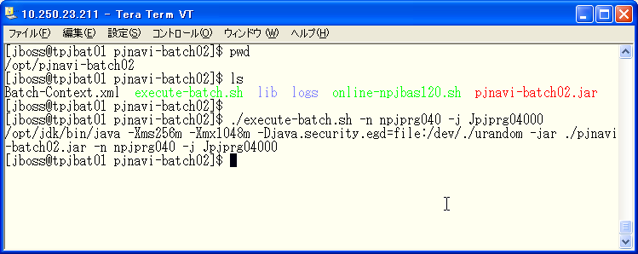

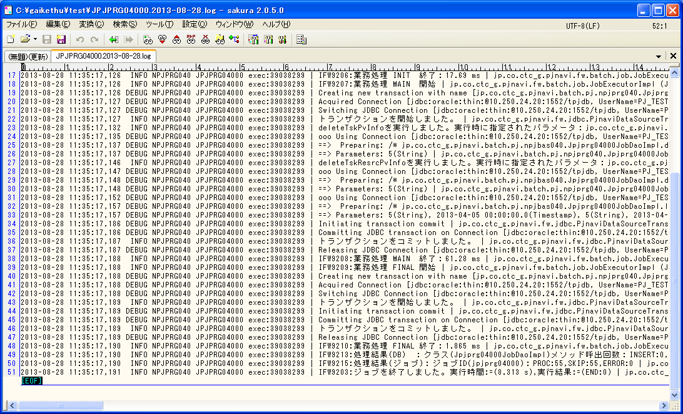
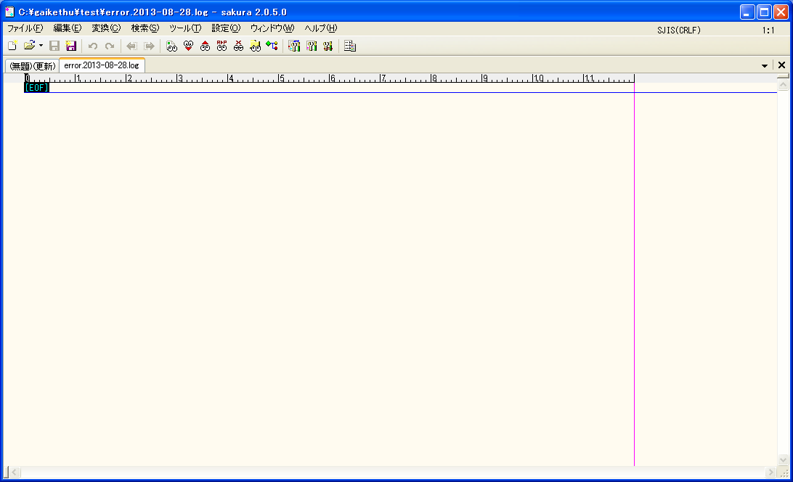

エラーログなし

正常終了していることを確認

 | PRJ_CD | PREV_RPT_BSDT | THIS_RPT_BSDT | SI_DEAL_CD | THIS_ENT_CLOSE_DT | DEL_FLG | REG_USR_ID | REG_PGM_ID | REG_TS | UPD_USR_ID | UPD_PGM_ID | UPD_TS | VER_NO
 | PJ12000200 | 2013-03-31 | 2013-04-03 | SI12000093 | 2013-04-05 | 0 | 9999999999 | jpjprg04000 | 2013-08-28 11:43:08 | 9999999999 | jpjprg04000 | 2013-08-28 11:43:08 | 1

・JPJPRG041_PV値計算
./execute-batch.sh -n npjprg040 -j jpjprg04101 -p pjcd:0

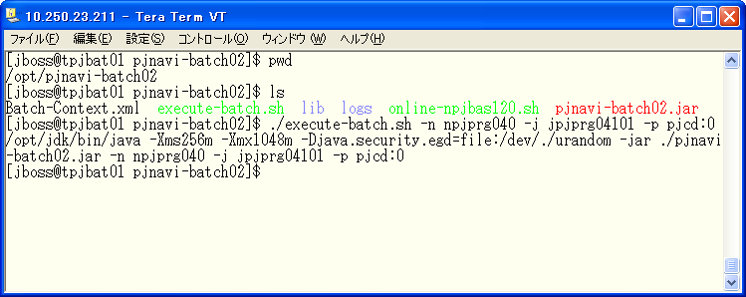

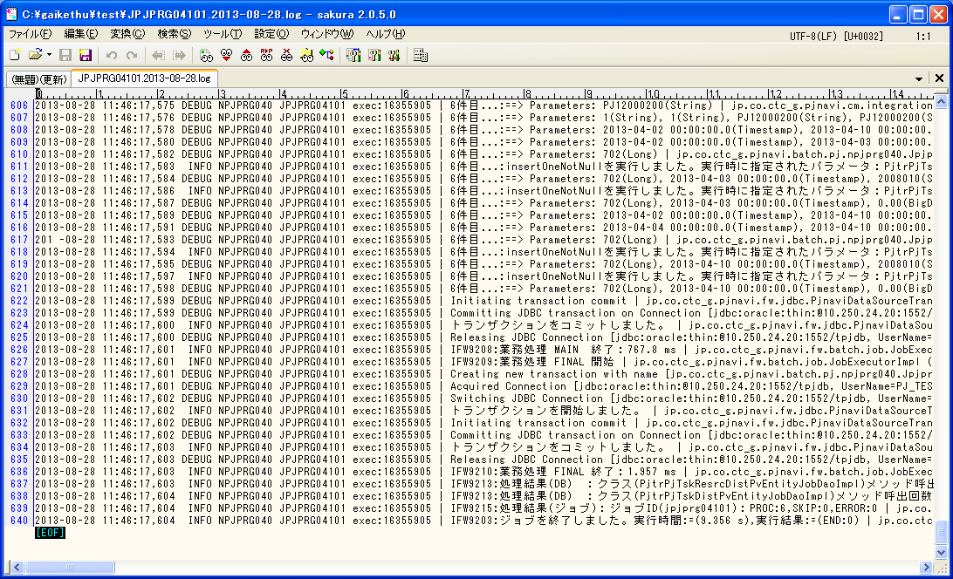

エラーログなし

正常終了していることを確認

 | SELECT * FROM PJTR_PJ_TSK_DIST_PV t where t.PRJ_CD = 'PJ12000200' order by tsk_uid, t.RPT_BSDT
 | TSK_UID | RPT_BSDT | WEEK_PV | WEEK_PV_PRICE | CUMU_PV | CUMU_PV_PRICE | PRJ_CD | WBS_ID | TSK_NM | ACC_MES_KND_CD | ACC_MES_KND_CUMU_PV | SHIP_TSK_FLG | SHIP_MNG_NO | PLN_MNHOUR | STR_PLN_DT | END_PLN_DT | HDAY_OPE_FLG | PLN_OPE_DAYS | STR_RSLT_DT | END_RSLT_DT | THIS_RSLT | THIS_RSLT_REM | AC | AC_PRICE | DEL_FLG | REG_USR_ID | REG_PGM_ID | REG_TS | UPD_USR_ID | UPD_PGM_ID | UPD_TS | VER_NO
 | 702 | 2013/04/03 | 0 | 0 | 0 | 0 | PJ12000200 | 700 | 社員_予定工数0_実績無し | 10 | 0 | 0 |  | 0 | 2013/04/02 | 2013/04/10 | 0 | 7 |  |  |  |  |  |  | 0 | 9999999999 | jpjprg04101 | 2013/08/28 11:46:16 | 9999999999 | jpjprg04101 | 2013/08/28 11:46:16 | 1
 | 702 | 2013/04/10 | 0 | 0 | 0 | 0 | PJ12000200 | 700 | 社員_予定工数0_実績無し | 10 | 100 | 0 |  | 0 | 2013/04/02 | 2013/04/10 | 0 | 7 |  |  |  |  |  |  | 0 | 9999999999 | jpjprg04101 | 2013/08/28 11:46:16 | 9999999999 | jpjprg04101 | 2013/08/28 11:46:16 | 1

・JPJPRG010_日・タスク別稼働コスト仮計算（社員・派遣）
./execute-batch.sh -n npjprg010 -j Jpjprg01001 -p pjcd:0

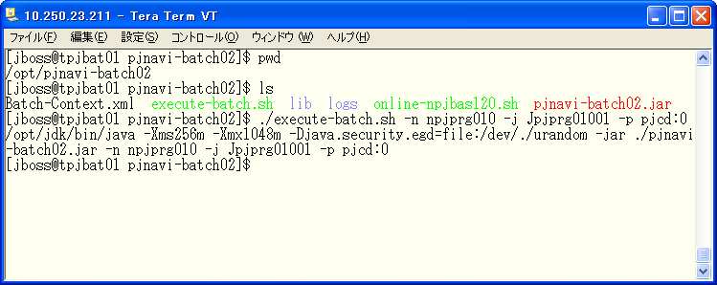

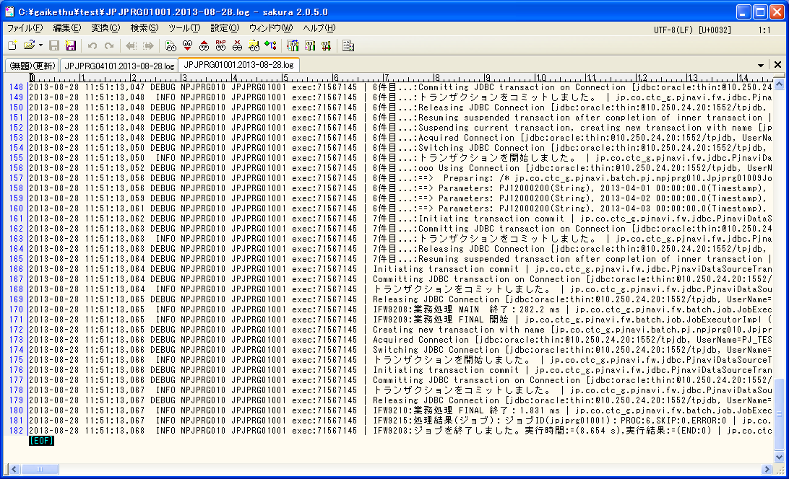

エラーログなし

正常終了していることを確認

 | SELECT * FROM PJTR_MI_OPE_DT T WHERE T.PRJ_CD = 'PJ12000200'
 | OPE_DT_ID | ENT_PSN_ID | OPE_DT | TSK_ID | TSK_MK_SYS_SEG | OPE_DT_SEQ | PRJ_CD | OPE_TM | EGY_CHG_ID | OPE_DT_CMT | TMP_COMP_DONE_FLG | BUSI_PROC_DT | DEL_FLG | REG_USR_ID | REG_PGM_ID | REG_TS | UPD_USR_ID | UPD_PGM_ID | UPD_TS | VER_NO

 | SELECT * FROM PJTR_PJ_OPE_TMP_CST t where t.PRJ_CD = 'PJ12000200'
 | PRJ_CD | WBS_ID | TSK_UID | EMP_ID | OPE_DT | OPE_YYMM | OPE_TM | EMP_SEG | EXP_SELL_TMPRICE | AC_PRICE | ENT_CLOSE_DT | DEL_FLG | REG_USR_ID | REG_PGM_ID | REG_TS | UPD_USR_ID | UPD_PGM_ID | UPD_TS | VER_NO

・JPJPRG020_タスク別稼働コスト仮計算
./execute-batch.sh -n npjprg020 -j Jpjprg02001 -p pjcd:0

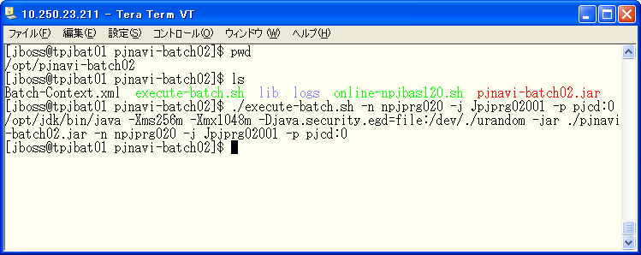

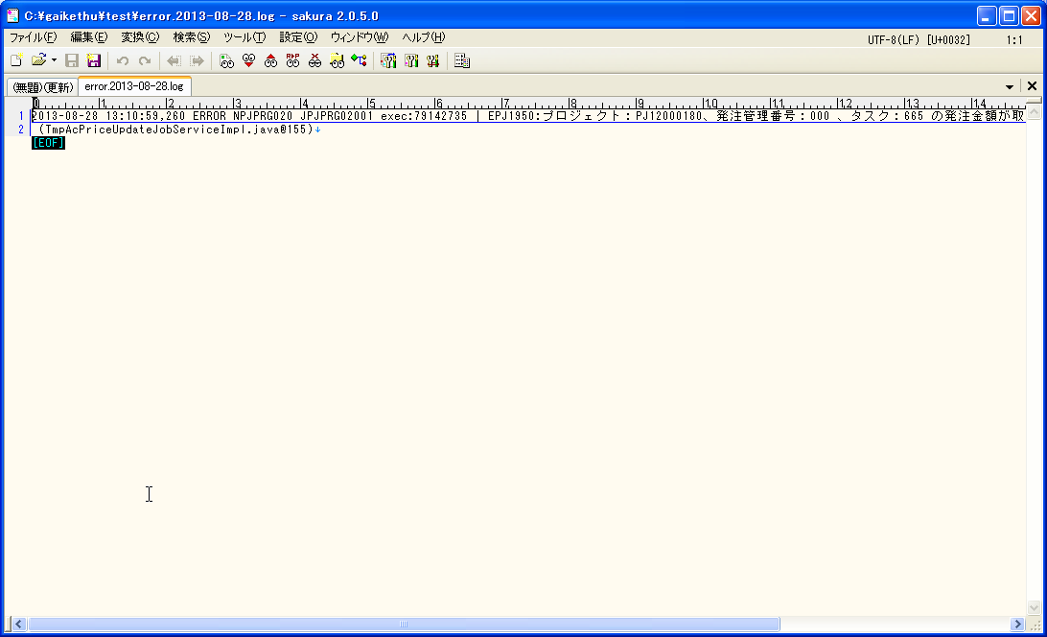
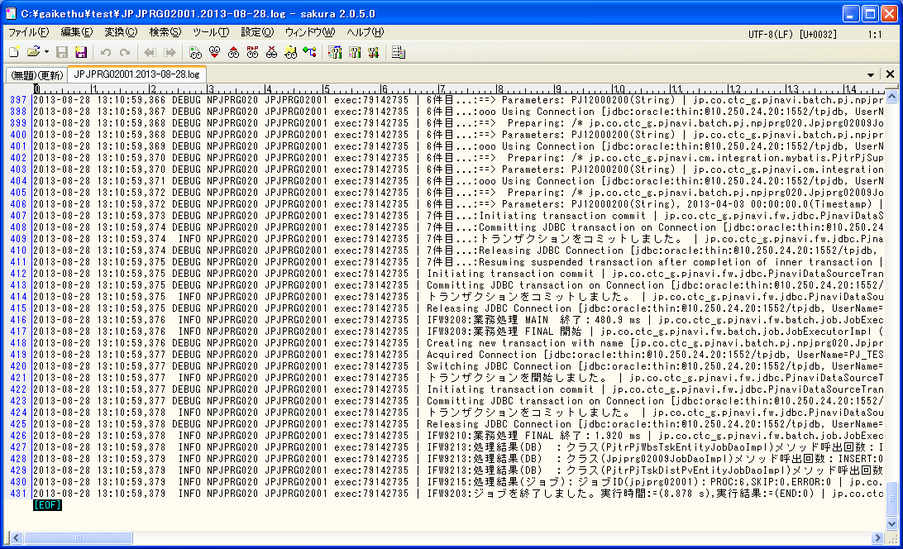

エラーが発生しているが今回対象のプロジェクトとは無関係の為問題ない。

正常終了していることを確認

・JPJPRG030_プロジェクト別稼働コスト仮計算（社員・派遣）
./execute-batch.sh -n npjprg030 -j Jpjprg03001 -p pjcd:0
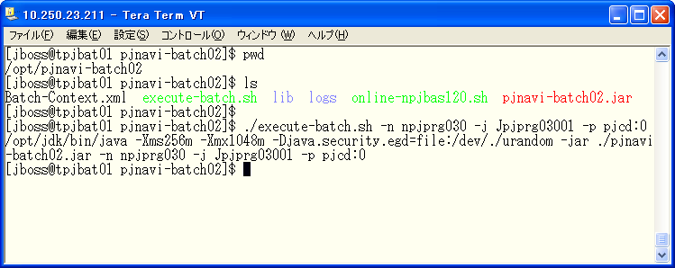

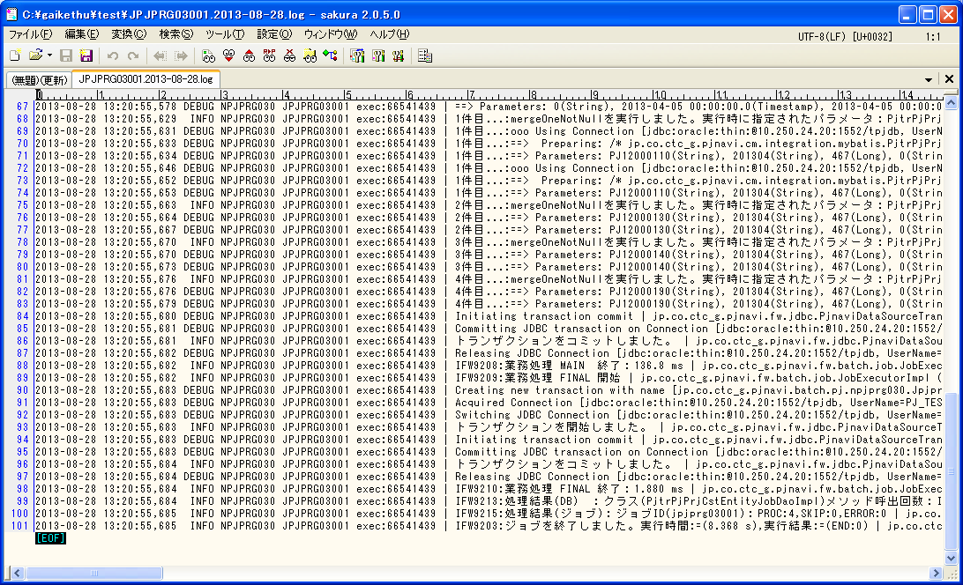

前バッチでのログの為、本バッチではエラーなし。

正常終了していることを確認

・JPJPRG080_WBS情報退避
./execute-batch.sh -n npjprg080 -j Jpjprg08001 -p pjcd:0


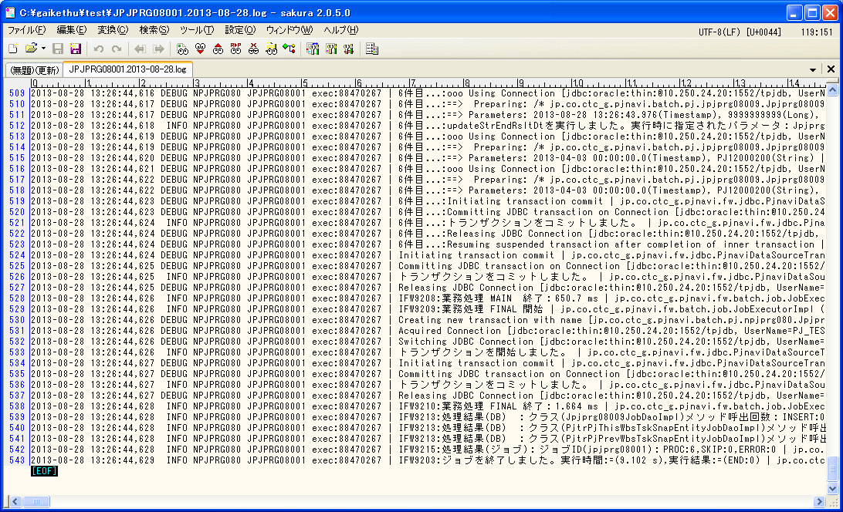

前バッチでのログの為、本バッチではエラーなし。

正常終了していることを確認

・JPJPRG050_プロジェクト別EVM集計
./execute-batch.sh -n npjprg050 -j Jpjprg05001 -p pjcd:0


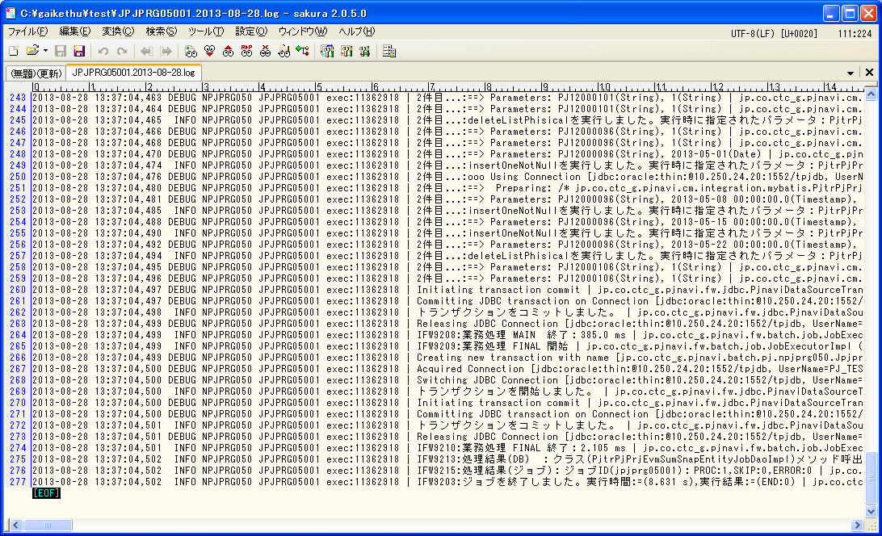

前バッチでのログの為、本バッチではエラーなし。

正常終了していることを確認

・JPJPRG060_WBS別EVM集計
./execute-batch.sh -n npjprg060 -j Jpjprg06001 -p pjcd:0


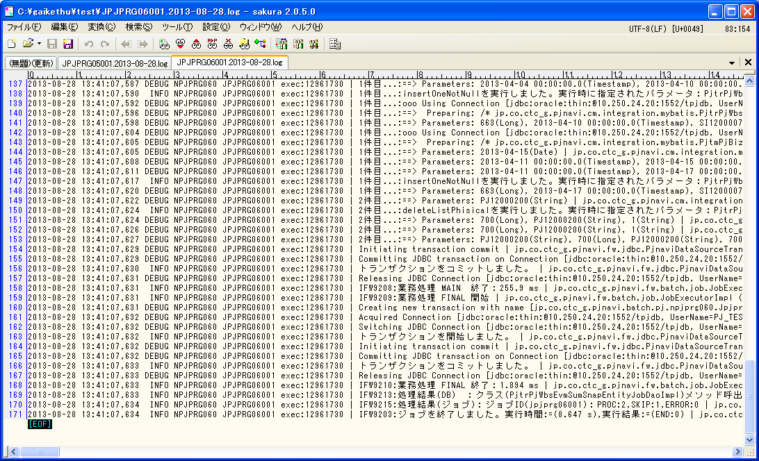

前バッチでのログの為、本バッチではエラーなし。

正常終了していることを確認

3回目(EVM集計確認用_稼働実績あり)
環境 | PJ_TEST02
ユーザ | z2010115

開始前
業務日付
 | SELECT * FROM PJTM_FW_BUSI_DT
 | ON_BAT_SEG | BUSI_DT | DEL_FLG | REG_USR_ID | REG_PGM_ID | REG_TS | UPD_USR_ID | UPD_PGM_ID | UPD_TS | VER_NO
 | OL | 2013/04/06 | 0 | 1 | PGM00001 | 2013/01/01 01:01:01 | 1 | PGM00001 | 2013/01/15 23:59:59 | 1
 | BT | 2013/04/12 | 0 | 1 | PGM00001 | 2013/01/01 01:01:01 | 1 | PGM00001 | 2013/01/15 23:59:59 | 1

SI案件
 | SELECT * FROM PJTR_PJ_SI_DEAL t where t.SI_DEAL_CD = 'SI12000093'
 | SI_DEAL_CD | SI_DEAL_NM | SI_DEAL_STATS | SI_DEAL_STATS_UPD_DT | SI_DEAL_STR_DT | SI_DEAL_END_DT | SI_DEAL_CUST_CD | SI_DEAL_CUST_CONT_ORGAN_NM | SI_DEAL_CUST_CONT_CHG | SI_DEAL_CUST_CONT_TEL | SI_DEAL_CUST_CONT_FAX | SI_DEAL_CUST_CONT_EMAIL | SI_DEAL_EGY_DEPT_CD | SI_DEAL_EGY_EMP_CD | SI_DEAL_AUTO_MK_FLG | PROP_CST_LMT_PRICE | SI_REL_CONT_EST_PRICE | SI_REL_CONT_COST_EST_PRICE | SV_REL_CONT_EST_PRICE | SV_REL_CONT_COST_EST_PRICE | EQP_CONT_EST_PRICE | EQP_CONT_COST_EST_PRICE | INCO_FLG | ALERT_NOTICE_DEST_1 | ALERT_NOTICE_DEST_2 | ALERT_NOTICE_DEST_3 | DEL_FLG | REG_USR_ID | REG_PGM_ID | REG_TS | UPD_USR_ID | UPD_PGM_ID | UPD_TS | VER_NO
 | SI12000093 | 真島_0 divide_check | 10 | 2013/04/06 | 2013/04/01 | 2013/09/30 | 0000020703 | 顧客組織 | 顧客担当 | 99-9999-9999 | 99-9999-9999 | 9999@pjnavi.xxx | 0112321200 | 2010115 | 0 | 1000000 | 10000000 | 0 | 0 | 0 | 0 | 0 | 0 | alert1@pjnavi.xxx |  |  | 0 | 6738 | DPJBAS01000 | 2013/08/27 19:43:29 | 6738 | DPJBAS01000 | 2013/08/27 19:43:29 | 1

SI案件リソース
 | SELECT * FROM PJTR_PJ_SI_DEAL_RESRC t where t.SI_DEAL_CD = 'SI12000093'
 | SI_DEAL_CD | SI_RESRC_EMP_CD | SI_RESRC_STR_DT | SI_RESRC_END_DT | SI_RESRC_ROLE | DEL_FLG | REG_USR_ID | REG_PGM_ID | REG_TS | UPD_USR_ID | UPD_PGM_ID | UPD_TS | VER_NO
 | SI12000093 | 2010115 | 2013/04/01 | 2013/09/30 | 01 | 0 | 6738 | DPJBAS01000 | 2013/08/27 19:43:29 | 6738 | DPJBAS01000 | 2013/08/27 19:43:29 | 1
 | SI12000093 | 2010115 | 2013/04/01 | 2013/09/30 | 03 | 0 | 6738 | DPJBAS04000 | 2013/08/27 19:44:18 | 6738 | DPJBAS04000 | 2013/08/27 19:44:18 | 1

プロジェクトトラン
 | SELECT * FROM PJTR_PJ_PRJ T WHERE T.PRJ_CD = 'PJ12000200'
 | SI_DEAL_CD | PRJ_CD | WHCO_MNG_PRJ_NO | PRJ_NM | PRJ_DT_NM | PRJ_STR_DT | PRJ_END_DT | PRJ_STATS_SEG | PRJ_TPL | PRJ_FORM_SEG | PRJ_INCO_PSC_FLG | PROS_INCO_PRICE | PRJ_PROP_CST_LMT_PRICE | PRJ_RPT_BS_YOUBI | PRJ_PROG_ENT_CLOSE_YOUBI | PRJ_BAS_OPE_TM | PRJ_EGY_EMP_CD | PRJ_EGY_EMP_AUTO_LNK_FLG | PRJ_SLS_COST_TRNS_DEPT_CD | PRJ_DEV_DEPT_CD | SI_DEAL_SYNC_REG_FLG | PRJ_CUST_CD | PRJ_OPN_NOTICE_FLG | PRJ_SHIP_APP_NOTICE_FLG | PRJ_PROG_AUTO_SET_FLG | PRJ_OUTS_PROG_AUTO_SET_FLG | PROP_PRJ_FLG | FLAW_PRJ_FLG | FLAW_PRJ_CD | PRJ_STATS_RECV_DT | SND_FLG | BUSI_PROC_DT | ALERT_NOTICE_DEST_1 | ALERT_NOTICE_DEST_2 | ALERT_NOTICE_DEST_3 | DEL_FLG | REG_USR_ID | REG_PGM_ID | REG_TS | UPD_USR_ID | UPD_PGM_ID | UPD_TS | VER_NO
 | SI12000093 | PJ12000200 |  | 伊田_0 divide | 伊田_0 divide check | 2013/04/01 | 2013/09/30 | 010 | T010000010 | DEV:開発(一括) | 0 |  | 0 | 3 | 5 | 7.5 | 2010115 | 0 |  | 0112321200 | 0 | 0000020703 | 1 | 1 | 1 | 1 | 0 | 0 |  |  | 0 | 2013/04/06 |  |  |  | 0 | 6738 | DPJBAS06000 | 13-08-28 10:53:46.275 | 6738 | DPJBAS06000 | 13-08-28 10:53:46.275 | 1
プロジェクトリソーストラン
 | SELECT * FROM PJTR_PJ_PRJ_RESRC t where t.PRJ_CD = 'PJ12000200'
 | PRJ_CD | PRJ_RESRC_EMP_CD | PRJ_RESRC_EMP_NM | PRJ_RESRC_STR_DT | PRJ_RESRC_END_DT | PRJ_RESRC_ROLE | PRJ_RESRC_OPE_TM | PRJ_RESRC_TBA_FLG | PRJ_RESRC_TBA_PST_ID | DEL_FLG | REG_USR_ID | REG_PGM_ID | REG_TS | UPD_USR_ID | UPD_PGM_ID | UPD_TS | VER_NO
 | PJ12000200 | 2008010 |  | 2013/04/01 | 2013/09/30 | 1002 | 7.5 | 0 |  | 0 | 6738 | DPJBAS09000 | 2013/08/28 11:17:43 | 6738 | DPJBAS09000 | 2013/08/28 11:17:43 | 1
 | PJ12000200 | 2010115 |  | 2013/04/01 | 2013/09/30 | 1 | 7.5 | 0 |  | 0 | 6738 | DPJBAS06000 | 2013/08/28 10:53:46 | 6738 | DPJBAS06000 | 2013/08/28 10:53:46 | 1

プロジェクトNext.MIタスクトラン
 | SELECT * FROM PJTR_PJ_PRJ_NEXTMI_TSK t where t.PRJ_CD = 'PJ12000200'
 | PRJ_CD | NEXTMI_FLNK_TSK_ID | NEXTMI_TSK_NO | NEXTMI_TSK_NM | LEVY_POS_FLG | SV_TYP_CD | TSK_ENF_ORGAN_ID | FLAW_FLG | DEL_FLG | REG_USR_ID | REG_PGM_ID | REG_TS | UPD_USR_ID | UPD_PGM_ID | UPD_TS | VER_NO
 | PJ12000200 | 1005 | 2.1.01 | ﾌﾟﾛｼﾞｪｸﾄ推進・管理 | 1 | CIP_SI_TIME | 161 | 0 | 0 | 6738 | DPJBAS06000 | 2013/08/28 10:53:46 | 6738 | DPJBAS06000 | 2013/08/28 10:53:46 | 1
 | PJ12000200 | 1006 | 2.1.02 | FS | 1 | CIP_SI_TIME | 161 | 0 | 0 | 6738 | DPJBAS06000 | 2013/08/28 10:53:46 | 6738 | DPJBAS06000 | 2013/08/28 10:53:46 | 1
 | PJ12000200 | 1007 | 2.1.04 | 基本設計 | 1 | CIP_SI_TIME | 161 | 0 | 0 | 6738 | DPJBAS06000 | 2013/08/28 10:53:46 | 6738 | DPJBAS06000 | 2013/08/28 10:53:46 | 1
 | PJ12000200 | 1008 | 2.1.05 | 詳細設計 | 1 | CIP_SI_TIME | 161 | 0 | 0 | 6738 | DPJBAS06000 | 2013/08/28 10:53:46 | 6738 | DPJBAS06000 | 2013/08/28 10:53:46 | 1
 | PJ12000200 | 1009 | 2.1.06 | ﾌﾟﾛｸﾞﾗﾑ作成,単体ﾃｽﾄ | 1 | CIP_SI_TIME | 161 | 0 | 0 | 6738 | DPJBAS06000 | 2013/08/28 10:53:46 | 6738 | DPJBAS06000 | 2013/08/28 10:53:46 | 1
 | PJ12000200 | 1010 | 2.1.08 | 結合ﾃｽﾄ | 1 | CIP_SI_TIME | 161 | 0 | 0 | 6738 | DPJBAS06000 | 2013/08/28 10:53:46 | 6738 | DPJBAS06000 | 2013/08/28 10:53:46 | 1
 | PJ12000200 | 1011 | 2.1.09 | ｼｽﾃﾑﾃｽﾄ | 1 | CIP_SI_TIME | 161 | 0 | 0 | 6738 | DPJBAS06000 | 2013/08/28 10:53:46 | 6738 | DPJBAS06000 | 2013/08/28 10:53:46 | 1
 | PJ12000200 | 1012 | 2.1.10 | DB設計 | 1 | CIP_SI_TIME | 161 | 0 | 0 | 6738 | DPJBAS06000 | 2013/08/28 10:53:46 | 6738 | DPJBAS06000 | 2013/08/28 10:53:46 | 1
 | PJ12000200 | 1013 | 2.1.11 | 受入検収立会 | 1 | CIP_SI_TIME | 161 | 0 | 0 | 6738 | DPJBAS06000 | 2013/08/28 10:53:46 | 6738 | DPJBAS06000 | 2013/08/28 10:53:46 | 1
 | PJ12000200 | 1014 | 2.1.12 | 教育 | 1 | CIP_SI_TIME | 161 | 0 | 0 | 6738 | DPJBAS06000 | 2013/08/28 10:53:46 | 6738 | DPJBAS06000 | 2013/08/28 10:53:46 | 1
 | PJ12000200 | 1015 | 2.1.13 | 操作ﾏﾆｭｱﾙ | 1 | CIP_SI_TIME | 161 | 0 | 0 | 6738 | DPJBAS06000 | 2013/08/28 10:53:46 | 6738 | DPJBAS06000 | 2013/08/28 10:53:46 | 1
 | PJ12000200 | 1016 | 2.1.14 | 運用ﾏﾆｭｱﾙ | 1 | CIP_SI_TIME | 161 | 0 | 0 | 6738 | DPJBAS06000 | 2013/08/28 10:53:46 | 6738 | DPJBAS06000 | 2013/08/28 10:53:46 | 1
 | PJ12000200 | 1017 | 2.1.15 | ｲﾝｽﾄﾚｰｼｮﾝ | 1 | CIP_SI_TIME | 161 | 0 | 0 | 6738 | DPJBAS06000 | 2013/08/28 10:53:46 | 6738 | DPJBAS06000 | 2013/08/28 10:53:46 | 1
 | PJ12000200 | 1018 | 2.1.16 | 移行 | 1 | CIP_SI_TIME | 161 | 0 | 0 | 6738 | DPJBAS06000 | 2013/08/28 10:53:46 | 6738 | DPJBAS06000 | 2013/08/28 10:53:46 | 1
 | PJ12000200 | 1019 | 2.1.17 | 品質管理 | 1 | CIP_SI_TIME | 161 | 0 | 0 | 6738 | DPJBAS06000 | 2013/08/28 10:53:46 | 6738 | DPJBAS06000 | 2013/08/28 10:53:46 | 1
 | PJ12000200 | 1020 | 2.1.99 | その他 | 1 | CIP_SI_TIME | 161 | 0 | 0 | 6738 | DPJBAS06000 | 2013/08/28 10:53:46 | 6738 | DPJBAS06000 | 2013/08/28 10:53:46 | 1
 | PJ12000200 | 1058 | 6.1.01 | 瑕疵対応 | 1 | CGS_AFT | 161 | 1 | 0 | 6738 | DPJBAS06000 | 2013/08/28 10:53:46 | 6738 | DPJBAS06000 | 2013/08/28 10:53:46 | 1

WBSトラン
 | SELECT * FROM PJTR_PJ_WBS t where t.PRJ_CD = 'PJ12000200'
 | WBS_ID | WBS_CD | WBS_NM | PRJ_CD | PARENT_WBS_ID | DSP_SEQ | DEL_FLG | REG_USR_ID | REG_PGM_ID | REG_TS | UPD_USR_ID | UPD_PGM_ID | UPD_TS | VER_NO
 | 700 | 1. | WBS02 | PJ12000200 |  | 1 | 0 | 6738 | DPJWBS01000 | 2013/08/28 11:02:08 | 6738 | DPJWBS01000 | 2013/08/28 11:02:08 | 1

WBSタスクトラン
 | SELECT *
 | FROM PJTR_PJ_WBS_TSK t
 | where t.PRJ_CD = 'PJ12000200'
 | START WITH PARENT_TSK_UID is null
 | CONNECT BY prior TSK_UID = PARENT_TSK_UID
 | ORDER SIBLINGS BY DSP_SEQ
 | TSK_UID | TSK_NM | TYP | PARENT_TSK_UID | WBS_ID | TSK_CD | NEXTMI_FLNK_TSK_ID | DSP_SEQ | PRJ_CD | ACC_MES_KND_CD | SHIP_TSK_FLG | SHIP_MNG_NO | PLN_PROD_QUAL | PLN_MNHOUR | STR_PLN_DT | END_PLN_DT | HDAY_OPE_FLG | STR_RSLT_DT | END_RSLT_DT | PRJ_EXCEPT_SEG | PRJ_UND_FLG | PREV_RSLT | PREV_RSLT_REM | THIS_RSLT | THIS_RSLT_REM | NEXT_RSLT | NEXT_RSLT_REM | AC | AC_PRICE | CMT | RES_ITEM_1 | RES_ITEM_2 | RES_ITEM_3 | RES_ITEM_4 | RES_ITEM_5 | DEL_FLG | REG_USR_ID | REG_PGM_ID | REG_TS | UPD_USR_ID | UPD_PGM_ID | UPD_TS | VER_NO
 | 700 | WBS02 | 10 |  | 700 | 1. |  | 1 | PJ12000200 | 0 | 0 |  |  |  |  |  | 0 |  |  | 0 | 1 |  |  |  |  |  |  |  |  |  |  |  |  |  |  | 0 | 6738 | DPJWBS01000 | 2013/08/28 11:02:08 | 6738 | DPJWBS01000 | 2013/08/28 11:02:08 | 1
 | 701 | 実績無しサマリ | 20 | 700 | 700 | 1. |  | 1 | PJ12000200 | 10 | 0 |  |  |  |  |  | 0 |  |  | 0 | 0 |  |  |  |  |  |  |  |  |  |  |  |  |  |  | 0 | 6738 | DPJWBS01000 | 2013/08/28 11:07:49 | 6738 | DPJWBS01000 | 2013/08/28 11:07:49 | 1
 | 702 | 社員_予定工数0_実績無し | 70 | 701 | 700 | 2. | 1005 | 1 | PJ12000200 | 10 | 0 |  |  | 0 | 2013/04/02 | 2013/04/10 | 0 | 2013/04/01 |  | 0 | 0 |  |  | 0.35 | 0.65 | 1 | 0 | 10 | 51510 |  |  |  |  |  |  | 0 | 6738 | DPJWBS01000 | 2013/08/28 11:07:49 | 9999999999 | jpjprg02001 | 2013/08/28 14:51:42 | 4

WBSタスクリソーストラン
 | SELECT * FROM PJTR_PJ_WBS_TSK_RESRC t where t.PRJ_CD = 'PJ12000200'
 | TSK_UID | EMP_CD | DSP_SEQ | PLN_MNHOUR | PRJ_CD | AC | AC_PRICE | CMT | RES_ITEM | DEL_FLG | REG_USR_ID | REG_PGM_ID | REG_TS | UPD_USR_ID | UPD_PGM_ID | UPD_TS | VER_NO
 | 702 | 2008010 | 1 | 0 | PJ12000200 |  |  |  |  | 0 | 6738 | DPJWBS01000 | 2013/08/28 11:18:21 | 6738 | DPJWBS01000 | 2013/08/28 11:18:21 | 1

採算原価見積
 | SELECT * FROM PJTR_PJ_PROSC_EST t where t.PRJ_CD = 'PJ12000200'
 | PRJ_CD | PROSC_VER | PROSC_VER_NM | PROS_EST_SEG | PROS_EST_MK_DT | PROS_EST_EMP_CD | PROS_EST_VLD_DT | PROS_BASELINE_VER | PROS_BASELINE_FLG | PROS_BASELINE_VLD_FLG | PROS_FXD_FLG | PROS_LNK_FLG | PROS_VLD_FLG | PROS_SND_DT | PROS_PRT_NUM | PROS_LST_PRT_DT | PROS_STF_COST_PRICE | PROS_STF_OPE_PLN_TM | PROS_DP_COST_PRICE | PROS_DP_OPE_PLN_TM | PROS_BLKODR_PRICE | PROS_EXP_PRICE | PROS_CON_PRICE | PRJ_PROSC_SUM_PRICE | PRJ_SYS_NM | PRJ_SYS_SHORTNM | CUTOVR_OPE_PLN_DT | PRJ_CONT_PLN_DT | PRJ_SEG | PRJ_SPQLY_SEG | PRJ_IMPTT_FLG | CUST_REQ_DEVTRM | DEV_TRM | PRJ_SYS_SMRY | PRJ_DEV_TAR_RANGE | PRJ_EST_INDI_STMT_REQIM | PRJ_TMPEST_RSN | PRJ_EST_COND_SEG | PRJ_EST_COND_OTHER | PRJ_ACCEPT_COND_SEG | PRJ_ACCEPT_COND_OTHER | PRJ_ACCEPT_LOC_SEG | PRJ_ACCEPT_LOC_OTHER | PRJ_ACCEPT_PSN_NM | PRJ_GRN_TRM | PRJ_GRN_TRM_OTHER | PROD_RDD_FLG | PROD_BDD_FLG | SEIKA_DB_DOC_FLG | PROD_DT_DOC_FLG | SEIKA_PG_DOC_FLG | SEIKA_SRC_PG_FLG | SEIKA_OBJ_FLG | PROD_UNT_TST_RES_RPT_FLG | PROD_INTEG_TST_RES_RPT_FLG | PROD_SYS_TST_RES_RPT_FLG | PROD_TUN_RES_RPT_FLG | SEIKA_SOSA_MNU_FLG | SEIKA_UNYO_MNU_FLG | PROD_OTHER_1 | PROD_OTHER_2 | USE_MDL_SERV_SEG | USE_MDL_SERV_SEG_OTHER | USE_MDL_CLI_SEG | USE_MDL_CLI_SEG_OTHER | USE_MDL_DBMS_SEG | USE_MDL_DBMS_SEG_OTHER | USE_MDL_DEV_LANG_SEG | USE_MDL_DEV_LANG_SEG_OTHER | USE_MDL_DEV_TOOL_SEG | USE_MDL_DEV_TOOL_SEG_OTHER | ATD_DEAL_ODRSK_ACL_FLG | ATD_EST_LST_BC_FLG | ATD_EST_A1A2A3_FLG | ATD_EST_SPEC_FLG | ATD_EST_WREQ_ADD_SHIP_SPEC | MSG_MTR_ETC_CMT | BUSI_PROC_DT | DEL_FLG | REG_USR_ID | REG_PGM_ID | REG_TS | UPD_USR_ID | UPD_PGM_ID | UPD_TS | VER_NO
 | PJ12000200 | 1 | 伊田_0 divide 見積 | 10 |  | 2010115 |  | 1 | 1 | 1 | 1 | 0 | 1 |  | 0 |  | 0 | 0 | 0 | 0 | 0 | 0 | 0 | 0 | 伊田_0 divide check | 伊田_0 divide | 2013/10/10 | 2013/03/25 | 110 | 10 | 0 |  |  |  |  |  |  | 10 |  | 10 |  | 10 |  |  | 05 |  | 0 | 0 | 0 | 0 | 0 | 0 | 0 | 0 | 0 | 0 | 0 | 0 | 0 |  |  | 10 |  | 10 |  | 1910 |  | 900 |  | 9900 |  | 0 | 0 | 0 | 0 | 0 |  | 2013/04/06 | 0 | 6738 | DPJBAS11000 | 2013/08/28 11:12:14 | 6738 | DPJBAS11000 | 2013/08/28 11:21:10 | 5

採算原価見積発注
 | SELECT * FROM PJTR_PJ_PROSC_EST_SHIP_DT t where t.PRJ_CD = 'PJ12000200'
 | PRJ_CD | PROSC_VER | SHIP_MNG_NO | SUPP_CD | ABS | CUR | INOFFICE_RATE | SHIP_YYMM | PAY_YYMM | SHIP_MANMON | SHIP_PLN_PRICE | SHIP_PLN_PRICE_CUR | EST_ARI_FLG | CONT_ARI_FLG | DEL_FLG | REG_USR_ID | REG_PGM_ID | REG_TS | UPD_USR_ID | UPD_PGM_ID | UPD_TS | VER_NO

採算原価見積社員
 | SELECT * FROM PJTR_PJ_PROSC_EST_STF_DT t where t.PRJ_CD = 'PJ12000200'
 | PRJ_CD | PROSC_VER | PROSC_YYMM | PROS_EMP_CD | COST_PRICE | TMPRICE | MONTHLY_OPE_PLN_TM | DEL_FLG | REG_USR_ID | REG_PGM_ID | REG_TS | UPD_USR_ID | UPD_PGM_ID | UPD_TS | VER_NO
 | PJ12000200 | 1 | 201304 | 2008010 | 0 | 5151 | 0 | 0 | 6738 | DPJBAS12000 | 2013/08/28 11:21:02 | 6738 | DPJBAS12000 | 2013/08/28 11:21:02 | 1
 | PJ12000200 | 1 | 201304 | 2010115 | 0 | 0 | 0 | 0 | 6738 | DPJBAS12000 | 2013/08/28 11:21:02 | 6738 | DPJBAS12000 | 2013/08/28 11:21:02 | 1
 | PJ12000200 | 1 | 201305 | 2008010 | 0 | 5151 | 0 | 0 | 6738 | DPJBAS12000 | 2013/08/28 11:21:02 | 6738 | DPJBAS12000 | 2013/08/28 11:21:02 | 1
 | PJ12000200 | 1 | 201305 | 2010115 | 0 | 0 | 0 | 0 | 6738 | DPJBAS12000 | 2013/08/28 11:21:02 | 6738 | DPJBAS12000 | 2013/08/28 11:21:02 | 1
 | PJ12000200 | 1 | 201306 | 2008010 | 0 | 5151 | 0 | 0 | 6738 | DPJBAS12000 | 2013/08/28 11:21:02 | 6738 | DPJBAS12000 | 2013/08/28 11:21:02 | 1
 | PJ12000200 | 1 | 201306 | 2010115 | 0 | 0 | 0 | 0 | 6738 | DPJBAS12000 | 2013/08/28 11:21:02 | 6738 | DPJBAS12000 | 2013/08/28 11:21:02 | 1
 | PJ12000200 | 1 | 201307 | 2008010 | 0 | 5151 | 0 | 0 | 6738 | DPJBAS12000 | 2013/08/28 11:21:02 | 6738 | DPJBAS12000 | 2013/08/28 11:21:02 | 1
 | PJ12000200 | 1 | 201307 | 2010115 | 0 | 0 | 0 | 0 | 6738 | DPJBAS12000 | 2013/08/28 11:21:02 | 6738 | DPJBAS12000 | 2013/08/28 11:21:02 | 1
 | PJ12000200 | 1 | 201308 | 2008010 | 0 | 5151 | 0 | 0 | 6738 | DPJBAS12000 | 2013/08/28 11:21:02 | 6738 | DPJBAS12000 | 2013/08/28 11:21:02 | 1
 | PJ12000200 | 1 | 201308 | 2010115 | 0 | 0 | 0 | 0 | 6738 | DPJBAS12000 | 2013/08/28 11:21:02 | 6738 | DPJBAS12000 | 2013/08/28 11:21:02 | 1
 | PJ12000200 | 1 | 201309 | 2008010 | 0 | 5151 | 0 | 0 | 6738 | DPJBAS12000 | 2013/08/28 11:21:02 | 6738 | DPJBAS12000 | 2013/08/28 11:21:02 | 1
 | PJ12000200 | 1 | 201309 | 2010115 | 0 | 0 | 0 | 0 | 6738 | DPJBAS12000 | 2013/08/28 11:21:02 | 6738 | DPJBAS12000 | 2013/08/28 11:21:02 | 1

バッチ処理関係のデータ無し
報告基準日管理トラン
 | SELECT * FROM PJTR_PJ_RPT_BSDT_MNG t where t.PRJ_CD = 'PJ12000200'
...
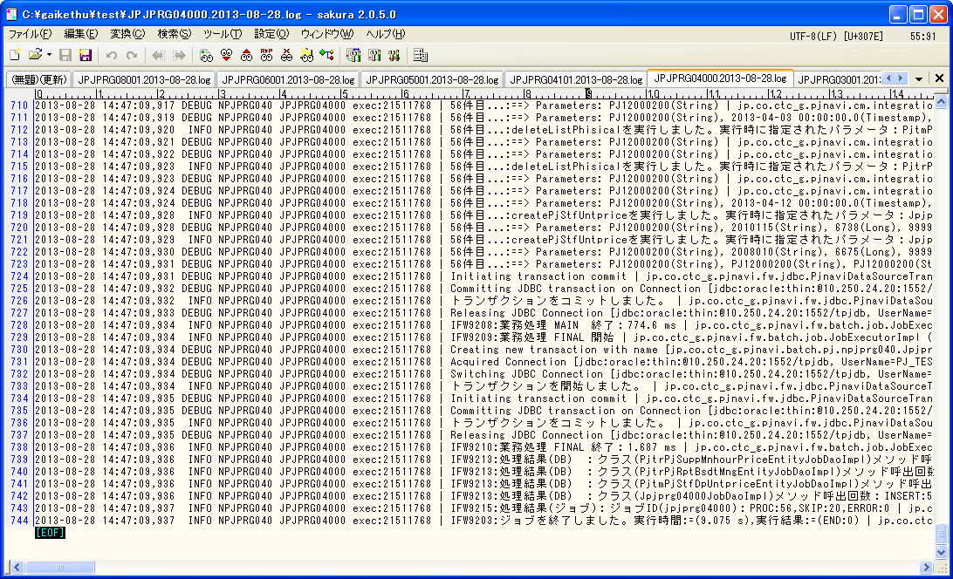

前バッチでのログの為、本バッチではエラーなし。

正常終了していることを確認

 | PRJ_CD | PREV_RPT_BSDT | THIS_RPT_BSDT | SI_DEAL_CD | THIS_ENT_CLOSE_DT | DEL_FLG | REG_USR_ID | REG_PGM_ID | REG_TS | UPD_USR_ID | UPD_PGM_ID | UPD_TS | VER_NO
 | PJ12000200 | 2013-04-03 | 2013-04-10 | SI12000093 | 2013-04-12 | 0 | 9999999999 | jpjprg04000 | 2013-08-28 11:43:08 | 9999999999 | jpjprg04000 | 2013-08-28 14:47:09 | 2

・JPJPRG041_PV値計算
./execute-batch.sh -n npjprg040 -j jpjprg04101 -p pjcd:0

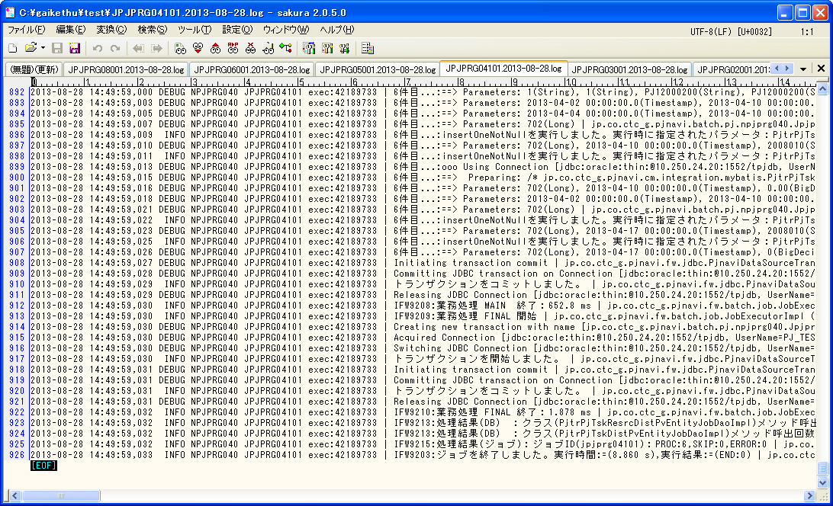

前バッチでのログの為、本バッチではエラーなし。
正常終了していることを確認

 | SELECT * FROM PJTR_PJ_TSK_DIST_PV t where t.PRJ_CD = 'PJ12000200' order by tsk_uid, t.RPT_BSDT
 | TSK_UID | RPT_BSDT | WEEK_PV | WEEK_PV_PRICE | CUMU_PV | CUMU_PV_PRICE | PRJ_CD | WBS_ID | TSK_NM | ACC_MES_KND_CD | ACC_MES_KND_CUMU_PV | SHIP_TSK_FLG | SHIP_MNG_NO | PLN_MNHOUR | STR_PLN_DT | END_PLN_DT | HDAY_OPE_FLG | PLN_OPE_DAYS | STR_RSLT_DT | END_RSLT_DT | THIS_RSLT | THIS_RSLT_REM | AC | AC_PRICE
 | 702 | 2013/04/03 | 0 | 0 | 0 | 0 | PJ12000200 | 700 | 社員_予定工数0_実績無し | 10 | 0 | 0 |  | 0 | 2013/04/02 | 2013/04/10 | 0 | 7
 | 702 | 2013/04/10 | 0 | 0 | 0 | 0 | PJ12000200 | 700 | 社員_予定工数0_実績無し | 10 | 100 | 0 |  | 0 | 2013/04/02 | 2013/04/10 | 0 | 7

・JPJPRG010_日・タスク別稼働コスト仮計算（社員・派遣）
./execute-batch.sh -n npjprg010 -j Jpjprg01001 -p pjcd:0

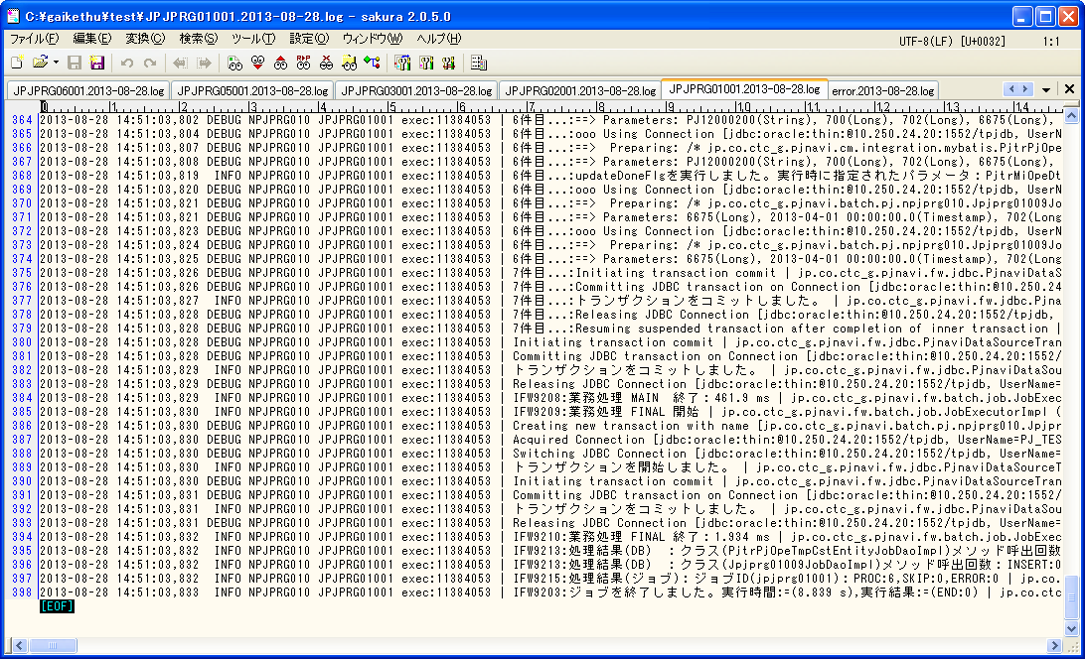

前バッチでのログの為、本バッチではエラーなし。

正常終了していることを確認

 | SELECT * FROM PJTR_MI_OPE_DT T WHERE T.PRJ_CD = 'PJ12000200'
 | OPE_DT_ID | ENT_PSN_ID | OPE_DT | TSK_ID | TSK_MK_SYS_SEG | OPE_DT_SEQ | PRJ_CD | OPE_TM | EGY_CHG_ID | OPE_DT_CMT | TMP_COMP_DONE_FLG | BUSI_PROC_DT | DEL_FLG | REG_USR_ID | REG_PGM_ID | REG_TS | UPD_USR_ID | UPD_PGM_ID | UPD_TS | VER_NO
 | 10000 | 6675 | 2013/04/01 | 702 | 0 | 1 | PJ12000200 | 10 |  |  | 1 | 2013/04/06 | 0 | 467 | DMIOTL02000 | 2013/08/09 09:56:39 | 9999999999 | jpjprg01001 | 2013/08/28 14:51:03 | 2

 | SELECT * FROM PJTR_PJ_OPE_TMP_CST t where t.PRJ_CD = 'PJ12000200'
 | PRJ_CD | WBS_ID | TSK_UID | EMP_ID | OPE_DT | OPE_YYMM | OPE_TM | EMP_SEG | EXP_SELL_TMPRICE | AC_PRICE | ENT_CLOSE_DT | DEL_FLG | REG_USR_ID | REG_PGM_ID | REG_TS
 | PJ12000200 | 700 | 702 | 6675 | 2013/04/01 | 201304 | 10 | 0 | 5151 | 51510 | 2013/04/12 | 0 | 9999999999 | jpjprg01001 | 2013/08/28 14:51:03
...


エラーが発生しているが今回対象のプロジェクトとは無関係の為問題ない。

正常終了していることを確認

・JPJPRG030_プロジェクト別稼働コスト仮計算（社員・派遣）
./execute-batch.sh -n npjprg030 -j Jpjprg03001 -p pjcd:0

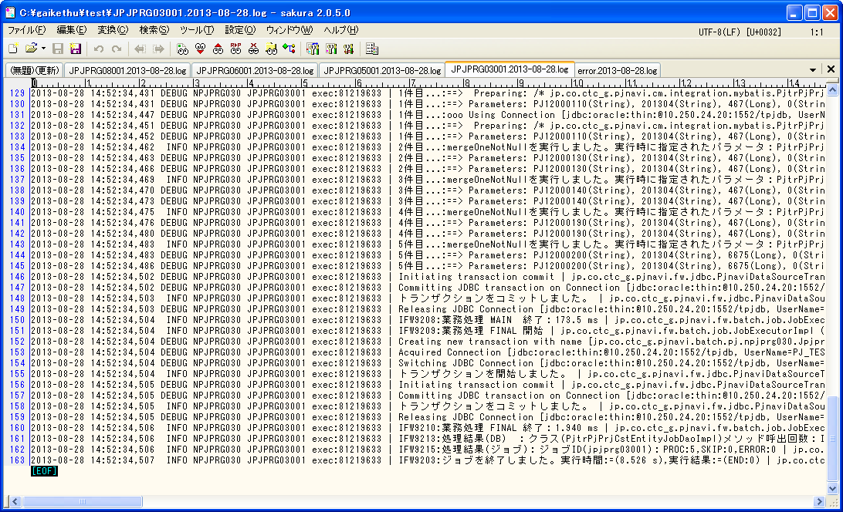

前バッチでのログの為、本バッチではエラーなし。

正常終了していることを確認

・JPJPRG080_WBS情報退避
./execute-batch.sh -n npjprg080 -j Jpjprg08001 -p pjcd:0

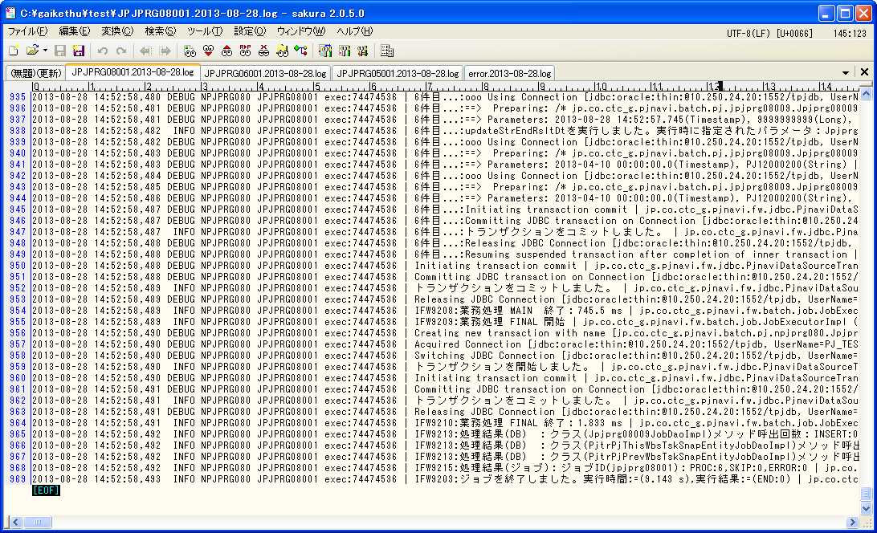

前バッチでのログの為、本バッチではエラーなし。

正常終了していることを確認

・JPJPRG050_プロジェクト別EVM集計
./execute-batch.sh -n npjprg050 -j Jpjprg05001 -p pjcd:0

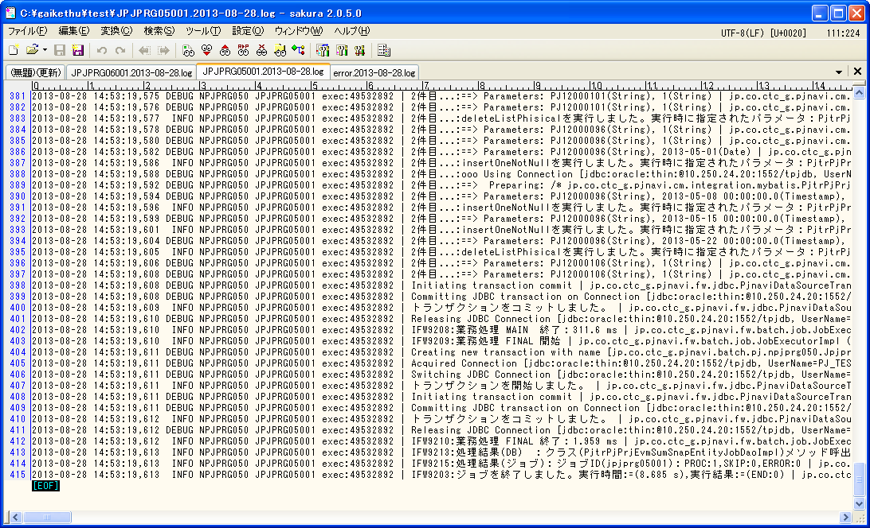

前バッチでのログの為、本バッチではエラーなし。

正常終了していることを確認

・JPJPRG060_WBS別EVM集計
./execute-batch.sh -n npjprg060 -j Jpjprg06001 -p pjcd:0

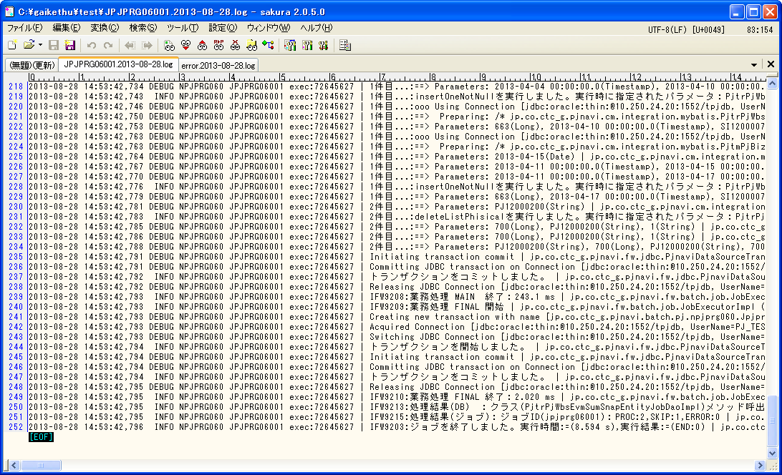
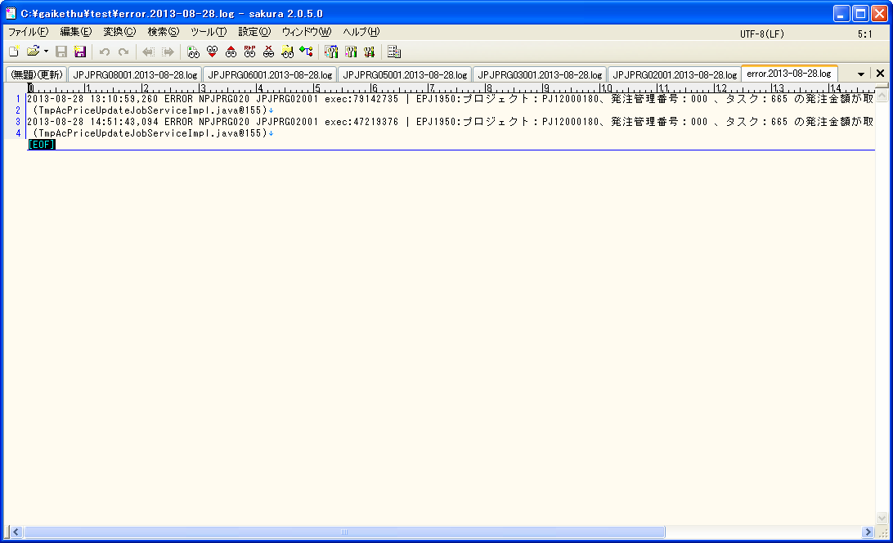

前バッチでのログの為、本バッチではエラーなし。

正常終了していることを確認

