出力メッセージ調査エビデンス
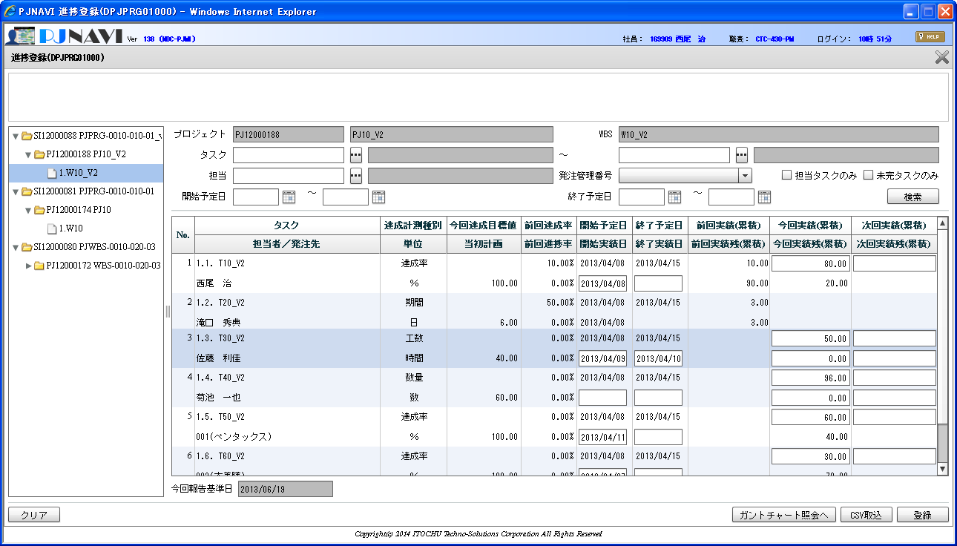
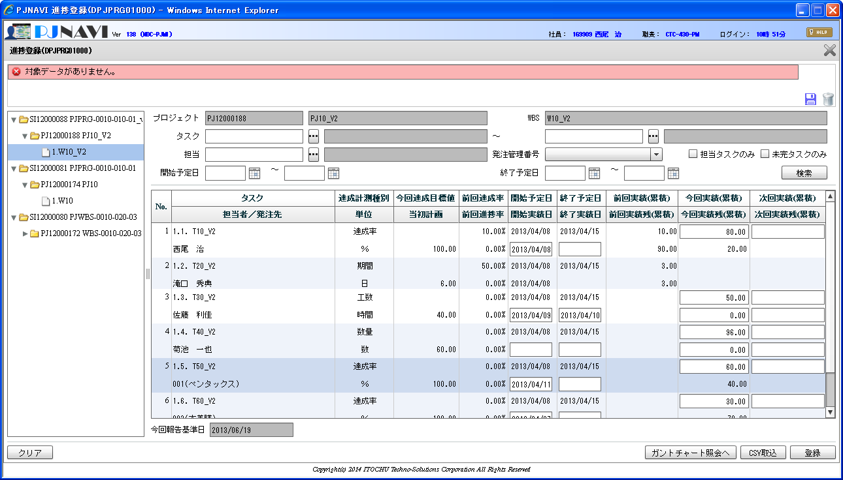
１．進捗登録画面を起動する
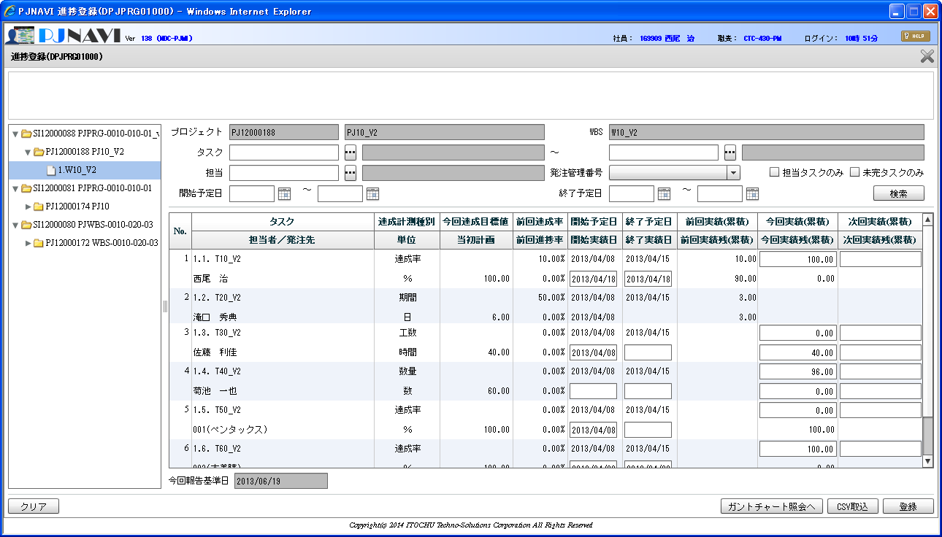
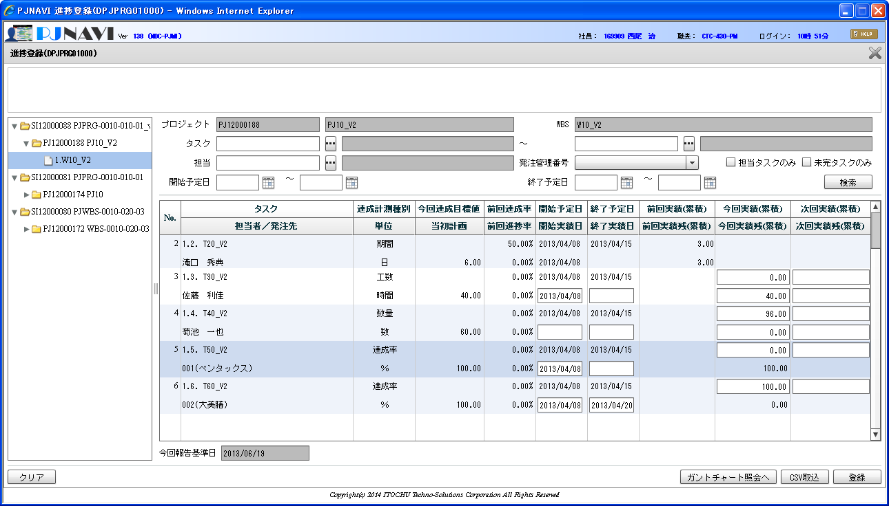

PJTM_FW_BUSI_DT：業務日付マスタ
ON_BAT_SEG | BUSI_DT | DEL_FLG | REG_USR_ID | REG_PGM_ID | REG_TS | UPD_USR_ID | UPD_PGM_ID | UPD_TS | VER_NO
OL | 2013/06/20 | 0 | 1 | PGM00001 | 13-01-01 01:01:01.000 | 1 | PGM00001 | 13-01-15 23:59:59.000 | 1
BT | 2013/06/20 | 0 | 1 | PGM00001 | 13-01-01 01:01:01.000 | 1 | PGM00001 | 13-01-15 23:59:59.000 | 1

PJTR_PJ_WBS_TSK：WBSタスクトラン
TSK_UID | TSK_NM | TYP | PARENT_TSK_UID | WBS_ID | TSK_CD | NEXTMI_FLNK_TSK_ID | DSP_SEQ | PRJ_CD | ACC_MES_KND_CD | SHIP_TSK_FLG | SHIP_MNG_NO | PLN_PROD_QUAL | PLN_MNHOUR | STR_PLN_DT | END_PLN_DT | HDAY_OPE_FLG | STR_RSLT_DT | END_RSLT_DT | PRJ_EXCEPT_SEG | PRJ_UND_FLG | PREV_RSLT | PREV_RSLT_REM | THIS_RSLT | THIS_RSLT_REM | NEXT_RSLT | NEXT_RSLT_REM | AC | AC_PRICE | CMT | RES_ITEM_1 | RES_ITEM_2 | RES_ITEM_3 | RES_ITEM_4 | RES_ITEM_5 | DEL_FLG | REG_USR_ID | REG_PGM_ID | REG_TS | UPD_USR_ID | UPD_PGM_ID | UPD_TS | VER_NO
639 | W10_V2 | 10 |  | 639 | 1. |  | 1 | PJ12000188 | 0 | 0 |  |  |  |  |  | 0 |  |  | 0 | 1 |  |  |  |  |  |  |  |  |  |  |  |  |  |  | 0 | 2477 | DPJWBS01000 | 13-08-22 11:49:25.889 | 2477 | DPJWBS01000 | 13-08-22 11:49:25.889 | 1
640 | T10_V2 | 70 | 639 | 639 | 1.1. | 1005 | 1 | PJ12000188 | 10 | 0 |  |  | 30 | 2013/04/08 | 2013/04/15 | 0 | 2013/04/18 | 2013/04/18 | 0 | 0 | 0.1 | 0.9 | 1 | 0 |  |  |  |  |  |  |  |  |  |  | 0 | 2477 | DPJWBS01000 | 13-08-22 11:52:50.608 | 2477 | DPJPRG01000 | 13-08-28 21:15:20.875 | 15
641 | T20_V2 | 70 | 639 | 639 | 1.2. | 1006 | 2 | PJ12000188 | 20 | 0 |  |  | 30 | 2013/04/08 | 2013/04/15 | 0 | 2013/04/08 |  | 0 | 0 | 3 | 3 |  |  |  |  |  |  |  |  |  |  |  |  | 0 | 2477 | DPJWBS01000 | 13-08-22 11:52:50.608 | 9999999999 | jpjprg08006 | 13-08-26 14:23:47.188 | 3
642 | T30_V2 | 70 | 639 | 639 | 1.3. | 1007 | 3 | PJ12000188 | 30 | 0 |  |  | 40 | 2013/04/08 | 2013/04/15 | 1 | 2013/04/08 |  | 0 | 0 |  |  | 0 | 40 |  |  |  |  |  |  |  |  |  |  | 0 | 2477 | DPJWBS01000 | 13-08-22 11:52:50.608 | 2477 | DPJPRG01000 | 13-08-26 20:14:49.522 | 8
643 | T40_V2 | 70 | 639 | 639 | 1.4. | 1008 | 4 | PJ12000188 | 40 | 0 |  | 60 | 30 | 2013/04/08 | 2013/04/15 | 0 |  |  | 0 | 0 |  |  |  |  |  |  |  |  |  |  |  |  |  |  | 0 | 2477 | DPJWBS01000 | 13-08-22 11:52:50.608 | 2477 | DPJPRG01000 | 13-08-26 20:14:49.522 | 8
680 | T50_V2 | 70 | 639 | 639 | 1.5. | 1008 | 5 | PJ12000188 | 10 | 1 | 001 |  | 30 | 2013/04/08 | 2013/04/15 | 0 | 2013/04/08 |  | 0 | 0 |  |  | 0 | 1 |  |  | 15 | 75000 | 0000000557 |  |  |  |  |  | 0 | 2477 | DPJWBS01000 | 13-08-26 11:52:08.360 | 2477 | DPJPRG01000 | 13-08-26 19:31:51.976 | 13
681 | T60_V2 | 70 | 639 | 639 | 1.6. | 1008 | 6 | PJ12000188 | 10 | 1 | 002 |  | 30 | 2013/04/08 | 2013/04/15 | 0 | 2013/04/08 | 2013/04/20 | 0 | 0 |  |  | 1 | 0 |  |  | 15 | 80000 | 0000011112 |  |  |  |  |  | 0 | 2477 | DPJWBS01000 | 13-08-26 11:52:08.360 | 2477 | DPJPRG01000 | 13-08-26 20:14:49.522 | 9

２．Ｎｏ．１，３，５，６行目の今回実績・今回実績残を変更する。（Ｎｏ．２，４は初期表示時から何も変更しない）
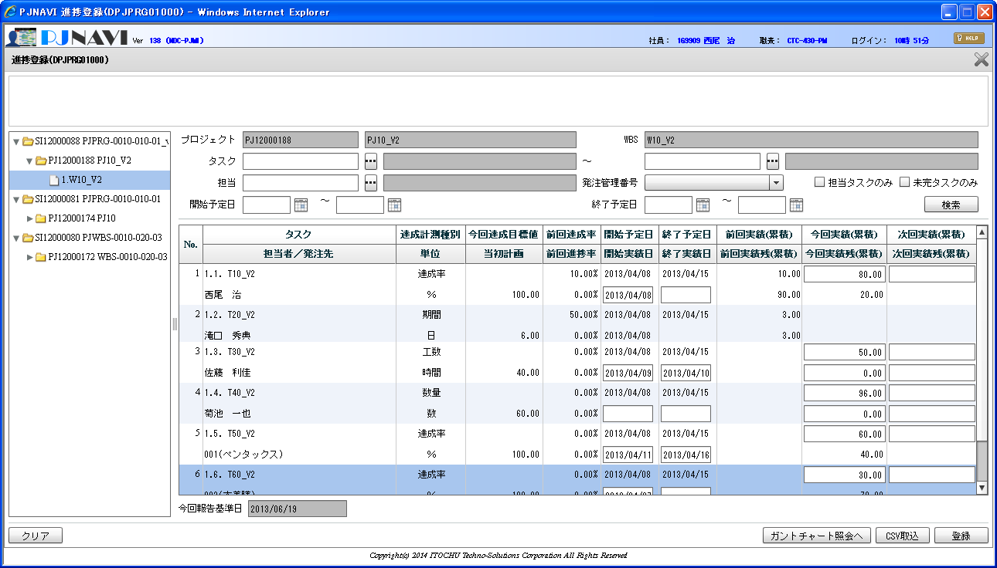
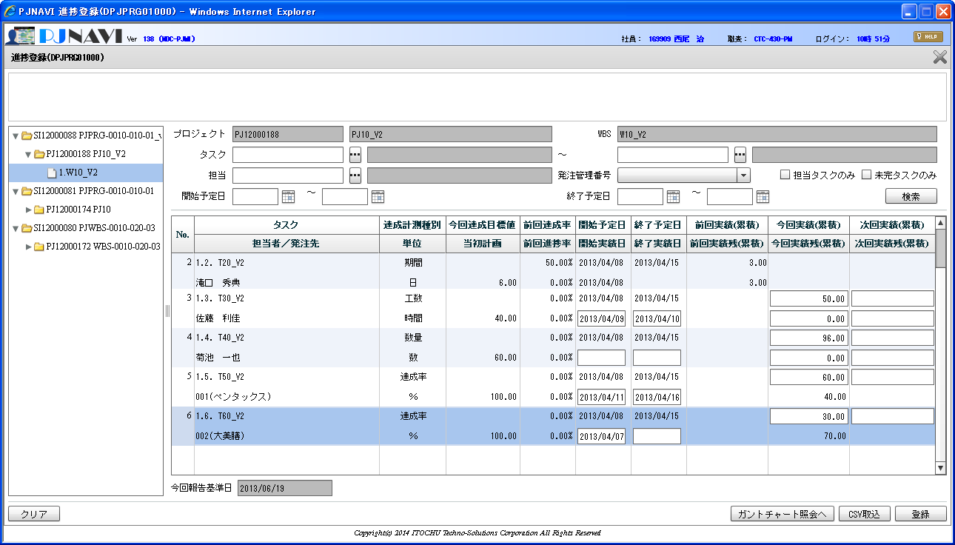

Ｎｏ．１のタスクについてWBSタスクトランのレコードVer（楽観排他使用項目）を予め変更しておく
PJTR_PJ_WBS_TSK：WBSタスクトラン
TSK_UID | TSK_NM | TYP | PARENT_TSK_UID | WBS_ID | TSK_CD | NEXTMI_FLNK_TSK_ID | DSP_SEQ | PRJ_CD | ACC_MES_KND_CD | SHIP_TSK_FLG | SHIP_MNG_NO | PLN_PROD_QUAL | PLN_MNHOUR | STR_PLN_DT | END_PLN_DT | HDAY_OPE_FLG | STR_RSLT_DT | END_RSLT_DT | PRJ_EXCEPT_SEG | PRJ_UND_FLG | PREV_RSLT | PREV_RSLT_REM | THIS_RSLT | THIS_RSLT_REM | NEXT_RSLT | NEXT_RSLT_REM | AC | AC_PRICE | CMT | RES_ITEM_1 | RES_ITEM_2 | RES_ITEM_3 | RES_ITEM_4 | RES_ITEM_5 | DEL_FLG | REG_USR_ID | REG_PGM_ID | REG_TS | UPD_USR_ID | UPD_PGM_ID | UPD_TS | VER_NO
639 | W10_V2 | 10 |  | 639 | 1. |  | 1 | PJ12000188 | 0 | 0 |  |  |  |  |  | 0 |  |  | 0 | 1 |  |  |  |  |  |  |  |  |  |  |  |  |  |  | 0 | 2477 | DPJWBS01000 | 13-08-22 11:49:25.889 | 2477 | DPJWBS01000 | 13-08-22 11:49:25.889 | 1
640 | T10_V2 | 70 | 639 | 639 | 1.1. | 1005 | 1 | PJ12000188 | 10 | 0 |  |  | 30 | 2013/04/08 | 2013/04/15 | 0 | 2013/04/18 | 2013/04/18 | 0 | 0 | 0.1 | 0.9 | 1 | 0 |  |  |  |  |  |  |  |  |  |  | 0 | 2477 | DPJWBS01000 | 13-08-22 11:52:50.608 | 2477 | DPJPRG01000 | 13-08-28 21:15:20.875 | 16
641 | T20_V2 | 70 | 639 | 639 | 1.2. | 1006 | 2 | PJ12000188 | 20 | 0 |  |  | 30 | 2013/04/08 | 2013/04/15 | 0 | 2013/04/08 |  | 0 | 0 | 3 | 3 |  |  |  |  |  |  |  |  |  |  |  |  | 0 | 2477 | DPJWBS01000 | 13-08-22 11:52:50.608 | 9999999999 | jpjprg08006 | 13-08-26 14:23:47.188 | 3
642 | T30_V2 | 70 | 639 | 639 | 1.3. | 1007 | 3 | PJ12000188 | 30 | 0 |  |  | 40 | 2013/04/08 | 2013/04/15 | 1 | 2013/04/08 |  | 0 | 0 |  |  | 0 | 40 |  |  |  |  |  |  |  |  |  |  | 0 | 2477 | DPJWBS01000 | 13-08-22 11:52:50.608 | 2477 | DPJPRG01000 | 13-08-26 20:14:49.522 | 8
643 | T40_V2 | 70 | 639 | 639 | 1.4. | 1008 | 4 | PJ12000188 | 40 | 0 |  | 60 | 30 | 2013/04/08 | 2013/04/15 | 0 |  |  | 0 | 0 |  |  |  |  |  |  |  |  |  |  |  |  |  |  | 0 | 2477 | DPJWBS01000 | 13-08-22 11:52:50.608 | 2477 | DPJPRG01000 | 13-08-26 20:14:49.522 | 8
680 | T50_V2 | 70 | 639 | 639 | 1.5. | 1008 | 5 | PJ12000188 | 10 | 1 | 001 |  | 30 | 2013/04/08 | 2013/04/15 | 0 | 2013/04/08 |  | 0 | 0 |  |  | 0 | 1 |  |  | 15 | 75000 | 0000000557 |  |  |  |  |  | 0 | 2477 | DPJWBS01000 | 13-08-26 11:52:08.360 | 2477 | DPJPRG01000 | 13-08-26 19:31:51.976 | 13
681 | T60_V2 | 70 | 639 | 639 | 1.6. | 1008 | 6 | PJ12000188 | 10 | 1 | 002 |  | 30 | 2013/04/08 | 2013/04/15 | 0 | 2013/04/08 | 2013/04/20 | 0 | 0 |  |  | 1 | 0 |  |  | 15 | 80000 | 0000011112 |  |  |  |  |  | 0 | 2477 | DPJWBS01000 | 13-08-26 11:52:08.360 | 2477 | DPJPRG01000 | 13-08-26 20:14:49.522 | 9

３．登録ボタン押下する（排他ロックエラーを想定）
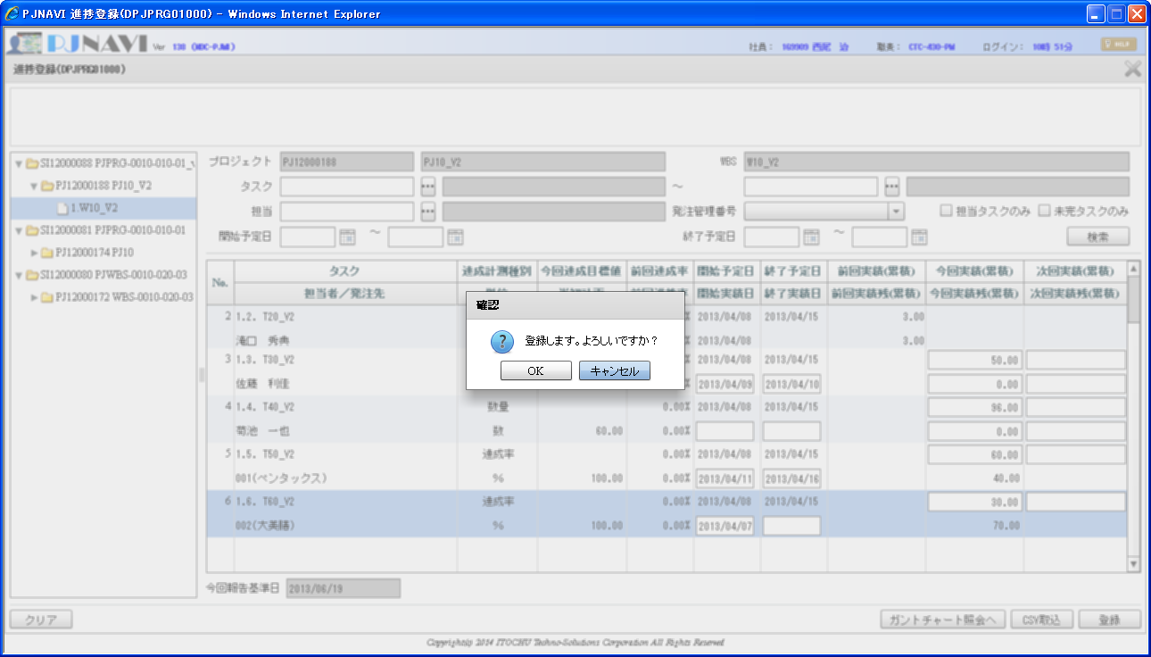

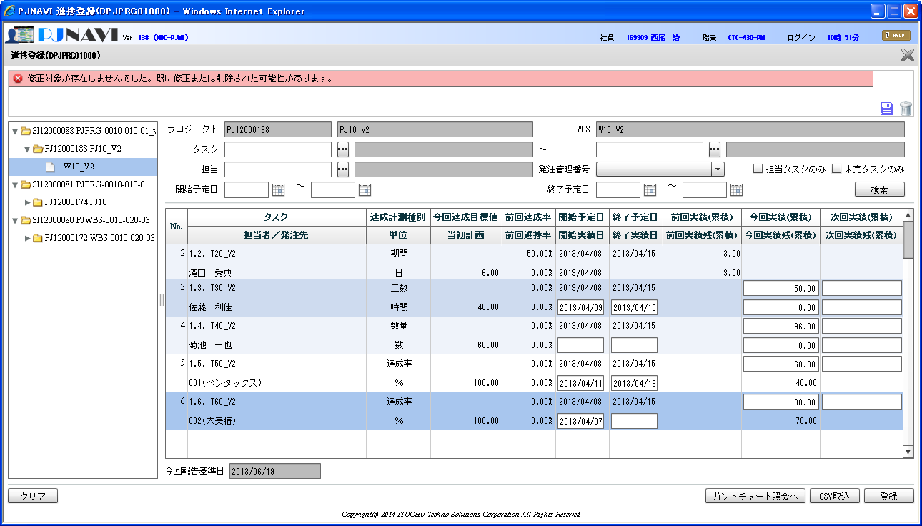

PJTR_PJ_WBS_TSK：WBSタスクトラン
TSK_UID | TSK_NM | TYP | PARENT_TSK_UID | WBS_ID | TSK_CD | NEXTMI_FLNK_TSK_ID | DSP_SEQ | PRJ_CD | ACC_MES_KND_CD | SHIP_TSK_FLG | SHIP_MNG_NO | PLN_PROD_QUAL | PLN_MNHOUR | STR_PLN_DT | END_PLN_DT | HDAY_OPE_FLG | STR_RSLT_DT | END_RSLT_DT | PRJ_EXCEPT_SEG | PRJ_UND_FLG | PREV_RSLT | PREV_RSLT_REM | THIS_RSLT | THIS_RSLT_REM | NEXT_RSLT | NEXT_RSLT_REM | AC | AC_PRICE | CMT | RES_ITEM_1 | RES_ITEM_2 | RES_ITEM_3 | RES_ITEM_4 | RES_ITEM_5 | DEL_FLG | REG_USR_ID | REG_PGM_ID | REG_TS | UPD_USR_ID | UPD_PGM_ID | UPD_TS | VER_NO
639 | W10_V2 | 10 |  | 639 | 1. |  | 1 | PJ12000188 | 0 | 0 |  |  |  |  |  | 0 |  |  | 0 | 1 |  |  |  |  |  |  |  |  |  |  |  |  |  |  | 0 | 2477 | DPJWBS01000 | 13-08-22 11:49:25.889 | 2477 | DPJWBS01000 | 13-08-22 11:49:25.889 | 1 | 13-08-22 11:49:25.889 | 1
640 | T10_V2 | 70 | 639 | 639 | 1.1. | 1005 | 1 | PJ12000188 | 10 | 0 |  |  | 30 | 2013/04/08 | 2013/04/15 | 0 | 2013/04/18 | 2013/04/18 | 0 | 0 | 0.1 | 0.9 | 1 | 0 |  |  |  |  |  |  |  |  |  |  | 0 | 2477 | DPJWBS01000 | 13-08-22 11:52:50.608 | 2477 | DPJPRG01000 | 13-08-28 21:15:20.875 | 16 | 13-08-28 21:15:20.875 | 16
641 | T20_V2 | 70 | 639 | 639 | 1.2. | 1006 | 2 | PJ12000188 | 20 | 0 |  |  | 30 | 2013/04/08 | 2013/04/15 | 0 | 2013/04/08 |  | 0 | 0 | 3 | 3 |  |  |  |  |  |  |  |  |  |  |  |  | 0 | 2477 | DPJWBS01000 | 13-08-22 11:52:50.608 | 9999999999 | jpjprg08006 | 13-08-26 14:23:47.188 | 3 | 13-08-26 14:23:47.188 | 3
642 | T30_V2 | 70 | 639 | 639 | 1.3. | 1007 | 3 | PJ12000188 | 30 | 0 |  |  | 40 | 2013/04/08 | 2013/04/15 | 1 | 2013/04/08 |  | 0 | 0 |  |  | 0 | 40 |  |  |  |  |  |  |  |  |  |  | 0 | 2477 | DPJWBS01000 | 13-08-22 11:52:50.608 | 2477 | DPJPRG01000 | 13-08-26 20:14:49.522 | 8 | 13-08-26 20:14:49.522 | 8
643 | T40_V2 | 70 | 639 | 639 | 1.4. | 1008 | 4 | PJ12000188 | 40 | 0 |  | 60 | 30 | 2013/04/08 | 2013/04/15 | 0 |  |  | 0 | 0 |  |  |  |  |  |  |  |  |  |  |  |  |  |  | 0 | 2477 | DPJWBS01000 | 13-08-22 11:52:50.608 | 2477 | DPJPRG01000 | 13-08-26 20:14:49.522 | 8 | 13-08-26 20:14:49.522 | 8
680 | T50_V2 | 70 | 639 | 639 | 1.5. | 1008 | 5 | PJ12000188 | 10 | 1 | 001 |  | 30 | 2013/04/08 | 2013/04/15 | 0 | 2013/04/08 |  | 0 | 0 |  |  | 0 | 1 |  |  | 15 | 75000 | 0000000557 |  |  |  |  |  | 0 | 2477 | DPJWBS01000 | 13-08-26 11:52:08.360 | 2477 | DPJPRG01000 | 13-08-26 19:31:51.976 | 13 | 13-08-26 19:31:51.976 | 13
681 | T60_V2 | 70 | 639 | 639 | 1.6. | 1008 | 6 | PJ12000188 | 10 | 1 | 002 |  | 30 | 2013/04/08 | 2013/04/15 | 0 | 2013/04/08 | 2013/04/20 | 0 | 0 |  |  | 1 | 0 |  |  | 15 | 80000 | 0000011112 |  |  |  |  |  | 0 | 2477 | DPJWBS01000 | 13-08-26 11:52:08.360 | 2477 | DPJPRG01000 | 13-08-26 20:14:49.522 | 9 | 13-08-26 20:14:49.522 | 9

 |  |  |  |  |  |  |  |  |  |  |  |  |  |  |  |  |  |  |  |  |  |  |  |  |  |  |  |  |  |  |  |  |  |  |  |  |  |  |  |  | TRUE | TRUE
４．登録ボタン押下する（変更されたNo.１，３，５，６が登録されることを想定）
Ｎｏ．１のタスクについてWBSタスクトランのレコードVer（楽観排他使用項目）を画面表示時の状態に戻す
PJTR_PJ_WBS_TSK：WBSタスクトラン |  |  |  |  |  |  |  |  |  |  |  |  |  |  |  |  |  |  |  |  |  |  |  |  |  |  |  |  |  |  |  |  |  |  |  |  |  |  |  |  | TRUE | TRUE
TSK_UID | TSK_NM | TYP | PARENT_TSK_UID | WBS_ID | TSK_CD | NEXTMI_FLNK_TSK_ID | DSP_SEQ | PRJ_CD | ACC_MES_KND_CD | SHIP_TSK_FLG | SHIP_MNG_NO | PLN_PROD_QUAL | PLN_MNHOUR | STR_PLN_DT | END_PLN_DT | HDAY_OPE_FLG | STR_RSLT_DT | END_RSLT_DT | PRJ_EXCEPT_SEG | PRJ_UND_FLG | PREV_RSLT | PREV_RSLT_REM | THIS_RSLT | THIS_RSLT_REM | NEXT_RSLT | NEXT_RSLT_REM | AC | AC_PRICE | CMT | RES_ITEM_1 | RES_ITEM_2 | RES_ITEM_3 | RES_ITEM_4 | RES_ITEM_5 | DEL_FLG | REG_USR_ID | REG_PGM_ID | REG_TS | UPD_USR_ID | UPD_PGM_ID | UPD_TS | VER_NO
639 | W10_V2 | 10 |  | 639 | 1. |  | 1 | PJ12000188 | 0 | 0 |  |  |  |  |  | 0 |  |  | 0 | 1 |  |  |  |  |  |  |  |  |  |  |  |  |  |  | 0 | 2477 | DPJWBS01000 | 13-08-22 11:49:25.889 | 2477 | DPJWBS01000 | 13-08-22 11:49:25.889 | 1
640 | T10_V2 | 70 | 639 | 639 | 1.1. | 1005 | 1 | PJ12000188 | 10 | 0 |  |  | 30 | 2013/04/08 | 2013/04/15 | 0 | 2013/04/18 | 2013/04/18 | 0 | 0 | 0.1 | 0.9 | 1 | 0 |  |  |  |  |  |  |  |  |  |  | 0 | 2477 | DPJWBS01000 | 13-08-22 11:52:50.608 | 2477 | DPJPRG01000 | 13-08-28 21:15:20.875 | 15
641 | T20_V2 | 70 | 639 | 639 | 1.2. | 1006 | 2 | PJ12000188 | 20 | 0 |  |  | 30 | 2013/04/08 | 2013/04/15 | 0 | 2013/04/08 |  | 0 | 0 | 3 | 3 |  |  |  |  |  |  |  |  |  |  |  |  | 0 | 2477 | DPJWBS01000 | 13-08-22 11:52:50.608 | 9999999999 | jpjprg08006 | 13-08-26 14:23:47.188 | 3
642 | T30_V2 | 70 | 639 | 639 | 1.3. | 1007 | 3 | PJ12000188 | 30 | 0 |  |  | 40 | 2013/04/08 | 2013/04/15 | 1 | 2013/04/08 |  | 0 | 0 |  |  | 0 | 40 |  |  |  |  |  |  |  |  |  |  | 0 | 2477 | DPJWBS01000 | 13-08-22 11:52:50.608 | 2477 | DPJPRG01000 | 13-08-26 20:14:49.522 | 8
643 | T40_V2 | 70 | 639 | 639 | 1.4. | 1008 | 4 | PJ12000188 | 40 | 0 |  | 60 | 30 | 2013/04/08 | 2013/04/15 | 0 |  |  | 0 | 0 |  |  |  |  |  |  |  |  |  |  |  |  |  |  | 0 | 2477 | DPJWBS01000 | 13-08-22 11:52:50.608 | 2477 | DPJPRG01000 | 13-08-26 20:14:49.522 | 8
680 | T50_V2 | 70 | 639 | 639 | 1.5. | 1008 | 5 | PJ12000188 | 10 | 1 | 001 |  | 30 | 2013/04/08 | 2013/04/15 | 0 | 2013/04/08 |  | 0 | 0 |  |  | 0 | 1 |  |  | 15 | 75000 | 0000000557 |  |  |  |  |  | 0 | 2477 | DPJWBS01000 | 13-08-26 11:52:08.360 | 2477 | DPJPRG01000 | 13-08-26 19:31:51.976 | 13
681 | T60_V2 | 70 | 639 | 639 | 1.6. | 1008 | 6 | PJ12000188 | 10 | 1 | 002 |  | 30 | 2013/04/08 | 2013/04/15 | 0 | 2013/04/08 | 2013/04/20 | 0 | 0 |  |  | 1 | 0 |  |  | 15 | 80000 | 0000011112 |  |  |  |  |  | 0 | 2477 | DPJWBS01000 | 13-08-26 11:52:08.360 | 2477 | DPJPRG01000 | 13-08-26 20:14:49.522 | 9

入力エラーになるパターン |  |  |  |  |  |  |  |  |  |  |  |  |  |  |  |  |  |  |  | 正常登録されるパターン
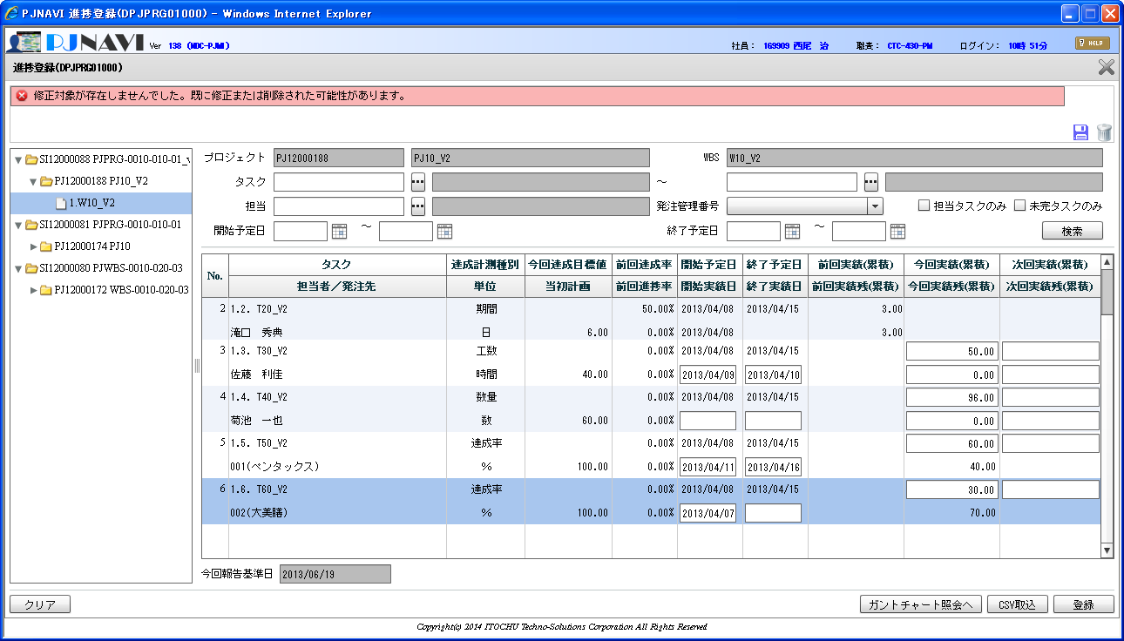
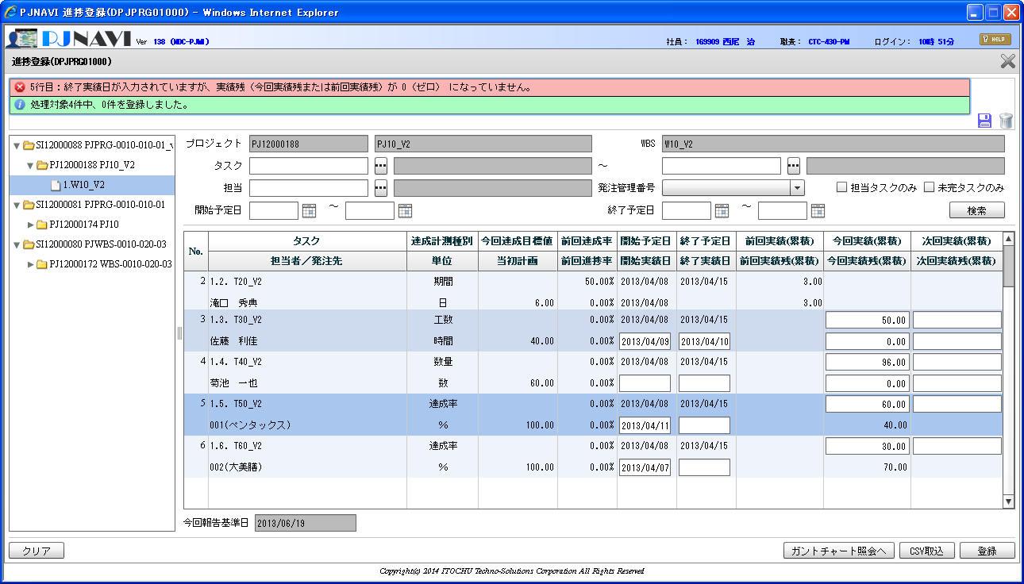


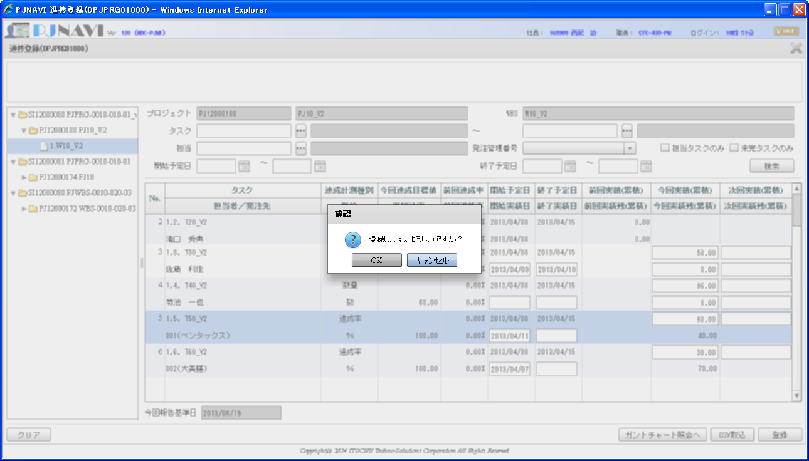

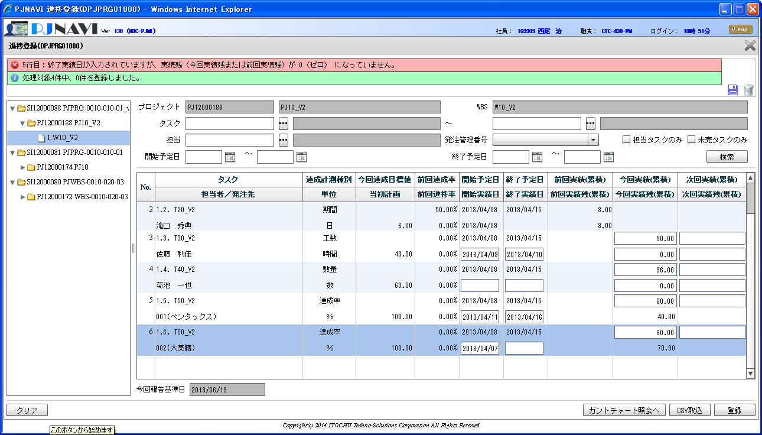
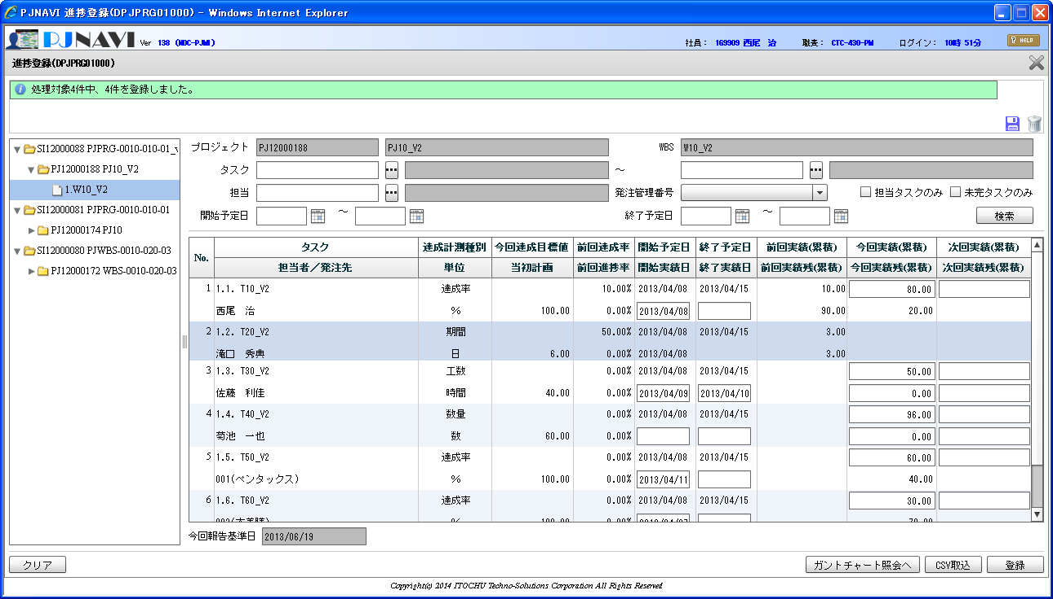

画面で変更された行を全件登録するか、全件登録しないかのどちらかである為、登録完了メッセージは他の画面と共通化するべき。
メッセージID： IPJ0470 ⇒ IPJ0030
サーバ入力チェックでエラーとなりDB登録処理は実行されていない為、INFOの登録した旨のメッセージは表示不要。

PJTR_PJ_WBS_TSK：WBSタスクトラン（登録処理終了後） |  |  |  |  |  |  |  |  |  |  |  |  |  |  |  |  |  |  |  |  |  |  |  |  |  |  |  |  |  |  |  |  |  |  |  |  |  |  |  |  |  |  | 登録処理前
TSK_UID | TSK_NM | TYP | PARENT_TSK_UID | WBS_ID | TSK_CD | NEXTMI_FLNK_TSK_ID | DSP_SEQ | PRJ_CD | ACC_MES_KND_CD | SHIP_TSK_FLG | SHIP_MNG_NO | PLN_PROD_QUAL | PLN_MNHOUR | STR_PLN_DT | END_PLN_DT | HDAY_OPE_FLG | STR_RSLT_DT | END_RSLT_DT | PRJ_EXCEPT_SEG | PRJ_UND_FLG | PREV_RSLT | PREV_RSLT_REM | THIS_RSLT | THIS_RSLT_REM | NEXT_RSLT | NEXT_RSLT_REM | AC | AC_PRICE | CMT | RES_ITEM_1 | RES_ITEM_2 | RES_ITEM_3 | RES_ITEM_4 | RES_ITEM_5 | DEL_FLG | REG_USR_ID | REG_PGM_ID | REG_TS | UPD_USR_ID | UPD_PGM_ID | UPD_TS | VER_NO | UPD_TS | VER_NO | 画面行No | TS登録前後比較 | VER_NO登録前後比較
639 | W10_V2 | 10 |  | 639 | 1. |  | 1 | PJ12000188 | 0 | 0 |  |  |  |  |  | 0 |  |  | 0 | 1 |  |  |  |  |  |  |  |  |  |  |  |  |  |  | 0 | 2477 | DPJWBS01000 | 13-08-22 11:49:25.889 | 2477 | DPJWBS01000 | 13-08-22 11:49:25.889 | 1 | 13-08-22 11:49:25.889 | 1 | ー | TRUE | TRUE
640 | T10_V2 | 70 | 639 | 639 | 1.1. | 1005 | 1 | PJ12000188 | 10 | 0 |  |  | 30 | 2013/04/08 | 2013/04/15 | 0 | 2013/04/08 |  | 0 | 0 | 0.1 | 0.9 | 0.8 | 0.2 |  |  |  |  |  |  |  |  |  |  | 0 | 2477 | DPJWBS01000 | 13-08-22 11:52:50.608 | 2477 | DPJPRG01000 | 13-08-29 11:37:03.254 | 16 | 13-08-28 21:15:20.875 | 15 | 1 | FALSE | FALSE
641 | T20_V2 | 70 | 639 | 639 | 1.2. | 1006 | 2 | PJ12000188 | 20 | 0 |  |  | 30 | 2013/04/08 | 2013/04/15 | 0 | 2013/04/08 |  | 0 | 0 | 3 | 3 |  |  |  |  |  |  |  |  |  |  |  |  | 0 | 2477 | DPJWBS01000 | 13-08-22 11:52:50.608 | 9999999999 | jpjprg08006 | 13-08-26 14:23:47.188 | 3 | 13-08-26 14:23:47.188 | 3 | 2 | TRUE | TRUE
642 | T30_V2 | 70 | 639 | 639 | 1.3. | 1007 | 3 | PJ12000188 | 30 | 0 |  |  | 40 | 2013/04/08 | 2013/04/15 | 1 | 2013/04/09 | 2013/04/10 | 0 | 0 |  |  | 50 | 0 |  |  |  |  |  |  |  |  |  |  | 0 | 2477 | DPJWBS01000 | 13-08-22 11:52:50.608 | 2477 | DPJPRG01000 | 13-08-29 11:37:03.254 | 9 | 13-08-26 20:14:49.522 | 8 | 3 | FALSE | FALSE
643 | T40_V2 | 70 | 639 | 639 | 1.4. | 1008 | 4 | PJ12000188 | 40 | 0 |  | 60 | 30 | 2013/04/08 | 2013/04/15 | 0 |  |  | 0 | 0 |  |  |  |  |  |  |  |  |  |  |  |  |  |  | 0 | 2477 | DPJWBS01000 | 13-08-22 11:52:50.608 | 2477 | DPJPRG01000 | 13-08-26 20:14:49.522 | 8 | 13-08-26 20:14:49.522 | 8 | 4 | TRUE | TRUE
680 | T50_V2 | 70 | 639 | 639 | 1.5. | 1008 | 5 | PJ12000188 | 10 | 1 | 001 |  | 30 | 2013/04/08 | 2013/04/15 | 0 | 2013/04/11 |  | 0 | 0 |  |  | 0.6 | 0.4 |  |  | 15 | 75000 | 0000000557 |  |  |  |  |  | 0 | 2477 | DPJWBS01000 | 13-08-26 11:52:08.360 | 2477 | DPJPRG01000 | 13-08-29 11:37:03.254 | 14 | 13-08-26 19:31:51.976 | 13 | 5 | FALSE | FALSE
681 | T60_V2 | 70 | 639 | 639 | 1.6. | 1008 | 6 | PJ12000188 | 10 | 1 | 002 |  | 30 | 2013/04/08 | 2013/04/15 | 0 | 2013/04/07 |  | 0 | 0 |  |  | 0.3 | 0.7 |  |  | 15 | 80000 | 0000011112 |  |  |  |  |  | 0 | 2477 | DPJWBS01000 | 13-08-26 11:52:08.360 | 2477 | DPJPRG01000 | 13-08-29 11:37:03.254 | 10 | 13-08-26 20:14:49.522 | 9 | 6 | FALSE | FALSE

５．登録ボタン押下する（何も変更していないので対象なしで登録処理されないことを想定）

