Hierarchy Diagrams
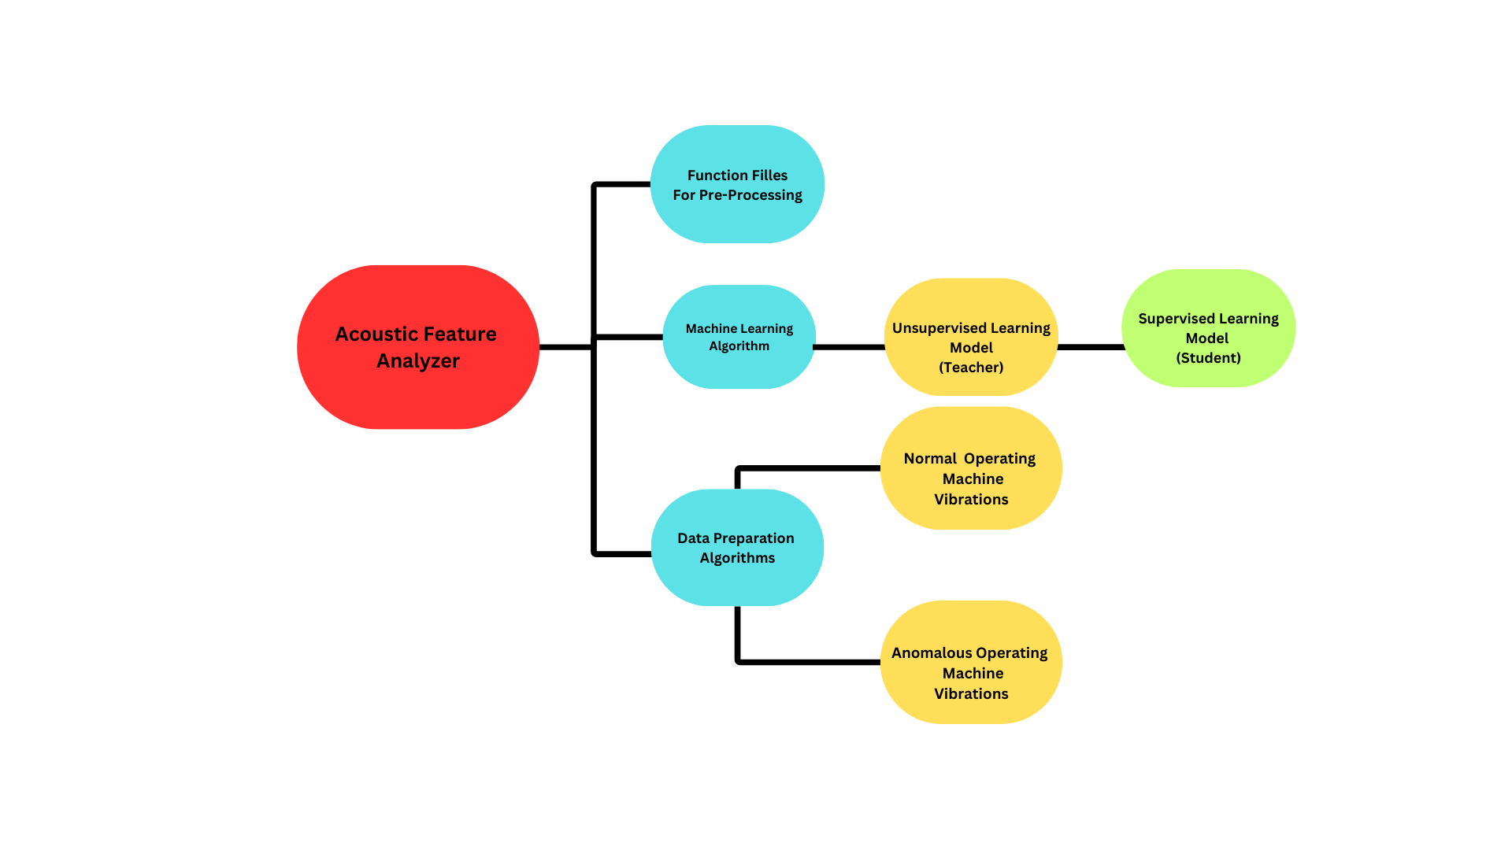
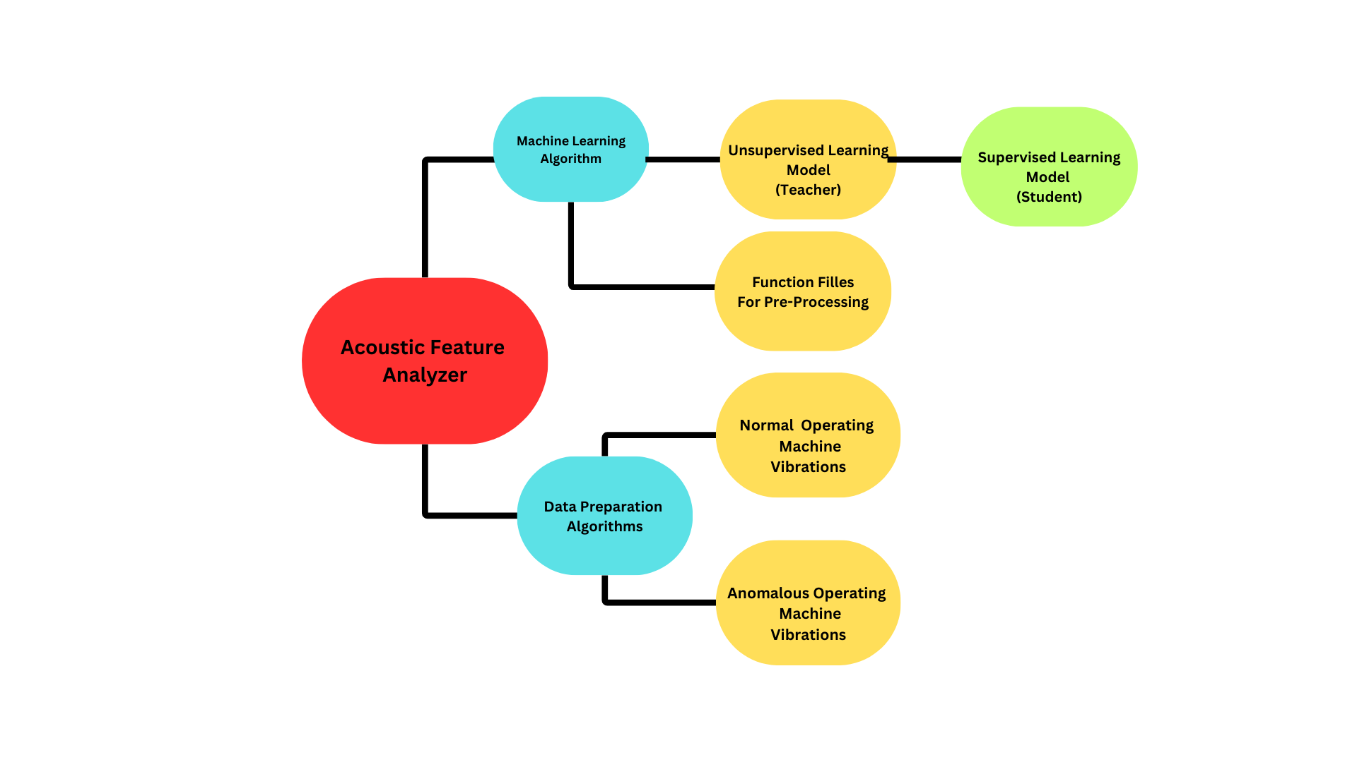
Hierarchy Diagram

P-Diagram
Response/
Ideal
Function
SUBJECT: Noise Factors
System Factors
Time Series Data Intake
Learned Features
Signal
Factors

Time Series In Form of *.wav Files
*Learn Accurate Compressed Representation(s) of Time Series Data.
*Correctly Classify Normal & Abnormal Machine Vibration Data.

Supervised Learning Model
(SVM)

User Factors
Hyper Parameter Tuning (Hidden Size, Sparsity, Weight Initialization, etc.)
Time Series Data Matrix Dimensions (Features x Samples)
Audio File Format (Sampling Rate, Number Of Channels, Time Frame)

Environmental Factors
Background Noise (Disrupts Learning Performance)
Transients (Knocks, Chirps, Cars, etc.)

Function Model
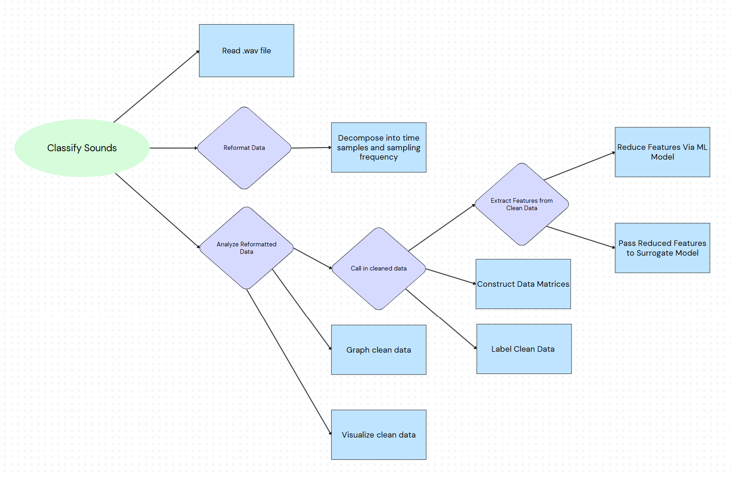

Occurrence
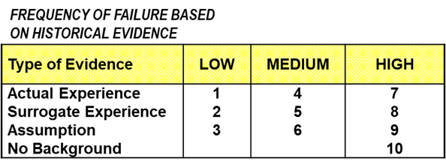
Occurrence Ratings for Design FMEA Studies
Note: Occurrence Ratings Assume That A Cause Arises AND Results in a Functional Disruption
Occurrence Rating | Likelihood of Failure Cause-Mode Outcome | Criteria for Occurrence Rating | Supplemental Criteria | Statistical Guidelines
10 | Extremely High | New or substantially modified technology that has never been deployed previously in the anticipated environment and/or expected customer usage patterns. | Functional disruption either cannot be modeled or models are unproven. Regulatory standards may not exist or have not yet been adopted by a recognized agency. | More than 1 failure in three products may be possible.
9 | Very High | First usage of analogous technology within the firm; major change in duty cycle with weak ability to project likelihood of functional disruption. | Limited or no previous design verification data is available. Regulatory standards are either new and unproven or vague. | Less than 1 failure in 3 but more than 1 per 8 products may be possible.
8 |  | First usage of technology in a new application or significantly modified duty cycle. Ability to project functional consistency or reliability is based on qualitative assessments. | Limited design verification data is available. Regulatory standards may not be mature. | Less than 1 failure in 8 but more than 1 per 20 products may be possible.
7 | High | New application of existing technology (i.e., new environment or customer usage expectations). Ability to project consistency or reliability may be based on broad, semi-quantitative models. | Historical evidence shows that failure rates have been high and therefore troublesome for similar technology or application conditions. | Less than 1 failure in 20 but more than 1 per 80 products may be possible.
6 |  | Surrogate experience with similar technology exists, and consistency or reliability is based on models with previously proven value. | Historical evidence shows that failure rates have been moderate but consequential for similar technology or application conditions. | Less than 1 failure in 80 but more than 1 per 400 products may be possible.
5 | Moderate | Proven technology with moderately complex changes in design details. | Historical evidence shows that failure rates have been higher than is generally acceptable for similar technology or application conditions. | Less than 1 failure in 400 but more than 1 per 2,000 products
4 |  | Actual experience with a design and technology in the planned environment and customer usage expectations. | Historical evidence shows that failure rates have been annoying but manageable. Frequency of failure may be above planned warranty rates or higher than general industry norms. | Less than 1 failure in 2,000 but more than 1 per 15,000 product may be possible.
3 | Low | Well documented experience with the specific design and technology in the planned environment and customer usage expectations. | Historical evidence shows that failure rates have been higher than desirable but not substantially higher than industry norms. | Less than 1 failure in 15,000 but more than 1 per 150,000 products is expected.
2 | Very Low | Long-term usage of the specific design and technology in the planned environment and customer usage expectations. | Historical evidence shows that failure rates have been very low and lower than industry norms. | Less than 1 failure in 150,000 but more than 1 per 1,500,000 products is expected.
1 | Extremely Low | Failure may not occur due to a highly reliable fail-safe element of the design. | Functional disruption is expected to be very rare during the projected lifetime of the product. | Less than 1 failure in 1,500,000 products is expected

 | SUPPLEMENTAL OCCURRENCE TABLE

