Axial


JOB ORDER
JOB ORDER# | : |  | AFBM-JO2600055 |  |  |  |  |  |  | Date | : |  | 2026-07-06
 |  | __________________________________________ |  |  |  |  |  |  |  |  |  | _________________________________
Project | :
 |  | _________________________________________________________________________________________
Target Date: |  | 2026-07-06 |  |  |  | Date Started: |  |  |  |  |  | Date Finished:
 | ____________________ |  |  |  |  |  |  | ____________________ |  |  |  |  |  | ____________________

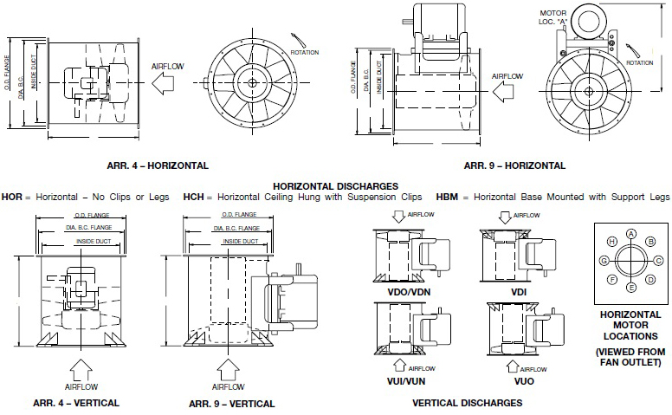
PRODUCTION LEAD TIME |  |  |  | Body | 6 |  | days | Body | 3 | days
 |  |  |  |  | _____ |  |  |  | _____

Orientation | : | Foot Mounted |  |  |  |  |  |  |  | Impeller | : | Axial
 |  | ___________________________________ |  |  |  |  |  |  |  |  |  | _____________________________
Motor Location | : | 12 o'clock facing discharge |  |  |  |  |  |  |  | Drive | : | Belt
 |  | ___________________________________ |  |  |  |  |  |  |  |  |  | _____________________________
Capacity | :
 |  | _______________________________________________________________________________
Speed | :
 |  | _______________________________________________________________________________
Drive Motor | :
 |  | _______________________________________________________________________________
Motor Pulley | :
 |  | _______________________________________________________________________________
Fan Pulley | :
 |  | _______________________________________________________________________________
Hub | : | 4”Ø x 4”L x 2"Ø bore x 1/2” keyway
 |  | _______________________________________________________________________________
Shafting | : |  | 2”Ø bore x 1/2" keyway
 |  | _______________________________________________________________________________
Belt | :
 |  | _______________________________________________________________________________
Bearing | :
 |  | _______________________________________________________________________________
 |  |  |  |  |  |  |  |  |  |  |  |  | /afbm rev 7 : 03/28/2026

