Power Roof


JOB ORDER
JOB ORDER# | : |  | AFBM-JO2600069 |  |  |  |  |  |  | Date | : |  | 2026-07-06
 |  | __________________________________________ |  |  |  |  |  |  |  |  |  | _________________________________
Project | :
 |  | _________________________________________________________________________________________
Target Date: |  | 2026-07-12 |  |  |  | Date Started: |  |  |  |  |  | Date Finished:
 | ____________________ |  |  |  |  |  |  | ____________________ |  |  |  |  |  | ____________________

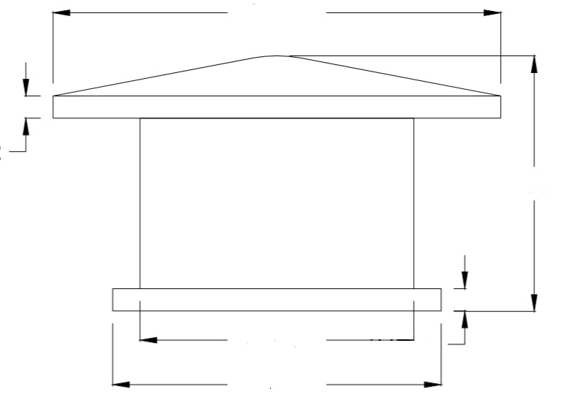
PRODUCTION LEAD TIME |  |  |  | Body | 8 |  | days | Body | 5 | days
 |  |  |  |  | _____ |  |  |  | _____

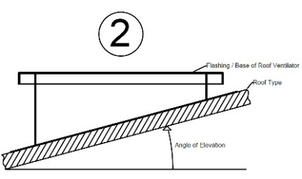

Orientation | : | Exhaust |  |  |  |  |  |  |  | Impeller | : | Paddle Type
 |  | ___________________________________ |  |  |  |  |  |  |  |  |  | _____________________________
Mounting | : | Roof Mounted |  |  |  |  |  |  |  | Drive | : | Belt
 |  | ___________________________________ |  |  |  |  |  |  |  |  |  | _____________________________
Capacity | :
 |  | _______________________________________________________________________________
Speed | :
 |  | _______________________________________________________________________________
Drive Motor | :
 |  | _______________________________________________________________________________
Motor Pulley | :
 |  | _______________________________________________________________________________
Fan Pulley | :
 |  | _______________________________________________________________________________
Hub | : | 3”Ø x 3”L x 1 1/2”Ø bore x 3/8” keyway
 |  | _______________________________________________________________________________
Shafting | : |  | 1 1/2”Ø bore x 3/8" keyway
 |  | _______________________________________________________________________________
Belt | :
 |  | _______________________________________________________________________________
Bearing | :
 |  | _______________________________________________________________________________
 |  |  |  |  |  |  |  |  |  |  |  |  | /afbm rev 2 : 03/28/2026

