Purchase Order
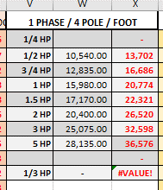
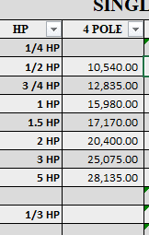


Purchase Order
Company Name
Attention
Address
Date
P.O. Number

Item | Description | Qty | Unit | Unit Price | Gross Amount

TOTAL AMOUNT
LESS EWT 1%
NET AMOUNT =>
Remarks:

_______________________
Account Purchaser
AEROVENT

