Centrifugal Blower-DIDW


JOB ORDER
JOB ORDER# | : |  | AFBM-JO2600054 |  |  |  |  |  |  | Date | : |  | 2026-05-26
 |  | __________________________________________ |  |  |  |  |  |  |  |  |  | _________________________________
Project | :
 |  | _________________________________________________________________________________________
Target Date: |  | 2026-06-06 |  |  |  | Date Started: |  |  |  |  |  | Date Finished:
 | ____________________ |  |  |  |  |  |  | ____________________ |  |  |  |  |  | ____________________

PRODUCTION LEAD TIME |  |  |  | Body | 14 |  | days | Body | 10 | days
 |  |  |  |  | _____ |  |  |  | _____
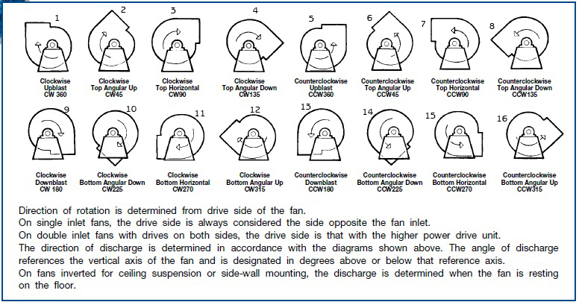

Orientation | : | Top Horizontal |  |  |  |  |  |  |  | Impeller | : | Backwardly Inclined
 |  | ___________________________________ |  |  |  |  |  |  |  |  |  | _____________________________
Rotation | : | Clockwise |  |  |  |  |  |  |  | Drive | : | Belt
 |  | ___________________________________ |  |  |  |  |  |  |  |  |  | _____________________________
Capacity | :
 |  | _______________________________________________________________________________
Speed | :
 |  | _______________________________________________________________________________
Drive Motor | :
 |  | _______________________________________________________________________________
Motor Pulley | :
 |  | _______________________________________________________________________________
Fan Pulley | :
 |  | _______________________________________________________________________________
Hub | : | 4 1/2”Ø x 4 1/2”L x 2 1/2"Ø bore x 1/2” keyway
 |  | _______________________________________________________________________________
Shafting | : |  | 2 1/2”Ø x 1/2" keyway
 |  | _______________________________________________________________________________
Belt | :
 |  | _______________________________________________________________________________
Bearing | :
 |  | _______________________________________________________________________________
 |  |  |  |  |  |  |  |  |  |  |  |  | /afbm rev 7 : 03/28/2026

