LR 0.01
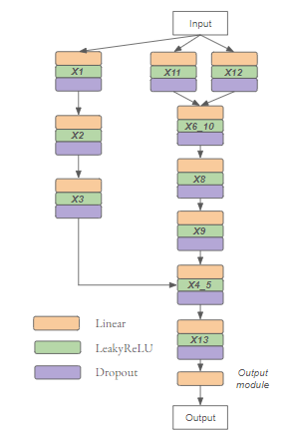
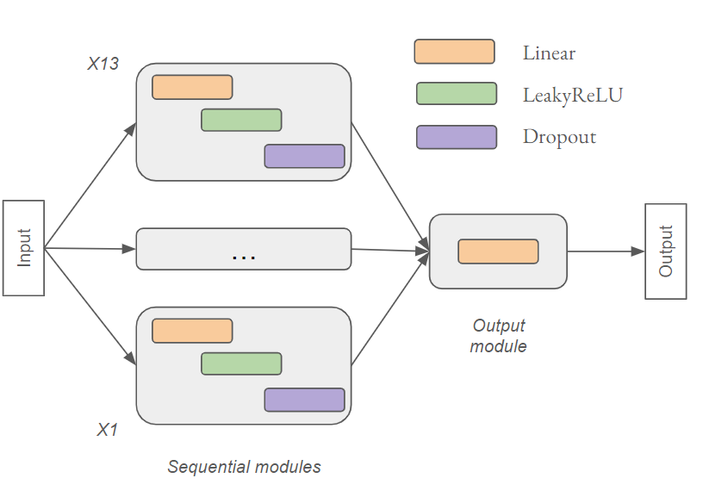
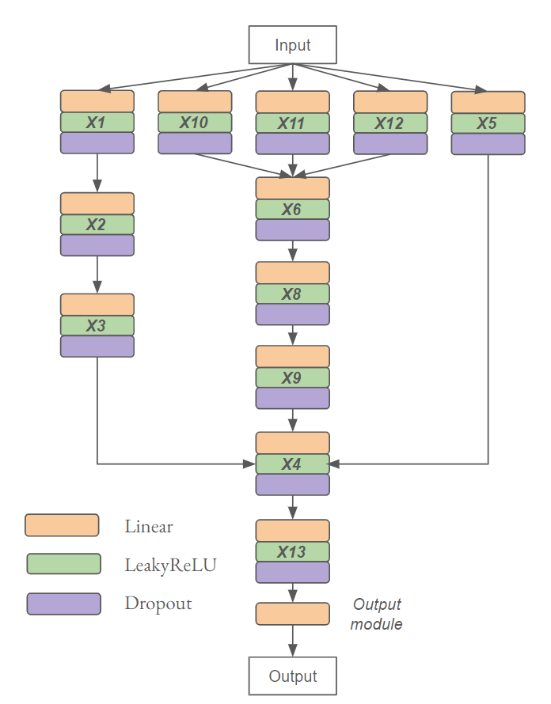
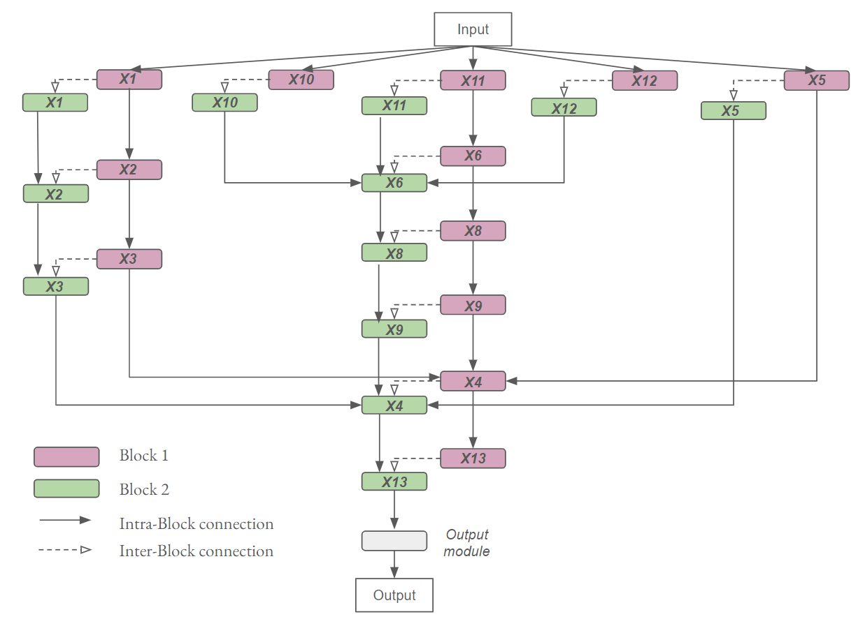
PARENT | DESCRIPTION | TRAINING TYPE | version info | 30 PH |  |  |  | 45 PH |  |  |  | 60 PH |  |  |  | 120 PH
 |  |  |  | Validation |  | Test |  | Validation |  | Test |  | Validation |  | Test |  | Validation |  | Test
 |  |  |  | II LOSS | BEH LOSS | II LOSS | BEH LOSS | II LOSS | BEH LOSS | II LOSS | BEH LOSS | II LOSS | BEH LOSS | II LOSS | BEH LOSS | II LOSS | BEH LOSS | II LOSS | BEH LOSS | II LOSS | MSE loss measured when interchange interverntions are performed to teacher and student == how much the student resembles to teacher == how much student is causal abstraction of teacher
PARALLEL | 13 SEQUENTIAL MODULES. Each module=linear+ LeakyReLU+dropout. No connections between modules.
 |  | IIT TRAIN |  | 0.00452 | 0.00535 | 0.01020 | 0.00614 | 0.01139 | 0.00975 | 0.03422 | 0.02172 | 0.01120 | 0.01553 | 0.06347 | 0.03829 | 0.11053 | 0.16823 | 0.07374 | 0.21938
 |  | REGULAR |  | ― | 0.00849 | ― | 0.00689 | ― | 0.04482 | ― | 0.01732 | ― | 0.01316 | ― | 0.03299 | ― | 0.16167 | ― | 0.21962 | BEH LOSS | MSE loss measured when NO interchange interverntions are performed == how accurate the predictions are with respect to the real values == how different is the student predicting from the real values (obtained from teacher)

TREE | 13 SEQUENTIAL MODULES. Each module=linear+ LeakyReLU+dropout. The connections between modules are tree-shaped. See diagram on the bottom. The cyclic bidirectional relations between x_5 <---> x_4 and x_6 <---> x_10 are modified to be one directional so that x_5 --> x_4 and x_10 --> x_6
 |  | IIT TRAIN | hidden size 128 | 0.00478 | 0.00521 | 0.00644 | 0.00493 | 0.01191 | 0.00897 | 0.00833 | 0.01397 | 0.01787 | 0.02712 | 0.02024 | 0.04145 | 0.05918 | 0.08047 | 0.09731 | 0.15088 |  | Best results comparng a same parent model and version between training types
 |  | REGULAR |  | ― | 0.00634 | ― | 0.004191 | ― | 0.00948 | ― | 0.01767 | ― | 0.00627 | ― | 0.02826 | ― | 0.06957 | ― | 0.18751

 |  | IIT TRAIN | hidden size 256 | 0.00892 | 0.00693 | 0.01703 | 0.02101 | 0.00777 | 0.00583 | 0.01356 | 0.01777 | ― | 0.02566 | ― | 0.03233 | 0.03011 | 0.06031 | 0.14133 | 0.15209 |  | Learning | EGA grid on test data shows predicitons along the diagonal
 |  | REGULAR |  | ― | 0.00950 | ― | 0.02195 | ― | 0.00937 | ― | 0.01334 | ― | 0.01721 | ― | 0.03666 | ― | 0.05780 | ― | 0.15460 |  | More or less | EGA grid on test data shows predictions somehow along the x axis
 |  |  |  |  |  |  |  |  |  |  |  |  |  |  |  |  |  |  |  |  | Not learning | EGA grid on test data shows predictions totally horizontal along x axis
 |  | IIT TRAIN | module depth is doubled |  |  |  |  | 0.00961 | 0.01010 | 0.01171 | 0.01495 |  |  |  |  | 0.05385 | 0.07545 | 0.09998 | 0.18660
 |  | REGULAR |  |  |  |  |  | ― | 0.01002 | ― | 0.01746 |  |  |  |  | ― | 0.08171 | ― | 0.16867

JOINT | 13 SEQUENTIAL MODULES. Each module=linear+ LeakyReLU+dropout. The connections between modules are tree-shaped. See diagram on the bottom. The cyclic bidirectional relations between x_5 <---> x_4 and x_6 <---> x_10 are dealt as joint modules. This means X_4_5 and X_6_10 modules are containing the cyclic relations.
 |  | IIT TRAIN |  | 0.01313 | 0.00899 | 0.02880 | 0.01444 | 0.02219 | 0.05143 | 0.19302 | 0.13657 | 0.01138 | 0.00917 | 0.01346 | 0.02477 | 0.13655 | 0.07545 | 0.37712 | 0.22755
 |  | REGULAR |  | ― | 0.00819 | ― | 0.01979 | ― | 0.02066 | ― | 0.07697 | ― | ― | ― | 0.02854 | ― | 0.07208 | ― | 0.20832

 |  | CAUSAL | cyclic relations in teacher are removed | 0.01064 | 0.00867 | 0.02525 | 0.01852 | 0.03118 | 0.02901 | 0.212584 | 0.11601 | 0.09672 | 0.03816 | 0.31416 | 0.19563 | 0.12037 | 0.09643 | 0.36299 | 0.25201

 |  | CAUSAL | double cyclic

SCALED | 13 SEQUENTIAL MODULES. Each module=linear+ LeakyReLU+dropout. The connections between modules are tree-shaped as TREE parent. See diagram on the bottom. The cyclic bidirectional relations between x_5 <---> x_4 and x_6 <---> x_10 are modified to be one directional so that x_5 --> x_4 and x_10 --> x_6. The 13 sequential modules are scaled into blocks. Each blocks represent a timestep in the teacher integration. The number of blocks is dynamic to the PH.
 |  | IIT TRAIN |  | 1.13320 | 0.02686 | 4.45204 | 0.04725 |  |  |  |  | 0.96145 | 0.20156 | 0.20566 | 0.29987 | 1.65974 | 0.12458 | 2.29656 | 0.28676
 |  | REGULAR |  | ― | 0.00689 | ― | 0.01965 | ― | 0.01827 | ― | 0.02051 | ― | 0.12789 | ― | 0.35679 | ― | 0.10583 | ― | 0.23139

 | Parallel |  |  |  |  |  | Tree |  |  |  |  |  |  | Joint |  |  |  |  | Scaled

