he_volt_400.xls
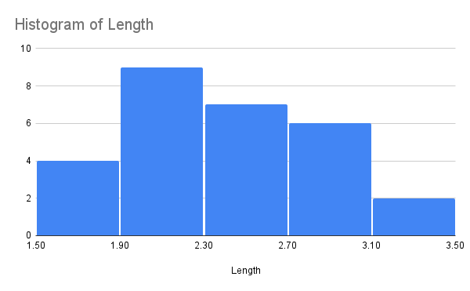
 | Area | Mean | StdDev | Min | Max | X | Y | XM | YM | Angle | Length
1 | 0.023 | 74.794 | 37.002 | 26.805 | 184.775 | 5.304 | 4.896 | 0 | 0 | 161.325 | 2.932
2 | 0.017 | 80.623 | 42.169 | 38.135 | 219.724 | 6.593 | 4.301 | 0 | 0 | 95.194 | 2.141
3 | 0.018 | 82.794 | 41.234 | 27.813 | 173.174 | 5.769 | 4.676 | 0 | 0 | 143.207 | 2.307
4 | 0.021 | 75.185 | 43.487 | 10.423 | 170.006 | 6.044 | 4.165 | 0 | 0 | 118.312 | 2.731
5 | 0.025 | 73.03 | 52.334 | 17.636 | 187.101 | 5.56 | 4.212 | 0 | 0 | 134.417 | 3.236
6 | 0.017 | 79.458 | 37.939 | 29.957 | 185.217 | 5.649 | 5.02 | 0 | 0 | 161.693 | 2.2
7 | 0.021 | 80.74 | 46.281 | 24.067 | 183.754 | 5.939 | 4.224 | 0 | 0 | -56.678 | 2.685
8 | 0.019 | 74.69 | 39.111 | 25 | 205.4 | 6.291 | 4.151 | 0 | 0 | -72.181 | 2.511
9 | 0.021 | 73.476 | 37.368 | 29.487 | 164.901 | 5.408 | 4.84 | 0 | 0 | -21.68 | 2.731
10 | 0.013 | 85.738 | 41.06 | 26.289 | 183.435 | 5.881 | 5.196 | 0 | 0 | -10.501 | 1.62
11 | 0.019 | 75.486 | 38.996 | 22.641 | 197.12 | 6.244 | 4.224 | 0 | 0 | -68.989 | 2.403
12 | 0.017 | 71.878 | 42.88 | 21.367 | 169.285 | 5.602 | 5.087 | 0 | 0 | -13.402 | 2.211
13 | 0.014 | 91.563 | 31.286 | 44.667 | 170.448 | 6.306 | 4.519 | 0 | 0 | -65.963 | 1.813
14 | 0.014 | 87.555 | 39.637 | 41.965 | 230.495 | 6.6 | 4.464 | 0 | 0 | -85.215 | 1.769
15 | 0.017 | 76.383 | 40.248 | 31.324 | 231.964 | 6.442 | 4.248 | 0 | 0 | -78.03 | 2.246
16 | 0.019 | 77.479 | 39.77 | 19.638 | 166.607 | 6.136 | 4.263 | 0 | 0 | -63.517 | 2.42
17 | 0.024 | 63.33 | 43.204 | 9.99 | 182.283 | 5.977 | 3.961 | 0 | 0 | -63.243 | 3.102
18 | 0.023 | 70.978 | 37.311 | 18.993 | 198.431 | 5.285 | 4.898 | 0 | 0 | -17.762 | 2.925
19 | 0.021 | 88.526 | 41.105 | 23.508 | 178.922 | 5.908 | 4.228 | 0 | 0 | -55.491 | 2.713
20 | 0.019 | 74.074 | 38.233 | 25.668 | 168.064 | 5.49 | 4.956 | 0 | 0 | -18.097 | 2.499
21 | 0.016 | 100.81 | 34.322 | 38.63 | 173.125 | 6.117 | 4.468 | 0 | 0 | -57.496 | 2.082
22 | 0.016 | 80.315 | 38.3 | 32.241 | 168.54 | 5.718 | 4.94 | 0 | 0 | -22.834 | 2.082
23 | 0.016 | 71.378 | 48.266 | 21 | 205.511 | 5.652 | 5.374 | 0 | 0 | 1.736 | 2.05
24 | 0.022 | 81.326 | 53.928 | 20.102 | 188.592 | 5.764 | 4.267 | 0 | 0 | -49.791 | 2.825
25 | 0.017 | 70.532 | 41.722 | 21.995 | 174.971 | 5.586 | 5.068 | 0 | 0 | -14.18 | 2.25
26 | 0.014 | 107.525 | 21.369 | 60.701 | 175.45 | 6.26 | 4.577 | 0 | 0 | -61.613 | 1.75
27 | 0.019 | 70.309 | 42.3 | 20.969 | 175.965 | 5.49 | 5.095 | 0 | 0 | -11.813 | 2.426
28 | 0.018 | 83.74 | 47.305 | 26.123 | 173.186 | 5.795 | 4.619 | 0 | 0 | -39.481 | 2.284

