matches won wrt bat first field
Matches won by team wrt bat first and field first since 2014
Count of toss_winner | Column Labels
Row Labels | bat | field | Grand Total
Kolkata Knight Riders | 24 | 65 | 89
Mumbai Indians | 25 | 63 | 88
Chennai Super Kings | 24 | 55 | 79
Sunrisers Hyderabad | 23 | 55 | 78
Royal Challengers Bangalore | 17 | 51 | 68
Rajasthan Royals | 18 | 45 | 63
Delhi Capitals | 13 | 35 | 48
Kings XI Punjab | 8 | 36 | 44
Gujarat Titans | 9 | 19 | 28
Delhi Daredevils | 8 | 17 | 25
Punjab Kings | 4 | 20 | 24
Lucknow Super Giants | 6 | 18 | 24
Gujarat Lions | 2 | 11 | 13
Rising Pune Supergiants | 2 | 3 | 5
Grand Total | 183 | 493 | 676

toss based decision
Winning % based on toss decision
Row Labels | Count of winner
bat | 26.40%
field | 73.60%
Grand Total | 100.00%

top 10 venues
Top 10 venues with most matches won based on bat first and field first
Count of winner | Column Labels
Row Labels | bat | field | Grand Total
Narendra Modi Stadium, Ahmedabad | 5 | 19 | 24
Feroz Shah Kotla | 5 | 19 | 24
MA Chidambaram Stadium, Chepauk, Chennai | 12 | 16 | 28
Sharjah Cricket Stadium | 8 | 20 | 28
M Chinnaswamy Stadium | 2 | 27 | 29
Sheikh Zayed Stadium | 15 | 14 | 29
Eden Gardens | 3 | 38 | 41
Wankhede Stadium | 9 | 33 | 42
Wankhede Stadium, Mumbai | 8 | 37 | 45
Dubai International Cricket Stadium | 19 | 27 | 46
Grand Total | 86 | 250 | 336

MOM winners
Top 10 MOM winners
Row Labels | Count of player_of_match | Player of match | mom
AB de Villiers | 18 | AB de Villiers | 18
AD Russell | 15 | AD Russell | 15
KL Rahul | 13 | KL Rahul | 13
JC Buttler | 13 | JC Buttler | 13
RA Jadeja | 13 | RA Jadeja | 13
DA Warner | 13 | DA Warner | 13
V Kohli | 13 | V Kohli | 13
RG Sharma | 12 | RG Sharma | 12
Rashid Khan | 12 | Rashid Khan | 12
S Dhawan | 11 | S Dhawan | 11
SP Narine | 11
RD Gaikwad | 11
JJ Bumrah | 10
Shubman Gill | 10
SV Samson | 10
GJ Maxwell | 9
SA Yadav | 9
MP Stoinis | 9
UT Yadav | 8
HH Pandya | 8
AM Rahane | 8
RR Pant | 8
SR Watson | 8
F du Plessis | 8
AR Patel | 8
KA Pollard | 7
CH Gayle | 7
MS Dhoni | 7
Sandeep Sharma | 7
Kuldeep Yadav | 7
CV Varun | 6
SS Iyer | 6
DR Smith | 6
AT Rayudu | 6
YS Chahal | 6
B Kumar | 6
RV Uthappa | 6
JM Bairstow | 6
SK Raina | 6
KH Pandya | 6
TA Boult | 6
KS Williamson | 6
Q de Kock | 6
NM Coulter-Nile | 5
BA Stokes | 5
YBK Jaiswal | 5
MM Sharma | 5
N Rana | 5
R Ashwin | 5
A Mishra | 4
AJ Finch | 4
JD Unadkat | 4
NA | 4
SM Curran | 4
Mohammed Siraj | 4
MA Agarwal | 4
PP Shaw | 4
DP Conway | 4
Ishan Kishan | 4
G Gambhir | 4
WP Saha | 4
Harbhajan Singh | 4
RA Tripathi | 4
HV Patel | 4
CA Lynn | 4
Abhishek Sharma | 4
A Nehra | 4
DJ Bravo | 3
Harpreet Brar | 3
Mohammed Shami | 3
KK Nair | 3
TM Head | 3
PA Patel | 3
N Pooran | 3
CJ Anderson | 3
JP Faulkner | 3
C Green | 3
YK Pathan | 3
KD Karthik | 3
LMP Simmons | 3
SO Hetmyer | 3
VR Iyer | 3
A Nortje | 3
CH Morris | 3
SPD Smith | 3
RK Singh | 3
LH Ferguson | 3
MA Starc | 3
SL Malinga | 2
AJ Tye | 2
B Sai Sudharsan | 2
M Pathirana | 2
D Padikkal | 2
M Vohra | 2
Avesh Khan | 2
EJG Morgan | 2
AS Rajpoot | 2
MC Henriques | 2
S Gopal | 2
MEK Hussey | 2
Shivam Mavi | 2
MJ McClenaghan | 2
SN Thakur | 2
MK Pandey | 2
DL Chahar | 2
MM Ali | 2
Yuvraj Singh | 2
AB Dinda | 2
RM Patidar | 2
BB McCullum | 2
S Dube | 2
MP Yadav | 2
JJ Roy | 2
MR Marsh | 2
SE Marsh | 2
Mustafizur Rahman | 2
JP Duminy | 2
PD Salt | 2
DA Miller | 2
PJ Cummins | 2
K Rabada | 2
HM Amla | 2
KK Ahmed | 2
PV Tambe | 2
Umran Malik | 2
PWH de Silva | 2
VR Aaron | 2
I Sharma | 2
R Parag | 2
R Tewatia | 2
B Stanlake | 1
P Kumar | 1
HF Gurney | 1
PN Mankad | 1
M Morkel | 1
PP Chawla | 1
Simarjeet Singh | 1
M Vijay | 1
Kartik Tyagi | 1
E Lewis | 1
P Simran Singh | 1
LS Livingstone | 1
WG Jacks | 1
AS Joseph | 1
JO Holder | 1
A Manohar | 1
HC Brook | 1
GD Phillips | 1
NT Ellis | 1
R Sai Kishore | 1
DJ Hooda | 1
R Shepherd | 1
TH David | 1
Z Khan | 1
KM Jadhav | 1
L Ngidi | 1
Washington Sundar | 1
Mohsin Khan | 1
Yash Thakur | 1
J Fraser-McGurk | 1
DW Steyn | 1
RD Chahar | 1
Sikandar Raza | 1
J Little | 1
A Zampa | 1
JC Archer | 1
Nithish Kumar Reddy | 1
CJ Jordan | 1
JR Hazlewood | 1
GJ Bailey | 1
OF Smith | 1
CR Brathwaite | 1
Akash Madhwal | 1
RR Rossouw | 1
SW Billings | 1
JH Kallis | 1
TG Southee | 1
MA Wood | 1
P Negi | 1
Mandeep Singh | 1
Arshdeep Singh | 1
BCJ Cutting | 1
V Sehwag | 1
S Nadeem | 1
KMA Paul | 1
Mujeeb Ur Rahman | 1
WD Parnell | 1
Mukesh Choudhary | 1
KS Bharat | 1
M Jansen | 1
DR Sams | 1
Shahbaz Ahmed | 1
KV Sharma | 1
Shashank Singh | 1
PK Garg | 1
Anuj Rawat | 1
Imran Tahir | 1
Grand Total | 697

DASHBOARD
INDIAN PREMIER LEAGUE ANALYSIS
Season
IPL-2014
Winner
Kolkata Knight Riders
Runner Up
Kings XI Punjab
Player Of The Series
Glenn Maxwell


Matches won by team wrt bat first and field first since 2014
 | bat | field
Kolkata Knight Riders | 24 | 65
Mumbai Indians | 25 | 63
Chennai Super Kings | 24 | 55
Sunrisers Hyderabad | 23 | 55
Royal Challengers Bangalore | 17 | 51
Rajasthan Royals | 18 | 45
Delhi Capitals | 13 | 35
Kings XI Punjab | 8 | 36
Gujarat Titans | 9 | 19
Delhi Daredevils | 8 | 17
Punjab Kings | 4 | 20
Lucknow Super Giants | 6 | 18
Gujarat Lions | 2 | 11
Rising Pune Supergiants | 2 | 3
Winning % based on toss decision
 | Total
bat | 26.40%
field | 73.60%
Top 10 venues with most matches won based on bat first and field first
 | bat | field
Narendra Modi Stadium, Ahmedabad | 5 | 19
Feroz Shah Kotla | 5 | 19
MA Chidambaram Stadium, Chepauk, Chennai | 12 | 16
Sharjah Cricket Stadium | 8 | 20
M Chinnaswamy Stadium | 2 | 27
Sheikh Zayed Stadium | 15 | 14
Eden Gardens | 3 | 38
Wankhede Stadium | 9 | 33
Wankhede Stadium, Mumbai | 8 | 37
Dubai International Cricket Stadium | 19 | 27

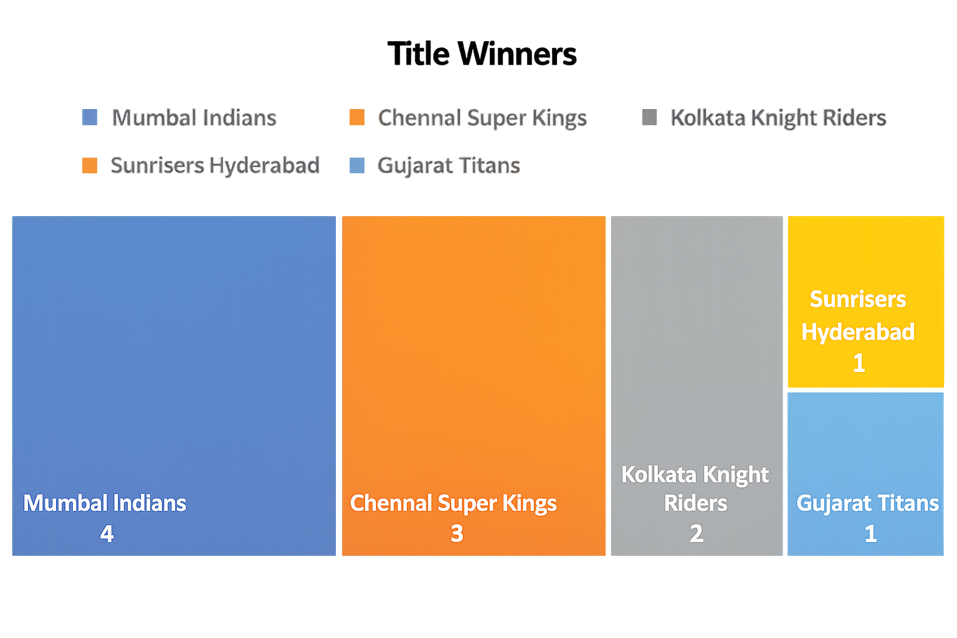
Top 10 MOM winners
 | mom
AB de Villiers | 18
AD Russell | 15
KL Rahul | 13
JC Buttler | 13
RA Jadeja | 13
DA Warner | 13
V Kohli | 13
RG Sharma | 12
Rashid Khan | 12
S Dhawan | 11

