St Matt BCS pos
2015 Chionoecetes opilio Collection - Pathobiology Hematodinium Project
St. Matthew survey collections - BCS positive crabs - 1 orange & 1 black zip tie

Crab Tag Number & Morphometrics Data
Tag Numbers | Crab Morphometrics |  |  |  | No. smears made | plate 44 | DATE & Name:_9/1/15 Pam & Jen_
please write smaller tag no. first - i.e. 2121 / 2562 | Sex | Size (mm) | Shell Cond. | Chela (if applicable) |  | well | Comments
---------Column 1---------
2000 / 2021 | 1 | 68.3 | 2 | 11.9 | 3 | G06 | poor series of slides
2001 / 2812 | 1 | 67.7 | 2 | 9.3 | 3 | E06
2008 / 2835 | 1 | 58.0 | 2 | 8.0 | 3 | A06
2009 / 2828 | 1 | 64.5 | 2 | 11.2 | 3 | F05
2010 / 2015 | 1 | 97.0 | 2 | no chelae | 3 | C06
2014 / 2833 | 1 | 62.3 | 2 | 8.8 | 3 | F06 | 1 slide poor
2016 / 2806 | 1 | 57.3 | 2 | 7.9 | 3 | B06
2017 / 2808 | 1 | 101.5 | 2 | 23.8 | 3 | D06 | white blood
2020 / 2840 | 1 | 60.4 | 2 | 10.2 | 3 | H05
2024 / 2818 | 1 | 60.4 | 2 | 8.6 | 3 | E05
2025 / 2801 | 1 | 107.3 | 2 | no chelae | 3 | A08
2030 / 2807 | 1 | 102.4 | 2.5 | 24.5 | 3 | E07 | white blood
2032 / 2823 | 1 | 75.2 | 2 | 9.9 | 3 | B07
2033 / 2824 | 1 | 63.3 | 2 | 9.3 | 3 | D07
2035 / 2837 | 1 | 61.5 | 2 | 10.2 | 3 | C07
2044 / 2819 | 1 | 79.0 | 2 | 12.4 | 3 | G07
2045 / 2836 | 1 | 80.9 | 3 | 16.5 | 3 | H06
2046 / 2047 | 1 | 86.4 | 2 | 18.4 | 3 | F07
2048 / 2811 | 1 | 65.4 | 3 | 13.0 | 3 | A07
2049 / 2816 | 1 | 67.3 | 2 | 11.1 | 3 | H07
2830 / 2888 | 1 | 66.6 | 2 | 12.4 | 3 | D05

2010/2015, 2000/2021, 2046/2047 were tagless, meaning they could be originally collected as BCS neg.

Crab dead? Note in comments. Try to take a blood sample. Remove & bleach tag; save tag, but don't reuse for this project. Throw away crab.
Tag lost? Replace tag with a new number & correct color zip tie. Note on datasheet. Edit tag # in pre-printed data sheets for future sampling.

St Matt BCS neg
2015 Chionoecetes opilio Collection - Pathobiology Hematodinium Project
Negative crabs - Control Group - 2 black zip ties

Crab Tag Number, Morphometrics & Initial Sampling Data
Tag Numbers | Crab Morphometrics |  |  |  |  | DATE & Name:_Pam & Jen 9/1/15____________
please write smaller tag no. first - i.e. 2121 / 2562 | Sex | Size (mm) | Shell Cond. | plate # | Well No (i.e. A1, B1) | Comments
2002 / 2004 | 1 | 58.3 | 2 | 44 | F02 | made 1 smear
---------Column 1---------
2003 / 2893 | 1 | 68.4 | 2 | 44 | A04 | made 1 smear
2005 / 2019 | 1 | 70.3 | 2.5 | 44 | A01 | made 1 smear
2006 / 2007 | 1 | 67.2 | 2 | 44 | F01 | made 1 smear
2011 / 2013 | 1 | 74.3 | 2 | 44 | C05 | made 1 smear
2012 / 2895 | 1 | 64.5 | 2 | 44 | B05 | made 1 smear
2018 / 2023 | 1 | 57.8 | 2 | 44 | F04 | made 1 smear
2022 / 2856 | 1 | 47.5 | 2 | 44 | E04 | made 1 smear
2827 / 2874 | 1 | 72.1 | 2 | 44 | F03 | made 1 smear
2829 / 2872 | 1 | 64.3 | 2 | 44 | G03 | made 1 smear
2831 / 2846 | 1 | 72.4 | 2 | 44 | B03 | made 1 smear
2845 / 2897 | 1 | 82.1 | 2 | 44 | H03 | made 1 smear
2848 / 2894 | 1 | 73.8 | 2 | 44 | C01 | made 1 smear
2850 / 2862 | 1 | 70.8 | 2 | 44 | A02 | made 1 smear
2851 / 2881 | 1 | 69.8 | 2.5 | 44 | A05 | made 1 smear
2852 / 2865 | 1 | 65.2 | 2 | 44 | C03 | made 1 smear
2853 / 2868 | 1 | 75.4 | 2 | 44 | B04 | made 1 smear
2854 / 2870 | 1 | 55.5 | 2 | 44 | B01 | made 1 smear
2855 / 2899 | 1 | 70.0 | 2 | 44 | G01 | made 1 smear
2857 / 2860 | 1 | 71.7 | 2 | 44 | D04 | made 1 smear
2858 / 2869 | 1 | 85.7 | 2 | 44 | C02 | made 1 smear
2859 / 2861 | 1 | 64.4 | 2 | 44 | H04 | made 1 smear
2863 / 2873 | 1 | 71.2 | 2 | 44 | C04 | made 1 smear
2864 / 2885 | 1 | 44.1 | 2 | 44 | E02 | made 1 smear
2866 / 2883 | 1 | 59.3 | 2 | 44 | H01 | made 1 smear
2867 / 2871 | 1 | 73.1 | 2 | 44 | B02 | made 1 smear
2875 / 2890 | 1 | 55.3 | 2 | 44 | E03 | made 1 smear
2876 / 2878 | 1 | 79.2 | 2 | 44 | H02 | made 1 smear
2877 / 2896 | 1 | 72.3 | 2 | 44 | D01 | made 1 smear
2879 / 2887 | 1 | 68.5 | 2 | 44 | G02 | made 1 smear
2880 / 2892 | 1 | 56.3 | 2 | 44 | A03 | made 1 smear
2882 / 2886 | 1 | 81.1 | 3 | 44 | D02 | made 1 smear
2884 / 2898 | 1 | 67.1 | 2 | 44 | E01 | made 1 smear
2889 / 2891 | 1 | 70.1 | 2 | 44 | G04 | made 1 smear

Plate data sheet
2015 St. Matt Chionoecetes opilio Collection - Pathobiology Hematodinium Project
Negative crabs - Control Group - 2 black zip ties
More room for comments on
back
 |  | Plate Number: | 44
 |  | Collected By: | Pam & Jen

---------Column 7---------
 | Well | Date | tag #s | Comments | Well | Date | tag#s | Comments
 | A 1 | 2015-09-01 | 2005 / 2019 |  | A 7 | 2015-09-01 | 2048 / 2811
 | B 1 | 2015-09-01 | 2854 / 2870 |  | B 7 | 2015-09-01 | 2032 / 2823
 | C 1 | 2015-09-01 | 2848 / 2894 |  | C 7 | 2015-09-01 | 2035 / 2837
 | D 1 | 2015-09-01 | 2877 / 2896 |  | D 7 | 2015-09-01 | 2033 / 2824
 | E 1 | 2015-09-01 | 2884 / 2898 |  | E 7 | 2015-09-01 | 2030 / 2807
 | F 1 | 2015-09-01 | 2006 / 2007 |  | F 7 | 2015-09-01 | 2046 / 2047
 | G 1 | 2015-09-01 | 2855 / 2899 |  | G 7 | 2015-09-01 | 2044 / 2819
 | H 1 | 2015-09-01 | 2866 / 2883 |  | H 7 | 2015-09-01 | 2049 / 2816
---------Column 2---------
---------Column 8---------
 | A 2 | 2015-09-01 | 2850 / 2862 |  | A 8 | 2015-09-01 | 2025 / 2801
 | B 2 | 2015-09-01 | 2867 / 2871 |  | B 8
 | C 2 | 2015-09-01 | 2858 / 2869 |  | C 8
 | D 2 | 2015-09-01 | 2882 / 2886 |  | D 8
 | E 2 | 2015-09-01 | 2864 / 2885 |  | E 8
 | F 2 | 2015-09-01 | 2002 / 2004 |  | F 8 | DO NOT TAKE SAMPLE - CONTROL WELL
 | G 2 | 2015-09-01 | 2879 / 2887 |  | G 8
 | H 2 | 2015-09-01 | 2876 / 2878 |  | H 8
---------Column 3---------
---------Column 9---------
 | A 3 | 2015-09-01 | 2880 / 2892 |  | A 9
 | B 3 | 2015-09-01 | 2831 / 2846 |  | B 9
 | C 3 | 2015-09-01 | 2852 / 2865 |  | C 9
 | D 3 | DO NOT TAKE SAMPLE - CONTROL WELL |  |  | D 9
 | E 3 | 2015-09-01 | 2875 / 2890 |  | E 9
 | F 3 | 2015-09-01 | 2827 / 2874 |  | F 9
 | G 3 | 2015-09-01 | 2829 / 2872 |  | G 9
 | H 3 | 2015-09-01 | 2845 / 2897 |  | H 9
---------Column 4---------
--------Column 10--------
 | A 4 | 2015-09-01 | 2003 / 2893 |  | A 10
 | B 4 | 2015-09-01 | 2853 / 2868 |  | B 10 | DO NOT TAKE SAMPLE - CONTROL WELL
 | C 4 | 2015-09-01 | 2863 / 2873 |  | C 10
 | D 4 | 2015-09-01 | 2857 / 2860 |  | D 10
 | E 4 | 2015-09-01 | 2022 / 2856 |  | E 10
 | F 4 | 2015-09-01 | 2018 / 2023 |  | F 10
 | G 4 | 2015-09-01 | 2889 / 2891 |  | G 10
 | H 4 | 2015-09-01 | 2859 / 2861 |  | H 10
---------Column 5---------
--------Column 11--------
 | A 5 | 2015-09-01 | 2851 / 2881 |  | A 11
 | B 5 | 2015-09-01 | 2012 / 2895 |  | B 11
 | C 5 | 2015-09-01 | 2011 / 2013 |  | C 11
 | D 5 | 2015-09-01 | 2830 / 2888 |  | D 11
 | E 5 | 2015-09-01 | 2024 / 2818 |  | E 11
 | F 5 | 2015-09-01 | 2009 / 2828 |  | F 11
 | G 5 | DO NOT TAKE SAMPLE - CONTROL WELL |  |  | G 11
 | H 5 | 2015-09-01 | 2020 / 2840 |  | H 11
---------Column 6---------
--------Column 12--------
 | A 6 | 2015-09-01 | 2008 / 2835 |  | A 12 | DO NOT TAKE SAMPLE - CONTROL WELL
 | B 6 | 2015-09-01 | 2016 / 2806 |  | B 12
 | C 6 | 2015-09-01 | 2010 / 2015 |  | C 12
 | D 6 | 2015-09-01 | 2017 / 2808 |  | D 12
 | E 6 | 2015-09-01 | 2001 / 2812 |  | E 12
 | F 6 | 2015-09-01 | 2014 / 2833 |  | F 12
 | G 6 | 2015-09-01 | 2000 / 2021 |  | G 12
 | H 6 | 2015-09-01 | 2045 / 2836 |  | H 12

NOTES: Mistakes? Anything Unsual ? (Please write tag & well numbers in front of comment)

Crab dead? Note in comments. Try to take a blood sample. Remove & bleach tag; save tag, but don't reuse for this project. Throw away crab.
Sample in control well? List well with blood & tag #s. Leave a sample well empty for a replacement control (note well).
Cap pop off? Replace cap & note in comments.
Tag lost? Replace tag with a new number & correct color zip tie. Note on datasheet.

data summary
---------Column 1---------
please write smaller tag no. first - i.e. 2121 / 2562 | Sex | CW (mm) | bin | #/bin | Shell Cond. | Chela Ht (mm)
2016 / 2806 | 1 | 57.3 | 50-54.9 | 2 | 2 | 7.9 | BCS+ |  |  |  |  | 2022 / 2856 | 47.5 | 6.4 | juv
2008 / 2835 | 1 | 58.0 | 50-54.9 |  | 2 | 8.0 | BCS+ |  |  |  |  | 2854 / 2870 | 55.5 | 8.0 | juv
2020 / 2840 | 1 | 60.4 | 60-65 | 6 | 2 | 10.2 | BCS+ |  |  |  |  | 2018 / 2023 | 57.8 | 9.9 | juv
---------Column 1---------
2024 / 2818 | 1 | 60.4 | 60-64.9 |  | 2 | 8.6 | BCS+ |  |  |  |  | 2879 / 2887 | 68.5 | 10.8 | juv
2035 / 2837 | 1 | 61.5 | 60-64.9 |  | 2 | 10.2 | BCS+ |  |  |  |  | 2867 / 2871 | 73.1 | 12.0 | juv
2014 / 2833 | 1 | 62.3 | 60-64.9 |  | 2 | 8.8 | BCS+ |  |  |  |  | 2880 / 2892 | 56.3 | 9.8 | juv
2033 / 2824 | 1 | 63.3 | 60-64.9 |  | 2 | 9.3 | BCS+ |  |  |  |  | 2002 / 2004 | 58.3 | 9.7 | juv
2009 / 2828 | 1 | 64.5 | 60-64.9 |  | 2 | 11.2 | BCS+ |  |  |  |  | 2866 / 2883 | 59.3 | 8.3 | juv
2048 / 2811 | 1 | 65.4 | 65-69.9 | 5 | 3 | 13.0 | BCS+ |  |  |  |  | 2864 / 2885 | 44.1 | 7.3 | juv
2830 / 2888 | 1 | 66.6 | 65-69.9 |  | 2 | 12.4 | BCS+ |  |  |  |  | 2006 / 2007 | 67.2 | 12.0 | juv
2049 / 2816 | 1 | 67.3 | 65-69.9 |  | 2 | 11.1 | BCS+
2001 / 2812 | 1 | 67.7 | 65-69.9 |  | 2 | 9.3 | BCS+
2000 / 2021 | 1 | 68.3 | 65-69.9 |  | 2 | 11.9 | BCS+
2032 / 2823 | 1 | 75.2 | 70-74.9 | 1 | 2 | 9.9 | BCS+
2044 / 2819 | 1 | 79.0 | 75-79.9 | 1 | 2 | 12.4 | BCS+
2045 / 2836 | 1 | 80.9 | 80-84.9 | 1 | 3 | 16.5 | BCS+ | CW | BCS+ | BCS-
2046 / 2047 | 1 | 86.4 | 85-89.9 | 1 | 2 | 18.4 | BCS+ | 40-44.9 | 0 | 1
2010 / 2015 | 1 | 97.0 | 95-99.9 | 1 | 2 | no chelae | BCS+ | 45-49.9 | 0 | 1
2017 / 2808 | 1 | 101.5 | 100-104.9 | 2 | 2 | 23.8 | BCS+ | 50-54.9 | 2 | 0
2030 / 2807 | 1 | 102.4 | 100-104.9 |  | 2.5 | 24.5 | BCS+ | 55-59.9 | 0 | 6
2025 / 2801 | 1 | 107.3 | 105-109.5 | 1 | 2 | no chelae | BCS+ | 60-64.9 | 6 | 3
2864 / 2885 | 1 | 44.1 | 40-44.9 | 1 | 7.3 | 2 | BCS- | 65-69.9 | 5 | 6
---------Column 1---------
2022 / 2856 | 1 | 47.5 | 45-49.9 | 1 | 6.4 | 2 | BCS- | 70-74.9 | 1 | 12
2875 / 2890 | 1 | 55.3 | 55-59.9 | 6 | 11.6 | 2 | BCS- | 75-79.9 | 1 | 2
2854 / 2870 | 1 | 55.5 | 55-59.9 |  | 8.0 | 2 | BCS- | 80-84.9 | 1 | 2
2880 / 2892 | 1 | 56.3 | 55-59.9 |  | 9.8 | 2 | BCS- | 85-89.9 | 1 | 1
2018 / 2023 | 1 | 57.8 | 55-59.9 |  | 9.9 | 2 | BCS- | 95-99.9 | 1 | 0
2002 / 2004 | 1 | 58.3 | 55-59.9 |  | 9.7 | 2 | BCS- | 100-104.9 | 2 | 0
2866 / 2883 | 1 | 59.3 | 55-59.9 |  | 8.3 | 2 | BCS- | 105-109.5 | 1 | 0
2872 / 2829 | 1 | 64.3 | 60-64.9 | 3 | 13.3 | 2 | BCS- |  | 21 | 34 | 55
2859 / 2861 | 1 | 64.4 | 60-64.9 |  | 13.9 | 2 | BCS-
2012 / 2895 | 1 | 64.5 | 60-64.9 |  | 12.8 | 2 | BCS-
2852 / 2865 | 1 | 65.2 | 65-69.9 | 6 | 13.7 | 2 | BCS-
2884 / 2898 | 1 | 67.1 | 65-69.9 |  | 14.8 | 2 | BCS-
2006 / 2007 | 1 | 67.2 | 65-69.9 |  | 12.0 | 2 | BCS-
2893 / 2003 | 1 | 68.4 | 65-69.9 |  | 14.0 | 2 | BCS-
2879 / 2887 | 1 | 68.5 | 65-69.9 |  | 10.8 | 2 | BCS-
2851 / 2881 | 1 | 69.8 | 65-69.9 |  | 16.2 | 2.5 | BCS-
2855 / 2899 | 1 | 70.0 | 70-74.9 | 12 | 14.8 | 2 | BCS-
2889 / 2891 | 1 | 70.1 | 70-74.9 |  | 15.2 | 2 | BCS-
2005 / 2019 | 1 | 70.3 | 70-74.9 |  | 14.4 | 2.5 | BCS-
2850 / 2862 | 1 | 70.8 | 70-74.9 |  | 14.9 | 2 | BCS-
2873 / 2863 | 1 | 71.2 | 70-74.9 |  | 14.5 | 2 | BCS-
2857 / 2860 | 1 | 71.7 | 70-74.9 |  | 14.0 | 2 | BCS-
2827 / 2874 | 1 | 72.1 | 70-74.9 |  | 14.9 | 2 | BCS-
2877 / 2896 | 1 | 72.3 | 70-74.9 |  | 16.6 | 2 | BCS-
2831 / 2846 | 1 | 72.4 | 70-74.9 |  | 14.0 | 2 | BCS-
2867 / 2871 | 1 | 73.1 | 70-74.9 |  | 12.0 | 2 | BCS-
2848 / 2894 | 1 | 73.8 | 70-74.9 |  | 14.2 | 2 | BCS-
2011 / 2013 | 1 | 74.3 | 70-74.9 |  | 14.6 | 2 | BCS-
2853 / 2868 | 1 | 75.4 | 75-79.9 | 2 | 16.2 | 2 | BCS-
2876 / 2878 | 1 | 79.2 | 75-79.9 |  | 16.2 | 2 | BCS-
2882 / 2886 | 1 | 81.1 | 80-84.9 | 2 | 18.1 | 3 | BCS-
2845 / 2897 | 1 | 82.1 | 80-84.9 |  | 16.0 | 2 | BCS-
2858 / 2869 | 1 | 85.7 | 85-89.9 | 1 | 17.1 | 2 | BCS-
 |  |  |  | 55.0

---------Column 1---------

power analysis
 |  |  |  |  |  |  |  |  |  | https://www.statstodo.com/Survival_Exp.php
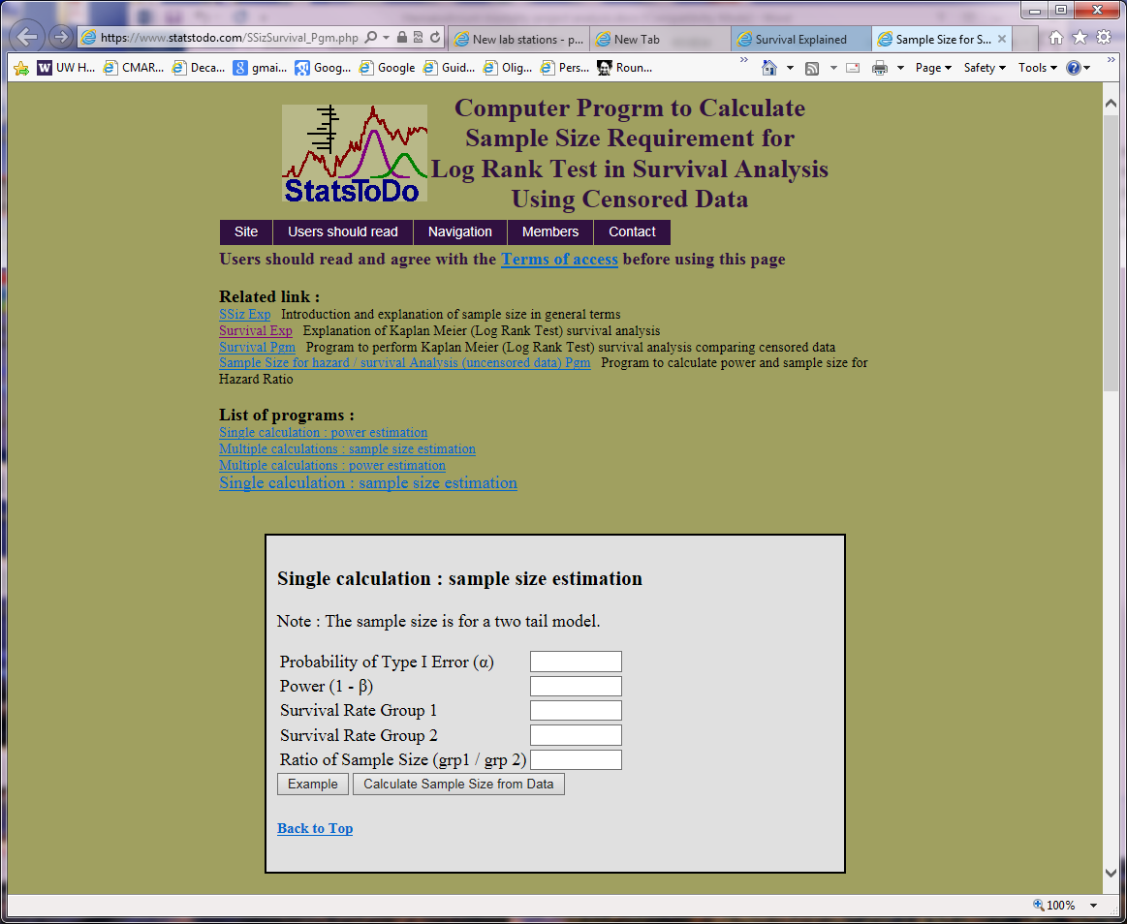

'Juvenile's within circle.
'Juv X size' below sloped line (separates mat from imm) & btwn vertical lines.
'Size all' btwn vertical lines.

Study designs:
 | Juveniles | Juv x size | size all
BCS- | 10 | 8 | 29
BCS+ | 14 | 14 | 15

Power calculation for 'juveniles' |  |  |  | Power calculation for 'juv x size' |  |  |  | Power calculation for 'all sizes'
alpha | 0.5 | 0.5 | 0.5 | alpha | 0.5 | 0.5 | 0.5 | alpha | 0.5 | 0.5 | 0.5
n BCS- | 10 | 10 | 10 | n BCS- | 8 | 8 | 8 | n BCS- | 29 | 29 | 29
survival rate BCS- | 0.8 | 0.9 | 0.7 | survival rate BCS- | 0.8 | 0.9 | 0.7 | survival rate BCS- | 0.8 | 0.9 | 0.7
n BCS+ | 14 | 14 | 14 | n BCS+ | 14 | 14 | 14 | n BCS+ | 15 | 15 | 15
survival rate BCS+ | 0.5 | 0.5 | 0.5 | survival rate BCS+ | 0.5 | 0.5 | 0.5 | survival rate BCS+ | 0.5 | 0.5 | 0.5

Power | 0.7653 | 0.8758 | 0.608 | Power | 0.7241 | 0.8347 | 0.5773 | Power | 0.9257 | 0.9882 | 0.7541

