QC
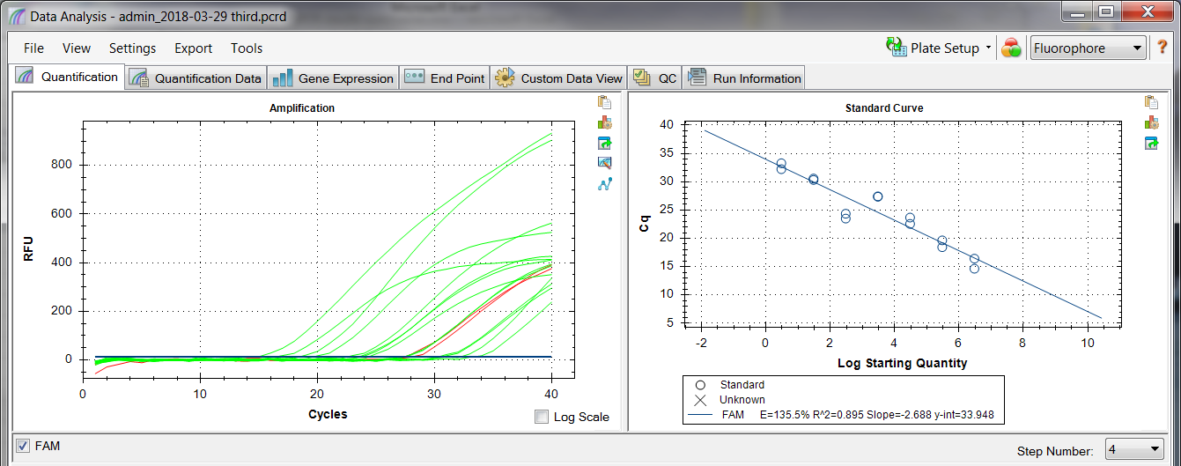
Actual | Description | Value | Use | Results | Exclude Wells | All excluded wells
 | Negative control with a Cq less than | 38 | TRUE |  | FALSE
 | NTC with a Cq less than | 38 | TRUE | FAM:A11, A12. | FALSE
 | NRT with a Cq less than | 38 | TRUE |  | FALSE
 | Positive control with a Cq greater than | 30 | TRUE |  | FALSE
 | Unknown without a Cq | N/A | TRUE |  | FALSE
 | Standard without a Cq | N/A | TRUE |  | FALSE
 | Efficiency greater than | 110 | TRUE | FAM
 | Efficiency less than | 90 | TRUE
 | Std Curve R^2 less than | 0.98 | TRUE | FAM
 | Replicate group Cq Std Dev greater than | 0.5 | TRUE | FAM:B11, B12, C11, C12, D11, D12, F11, F12, H11, H12. | FALSE

 |  |  |  | clear plate
 |  |  |  | Screwed up Std curve -- got off track when putting in DNA
 |  |  |  | There is no NTC -- tried rinsing wells A11 & A12 for NTC. Obviously it didn't work.

