QC
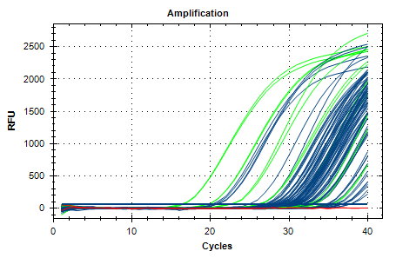
Description | Value | Use | Results | Exclude Wells | All excluded wells
Negative control with a Cq less than | 38 | TRUE |  | FALSE
NTC with a Cq less than | 38 | TRUE |  | FALSE
NRT with a Cq less than | 38 | TRUE |  | FALSE
Positive control with a Cq greater than | 30 | TRUE |  | FALSE
Unknown without a Cq | N/A | TRUE |  | FALSE
Standard without a Cq | N/A | TRUE |  | FALSE
Efficiency greater than | 110 | TRUE
Efficiency less than | 90 | TRUE
Std Curve R^2 less than | 0.98 | TRUE
Replicate group Cq Std Dev greater than | 0.5 | TRUE | FAM:B5, B6, C1, C2, C9, C10, D1, D2, D5, D6, D9, D10, E5, E6, E9, E10, F11, F12. | FALSE

