QC
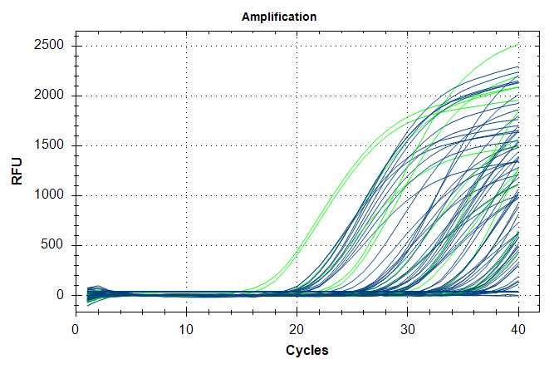
Description | Value | Use | Results | Exclude Wells | All excluded wells
Negative control with a Cq less than | 38 | TRUE |  | FALSE
NTC with a Cq less than | 38 | TRUE |  | FALSE
NRT with a Cq less than | 38 | TRUE |  | FALSE
Positive control with a Cq greater than | 30 | TRUE |  | FALSE
Unknown without a Cq | N/A | TRUE | FAM:C2, E6. | FALSE
Standard without a Cq | N/A | TRUE |  | FALSE
Efficiency greater than | 110 | TRUE
Efficiency less than | 90 | TRUE
Std Curve R^2 less than | 0.98 | TRUE
Replicate group Cq Std Dev greater than | 0.5 | TRUE | FAM:A7, A8, A11, A12, B1, B2, B3, B4, B7, B8, C3, C4, C9, C10, C11, C12, D5, D6, D9, D10, D11, D12, E1, E2, E11, E12, F1, F2, F5, F6, F7, F8, F9, F10, G3, G4, G11, G12. | FALSE

