QC
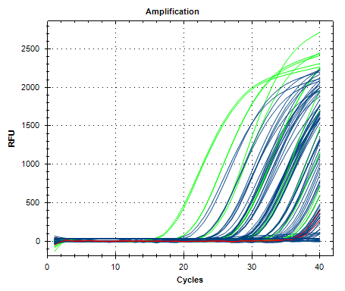
Description | Value | Use | Results | Exclude Wells | All excluded wells
Negative control with a Cq less than | 38 | TRUE |  | FALSE
NTC with a Cq less than | 38 | TRUE | FAM:H11, H12. | FALSE
NRT with a Cq less than | 38 | TRUE |  | FALSE
Positive control with a Cq greater than | 30 | TRUE |  | FALSE
Unknown without a Cq | N/A | TRUE | FAM:A5, C4, D3, D7, G5. | FALSE
Standard without a Cq | N/A | TRUE |  | FALSE
Efficiency greater than | 110 | TRUE
Efficiency less than | 90 | TRUE
Std Curve R^2 less than | 0.98 | TRUE
Replicate group Cq Std Dev greater than | 0.5 | TRUE | FAM:A3, A4, B1, B2, B5, B6, C1, C2, C5, C6, E5, E6, E7, E8, F7, F8, F11, F12, G7, G8, H9, H10. | FALSE

