QC
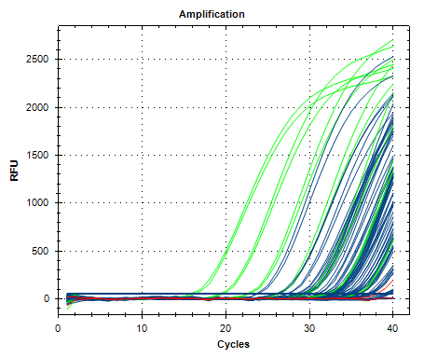
Description | Value | Use | Results | Exclude Wells | All excluded wells
Negative control with a Cq less than | 38 | TRUE |  | FALSE
NTC with a Cq less than | 38 | TRUE | FAM:H12. | FALSE
NRT with a Cq less than | 38 | TRUE |  | FALSE
Positive control with a Cq greater than | 30 | TRUE |  | FALSE
Unknown without a Cq | N/A | TRUE | FAM:C7, D9, D10, F8, G3, G7, G8, H4. | FALSE
Standard without a Cq | N/A | TRUE |  | FALSE
Efficiency greater than | 110 | TRUE
Efficiency less than | 90 | TRUE
Std Curve R^2 less than | 0.98 | TRUE
Replicate group Cq Std Dev greater than | 0.5 | TRUE | FAM:A9, A10, B1, B2, B5, B6, B7, B8, C1, C2, C3, C4, C5, C6, D1, D2, D7, D8, E5, E6, F1, F2, F3, F4, G5, G6, H1, H2, H7, H8. | FALSE

