QC
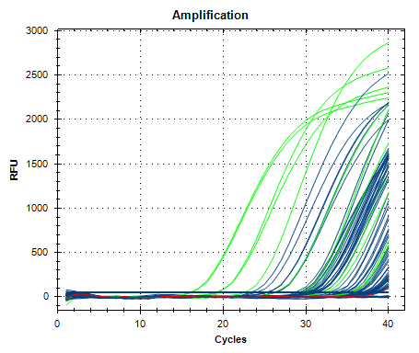
Description | Value | Use | Results | Exclude Wells | All excluded wells
Negative control with a Cq less than | 38 | TRUE |  | FALSE
NTC with a Cq less than | 38 | TRUE |  | FALSE
NRT with a Cq less than | 38 | TRUE |  | FALSE
Positive control with a Cq greater than | 30 | TRUE |  | FALSE
Unknown without a Cq | N/A | TRUE | FAM:A3, A7, B5, B8, D9, E9, E10, F2, G9, H5. | FALSE
Standard without a Cq | N/A | TRUE | FAM:C12, D11. | FALSE
Efficiency greater than | 110 | TRUE
Efficiency less than | 90 | TRUE
Std Curve R^2 less than | 0.98 | TRUE
Replicate group Cq Std Dev greater than | 0.5 | TRUE | FAM:A9, A10, B1, B2, C1, C2, C3, C4, C9, C10, D7, D8, E3, E4, F5, F6, H1, H2. | FALSE

