Fig 1
Title
Enter your title here
Wage and employment growth has been slowest in middle-wage jobs

Sub-Title
Enter your sub title here
United States, 1980-2016

Source
Enter your source here
Note: Figures have been smoothed using a LOWESS regression
Source: Brookings analysis of Autor (2015), US Census Bureau, IPUMS data

 | Employment Change | Wage Change
0 | #N/A | #N/A
1 | 34% | 36%
2 | 30% | 36%
3 | 27% | 37%
4 | 24% | 37%
5 | 21% | 38%
6 | 18% | 38%
7 | 15% | 38%
Note: Figures have been smoothed using a LOWESS regression
8 | 12% | 38%
9 | 10% | 38%
Source: Brookings analysis of Autor (2015), US Census Bureau, IPUMS data
10 | 7% | 38%
11 | 5% | 37%
12 | 3% | 37%
13 | 1% | 37%
14 | -1% | 36%
15 | -2% | 36%
16 | -4% | 36%
17 | -5% | 35%
18 | -6% | 35%
19 | -7% | 34%
20 | -8% | 34%
21 | -9% | 34%
22 | -10% | 33%
23 | -11% | 33%
24 | -11% | 32%
25 | -12% | 32%
26 | -12% | 31%
27 | -12% | 31%
28 | -13% | 30%
29 | -13% | 30%
30 | -13% | 30%
31 | -13% | 29%
32 | -13% | 29%
33 | -13% | 29%
34 | -13% | 28%
35 | -13% | 28%
36 | -13% | 28%
37 | -13% | 27%
38 | -12% | 27%
39 | -12% | 27%
40 | -12% | 27%
41 | -11% | 26%
42 | -11% | 26%
43 | -10% | 26%
44 | -9% | 26%
45 | -9% | 26%
46 | -8% | 26%
47 | -7% | 26%
48 | -7% | 26%
49 | -6% | 27%
50 | -6% | 27%
51 | -5% | 27%
52 | -4% | 27%
53 | -4% | 27%
54 | -3% | 28%
55 | -2% | 28%
56 | -2% | 28%
57 | -1% | 29%
58 | -1% | 29%
59 | 0% | 30%
60 | 0% | 30%
61 | 1% | 30%
62 | 1% | 31%
63 | 1% | 31%
64 | 2% | 32%
65 | 2% | 32%
66 | 3% | 33%
67 | 3% | 33%
68 | 3% | 34%
69 | 4% | 34%
70 | 4% | 35%
71 | 5% | 35%
72 | 5% | 36%
73 | 6% | 36%
74 | 6% | 37%
75 | 7% | 37%
76 | 7% | 38%
77 | 8% | 39%
78 | 8% | 39%
79 | 9% | 40%
80 | 9% | 40%
81 | 10% | 41%
82 | 10% | 41%
83 | 11% | 42%
84 | 12% | 42%
85 | 12% | 43%
86 | 13% | 43%
87 | 14% | 44%
88 | 15% | 45%
89 | 17% | 45%
90 | 18% | 46%
91 | 19% | 46%
92 | 21% | 47%
93 | 22% | 47%
94 | 24% | 48%
95 | 25% | 49%
96 | 27% | 49%
97 | 29% | 50%
98 | 31% | 51%
99 | 33% | 52%
100 | 36% | 52%

Fig 2
Title
Enter your title here
Slow growing occupations were also the most routine task-intensive

Sub-Title
Enter your sub title here
United States, 1980

Source
Enter your source here
Note: Figures have been smoothed using a LOWESS regression
Source: Autor and Dorn (2013)

 | pdr33
0 | #N/A
1 | 10%
2 | 17%
3 | 21%
4 | 25%
5 | 29%
6 | 32%
7 | 34%
8 | 36%
9 | 37%
Note: Figures have been smoothed using a LOWESS regression
10 | 38%
Source: Autor and Dorn (2013)
11 | 40%
12 | 41%
13 | 43%
14 | 45%
15 | 47%
16 | 49%
17 | 51%
18 | 54%
19 | 56%
20 | 58%
21 | 60%
22 | 61%
23 | 62%
24 | 63%
25 | 64%
26 | 65%
27 | 66%
28 | 66%
29 | 66%
30 | 65%
31 | 64%
32 | 62%
33 | 60%
34 | 58%
35 | 57%
36 | 56%
37 | 55%
38 | 54%
39 | 53%
40 | 53%
41 | 52%
42 | 51%
43 | 50%
44 | 48%
45 | 46%
46 | 45%
47 | 43%
48 | 41%
49 | 39%
50 | 37%
51 | 36%
52 | 34%
53 | 31%
54 | 29%
55 | 27%
56 | 26%
57 | 25%
58 | 24%
59 | 24%
60 | 24%
61 | 24%
62 | 24%
63 | 24%
64 | 24%
65 | 24%
66 | 24%
67 | 23%
68 | 22%
69 | 22%
70 | 21%
71 | 20%
72 | 19%
73 | 18%
74 | 18%
75 | 17%
76 | 16%
77 | 14%
78 | 13%
79 | 12%
80 | 12%
81 | 11%
82 | 11%
83 | 11%
84 | 12%
85 | 13%
86 | 14%
87 | 15%
88 | 15%
89 | 16%
90 | 17%
91 | 18%
92 | 19%
93 | 20%
94 | 21%
95 | 23%
96 | 24%
97 | 25%
98 | 25%
99 | 24%
100 | 23%

Map 1
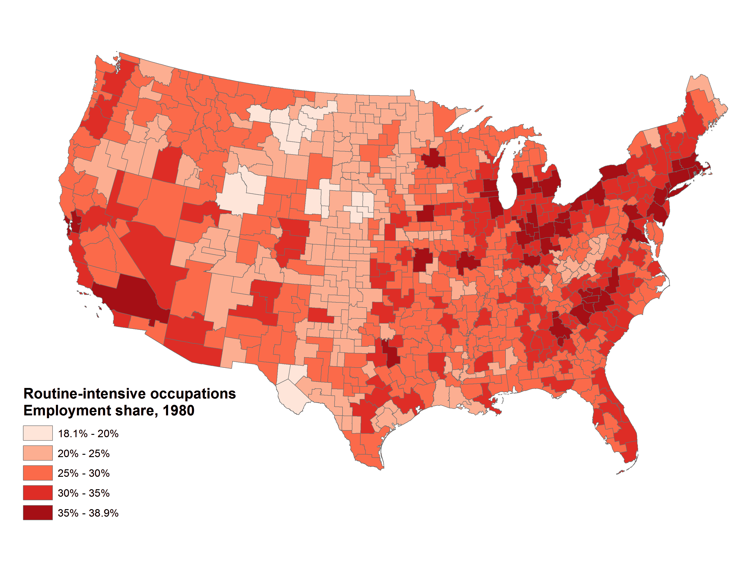
Routine share of employment by commuting zone, 1980

Source: Brookings analysis of Autor and Dorn (2013)

Fig 3
Title
Enter your title here
Routine-intensive jobs were largely replaced by lower paying service jobs

 | czone
39% | 18%
37% | 16%
36% | 16%
26% | 15%
30% | 15%
37% | 15%
30% | 14%
37% | 14%
34% | 14%
30% | 14%
30% | 14%
35% | 13%
34% | 13%
32% | 13%
30% | 13%
37% | 13%
34% | 13%
38% | 13%
32% | 13%
33% | 13%
34% | 13%
31% | 12%
33% | 12%
33% | 12%
36% | 12%
28% | 12%
36% | 12%
27% | 12%
34% | 11%
36% | 11%
35% | 11%
37% | 11%
27% | 11%
34% | 11%
34% | 11%
30% | 11%
35% | 11%
33% | 11%
35% | 11%
37% | 11%
36% | 11%
31% | 11%
32% | 10%
33% | 10%
36% | 10%
36% | 10%
36% | 10%
33% | 10%
38% | 10%
33% | 10%
...
Routine-intensive jobs were largely replaced by lower paying service jobs
Dots represent the 140 communting zones with over 500,000 residents
Sub-Title
Enter your sub title here
Dots represent the 140 communting zones with over 500,000 residents

Source
Enter your source here
Source: Brookings analysis of Autor and Dorn (2013)
New York, NY

San Francisco, CA
Winston-Salem, NC
Washington, DC
czone | l_sh_routine33a | d_shocc_service_long
19400 | 39% | 18%
37800 | 37% | 16%
20500 | 36% | 16%
Raleigh, NC
31600 | 26% | 15%
37700 | 30% | 15%
11304 | 37% | 15%
07200 | 30% | 14%
20901 | 37% | 14%
37500 | 34% | 14%
35100 | 30% | 14%
07100 | 30% | 14%
19700 | 35% | 13%
07000 | 34% | 13%
Modesto, CA
Las Vegas, NV
07300 | 32% | 13%
01302 | 30% | 13%
19600 | 37% | 13%
00401 | 34% | 13%
24300 | 38% | 13%
16300 | 32% | 13%
Source: Brookings analysis of Autor and Dorn (2013)
34901 | 33% | 13%
38000 | 34% | 13%
07400 | 31% | 12%
11900 | 33% | 12%
03003 | 33% | 12%
38300 | 36% | 12%
33300 | 28% | 12%
21501 | 36% | 12%
31700 | 27% | 12%
17700 | 34% | 11%
33100 | 36% | 11%
18000 | 35% | 11%
20401 | 37% | 11%
06800 | 27% | 11%
11302 | 34% | 11%
35001 | 34% | 11%
08800 | 30% | 11%
38801 | 35% | 11%
32000 | 33% | 11%
18600 | 35% | 11%
15200 | 37% | 11%
00900 | 36% | 11%
19300 | 31% | 11%
00100 | 32% | 10%
37400 | 33% | 10%
09100 | 36% | 10%
24701 | 36% | 10%
20800 | 36% | 10%
20600 | 33% | 10%
11600 | 38% | 10%
31301 | 33% | 10%
08300 | 35% | 10%
38200 | 31% | 10%
03800 | 25% | 10%
06700 | 33% | 10%
33000 | 34% | 10%
00500 | 38% | 10%
24000 | 36% | 10%
01701 | 33% | 10%
02700 | 27% | 10%
33803 | 34% | 10%
19000 | 32% | 9%
39400 | 34% | 9%
08401 | 31% | 9%
28900 | 35% | 9%
03300 | 31% | 9%
19500 | 31% | 9%
05600 | 34% | 9%
02000 | 31% | 9%
19200 | 35% | 9%
32100 | 27% | 9%
16500 | 35% | 9%
04200 | 33% | 9%
31201 | 34% | 9%
30601 | 30% | 9%
14200 | 37% | 9%
27501 | 35% | 9%
05202 | 34% | 9%
16600 | 32% | 8%
29502 | 36% | 8%
15000 | 33% | 8%
10900 | 29% | 8%
14100 | 36% | 8%
06401 | 33% | 8%
02400 | 33% | 8%
28202 | 33% | 8%
24400 | 34% | 8%
23100 | 33% | 8%
15900 | 36% | 8%
03500 | 29% | 8%
06000 | 31% | 8%
28800 | 30% | 8%
12701 | 35% | 8%
01500 | 28% | 8%
19901 | 28% | 8%
35801 | 32% | 8%
30402 | 34% | 8%
04002 | 31% | 8%
07800 | 28% | 7%
19100 | 32% | 7%
00302 | 29% | 7%
07600 | 33% | 7%
38601 | 29% | 7%
13600 | 35% | 7%
37200 | 28% | 7%
17400 | 30% | 7%
16400 | 34% | 7%
01400 | 33% | 7%
12200 | 36% | 7%
11001 | 28% | 7%
10700 | 33% | 7%
38901 | 30% | 7%
09600 | 31% | 7%
06900 | 30% | 6%
08202 | 30% | 6%
24100 | 37% | 6%
30300 | 29% | 6%
18800 | 32% | 6%
08100 | 34% | 6%
12100 | 34% | 6%
14900 | 30% | 6%
36100 | 33% | 6%
20100 | 31% | 6%
12901 | 34% | 6%
19800 | 33% | 6%
29301 | 34% | 6%
13101 | 35% | 6%
12501 | 36% | 6%
13501 | 33% | 6%
29700 | 30% | 6%
07500 | 31% | 5%
23900 | 33% | 5%
02500 | 29% | 5%
28401 | 34% | 5%
37100 | 26% | 5%
22500 | 32% | 5%
01900 | 27% | 5%
36000 | 29% | 4%
37901 | 30% | 4%
37000 | 27% | 4%
37604 | 32% | 2%

Fig 4
Title
Enter your title here
Large variation in automation exposure exists across occupations

Sub-Title
Enter your sub title here
6-digit SOC-code occupations within each 2-digit SOC group

Source
Enter your source here
Source: Brookings analysis of BLS, Census, EMSI, Moody's, and McKinsey data

 | 11 | 13 | 15 | 17 | 19 | 21 | 23 | 25 | 27 | 29 | 31 | 33 | 35 | 37 | 39 | 41 | 43 | 45 | 47 | 49 | 51 | 53
p10 | 7% | 2% | 3% | 11% | 3% | 0% | 11% | 8% | 2% | 12% | 11% | 15% | 62% | 7% | 18% | 20% | 39% | 24% | 27% | 32% | 69% | 17%
p25 | 14% | 6% | 9% | 14% | 9% | 11% | 21% | 10% | 12% | 18% | 28% | 22% | 68% | 18% | 28% | 27% | 54% | 37% | 37% | 39% | 81% | 45%
p50 | 22% | 13% | 26% | 19% | 25% | 20% | 26% | 20% | 17% | 27% | 40% | 41% | 85% | 31% | 45% | 38% | 68% | 48% | 50% | 59% | 89% | 74%
p75 | 32% | 24% | 51% | 25% | 37% | 24% | 54% | 25% | 31% | 44% | 54% | 48% | 88% | 58% | 64% | 50% | 78% | 74% | 81% | 73% | 93% | 85%
p90 | 38% | 35% | 65% | 56% | 58% | 31% | 69% | 45% | 52% | 52% | 89% | 56% | 91% | 65% | 73% | 60% | 86% | 100% | 91% | 80% | 97% | 94%

Box 1 - Hidden | 14% | 6% | 9% | 14% | 9% | 11% | 21% | 10% | 12% | 18% | 28% | 22% | 68% | 18% | 28% | 27% | 54% | 37% | 37% | 39% | 81% | 45%
Box 2 - Lower | 8% | 6% | 17% | 6% | 16% | 8% | 5% | 9% | 4% | 9% | 12% | 19% | 17% | 13% | 17% | 11% | 14% | 11% | 14% | 21% | 8% | 29%
Box 3- Upper | 11% | 11% | 26% | 6% | 12% | 5% | 28% | 5% | 15% | 17% | 14% | 7% | 3% | 28% | 18% | 12% | 10% | 26% | 31% | 14% | 5% | 11%

top | 6% | 11% | 14% | 30% | 21% | 7% | 15% | 20% | 21% | 8% | 35% | 8% | 3% | 6% | 10% | 10% | 8% | 26% | 10% | 7% | 4% | 9%
bottom | 6% | 4% | 5% | 3% | 6% | 11% | 10% | 2% | 11% | 6% | 17% | 7% | 5% | 11% | 11% | 7% | 15% | 12% | 9% | 6% | 12% | 29%

Fig 5
Title
Enter your title here
Most occupations are not highly susceptible to automation

Most occupations are not highly susceptible to automation
Shares of employment, 2016
Sub-Title
Enter your sub title here
Shares of employment, 2016

Automation Potential | Share of Employment
70% of tasks or more susceptible to automation | 25%
30% to 70% of tasks susceptible to automation | 36%
0% to 30% of tasks susceptible to automation | 39%

Source
Enter your source here
Source: Brookings analysis of BLS, Census, EMSI, and McKinsey data

Source: Brookings analysis of BLS, Census, EMSI, and McKinsey data

Fig 6
Title
Enter your title here
The lowest wage jobs are the most exposed to automation

Sub-Title
Enter your sub title here
United States, 2016

Source
Enter your source here
Note: Figures have been smoothed using a LOWESS regression
Source: Brookings analysis of BLS, Census, EMSI, and McKinsey data

 | auto_smooth
0 | 0.67823013
1 | 0.66191211
2 | 0.64021082
3 | 0.61764934
4 | 0.59754216
5 | 0.58236418
6 | 0.57327853
7 | 0.56968451
8 | 0.5697046
Note: Figures have been smoothed using a LOWESS regression
9 | 0.57172211
10 | 0.57494075
Source: Brookings analysis of BLS, Census, EMSI, and McKinsey data
11 | 0.57876729
12 | 0.58247157
13 | 0.58580076
14 | 0.58874223
15 | 0.59118945
16 | 0.59383006
17 | 0.59730156
18 | 0.60201776
19 | 0.6071417
20 | 0.61094592
21 | 0.61223653
22 | 0.61114209
23 | 0.60810606
24 | 0.6033473
25 | 0.59777758
26 | 0.5927737
27 | 0.58894841
28 | 0.58664376
29 | 0.58580457
30 | 0.58641032
31 | 0.58752787
32 | 0.58771972
33 | 0.58610954
34 | 0.58270858
35 | 0.57828237
36 | 0.57293515
37 | 0.56618122
38 | 0.55818208
39 | 0.54963271
40 | 0.54084299
41 | 0.53209559
42 | 0.52353026
43 | 0.51476654
44 | 0.50558755
45 | 0.49554947
46 | 0.485292
47 | 0.47595407
48 | 0.46801574
49 | 0.46143722
50 | 0.45595596
51 | 0.45163018
52 | 0.448316
53 | 0.4455503
54 | 0.44286715
55 | 0.43951705
56 | 0.43489811
57 | 0.42823451
58 | 0.41966957
59 | 0.40998775
60 | 0.39962303
61 | 0.38846166
62 | 0.37622508
63 | 0.36333339
64 | 0.35068605
65 | 0.33855106
66 | 0.32697289
67 | 0.31617475
68 | 0.30620787
69 | 0.29687111
70 | 0.28812133
71 | 0.28005991
72 | 0.27314631
73 | 0.26727843
74 | 0.262577
75 | 0.25924883
76 | 0.25710735
77 | 0.25573756
78 | 0.25462957
79 | 0.25345387
80 | 0.25218766
81 | 0.25080701
82 | 0.24934911
83 | 0.24796621
84 | 0.24693502
85 | 0.24629898
86 | 0.24601028
87 | 0.24617828
88 | 0.2468296
89 | 0.24783512
90 | 0.24875983
91 | 0.24910553
92 | 0.24867525
93 | 0.24729315
94 | 0.24472388
95 | 0.24118435
96 | 0.23737498
97 | 0.23389512
98 | 0.23034903
99 | 0.22541652
100 | 0.21713333

Fig 7
Title
Enter your title here
Non-college workers will see greater job change from automation

 | Share of Bachelor's Degree and Above
Less than high school | 54%
High school | 52%
Some college | 45%
Bachelor's degree | 31%
Graduate or professional degree | 25%
Less than a Bachelor's | 49%
Bachelor's or higher | 29%
Non-college workers will see greater job change from automation
Worker educational attainment, 2016
Sub-Title
Enter your sub title here
Worker educational attainment, 2016

Data
 | Share of Bachelor's Degree and Above
Less than high school | 54%
High school | 52%
Some college | 45%
Bachelor's degree | 31%
Graduate or professional degree | 25%

Less than a Bachelor's | 49%
Bachelor's or higher | 29%

Source
Enter your source here
Source: Brookings Analysis of 2016 American Community Survey 1-Year microdata

Source: Brookings Analysis of 2016 American Community Survey 1-Year microdata

Map 2
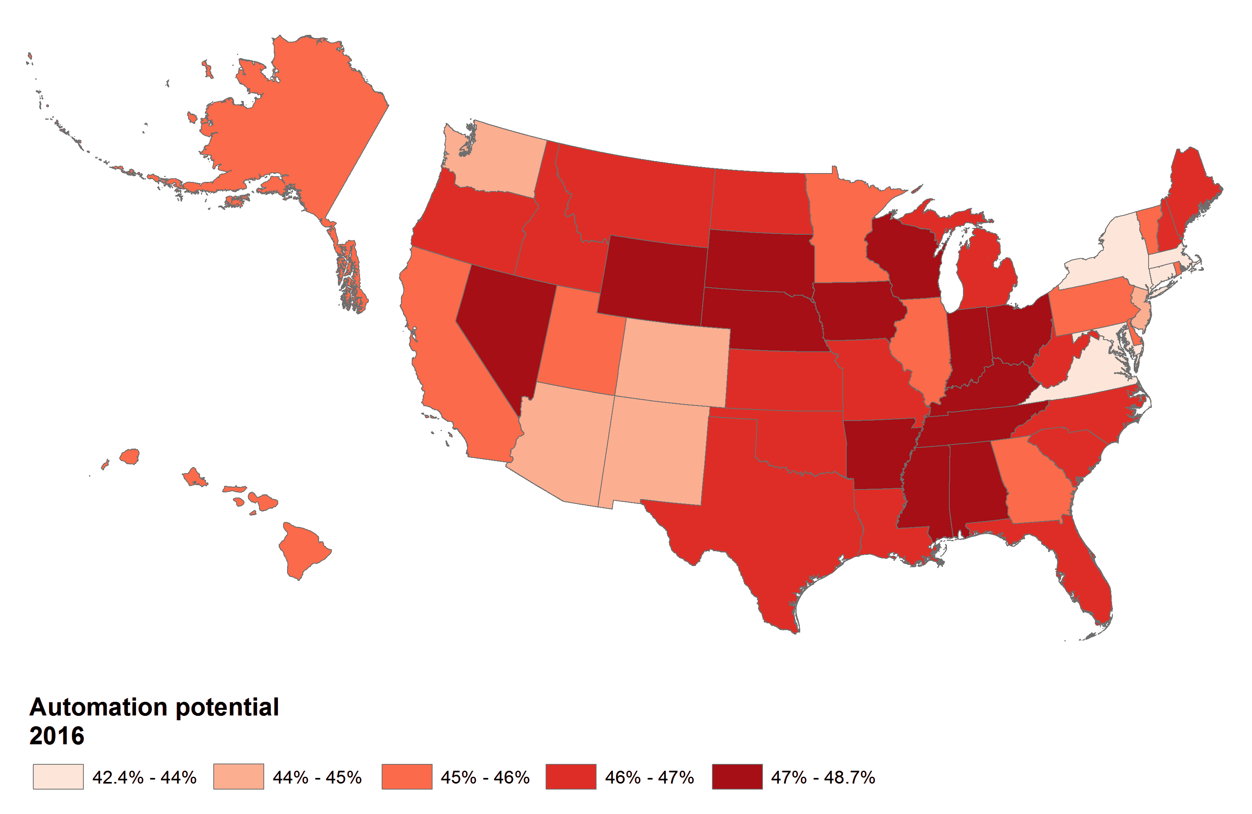
Average automation potential by state, 2016

Source: Brookings analysis of BLS, Census, EMSI, Moodys, and McKinsey data

Map 3
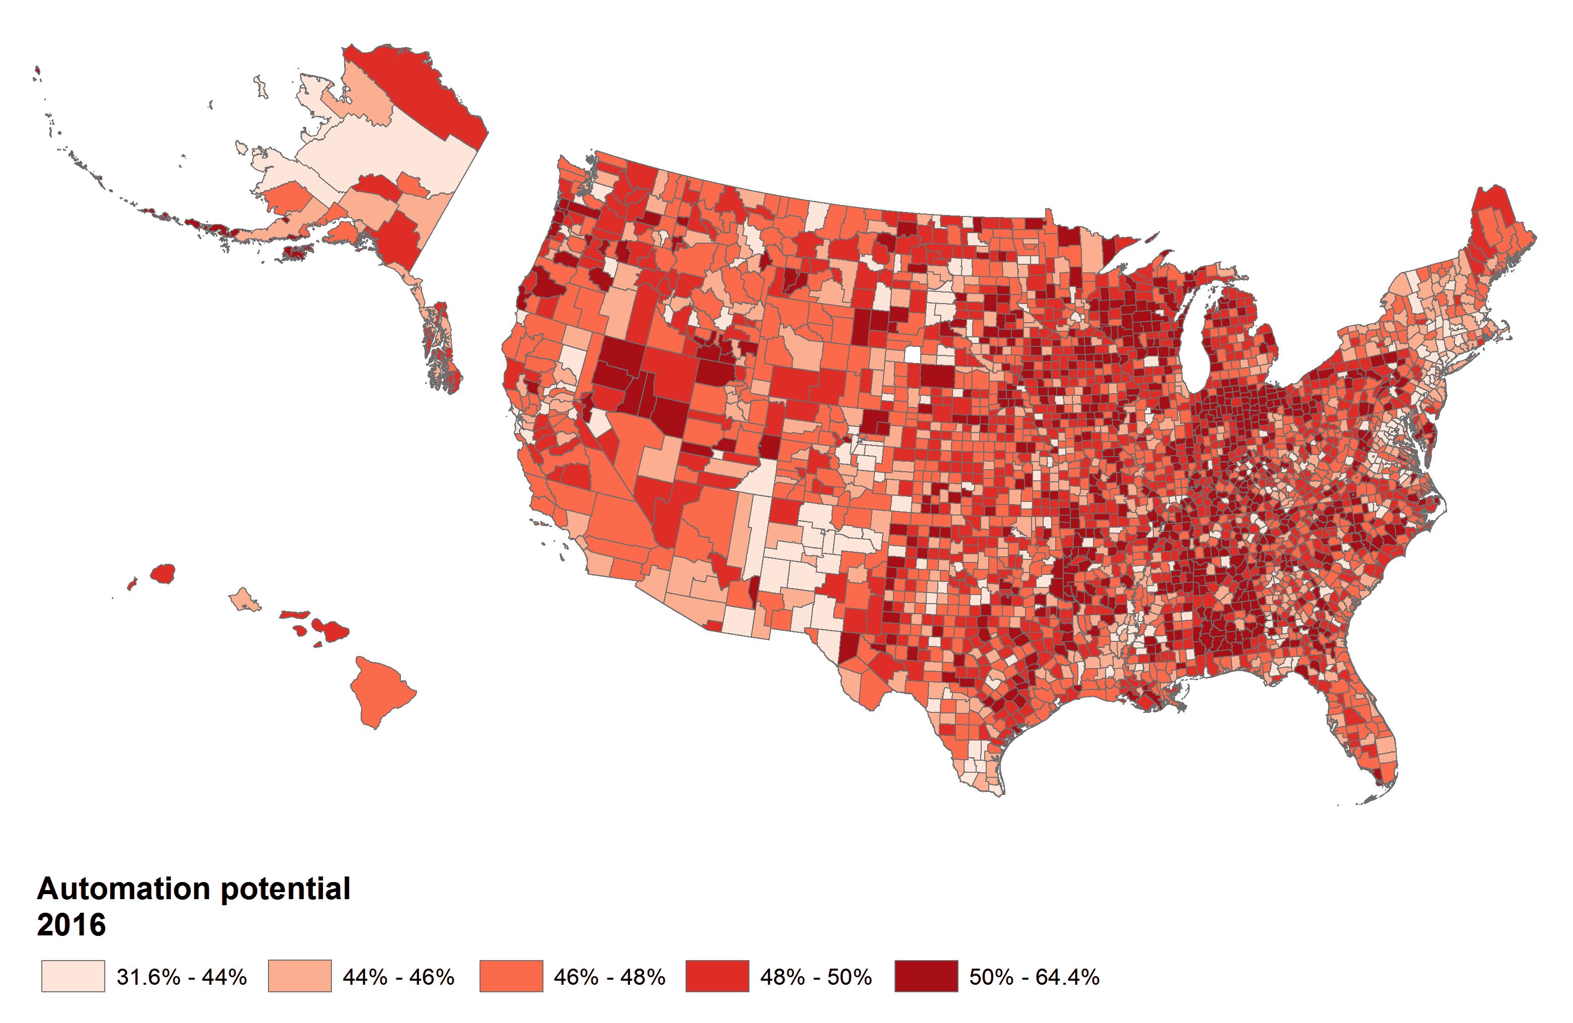
Average automation potential by county, 2016

Source: Brookings analysis of BLS, Census, EMSI, Moodys, and McKinsey data

Fig 8
Title
Enter your title here
Smaller, more rural places will face heightened automation risks

Sub-Title
Enter your sub title here
County distribution by community size type, 2016

Source
Enter your source here
Source: Brookings analysis of BLS, Census, EMSI, Moody's, and McKinsey data

 | Nonmetro Small (<2.5K pop) | Nonmetro Medium (2.5K-20K pop) | Nonmetro Large (>20K pop) | Small Metro (<250K pop) | Medium Metro (250K-1 mil pop) | Large Metro (>1 mil pop) | Nonmetro | Metro
p10 | 44% | 46% | 46% | 44% | 44% | 43% | 45% | 44%
p25 | 45% | 47% | 47% | 46% | 45% | 45% | 47% | 45%
p50 | 47% | 49% | 49% | 48% | 47% | 46% | 48% | 47%
p75 | 49% | 51% | 51% | 49% | 49% | 48% | 50% | 48%
p90 | 51% | 53% | 52% | 51% | 51% | 49% | 52% | 50%

Box 1 - Hidden | 45% | 47% | 47% | 46% | 45% | 45% | 47% | 45%
Box 2 - Lower | 2% | 2% | 1% | 2% | 2% | 2% | 2% | 2%
Box 3- Upper | 2% | 2% | 2% | 1% | 1% | 1% | 2% | 1%

top | 2% | 2% | 2% | 2% | 2% | 1% | 2% | 2%
bottom | 2% | 2% | 2% | 2% | 2% | 1% | 2% | 2%

Map 4
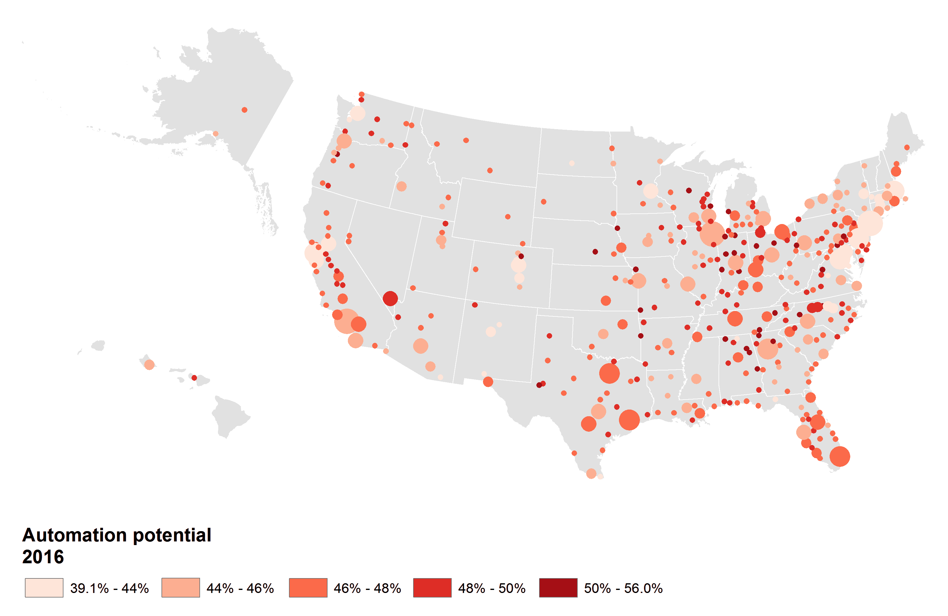
Average automation potential by metropolitan area, 2016

Source: Brookings analysis of BLS, Census, EMSI, Moodys, and McKinsey data

Fig 9
Title
Enter your title here
More educated metros are less exposed to task change from automation

More educated metros are less exposed to task change from automation
Metropolitan areas, 2016
Sub-Title
Enter your sub title here
Metropolitan areas, 2016

Source
Enter your source here
Note: "High risk" occupations have an automation potential of at least 70 percent
Source: Brookings analysis of BLS, Census, EMSI, Moodys, and McKinsey data

Las Vegas, NV
Stockton, CA
cbsa_code | ba_share | hirisk_share
14500 | 60.6% | 20.8%
11180 | 54.8% | 23.9%
11460 | 54.8% | 19.6%
18700 | 54.2% | 21.3%
29940 | 52.0% | 25.4%
27060 | 51.7% | 20.2%
47900 | 50.2% | 17.7%
41940 | 50.1% | 18.6%
San Jose, CA
26980 | 49.1% | 24.0%
Washington, D.C.
41860 | 48.5% | 21.8%
44300 | 48.3% | 22.3%
39580 | 47.2% | 21.5%
20500 | 47.0% | 19.3%
14460 | 46.9% | 20.9%
22660 | 46.8% | 23.3%
31540 | 46.6% | 22.2%
14860 | 46.6% | 21.1%
16820 | 44.5% | 19.7%
Note: "High risk" occupations have an automation potential of at least 70 percent
17860 | 43.9% | 24.0%
Source: Brookings analysis of BLS, Census, EMSI, Moodys, and McKinsey data
12700 | 43.5% | 24.8%
15540 | 43.2% | 23.8%
31740 | 42.8% | 24.8%
12420 | 42.8% | 21.8%
45940 | 42.7% | 19.0%
19740 | 42.5% | 22.3%
16580 | 42.3% | 23.7%
14010 | 42.2% | 23.8%
42660 | 42.0% | 23.2%
42140 | 41.7% | 21.1%
33540 | 41.1% | 24.8%
42100 | 40.5% | 25.2%
33460 | 40.5% | 23.5%
30700 | 39.8% | 24.8%
12580 | 39.5% | 20.4%
45220 | 39.3% | 20.3%
38860 | 39.1% | 25.4%
35620 | 39.0% | 20.5%
22020 | 38.9% | 24.4%
38900 | 38.9% | 24.4%
14020 | 38.9% | 24.2%
17820 | 38.4% | 21.6%
39340 | 38.2% | 22.2%
25540 | 38.2% | 22.0%
25940 | 38.0% | 24.3%
12060 | 37.7% | 24.6%
23540 | 37.5% | 20.3%
41740 | 37.4% | 23.6%
10580 | 37.4% | 20.1%
31700 | 37.3% | 23.8%
30460 | 37.2% | 25.6%
16980 | 37.2% | 25.6%
12020 | 37.0% | 24.8%
26620 | 36.8% | 21.4%
30860 | 36.7% | 27.8%
19780 | 36.7% | 24.0%
28140 | 36.7% | 24.2%
40060 | 36.7% | 23.3%
40340 | 36.7% | 23.1%
37980 | 36.7% | 22.5%
48900 | 36.5% | 24.7%
42020 | 36.2% | 23.8%
18140 | 36.0% | 24.8%
12220 | 35.7% | 29.6%
36540 | 35.4% | 25.0%
22380 | 35.4% | 23.3%
17780 | 35.3% | 24.6%
36500 | 35.2% | 21.6%
34900 | 35.1% | 25.8%
35300 | 35.1% | 22.1%
29100 | 35.0% | 26.5%
13980 | 34.9% | 26.0%
33340 | 34.9% | 24.6%
44100 | 34.9% | 21.6%
16700 | 34.8% | 23.5%
38300 | 34.6% | 24.9%
16740 | 34.4% | 25.7%
49340 | 34.4% | 23.5%
46520 | 34.4% | 24.0%
34980 | 34.2% | 25.8%
43620 | 34.1% | 27.4%
41180 | 34.1% | 24.4%
29620 | 34.1% | 23.9%
29200 | 34.0% | 26.8%
42220 | 33.9% | 26.2%
19100 | 33.9% | 26.1%
34940 | 33.9% | 26.0%
26900 | 33.8% | 26.1%
33220 | 33.7% | 22.9%
38340 | 33.7% | 22.3%
40380 | 33.7% | 22.4%
28020 | 33.6% | 25.8%
37100 | 33.6% | 24.9%
31080 | 33.5% | 25.4%
11700 | 33.4% | 26.6%
18020 | 33.3% | 31.1%
17140 | 33.1% | 27.3%
41620 | 33.0% | 23.3%
13380 | 32.9% | 26.2%
17900 | 32.9% | 23.1%
13460 | 32.8% | 26.3%
25420 | 32.8% | 25.5%
28740 | 32.8% | 23.2%
16300 | 32.7% | 25.6%
34060 | 32.7% | 23.6%
40900 | 32.6% | 22.3%
35980 | 32.5% | 23.2%
31860 | 32.4% | 26.5%
39300 | 32.4% | 25.3%
42200 | 32.4% | 23.3%
11260 | 32.2% | 24.0%
26420 | 32.0% | 25.5%
14740 | 31.9% | 22.9%
46060 | 31.9% | 22.0%
10740 | 31.8% | 20.9%
24340 | 31.7% | 28.3%
13740 | 31.6% | 26.4%
24780 | 31.6% | 23.5%
36140 | 31.5% | 26.4%
21820 | 31.5% | 23.5%
15380 | 31.5% | 24.0%
47260 | 31.4% | 23.9%
26820 | 31.3% | 24.4%
14260 | 31.3% | 23.3%
45060 | 31.2% | 24.1%
44140 | 31.1% | 22.2%
10420 | 31.0% | 27.7%
42340 | 31.0% | 26.6%
22220 | 30.9% | 28.8%
36740 | 30.9% | 24.8%
35840 | 30.9% | 24.4%
38060 | 30.8% | 23.2%
48620 | 30.7% | 26.3%
30780 | 30.7% | 23.6%
27260 | 30.7% | 25.5%
16060 | 30.5% | 25.3%
33100 | 30.5% | 24.4%
36260 | 30.4% | 26.1%
19820 | 30.4% | 24.7%
17460 | 30.3% | 26.5%
31180 | 30.2% | 25.1%
13900 | 30.1% | 21.2%
24220 | 30.0% | 24.4%
13820 | 29.9% | 25.0%
27140 | 29.9% | 22.7%
18880 | 29.9% | 24.5%
47460 | 29.8% | 24.0%
36420 | 29.8% | 24.5%
19300 | 29.6% | 26.9%
44060 | 29.6% | 25.1%
39660 | 29.5% | 26.6%
35380 | 29.4% | 24.9%
25500 | 29.3% | 33.6%
37340 | 29.3% | 23.8%
28940 | 29.2% | 25.8%
39900 | 29.2% | 26.0%
20220 | 29.1% | 27.4%
25620 | 29.0% | 24.9%
45540 | 29.0% | 27.2%
13780 | 29.0% | 22.8%
21660 | 28.8% | 26.9%
45300 | 28.8% | 24.0%
24860 | 28.7% | 25.8%
42680 | 28.7% | 24.5%
10900 | 28.5% | 26.3%
36780 | 28.4% | 29.9%
24660 | 28.4% | 29.4%
33860 | 28.4% | 24.5%
35660 | 28.3% | 29.0%
31140 | 28.3% | 28.6%
41100 | 28.3% | 26.3%
15980 | 28.3% | 25.2%
45820 | 28.2% | 23.0%
21500 | 28.0% | 28.4%
11540 | 27.9% | 28.5%
47940 | 27.8% | 29.4%
41700 | 27.8% | 24.4%
46220 | 27.7% | 27.4%
37900 | 27.7% | 23.8%
44420 | 27.6% | 29.6%
38540 | 27.6% | 20.6%
12100 | 27.6% | 23.8%
32820 | 27.5% | 27.0%
21300 | 27.5% | 26.3%
19380 | 27.4% | 26.8%
16940 | 27.3% | 25.0%
24540 | 27.2% | 30.9%
46140 | 27.2% | 26.4%
45780 | 27.1% | 29.7%
23060 | 27.1% | 29.5%
37860 | 27.1% | 24.8%
27620 | 27.1% | 22.4%
12940 | 26.9% | 23.8%
47580 | 26.8% | 24.1%
24580 | 26.7% | 29.0%
16020 | 26.6% | 27.6%
49020 | 26.6% | 26.6%
31340 | 26.6% | 27.6%
14540 | 26.5% | 29.0%
44180 | 26.5% | 28.0%
32780 | 26.5% | 27.7%
49180 | 26.4% | 28.2%
43780 | 26.4% | 26.9%
19340 | 26.2% | 29.2%
29740 | 26.1% | 20.6%
15680 | 26.1% | 18.5%
33260 | 26.0% | 29.1%
16860 | 26.0% | 26.7%
17660 | 25.9% | 25.9%
28420 | 25.9% | 23.8%
17020 | 25.8% | 24.6%
20740 | 25.7% | 26.3%
40220 | 25.7% | 25.4%
43100 | 25.6% | 32.6%
41540 | 25.6% | 28.5%
20700 | 25.6% | 27.3%
17980 | 25.6% | 24.8%
27740 | 25.5% | 24.9%
46700 | 25.4% | 24.9%
20260 | 25.3% | 23.8%
41060 | 25.1% | 30.4%
29540 | 25.0% | 29.8%
39740 | 25.0% | 28.4%
12620 | 25.0% | 24.4%
24300 | 25.0% | 24.1%
21780 | 24.9% | 30.0%
46340 | 24.9% | 24.8%
24020 | 24.9% | 23.3%
41660 | 24.8% | 26.5%
41500 | 24.8% | 21.7%
48140 | 24.7% | 31.1%
27980 | 24.7% | 28.1%
46540 | 24.7% | 23.0%
12260 | 24.6% | 23.9%
42540 | 24.5% | 28.3%
34580 | 24.4% | 26.6%
31420 | 24.3% | 24.7%
43420 | 24.3% | 19.7%
49620 | 24.2% | 29.7%
40660 | 24.2% | 27.8%
38940 | 24.1% | 24.6%
35100 | 24.0% | 25.9%
39140 | 24.0% | 24.9%
41420 | 24.0% | 23.3%
37620 | 23.9% | 26.1%
19660 | 23.9% | 25.2%
22540 | 23.8% | 28.2%
34820 | 23.8% | 27.1%
11100 | 23.7% | 26.9%
33660 | 23.7% | 27.5%
22180 | 23.7% | 25.1%
39460 | 23.7% | 24.5%
14100 | 23.6% | 25.9%
16220 | 23.5% | 26.4%
15940 | 23.4% | 30.6%
48300 | 23.4% | 26.4%
48660 | 23.4% | 25.8%
29820 | 23.3% | 27.6%
24500 | 23.3% | 24.0%
15260 | 23.1% | 27.4%
39540 | 23.0% | 30.1%
46660 | 22.9% | 27.5%
29180 | 22.9% | 27.1%
17300 | 22.8% | 27.2%
40980 | 22.8% | 27.1%
37460 | 22.8% | 26.1%
16620 | 22.7% | 22.7%
20100 | 22.6% | 27.0%
34620 | 22.6% | 27.8%
49660 | 22.5% | 28.5%
15500 | 22.4% | 32.5%
27780 | 22.2% | 24.9%
21060 | 22.0% | 26.0%
43340 | 22.0% | 23.9%
27100 | 21.9% | 26.3%
21340 | 21.9% | 25.8%
40420 | 21.8% | 27.9%
39820 | 21.8% | 24.5%
41140 | 21.7% | 31.3%
10540 | 21.7% | 31.0%
27500 | 21.7% | 28.9%
30340 | 21.7% | 26.7%
25060 | 21.7% | 26.7%
23900 | 21.6% | 32.9%
19500 | 21.6% | 31.0%
16540 | 21.6% | 28.9%
23580 | 21.5% | 31.0%
43580 | 21.4% | 32.8%
17420 | 21.4% | 31.2%
45460 | 21.4% | 29.7%
27860 | 21.4% | 27.4%
29020 | 21.3% | 38.2%
48700 | 21.2% | 28.2%
43900 | 21.2% | 27.0%
18580 | 21.2% | 26.8%
39380 | 21.2% | 22.9%
36980 | 21.1% | 29.5%
47380 | 21.1% | 26.2%
40140 | 21.0% | 28.2%
28660 | 21.0% | 24.4%
22520 | 20.8% | 30.8%
33740 | 20.8% | 25.1%
22500 | 20.7% | 25.6%
30140 | 20.6% | 32.4%
48060 | 20.6% | 23.7%
25180 | 20.5% | 25.7%
30020 | 20.4% | 25.4%
10180 | 20.4% | 24.9%
26140 | 20.4% | 24.0%
16180 | 20.4% | 24.2%
24260 | 20.3% | 34.3%
48540 | 20.3% | 26.2%
23420 | 20.2% | 25.1%
12980 | 20.2% | 24.7%
29460 | 20.1% | 28.9%
29340 | 20.1% | 25.6%
22420 | 20.1% | 26.1%
25220 | 20.1% | 24.7%
27900 | 20.0% | 33.0%
30300 | 20.0% | 28.8%
26580 | 20.0% | 25.6%
30980 | 19.8% | 29.4%
44940 | 19.5% | 24.9%
24420 | 19.5% | 26.1%
43300 | 19.4% | 27.2%
28700 | 19.3% | 29.1%
33780 | 19.3% | 29.7%
47020 | 19.2% | 27.3%
10780 | 19.2% | 22.4%
27180 | 19.1% | 27.4%
28100 | 19.1% | 28.4%
21140 | 18.6% | 36.0%
27340 | 18.6% | 28.2%
10500 | 18.6% | 23.8%
45500 | 18.4% | 28.4%
48260 | 18.4% | 29.9%
11020 | 18.3% | 27.9%
26300 | 18.3% | 25.7%
32580 | 18.3% | 23.2%
33140 | 18.2% | 31.2%
19460 | 18.1% | 31.1%
13220 | 18.1% | 24.9%
36100 | 18.0% | 26.2%
44220 | 17.9% | 31.6%
13020 | 17.7% | 28.2%
31900 | 17.6% | 31.7%
24140 | 17.6% | 29.5%
20020 | 17.6% | 27.8%
13140 | 17.2% | 27.5%
29700 | 17.2% | 25.5%
49700 | 17.2% | 23.3%
34100 | 17.1% | 32.3%
31020 | 17.1% | 30.4%
25860 | 17.0% | 35.0%
40580 | 17.0% | 28.9%
15180 | 17.0% | 21.3%
44700 | 16.7% | 28.7%
38220 | 16.7% | 24.9%
30620 | 16.6% | 32.5%
34740 | 16.6% | 31.0%
22140 | 16.6% | 27.9%
11500 | 16.5% | 30.0%
19060 | 16.4% | 24.1%
12540 | 16.3% | 23.2%
33700 | 16.2% | 29.0%
26380 | 16.1% | 30.2%
25980 | 16.0% | 25.4%
49420 | 15.9% | 25.9%
23460 | 15.6% | 29.4%
36220 | 15.4% | 32.2%
49740 | 15.4% | 18.6%
22900 | 15.1% | 33.2%
19180 | 14.0% | 31.4%
20940 | 13.9% | 20.5%
47220 | 13.8% | 27.6%
47300 | 13.7% | 24.0%
32900 | 13.5% | 27.8%
42700 | 13.0% | 23.1%
19140 | 11.8% | 42.1%
31460 | 11.8% | 23.2%
25260 | 11.6% | 25.3%
29420 | 11.3% | 27.0%

Fig 10
Title
Enter your title here
Automation exposure breaks sharply along demographic lines

 | Automation potential
Men | 43%
Women | 40%
Hispanic | 47%
American Indian | 45%
Black | 44%
White | 40%
Asian and Pacific Islander | 39%
Automation exposure breaks sharply along demographic lines
Gender and race, 2016
Sub-Title
Enter your sub title here
Gender and race, 2016

Data
 | Automation potential
Men | 43%
Women | 40%

Hispanic | 47%
American Indian | 45%
Black | 44%
White | 40%
Asian and Pacific Islander | 39%

Source
Enter your source here
Source: Brookings analysis of 2016 American Community Survey 1-Year microdata

Source: Brookings analysis of 2016 American Community Survey 1-Year microdata

Fig 11
Title
Enter your title here
Black and Hispanic workers are concentrated in more automatable occupations

Sub-Title
Enter your sub title here
Shares of occupation group, 2016

Data
 | Other | Asian | Black | Hispanic | White
Business and Financial Operations | 2.7% | 8.0% | 9.7% | 8.7% | 71.0%
Education, Training, and Library | 2.8% | 4.4% | 9.7% | 9.6% | 73.5%
Architecture and Engineering | 2.5% | 12.0% | 5.1% | 7.9% | 72.5%
Arts, Design, Entertainment, Sports, and Media | 3.1% | 6.3% | 6.7% | 10.5% | 73.5%
Building and Grounds Cleaning and Maintenance | 3.0% | 3.4% | 14.9% | 35.4% | 43.3%
Community and Social Services | 2.9% | 4.1% | 14.4% | 10.0% | 68.6%
Management | 2.6% | 6.0% | 7.3% | 9.2% | 74.9%
Life, Physical, and Social Science | 2.9% | 14.8% | 5.5% | 7.5% | 69.3%
Healthcare Practitioners and Technical | 2.6% | 9.9% | 11.2% | 8.1% | 68.2%
Personal Care and Service | 4.0% | 11.0% | 16.4% | 17.1% | 51.5%
Protective Service | 3.4% | 2.3% | 18.4% | 14.4% | 61.5%
Computer and Mathematical | 3.0% | 19.3% | 7.4% | 6.7% | 63.7%
Legal | 3.0% | 4.4% | 9.2% | 13.5% | 69.8%
Healthcare Support | 3.8% | 5.3% | 26.5% | 17.4% | 47.0%
Source: Brookings analysis of American Community Survey 1-year microdata
Sales and Related | 2.9% | 5.0% | 9.6% | 14.1% | 68.5%
Installation, Maintenance, and Repair | 2.7% | 2.8% | 7.6% | 17.3% | 69.6%
Construction and Extraction | 2.7% | 1.3% | 5.9% | 32.6% | 57.5%
Transportation and Material Moving | 3.0% | 3.1% | 17.1% | 21.3% | 55.6%
Farming, Fishing, and Forestry | 2.1% | 2.4% | 9.2% | 25.4% | 60.9%
Office and Administrative Support | 3.2% | 4.6% | 13.8% | 15.2% | 63.2%
Production | 2.6% | 5.6% | 12.3% | 21.3% | 58.1%
Food Preparation and Serving Related | 4.0% | 6.4% | 13.1% | 26.4% | 50.1%

Source
Enter your source here
Source: Brookings analysis of American Community Survey 1-year microdata

