Pretest Mapping Table
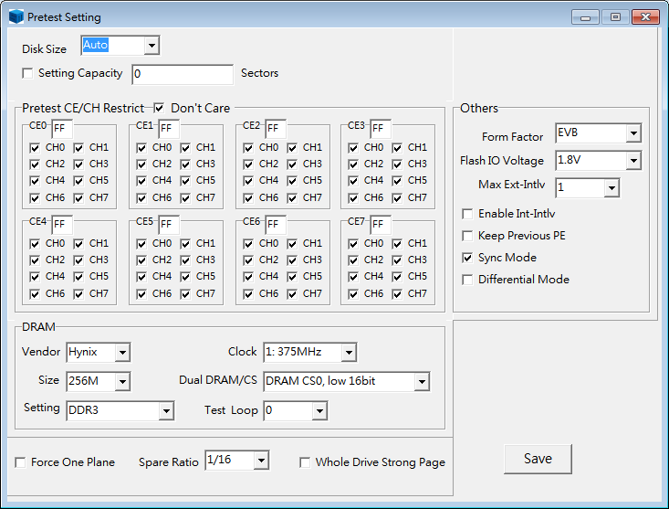
1
A
2
Function | Pretest Option Offset | Column Name |  | Setting
1. Capacity Setting | 08h-0Bh | Target Disk Size(sectors) |  | If , user set the capacity with A Text Item which is the decimal digit value. (Ex. If capacity is 16GB, A = 31277232 sectors.)
 |  |  |  | If , check the selection of Disk Size ComboBox Item and set with value as follows.
 |  |  |  | ComboBox Item | Target Disk Size
 |  |  |  | Auto | 0L
 |  |  |  | 16GB | 31277232L
 |  |  |  | 32GB | 61500000L
4
 |  |  |  | 48GB | 93789360L
 |  |  |  | 60GB | (97696368L + (1953504L * (60 - 50)))
 |  |  |  | 64GB | (97696368L + (1953504L * (64 - 50)))
3
 |  |  |  | 80GB | (97696368L + (1953504L * (80 - 50)))
 |  |  |  | 120GB | (97696368L + (1953504L * (120 - 50)))
 |  |  |  | 128GB | (97696368L + (1953504L * (128 - 50)))
 |  |  |  | 240GB | (97696368L + (1953504L * (240 - 50)))
4
 |  |  |  | 250GB | (97696368L + (1953504L * (250 - 50)))
 |  |  |  | 256GB | (97696368L + (1953504L * (256 - 50)))
 |  |  |  | 480GB | (97696368L + (1953504L * (480 - 50)))
 |  |  |  | 500GB | (97696368L + (1953504L * (500 - 50)))
 |  |  |  | 512GB | (97696368L + (1953504L * (512 - 50)))
 |  |  |  | 960GB | (97696368L + (1953504L * (960 - 50)))
 |  |  |  | 1TGB | (97696368L + (1953504L * (1024 - 50)))
 |  |  |  | 2TGB | 4000797360L
2. Pretest CE/CH Restrict Setting | 10h | Pretest Restrict CE0
 | 11h | Pretest Restrict CE1
 | 12h | Pretest Restrict CE2
 | 13h | Pretest Restrict CE3
 | 14h | Pretest Restrict CE4
 | 15h | Pretest Restrict CE5
 | 16h | Pretest Restrict CE6
 | 17h | Pretest Restrict CE7
3. DRAM Setting | 18h | Dram Setting1
 |  | Bit[2:0] :Dram Clock
 |  | 000b | Dram:350MHz
 |  | 001b | Dram:375MHz
 | 18h | Dram Setting1
 |  | Bit[4:3] : DRAM type Setting
 |  | 00b | DDR2
 |  | 01b | DDR3
 |  | 10b | Low Power DDR2
 |  | 11b | Low Power DDR3
 | 18h | Dram Setting1
 |  | Bit[7:5] : Dual Dram/CS
 |  | 000b | Dram CS0, low 16bit
 |  | 001b | Dram CS0, high 16bit
 |  | 010b | Dram CS0 , 32bit
 |  | 011b | Dram CS0 + CS1, low 16bit
 |  | 100b | Dram CS0 + CS1, high 16bit
 |  | 101b | Dram CS0 + CS1, 32bit
 | 19h | Dram Setting2
 |  | Bit[3:0] :Dram Vendor
 |  | 0000b | Nanya
 |  | 0001b | Winbond
 |  | 0010b | Samsung
 |  | 0011b | Hynix
 |  | 0100b | Elpida
 |  | 0101b | A-Top
 |  | 0110b | Micron
 | 19h | Dram Setting2
 |  | Bit[7:4] :Dram Size
 |  | 0000b | 16M
 |  | 0001b | 32M
 |  | 0010b | 64M
 |  | 0011b | 128M
 |  | 0100b | 256M
 |  | 0101b | 512M
 | 1Ah | Dram Test Loop
4. Others | 00h | Option1(Interleave/ plane)
 |  | Bit[3:0] : Max Interleave way
 | 00h | Option1(Interleave/ plane)
 |  | bit4: Enable Internal Interleave
 | 00h | Option1(Interleave/ plane)
 |  | bit5 : Force 1 plane
 | 01h | Option2(Capacity)
 |  | bit0 : Whole Drive Strong Page
 | 01h | Option2(Capacity)
 |  | bit[3:2] : spare ratio
 |  | 00b | 1/16
 |  | 01b | 1/8
 |  | 10b | 1/4
 |  | 11b | 1/2
 | 02h | Option3(Keep Table or Info)
 |  | bit3 : Keep Previous PE
 | 03h | Option4
 |  | bit3 : Enable Sync mode
 | 03h | Option4
 |  | bit4 : Enable Differential mode
 | 03h | Option4
 |  | Bit[6:5]: Flash IO voltage
 |  | 00b | 1.8V
 |  | 01b | 1.2V
 | 04h | Option5
 |  | Bit[3:0]: Form Factor
 |  | 0000b | EVB
 |  | 0001b | 2.5 inch
 |  | 0010b | m.2

