Floor 0 Measurements
Floor 0 Measurements

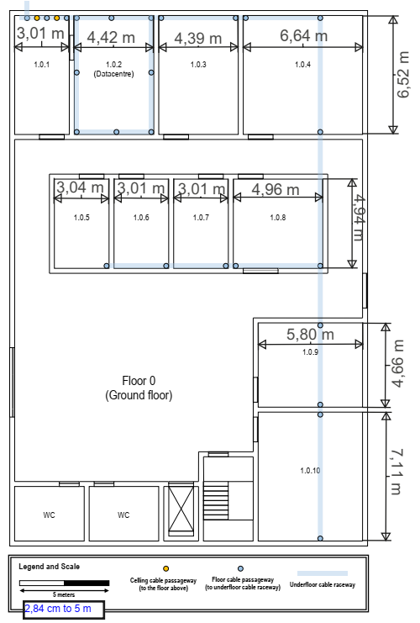
Room Name | Length(cm) | Width(cm) | Length(m) | Width(m) | Height(m) | Area(m²) | Nº Outlets | (m) | Scale | (cm)
1.0.1 | 11.48 | 5.30 | 6.52 | 3.01 | 4 | 19.7 | 4 | 5 | = | 2.84
1.0.2 | 11.48 | 7.78 | 6.52 | 4.42 | 4 | 28.9 | 6 | 1 | = | 0.568
1.0.3 | 11.48 | 7.73 | 6.52 | 4.39 | 4 | 28.7 | 6
1.0.4 | 11.48 | 11.69 | 6.52 | 6.64 | 4 | 43.3 | 9
1.0.5 | 8.70 | 5.35 | 4.94 | 3.04 | 4 | 15.1 | 4
1.0.6 | 8.70 | 5.30 | 4.94 | 3.01 | 4 | 14.9 | 3
1.0.7 | 8.70 | 5.30 | 4.94 | 3.01 | 4 | 14.9 | 3
1.0.8 | 8.70 | 8.73 | 4.94 | 4.96 | 4 | 24.6 | 5
1.0.9 | 8.20 | 10.21 | 4.66 | 5.80 | 4 | 27.1 | 6
1.0.10 | 12.52 | 10.21 | 7.11 | 5.80 | 4 | 41.3 | 9

Floor 1 Measurements
Floor 1 Measurements

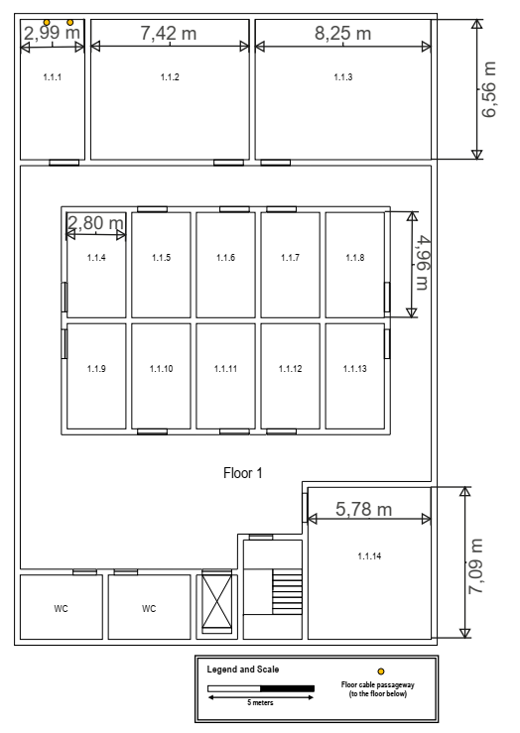
Room Name | Length(cm) | Width(cm) | Length(m) | Width(m) | Height(m) | Area(m²) | Nº Outlets | (m) | Scale | (cm)
1.1.1 | 11.55 | 5.26 | 6.56 | 2.99 | 2.5 | 19.7 | 4 | 5 | = | 2.84
1.1.2 | 11.55 | 13.06 | 6.56 | 7.42 | 2.5 | 48.7 | 10 | 1 | = | 0.568
1.1.3 | 11.55 | 14.52 | 6.56 | 8.25 | 2.5 | 54.2 | 11
1.1.4 | 8.73 | 4.93 | 4.96 | 2.80 | 2.5 | 13.9 | 3
1.1.5 | 8.73 | 4.93 | 4.96 | 2.80 | 2.5 | 13.9 | 3
1.1.6 | 8.73 | 4.93 | 4.96 | 2.80 | 2.5 | 13.9 | 3
1.1.7 | 8.73 | 4.93 | 4.96 | 2.80 | 2.5 | 13.9 | 3
1.1.8 | 8.73 | 4.93 | 4.96 | 2.80 | 2.5 | 13.9 | 3
1.1.9 | 8.73 | 4.93 | 4.96 | 2.80 | 2.5 | 13.9 | 3
1.1.10 | 8.73 | 4.93 | 4.96 | 2.80 | 2.5 | 13.9 | 3
1.1.11 | 8.73 | 4.93 | 4.96 | 2.80 | 2.5 | 13.9 | 3
1.1.12 | 8.73 | 4.93 | 4.96 | 2.80 | 2.5 | 13.9 | 3
1.1.13 | 8.73 | 4.93 | 4.96 | 2.80 | 2.5 | 13.9 | 3
1.1.14 | 12.48 | 10.18 | 7.09 | 5.78 | 2.5 | 41 | 9

Images Floor 0
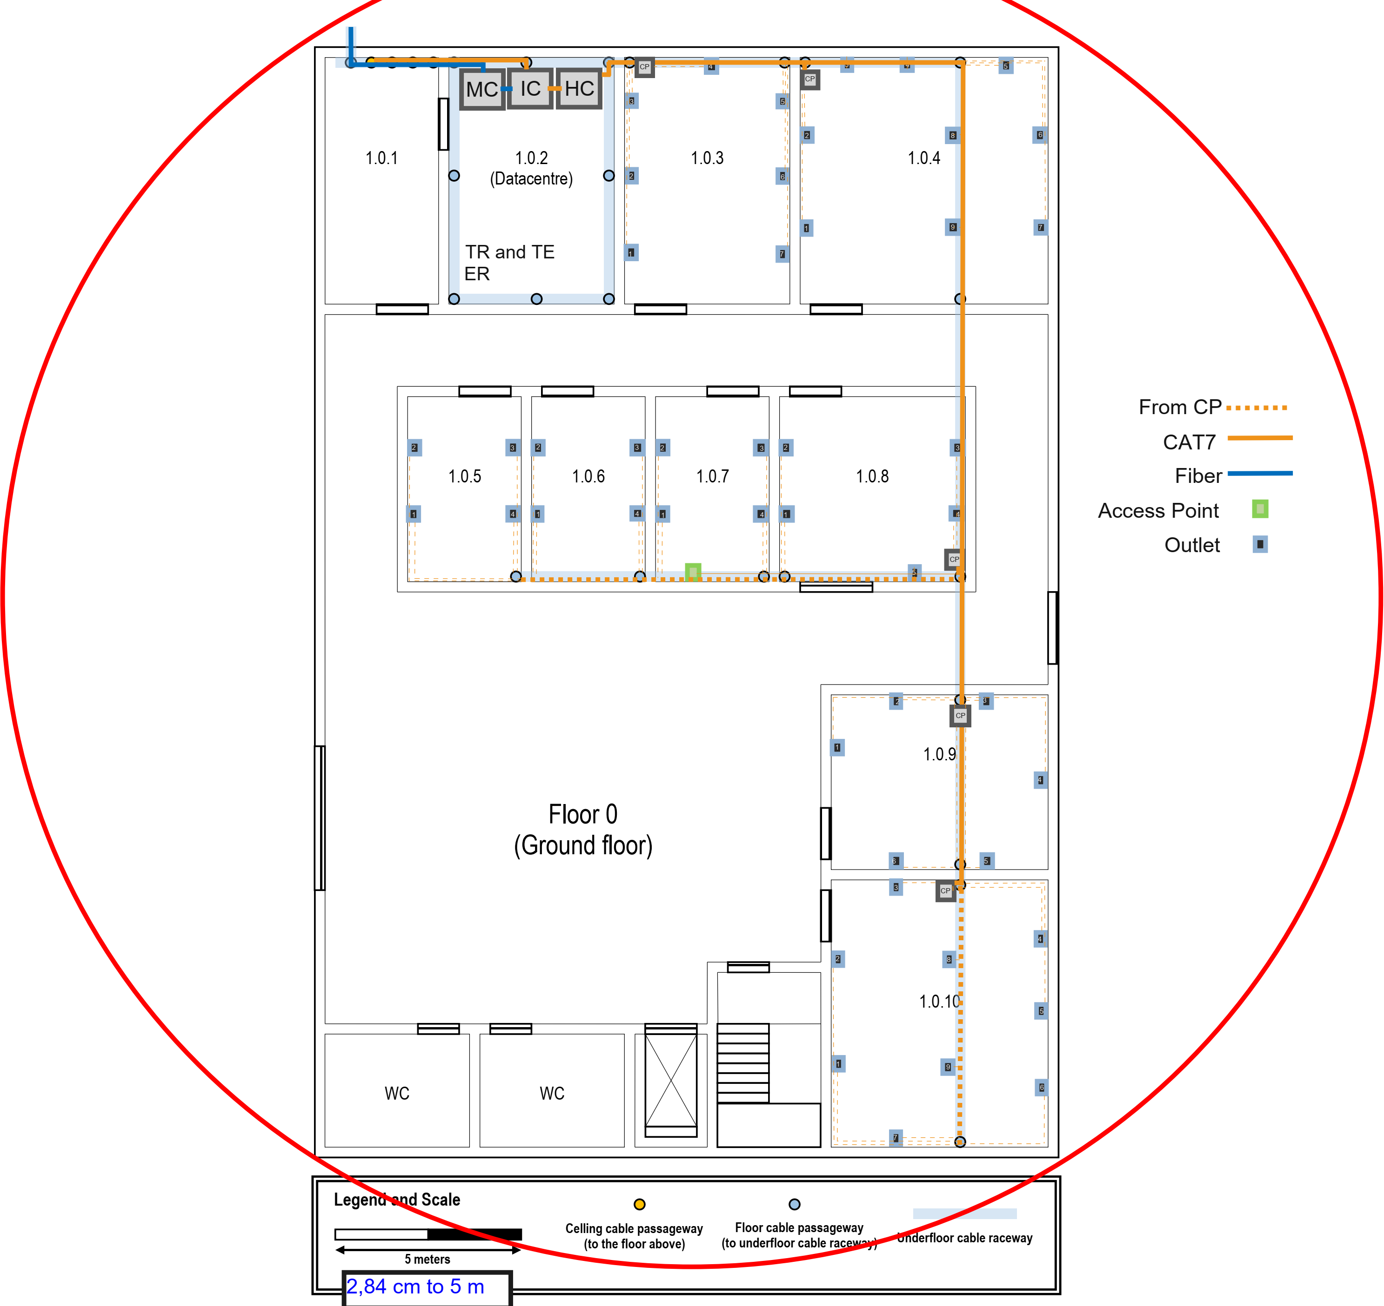
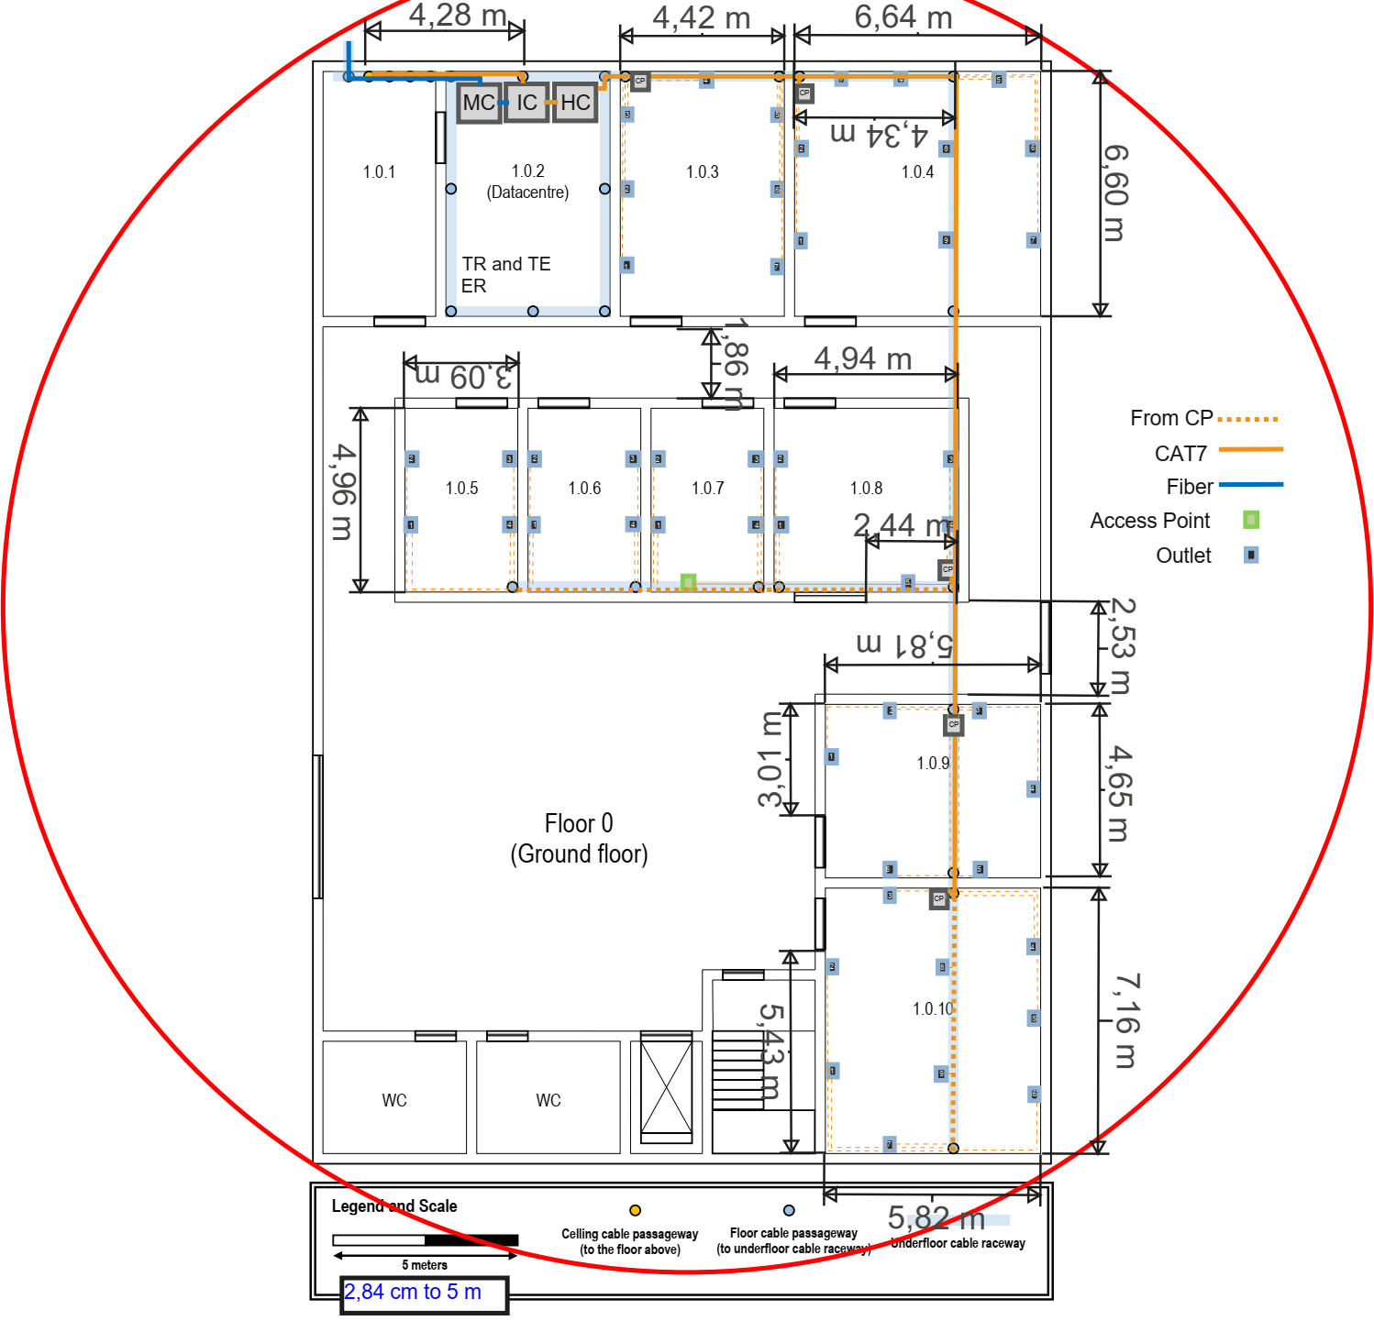

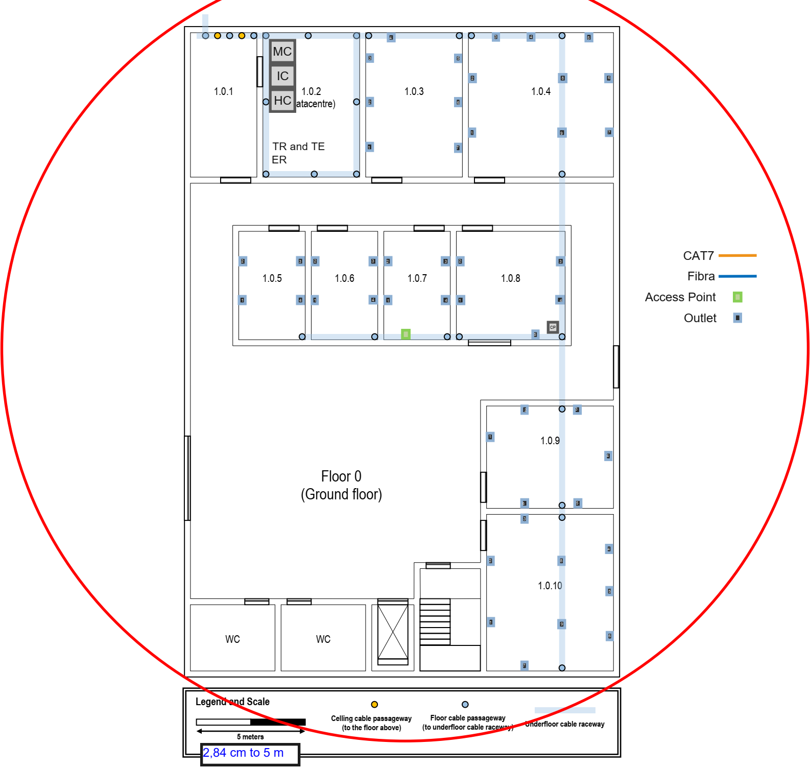

Images Floor 1
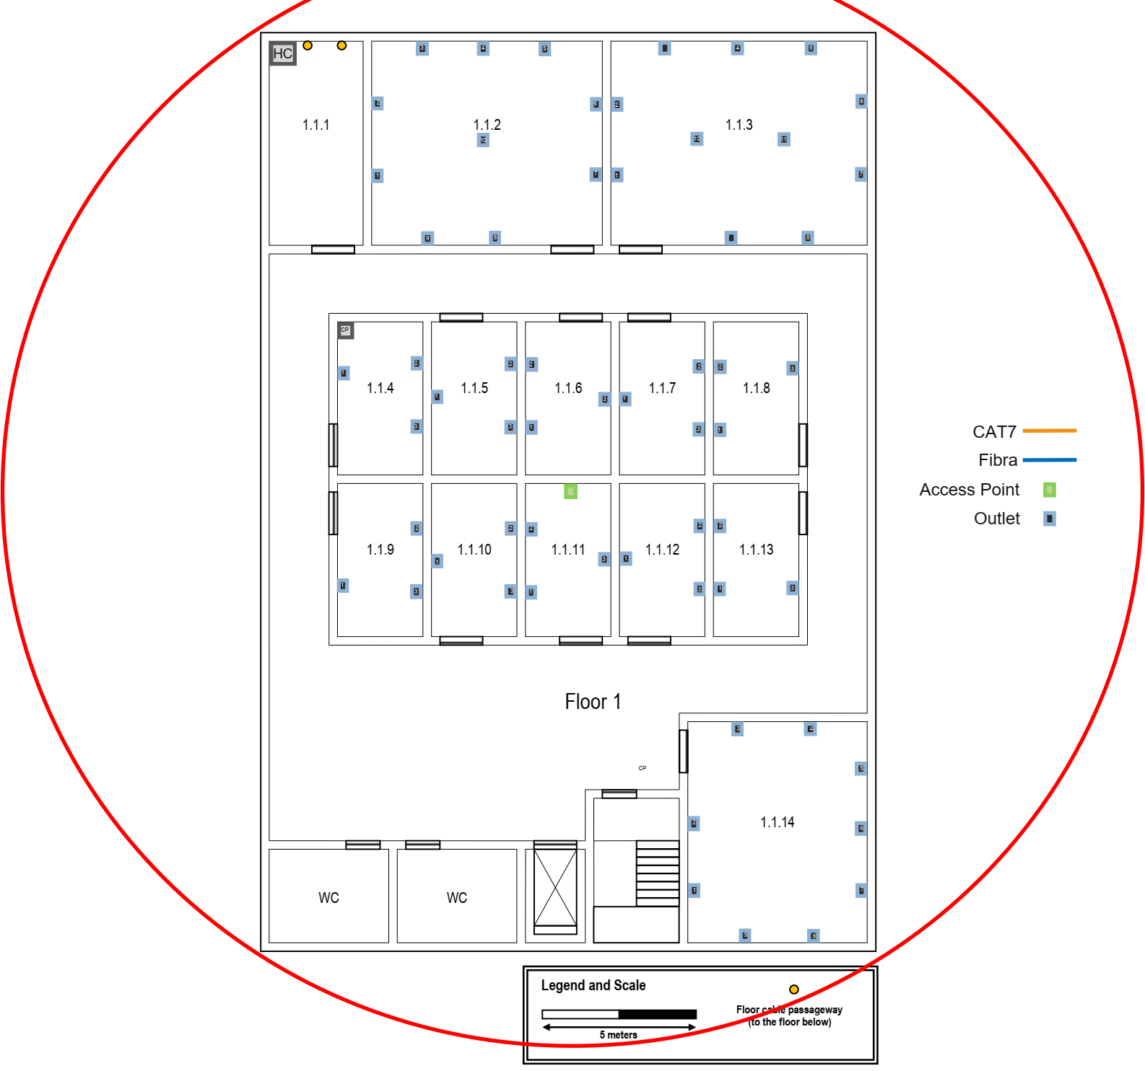
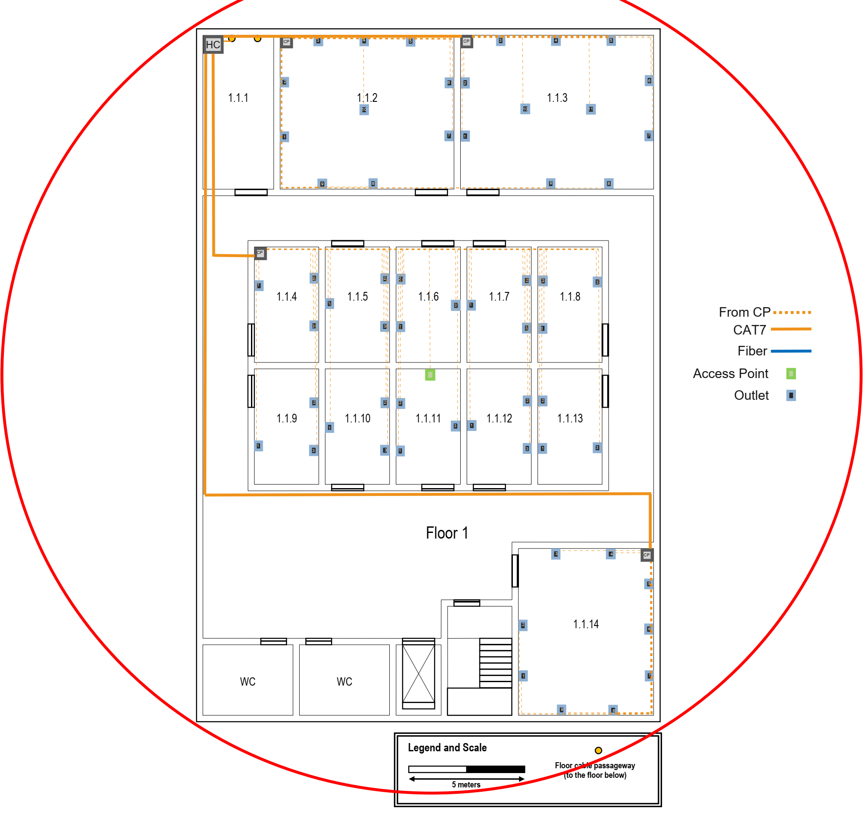
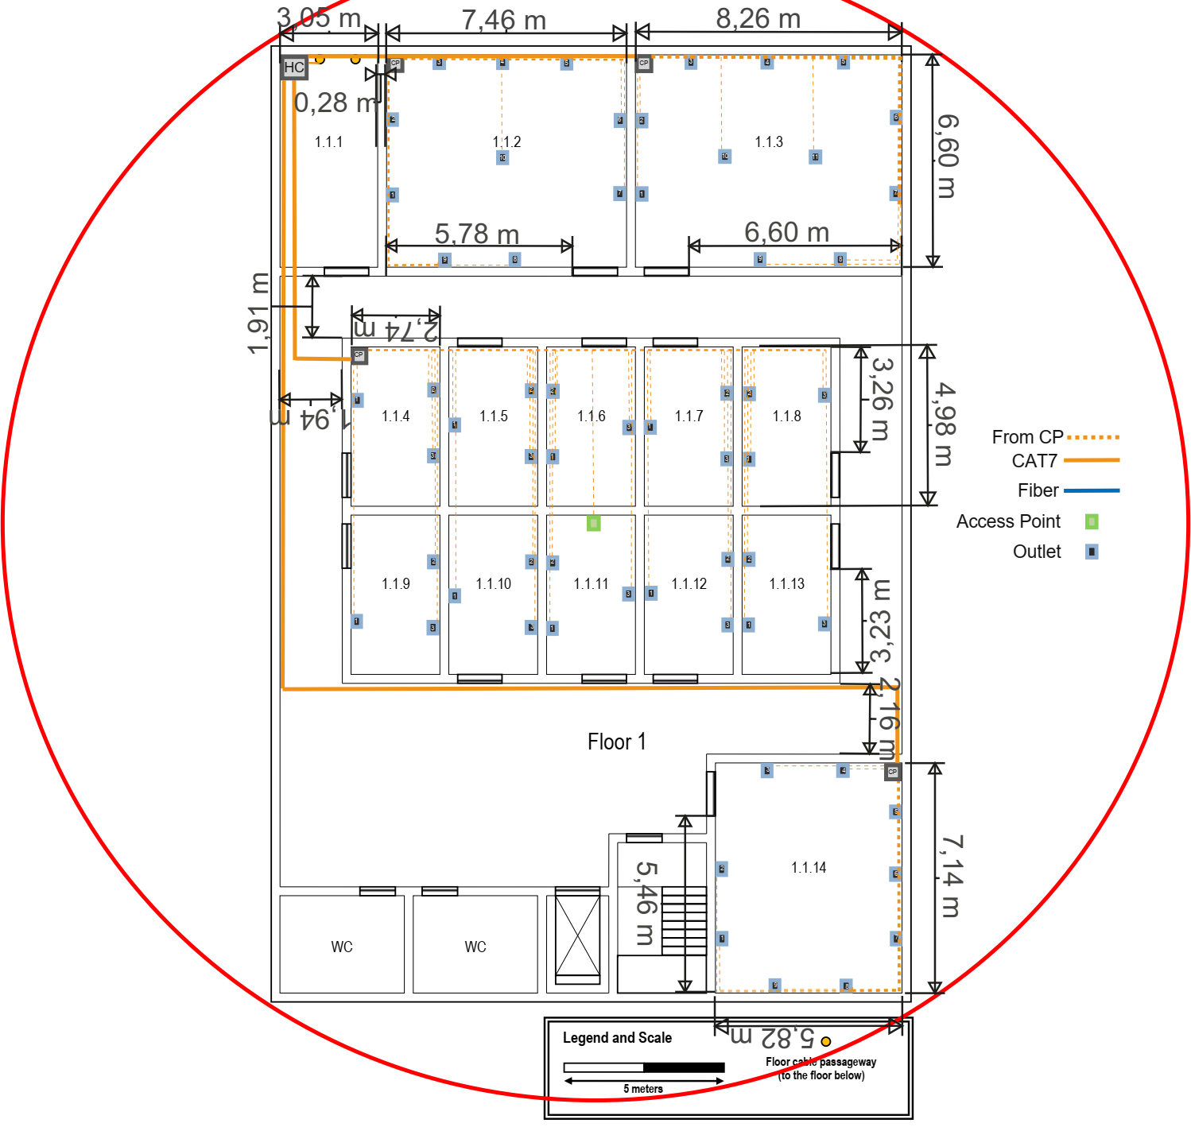

Fiber Dimensioning
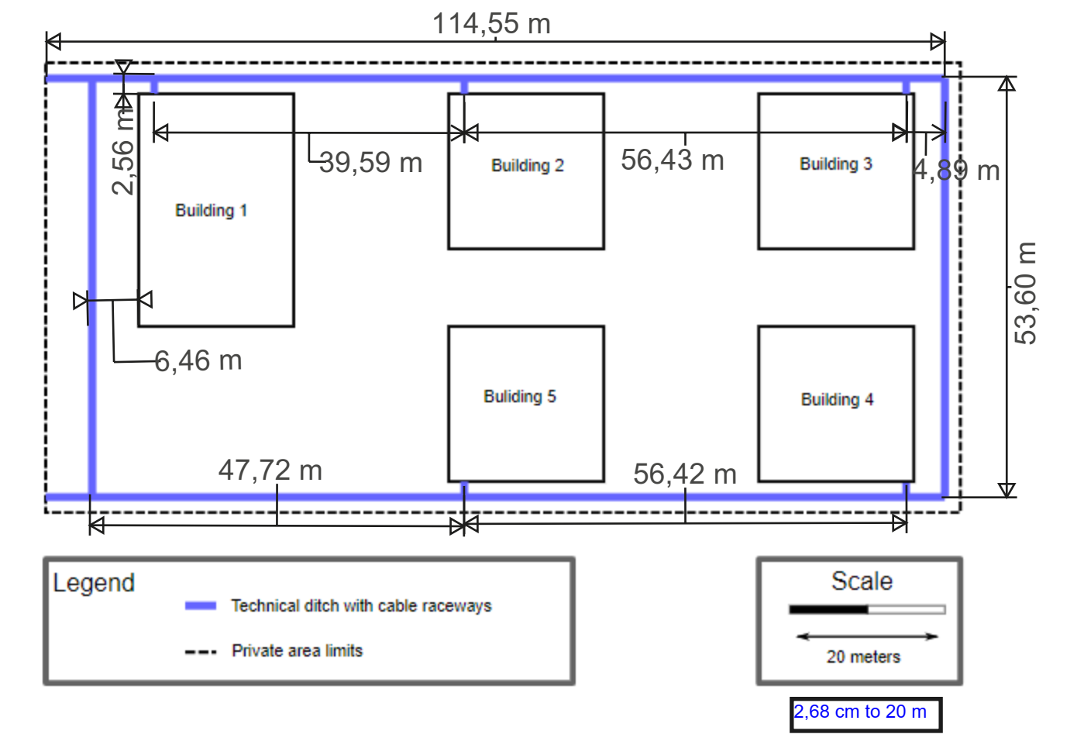
Source | Destination | Cable length | Auxiliary Calculations | Length with overdimension coeficient of 20% | Length with excess rounding to the unit
MC - Building 1 | IC - Building 2 | 44.71 | 2,56*2+39,59 | 53.652 | 54.00
MC - Building 1 | IC - Building 3 | 101.14 | 2,56*2+39,59+56,43 | 121.368 | 122.00
MC - Building 1 | IC - Building 4 | 169.32 | 2,56*2+6,46+53,60+47,72+56,42 | 203.184 | 204.00
MC - Building 1 | IC - Building 5 | 112.90 | 2,56*2+6,46+53,60+47,72 | 135.48 | 136.00
Total |  | 428.07 |  | 513.68 | 516.00

Redundencies Between Buildings
Source | Destination | Cable length | Auxiliary Calculations | Length with overdimension coeficient of 20% | Length with excess rounding to the unit
IC - Building 1 | IC - Building 2 | 44.71 | 2,56*2+39,59 | 53.652 | 54.00
IC - Building 2 | IC - Building 3 | 61.55 | 2,56*2+56,43 | 73.86 | 74.00
IC - Building 3 | IC - Building 4 | 68.50 | 2,56*2+4,89*2+53,60 | 82.2 | 83.00
IC - Building 4 | IC - Building 5 | 61.54 | 2,56*2+56,42 | 73.848 | 74.00
IC - Building 1 | IC - Building 3 | 101.14 | 2,56*2+39,59+56,43 | 121.368 | 122.00
IC - Building 2 | IC - Building 4 | 124.93 | 2,56*2+56,43+4,89*2+53,60 | 149.916 | 150.00
IC - Building 3 | IC - Building 5 | 124.92 | 2,56*2+4,89*2+53,60+56,42 | 149.904 | 150.00
IC - Building 1 | IC - Building 4 | 169.32 | 2,56*2+6,46+53,60+47,72+56,42 | 203.184 | 204.00
IC - Building 2 | IC - Building 5 | 154.16 | 2,56*2+47,72*2+53,6 | 184.992 | 185.00
IC - Building 1 | IC - Building 5 | 112.90 | 2,56*2+6,46+53,60+47,72 | 135.48 | 136.00
Total |  | 236.30 |  | 283.56 | 285.00

Rules
