Cover sheet
US Federal LCA Commons Life Cycle Inventory Unit Process Template

last updated: June 24, 2015

Instructions: This template should be used for life cycle inventory (LCI) unit process development and is associated with an openLCA plugin to import these data into an openLCA database. See www.openLCA.org to download the latest release of openLCA for free, and to access available plugins.

The sheet names correspond to sheets in the openLCA process editor. Enter data into the yellow fields in each of the tabs. Blue fields represent field names and white fields provide explanation of the data to be entered. This template does not provide specific guidance on life cycle inventory development: please refer to your organizational guidance and/or the goal and scope of the LCA study that the unit process data are supporting.


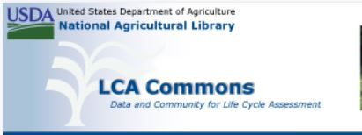

Credits:
USDA National Agricultural Library
Wesley Ingwersen @ US EPA National Risk Management Research Laboratory
Joyce Cooper, University of Washington

