Test Plan

Test Plan link: Pickaboo

Mind Maps
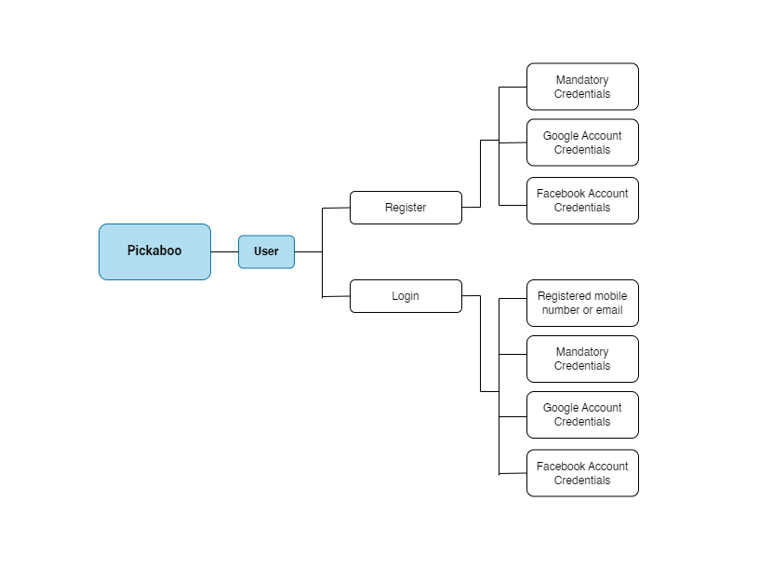

Test Summary Report
Test Case Report
Project Name | Pickaboo (Online shoping platform)
Module Name | Customer Account
Feature Name | Sing up and Sign in
Test Case Version | 1
Written By | Afrida Rahman
Executed By | Afrida Rahman
Reviewed By | Ehsanul Alam Sabbir

Test Execution Report
Test Case | Pass | Fail | Not Executed | Out of Scope | Total TC
 | 32 | 8 | 0 | 0 | 40

Limitations
Documents |  | Received |  | Useful
PRD |  | No |  | No
User Story |  | No |  | No

Testing Type in Scope |  | Description
Functional Testing |  | In order to determine whether the output satisfies the requirement, this kind of testing ignores the underlying commponents.
Integration Testing |  | Intregration testing is the process of testing all integrated modules to confirm their combined functionality after integration
Negetative Testing |  | Testing with a "Attitude to break" mentality by using incorrect data and invalid input
Usability Testing |  | Test application from user friendliness perspective
Browser Compatibility Testing |  | Web application undergo browser compatibility testing to make sure they can function on various operating systems and browser combinations
Boundary Value Testing |  | Each range has an uper and lower border, and testing is done using these boundary values
Risk Based Testing / Regression Testing |  | Highly critical functionality, which has the biggest influence on business and has a very high failure probability, is tested as part of risk based testing. Regression testing is the process of testing an application as a whole for changes made to any module or capability.

