offboard-RTS-ISS
How to Resolve Offboarding Request - RTS-ISS issues
dp will receive this alert | amazon_flex_unattempted_fpq_termination | Alert Text | Hi [NAME], We're contacting you because on one or more occasions, you didn't try to deliver all packages in your block or you selected an inaccurate reason code about why the packages were undeliverable in the Amazon Flex app. It's important to select the accurate reason code in the app while you're still at the delivery location. Additionally, you have frequently contacted Driver Support for delivery exemptions. Not attempting to deliver each package, selecting inaccurate reason codes in the app while not at the delivery location, or frequently contacting Driver Supports for exemptions are violations of the Terms of Service. As this is not the first notification, this violation means you're no longer eligible to deliver with Amazon Flex and will not be able to sign in to the Amazon Flex app. If you would like to appeal this outcome, please email amazonflex-support@amazon.com providing additional information within 30 days of receiving this notice. The Amazon Flex Team 1-0013-004
Alert Code | 1-0013-004

Raise ANY offboarding TT | Click Here |  | sample tt

Edit Content of Ticket | Click on the Edit Icon
 | change the SUBJECT/TITLE line WITH DP ID to |  | Offboarding Appeal - RTS-ISS -
 | change the Root Cause of the Request Ticket: |  | Offboarding - RTS-ISS

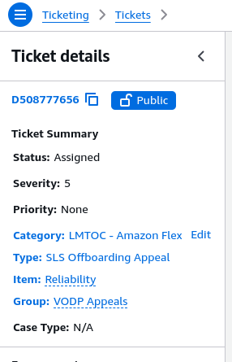
Edit CTI | on the left panel
Change CTI | Category (C) : |  | LMTOC - Amazon Flex
 | Type (T): |  | Fraud Offboarding Appeal
 | Item (I): |  | ISS-RTS

END

