Electricity Main
Acct. #: 2046320600 | Sep-23 | Oct-23 | Nov-23 | Dec-23 | Jan-24 | Feb-24 | Mar-24 | Apr-24 | May-24 | Jun-24 | Jul-24 | Aug-24 | $165.93 | $1,991.16
Total Charge ($) | $8,163.91 | $6,369.05 | $5,879.31 | $5,067.07 | $4,522.72 | $5,199.91 | $5,849.89 | $6,418.22 | $7,022.67 | $7,850.73 | $7,925.27 | $8,193.92
Demand Charge ($) | $799.86 | $997.80 | $931.53 | $887.34 | $1,984.63 | $736.38 | $876.63 | $912.78 | $968.01 | $1,042.65 | $1,075.46 | $1,112.61 | $5,656.67
PCA Charge ($) | $3,271.54 | $2,476.52 | $2,172.69 | $1,844.73 | $1,731.75 | $2,231.08 | $2,565.62 | $2,956.85 | $3,036.06 | $3,381.91 | $3,364.83 | $3,439.50
Energy Charge ($) | $4,092.51 | $2,894.73 | $2,775.09 | $2,335.00 | $806.34 | $2,232.45 | $2,407.64 | $2,548.59 | $3,018.60 | $3,426.17 | $3,484.98 | $3,641.81
Demand Usage (kW) | 252.960 | 238.480 | 222.640 | 212.080 | 192.720 | 176.000 | 209.520 | 218.160 | 231.60 | 249.200 | 257.040 | 265.920
PCA ($/kWh) | 0.0449388 | 0.0457260 | 0.0418469 | 0.0422328 | 0.046653 | 0.0534262 | 0.056963 | 0.0620146 | 0.0537546 | 0.052449 | 0.0512306 | 0.0499346
kWh Usage | 72,800 | 54,160 | 51,920 | 43,680 | 37,120 | 41,760 | 45,040 | 47,680 | 56,480 | 64,480 | 65,680 | 68,880
Monthly Energy Cost ($) | $7,364.05 | $5,371.25 | $4,947.78 | $4,179.73 | $2,538.09 | $4,463.53 | $4,973.26 | $5,505.44 | $6,054.66 | $6,808.08 | $6,849.81 | $7,081.31

Demand Cost ($)
Demand Usage(kW)
Net Total
Net Total Charge ($) | $78,462.67
Net Demand Charge ($) | $12,325.68
Net PCA Charge ($) | $32,473.08
Net Energy Charge ($) | $33,663.91
Net Demand Usage (kW) | 2726.320
Net kWh Usage | 649,680
Net Energy Cost ($) | 66,137

Unit Rate
$/kWh | 0.102
$/kW | 4.521

Electricity Usage( kWh)
Electricity Cost ($)

Monthly PCA Charge
Monthly Total Charge ($)

Section 2 (2)
Energy Application | Power (hp) | Quantity | Total Power (hp) | Percentage
CNC Machine | 180 | 4 | 720 | 50%
Machine Center | 60 | 3 | 180 | 13%
A/C Units | 50 | 8 | 400 | 28%
Production Line | 45 | 3 | 135 | 9%
Total | 335 | 18 | 1,435 | 100%

CNC Machine | 30%
CNC Lathes | 9%
Horizontal Machining Center | 3%
CNC Turning Center | 8%
Vertical Machining Center | 4%
Air Compressor | 6%
HVAC | 40%
Energy Application | Power (hp) | Quantity | Total Power (hp) | Percentage
CNC Machine | 125 | 1 | 125 | 30%
 | 55 | 1 | 55
 | 53 | 1 | 53
 | 49 | 1 | 49
CNC Lathes | 45 | 1 | 45 | 9%
 | 35 | 1 | 35
Horizontal Machining Center | 32 | 1 | 32 | 3%
CNC Turning Center | 27 | 1 | 27 | 8%
 | 24 | 1 | 24
 | 22 | 1 | 22
Vertical Machining Center | 23 | 1 | 23 | 4%
 | 14 | 1 | 14
Air Compressor | 30 | 2 | 60 | 6%
HVAC | 47 | 8 | 376 | 40%
Total | 581 | 22 | 940 | 100%

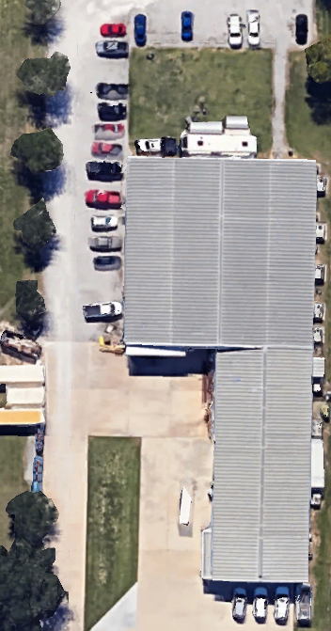
Production Area
Office Area

Energy Consumption
Rough Rice Delivery
Cleaning of Rice
Milling Process
Grading
Color Sorting
Quality Control
Storage
Blower | 200 | 1 | 200 | 14%
Grinder | 200 | 1 | 200 | 14%
Drag Machine | 75 | 4 | 300 | 20%
Miling Machine | 80 | 4 | 320 | 22%
Air Compressor | 125 | 2 | 250 | 17%
Destoner | 50 | 4 | 200 | 14%
 | 730 | 16 | 1470 | 100%

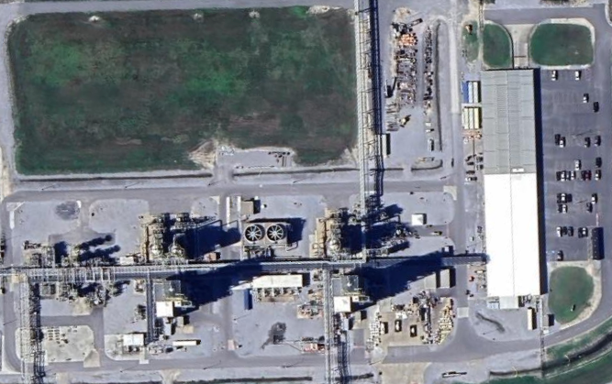
Production Area
Building 1
Building 2

Production Area

