Guide - Secure
Guide: Requesting Access in Secure
 | (Back to Checklist)

Open Secure at https://secure.uhc.com/

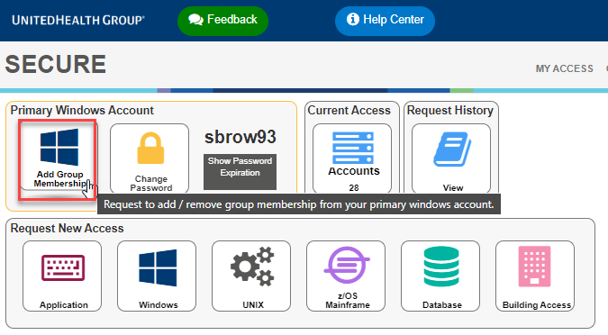

Click on "Add Group Membership"

 | (Back to Checklist)
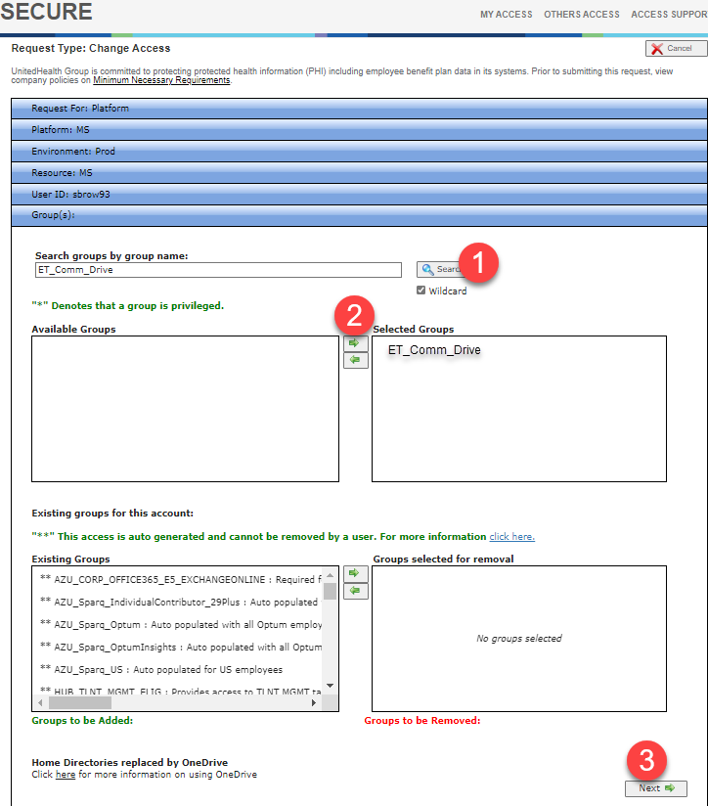

1. Search for "ET_Comm_Drive"
2. Select "ET_Comm_Drive" and move to "Selected Groups
3. Click on "Next"
 | (Back to Checklist)

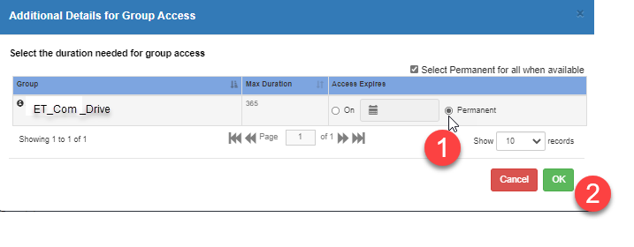

1. Select "Permanent" radio button
2. Click "OK"…your secure request has now been submitted and you will receive an email confirming that your Secure request has been submitted.

When your request has been approved you will receive an email verifying completion.

 | (Back to Checklist)

Guide - OFE Access
Guide: Requesting Access in OAM
 | (Back to Checklist)

Open OFE Access Manager (OAM) at https://access-ofe.optum.com

OFE Base access creates your Primary ID for the OptumFE domain account. Once granted, you will be able to request access to other systems provisioned through OAM. You will not be able to request most other OFE access until OFE Base has been granted.

OFE Access Manager utilizes Enterprise Single Sign On (SSO). Follow the steps below to login.
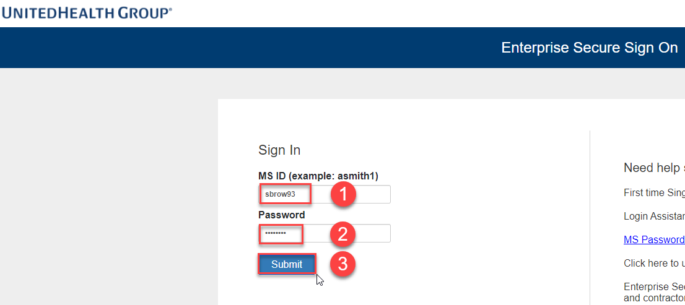

1. Enter your Primary Optum MSID.
2. Enter your Optum Password associated with your Primary Optum MSID.
3. Click Submit.
 | (Back to Checklist)
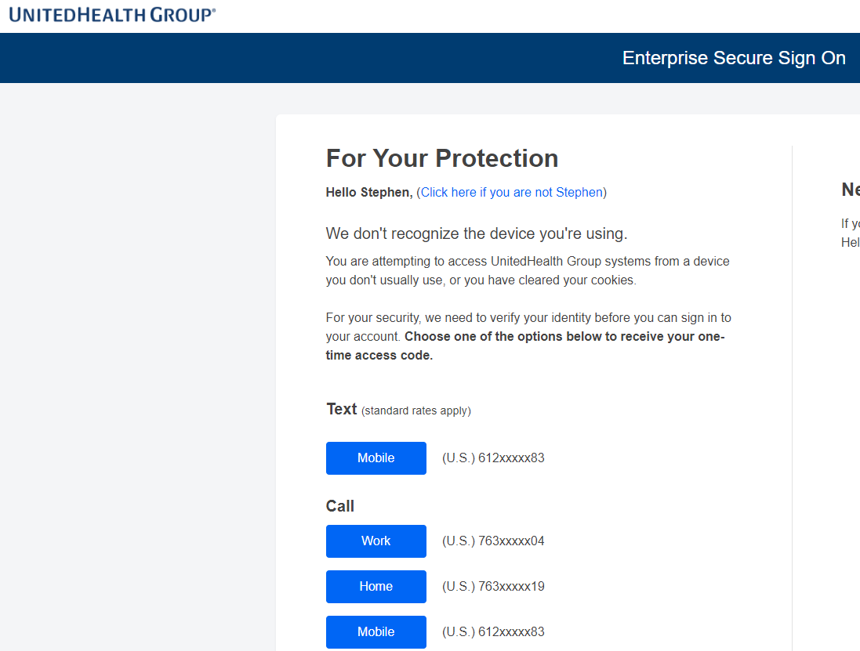

Choose one of the following options and follow the on-screen instructions to use Multi-Factor Authentication and complete authentication.

 | (Back to Checklist)

Choose "Manage My Access".

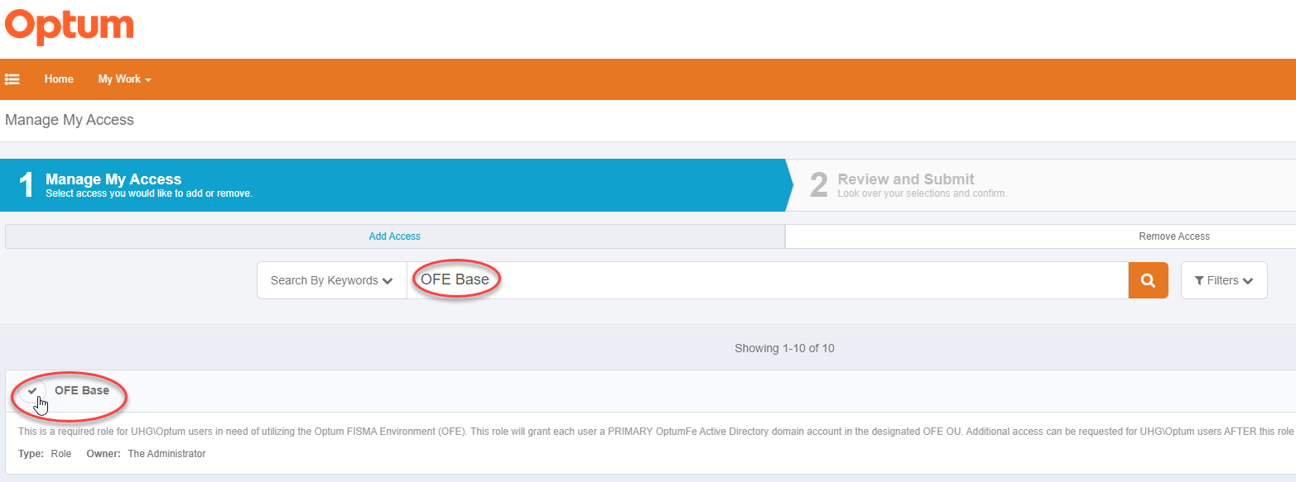

Search for OFE Base.
Click the Checkmark beside OFE Base to choose it.

 | (Back to Checklist)
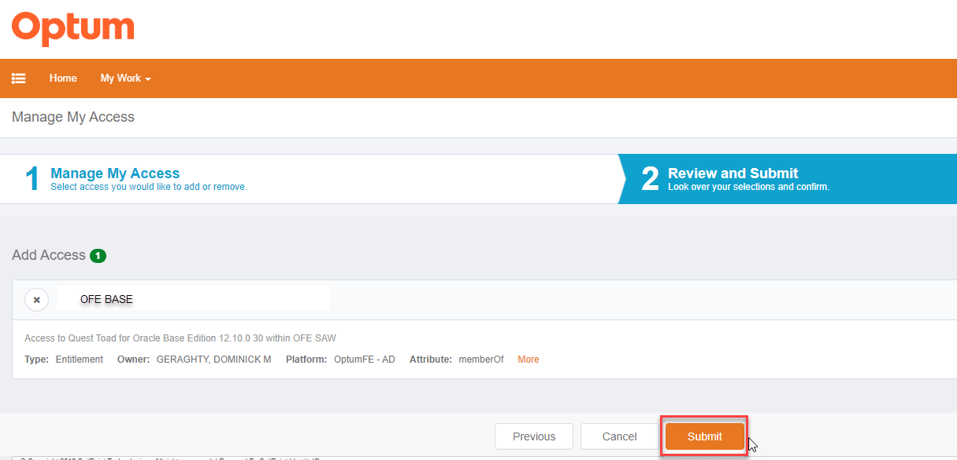

Review Request and click on "Submit".

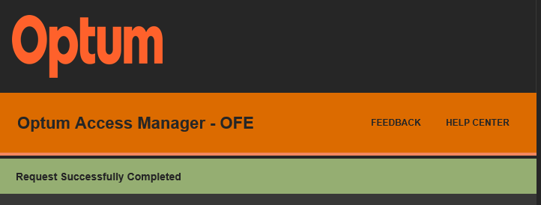

When your request has been approved you will receive an email verifying completion.

 | (Back to Checklist)
-- END OF CHECKLIST --

Guide - Secondary ID
Guide: Requesting a Secondary ID
(Back to Checklist)

Open OFE Access Manager (OAM) at https://access-ofe.optum.com | (BACK TO CHECKLIST)

From the Home Screen, choose the hamburger menu (like below).

(Back to Checklist)
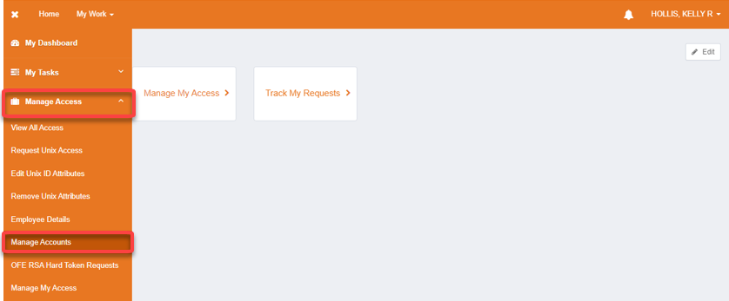

In the left sidebar menu, expand "Manage Access" and then choose "Manage Accounts".

(Back to Checklist)

On the top left of the accounts section, press the button to "Request Secondary Account".

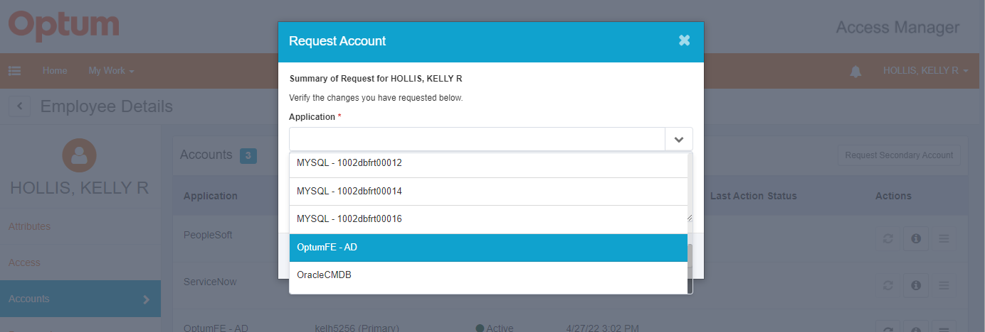

For application, you will need to choose "OptumFE - AD".

(Back to Checklist)

In the Comments field, enter a business reason why you will need a secondary account. (see spreadsheet for standardized business justifications) Click Submit.

At the top right of the page, you should see "Request 1 Account" in a green box. If that is correct, click Confirm at the bottom of the page and on the following page, click Submit.

(Back to Checklist)
-- END OF CHECKLIST --

 | (BACK TO CHECKLIST)

 | (BACK TO CHECKLIST)

 | (BACK TO CHECKLIST)

 | (BACK TO CHECKLIST)

 | (BACK TO CHECKLIST)

Guide - SAW Setup
Guide: Requesting Access in Secure
 | (Back to Checklist)

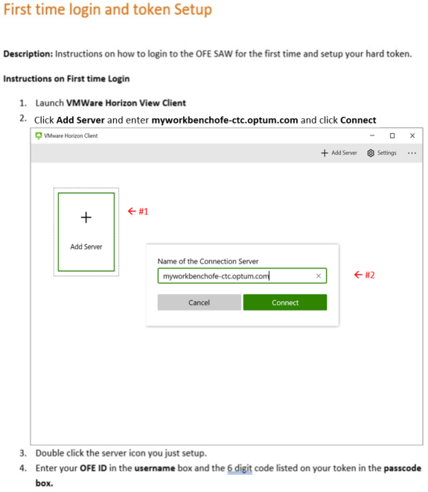

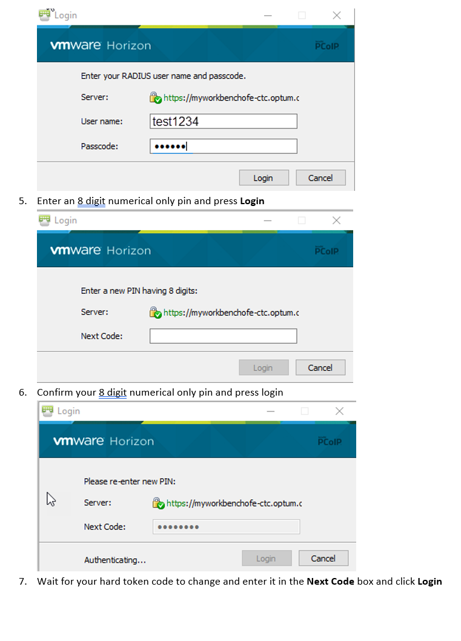
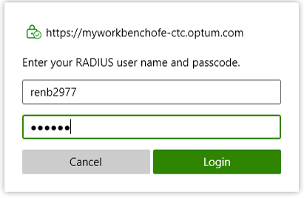

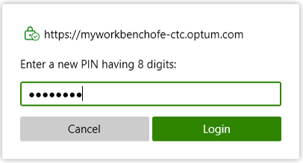



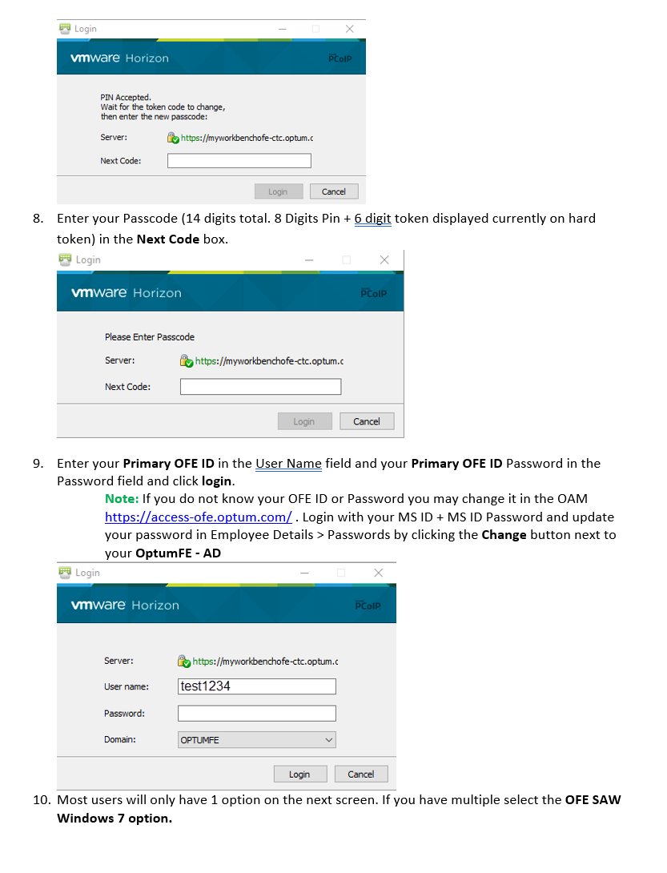
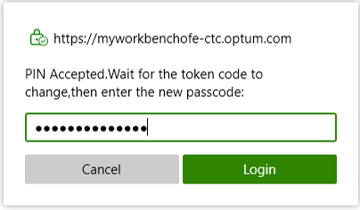

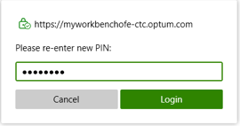

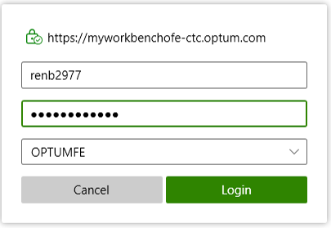

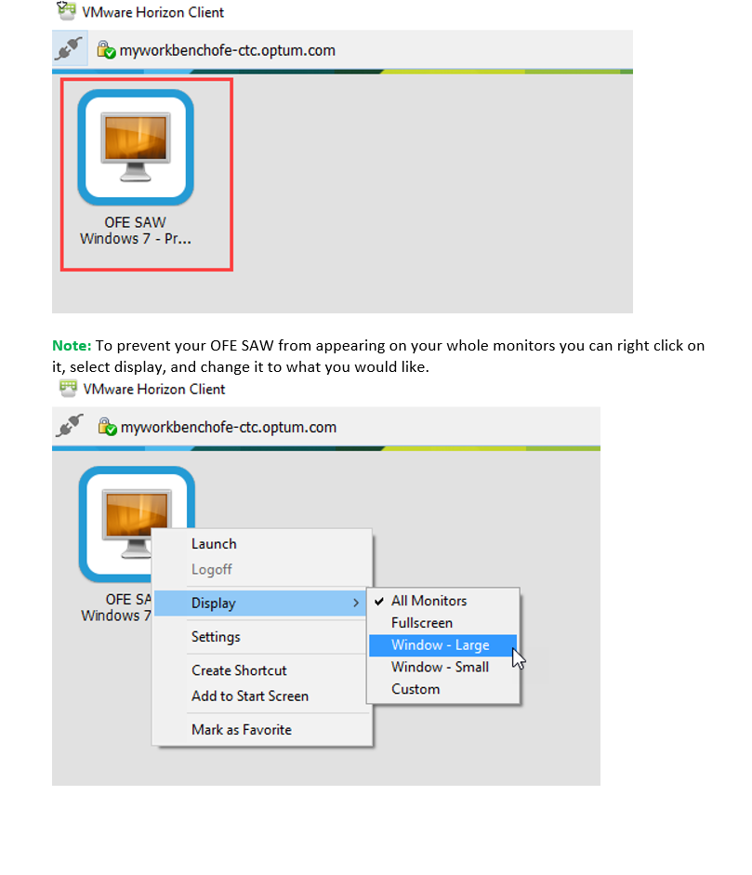
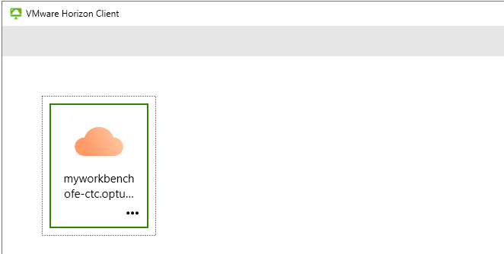

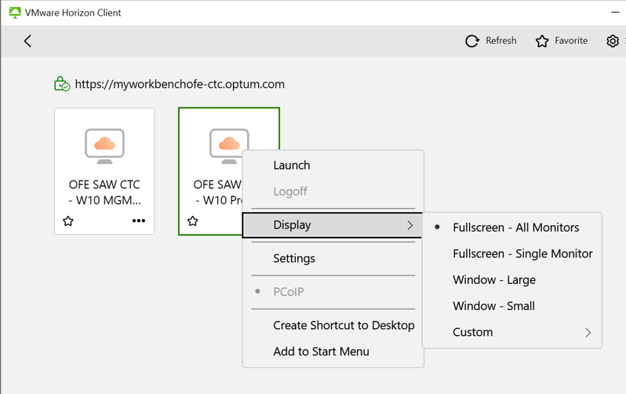

(Back to Checklist)
-- END OF CHECKLIST --

