Yeild Comparison
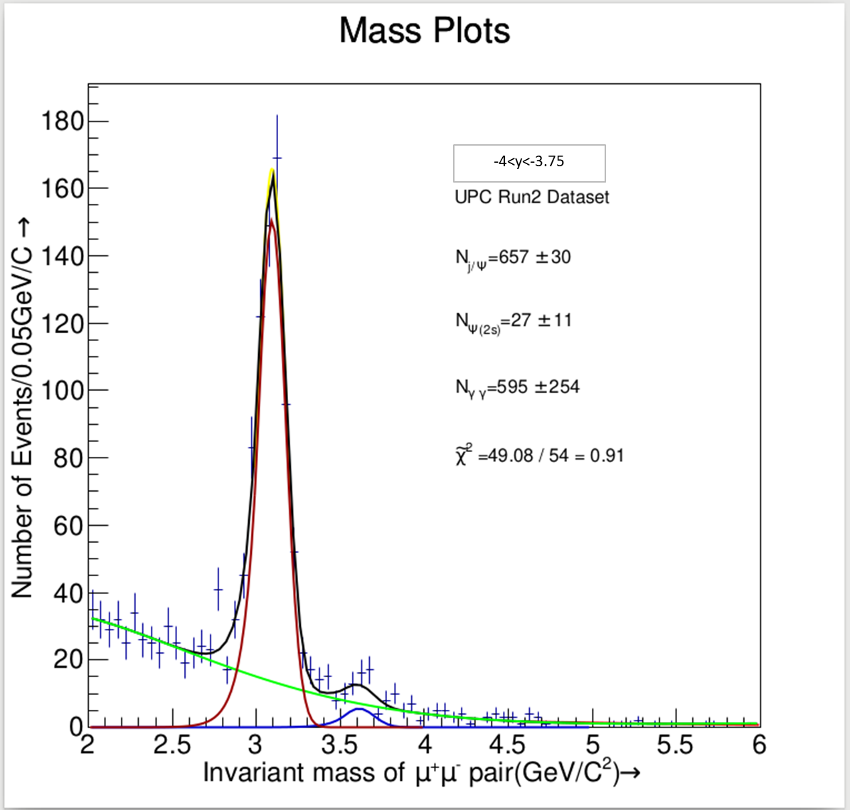
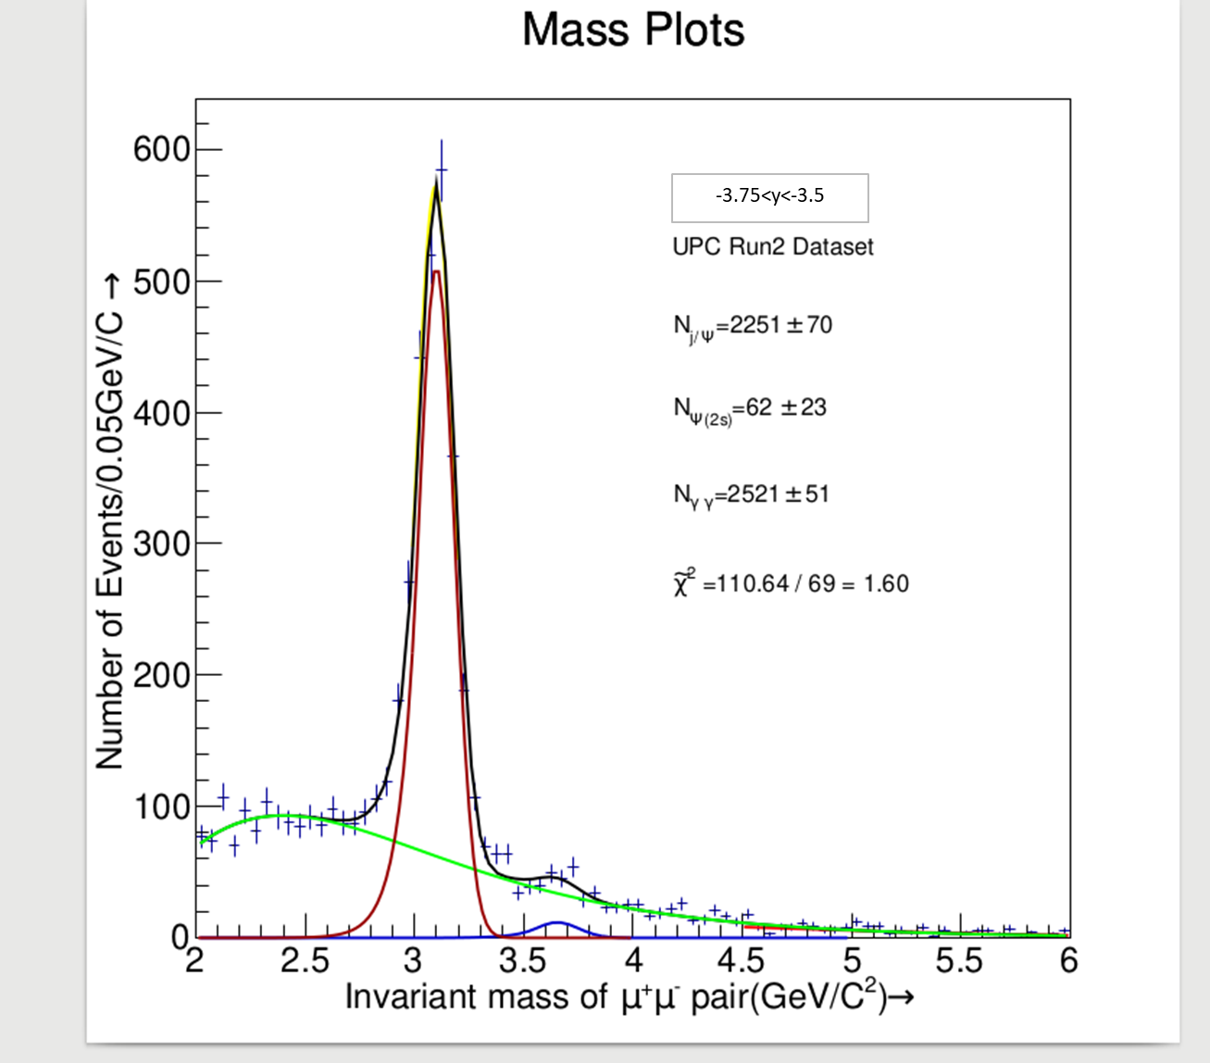
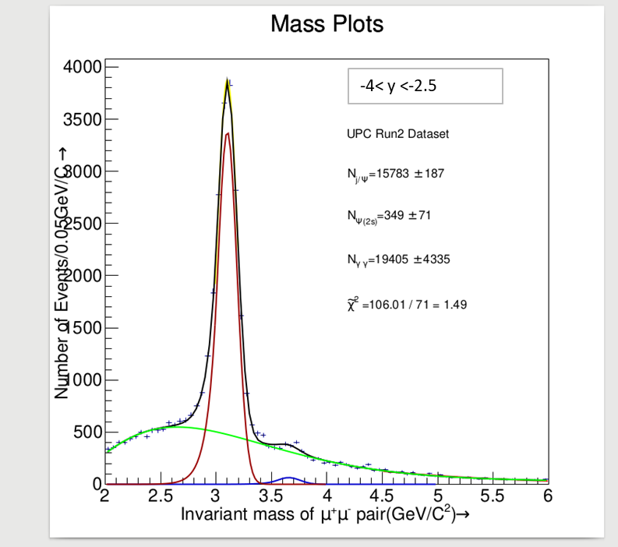
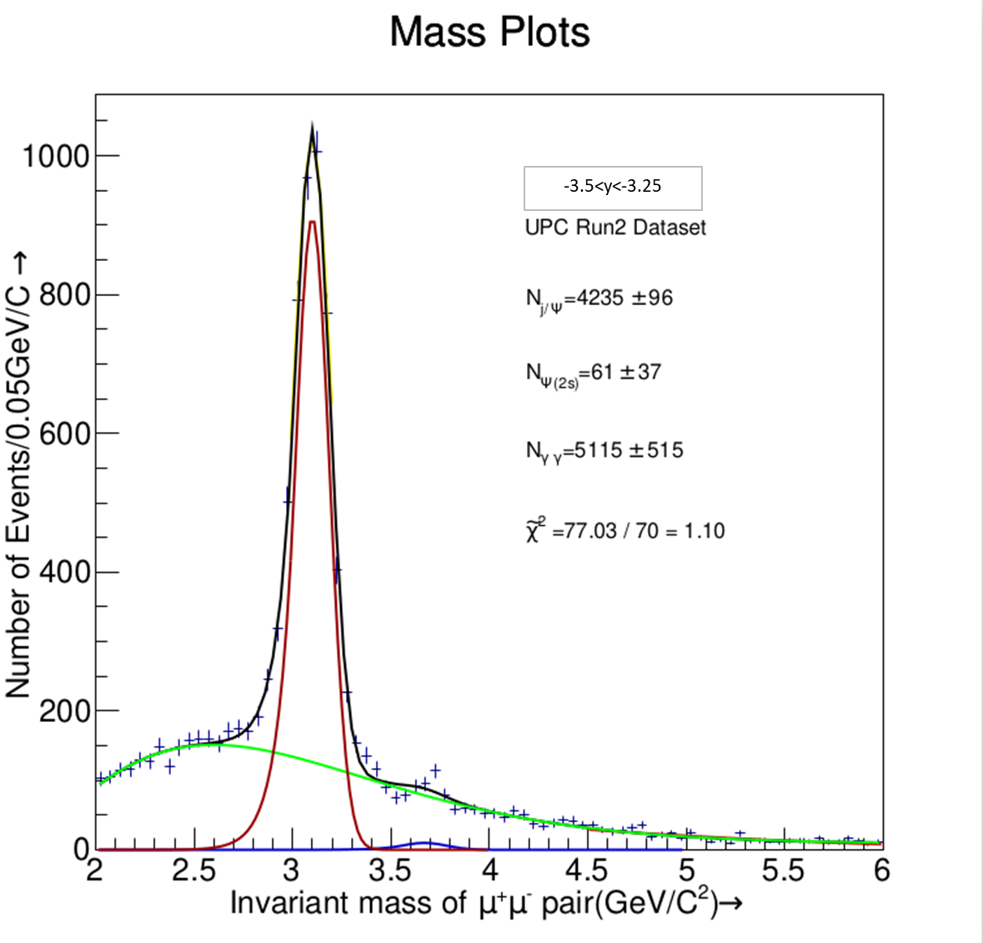
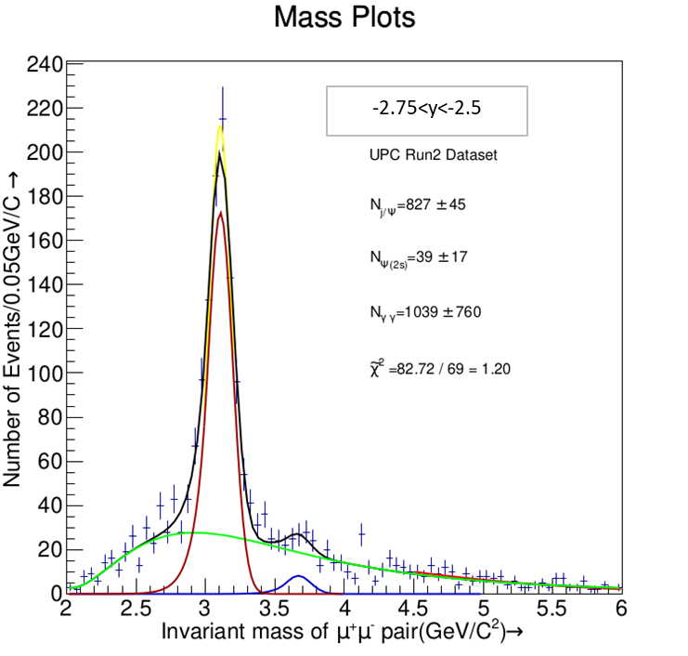
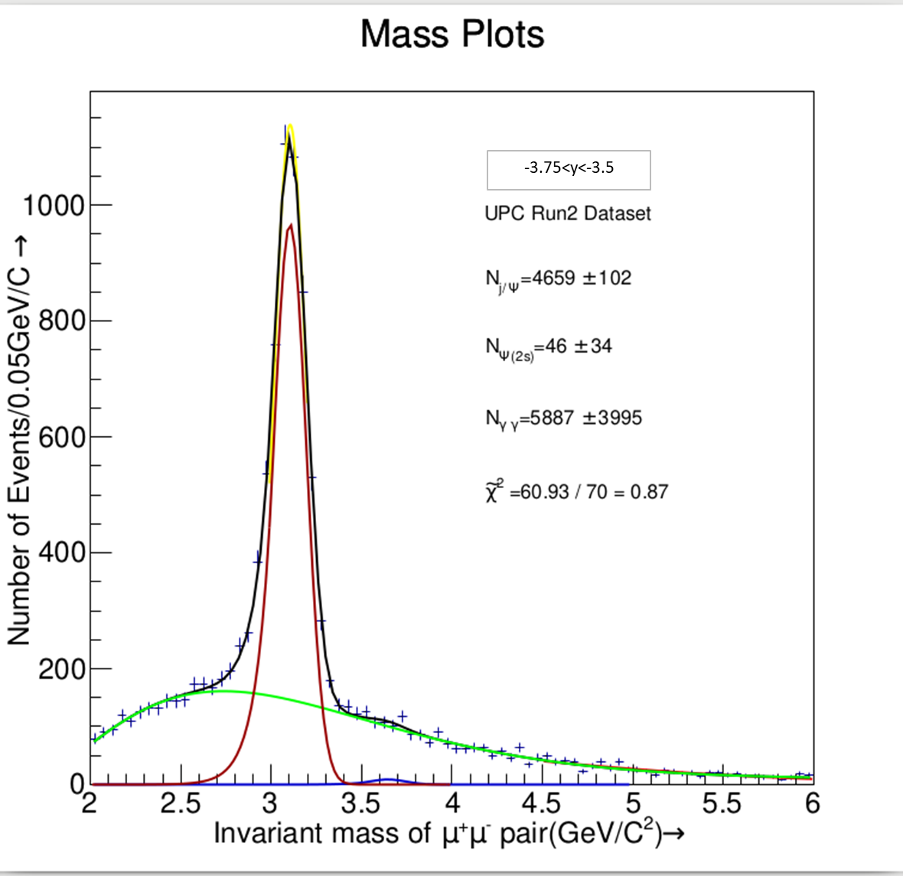

CMUP6
Rapidity Range | Yeild /Amrit | Yeild_Tomas | Yeild_Simone | change/Tomas | chage/Simone
4.00-2.50 | 15783 | 15498 | 15892 | -1.8389469609 | 0.68587968789
4.00-3.75 | 657 | 663 | 684 | 0.90497737557 | 3.9473684211
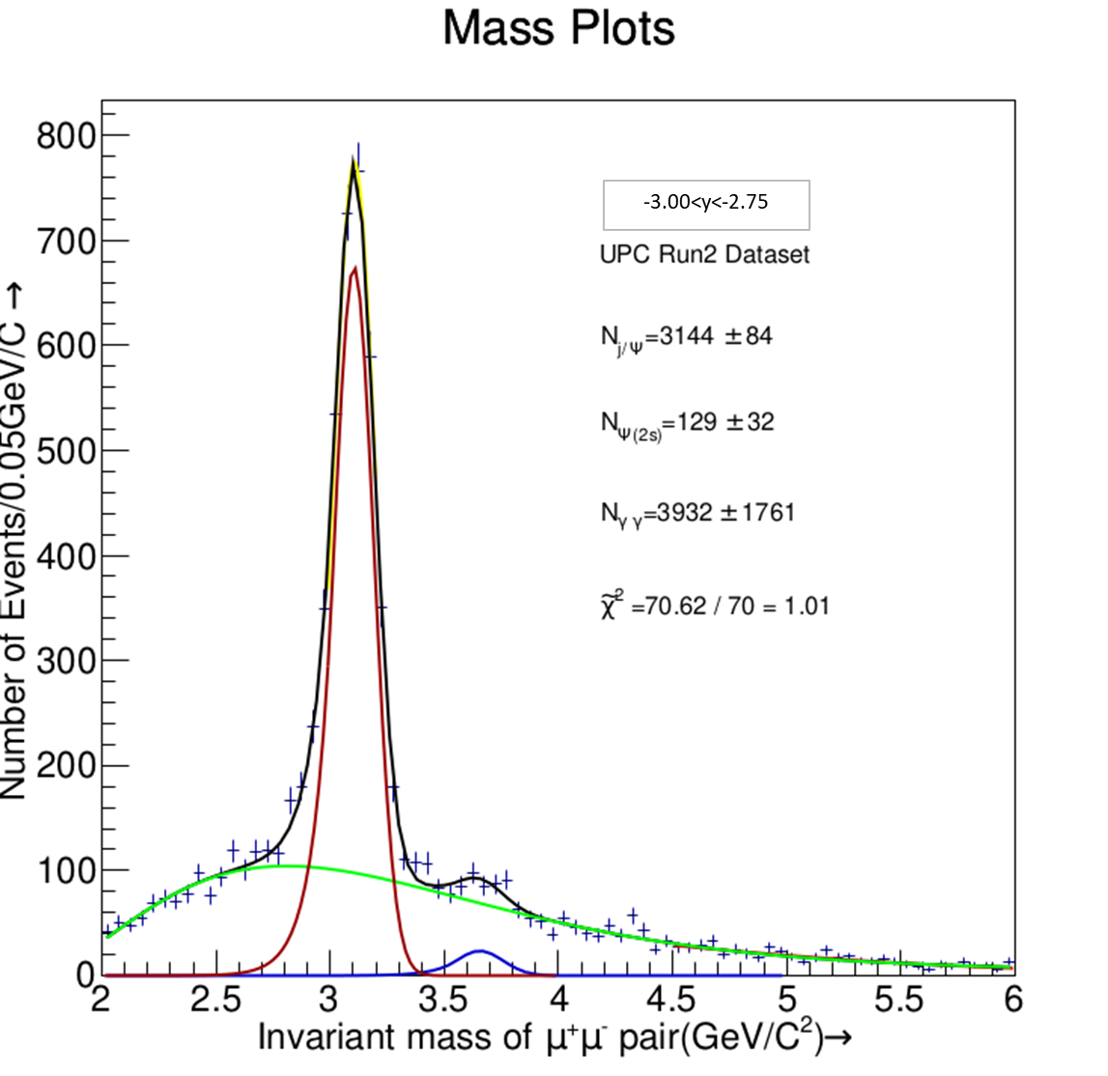
3.75-3.50 | 2251 | 2267 | 2302 | 0.70577856198 | 2.2154648132
3.50-3.25 | 4235 | 4185 | 4324 | -1.1947431302 | 2.058279371
3.25-3.00 | 4659 | 4579 | 4670 | -1.7471063551 | 0.23554603854
3.00-2.75 | 3144 | 3008 | 3095 | -4.5212765957 | -1.5831987076
2.75-2.50 | 827 | 779 | 817 | -6.161745828 | -1.2239902081
 | 15773 | 15481 | 15892

theta
 |  |  | 0.080000

Helicity Frame_Cos theta

Bin | CosTheta /Helicity | Bin | Yeild/Simone | Error | Yeild/Amrit | Error | Average/Bin | % change from yeild
0.60000 | -0.6 | -0.52 | 191 | 21 | 238 | 4 | -0.56 | -24.727288855
0.52000 | -0.52 | -0.44 | 601 | 30 | 645 | 39 | -0.48 | -7.3060762786
0.44000 | -0.44 | -0.36 | 1082 | 39 | 1100 | 50 | -0.4 | -1.6460825456
0.36000 | -0.36 | -0.28 | 1457 | 45 | 1522 | 58 | -0.32 | -4.4485327676
0.28000 | -0.28 | -0.2 | 1838 | 50 | 1973 | 65 | -0.24 | -7.3674255246
0.20000 | -0.2 | -0.12 | 2131 | 64 | 2226 | 71 | -0.16 | -4.4372204827
0.12000 | -0.12 | -0.04 | 2333 | 57 | 2530 | 76 | -0.08 | -8.4417700024
0.04000 | -0.04 | 0.04 | 2532 | 76 | 2574 | 77 | 5.2041704279E-17 | -1.6463881284
-0.04000 | 0.04 | 0.12 | 2459 | 59 | 2427 | 75 | 0.08 | 1.3036363062
-0.12000 | 0.12 | 0.2 | 2169 | 55 | 2223 | 71 | 0.16 | -2.4684180622
-0.20000 | 0.2 | 0.28 | 1781 | 50 | 1791 | 66 | 0.24 | -0.57274169857
-0.28000 | 0.28 | 0.36 | 1449 | 57 | 1459 | 57 | 0.32 | -0.67566061383
-0.36000 | 0.36 | 0.44 | 1044 | 39 | 1175 | 52 | 0.4 | -12.507267389
-0.44000 | 0.44 | 0.52 | 609 | 37 | 680 | 41 | 0.48 | -11.657891907
-0.52000 | 0.52 | 0.6 | 163 | 22 | 219 | 9 | 0.56 | -34.542948109
-0.60000 | 0.6 |  | 21839 | 701 | 22780.719729 |  | Average Change | -8.0761384039

Helicity Frame_Cos theta
Bin | CosTheta /ColinSoper | Bin | Yeild/Simone | Error | Yeild/Amrit | Error | Average/Bin | %change from yeild
0.60000 | -0.60 | -0.52 | 191 | 21 | 229 | 4 | -0.56 | -19.640513421
0.52000 | -0.52 | -0.44 | 600 | 30 | 638 | 39 | -0.48 | -6.3989915315
0.44000 | -0.44 | -0.36 | 1080 | 39 | 1149 | 50 | -0.4 | -6.3522617095
0.36000 | -0.36 | -0.28 | 1456 | 45 | 1483 | 59 | -0.32 | -1.8292787449
0.28000 | -0.28 | -0.20 | 1839 | 51 | 1962 | 64 | -0.24 | -6.7125859845
0.20000 | -0.20 | -0.12 | 2131 | 67 | 2299 | 72 | -0.16 | -7.9018534141
0.12000 | -0.12 | -0.04 | 2335 | 58 | 2281 | 5 | -0.08 | 2.3270549921
0.04000 | -0.04 | 0.04 | 2532 | 76 | 2589 | 77 | 5.2041704279E-17 | -2.2576184457
-0.04000 | 0.04 | 0.12 | 2461 | 59 | 2442 | 76 | 0.08 | 0.75813441826
-0.12000 | 0.12 | 0.20 | 2167 | 55 | 2171 | 71 | 0.16 | -0.16338877909
-0.20000 | 0.20 | 0.28 | 1781 | 50 | 1811 | 64 | 0.24 | -1.6896957103
-0.28000 | 0.28 | 0.36 | 1449 | 63 | 1475 | 58 | 0.32 | -1.8056885156
-0.36000 | 0.36 | 0.44 | 1043 | 39 | 1153 | 51 | 0.4 | -10.561434893
-0.44000 | 0.44 | 0.52 | 609 | 37 | 673 | 42 | 0.48 | -10.567490848
-0.52000 | 0.52 | 0.60 | 163 | 22 | 202 | 7 | 0.56 | -23.657153148
-0.60000 | 0.60 |  | 21837 | 712 | 22557 | 740 | 0.3 | -6.4301843823
 |  |  |  |  |  |  | Average Change

phi
Analysis Calculation
Bin | Phi /Helicity | Bin | Yeild/Simone | Error | Yeild/Amrit | Error | Average/Bin
3.140 | -3.140 | -2.889 | 1045 | 40 | 1242 | 54 | -3.0144 | -18.842836769
2.889 | -2.889 | -2.638 | 984 | 38 | 1044 | 49 | -2.7632 | -6.1407386327
2.638 | -2.638 | -2.386 | 807 | 40 | 876 | 43 | -2.512 | -8.5837312647
2.386 | -2.386 | -2.135 | 758 | 38 | 747 | 42 | -2.2608 | 1.3962830585
2.135 | -2.135 | -1.884 | 756 | 34 | 753 | 39 | -2.0096 | 0.45856556212
1.884 | -1.884 | -1.633 | 745 | 33 | 689 | 39 | -1.7584 | 7.4861625269
1.633 | -1.633 | -1.382 | 701 | 32 | 668 | 38 | -1.5072 | 4.6608134291
1.382 | -1.382 | -1.130 | 734 | 40 | 691 | 39 | -1.256 | 5.8995320895
1.130 | -1.130 | -0.879 | 825 | 31 | 685 | 40 | -1.0048 | 16.925736274
0.879 | -0.879 | -0.628 | 882 | 32 | 814 | 42 | -0.7536 | 7.7539614935
0.628 | -0.628 | -0.377 | 1025 | 33 | 930 | 45 | -0.5024 | 9.2377860465
0.377 | -0.377 | -0.126 | 1146 | 35 | 1034 | 50 | -0.2512 | 9.7587928985
0.126 | -0.126 | 0.126 | 1114 | 38 | 1018 | 49 | -1E-15 | 8.6177348181
-0.126 | 0.126 | 0.377 | 1051 | 40 | 1074 | 50 | 0.2512 | -2.1640921632
-0.377 | 0.377 | 0.628 | 992 | 42 | 990 | 48 | 0.5024 | 0.22512663163
-0.628 | 0.628 | 0.879 | 829 | 50 | 873 | 44 | 0.7536 | -5.2798849454
-0.879 | 0.879 | 1.130 | 739 | 38 | 852 | 44 | 1.0048 | -15.256151098
-1.130 | 1.130 | 1.382 | 784 | 43 | 845 | 42 | 1.256 | -7.7348057378
-1.382 | 1.382 | 1.633 | 647 | 40 | 765 | 42 | 1.5072 | -18.242154719
-1.633 | 1.633 | 1.884 | 762 | 41 | 895 | 45 | 1.7584 | -17.442511512
-1.884 | 1.884 | 2.135 | 702 | 30 | 853 | 43 | 2.0096 | -21.558908092
-2.135 | 2.135 | 2.386 | 736 | 32 | 929 | 47 | 2.2608 | -26.156734362
-2.386 | 2.386 | 2.638 | 922 | 40 | 1056 | 50 | 2.512 | -14.57828306
Analysis Calculation
-2.638 | 2.638 | 2.889 | 1005 | 40 | 1176 | 52 | 2.7632 | -17.064666383
-2.889 | 2.889 | 3.140 | 1080 | 36 | 1338 | 56 | 3.0144 | -23.916957975
-3.140 | 3.140 | 0.000 | 19742 | 858 | 20552 | 1030 | Average Change | -4.4427084963

Bin | Phi /CollinSoper | Bin | Yeild/Simone | Error | Yeild/Amrit | Error | Average/Bin | %change in yeild
3.140 | -3.140 | -2.889 | 1046 | 40 | 1243 | 54 | -3.0144 | -18.813641615
2.889 | -2.889 | -2.638 | 988 | 38 | 1055 | 49 | -2.7632 | -6.7752750643
2.638 | -2.638 | -2.386 | 802 | 34 | 865 | 43 | -2.512 | -7.8501716388
2.386 | -2.386 | -2.135 | 760 | 33 | 753 | 42 | -2.2608 | 0.87946076032
2.135 | -2.135 | -1.884 | 755 | 32 | 742 | 39 | -2.0096 | 1.7535897077
1.884 | -1.884 | -1.633 | 753 | 40 | 702 | 39 | -1.7584 | 6.8224212852
1.633 | -1.633 | -1.382 | 689 | 31 | 651 | 38 | -1.5072 | 5.480515665
1.382 | -1.382 | -1.130 | 731 | 32 | 690 | 39 | -1.256 | 5.6413180677
1.130 | -1.130 | -0.879 | 817 | 33 | 694 | 40 | -1.0048 | 15.051694085
0.879 | -0.879 | -0.628 | 875 | 35 | 813 | 42 | -0.7536 | 7.1128141871
0.628 | -0.628 | -0.377 | 1025 | 38 | 937 | 45 | -0.5024 | 8.5934542241
0.377 | -0.377 | -0.126 | 1114 | 40 | 1026 | 49 | -0.2512 | 7.9027370525
0.126 | -0.126 | 0.126 | 1114 | 42 | 1019 | 49 | -1E-15 | 8.5635494855
-0.126 | 0.126 | 0.377 | 1050 | 50 | 1068 | 50 | 0.2512 | -1.746269756
-0.377 | 0.377 | 0.628 | 990 | 38 | 998 | 48 | 0.5024 | -0.75894474943
-0.628 | 0.628 | 0.879 | 844 | 43 | 880 | 44 | 0.7536 | -4.2689933844
-0.879 | 0.879 | 1.130 | 723 | 40 | 851 | 44 | 1.0048 | -17.658036461
-1.130 | 1.130 | 1.382 | 787 | 41 | 836 | 42 | 1.256 | -6.2457586674
-1.382 | 1.382 | 1.633 | 650 | 30 | 773 | 41 | 1.5072 | -18.891537802
-1.633 | 1.633 | 1.884 | 766 | 32 | 897 | 44 | 1.7584 | -17.040088046
-1.884 | 1.884 | 2.135 | 697 | 40 | 842 | 44 | 2.0096 | -20.770331893
-2.135 | 2.135 | 2.386 | 744 | 40 | 930 | 46 | 2.2608 | -24.984798911
-2.386 | 2.386 | 2.638 | 921 | 36 | 1055 | 50 | 2.512 | -14.523753997
-2.638 | 2.638 | 2.889 | 1002 | 47 | 1178 | 52 | 2.7632 | -17.543690815
-2.889 | 2.889 | 3.140 | 1080 | 40 | 1337 | 58 | 3.0144 | -23.7978344
-3.140 | 3.140 | 0.000 | 21723 | 945 | 22832 | 1133 |  | -4.586239095

tildephi
Bin | Tilde Phi /Helicity | Bin | Yeild/Simone | Error | Yeild/Amrit | Error | Average/Bin | %difference in my yeild
0.000 | 0.000 | 0.251 | 742 | 41 | 879 | 45 | 0.1256 | -18.420363744
-0.251 | 0.251 | 0.502 | 867 | 44 | 998 | 47 | 0.3768 | -15.106636174
-0.502 | 0.502 | 0.754 | 811 | 43 | 1006 | 49 | 0.628 | -24.051780483
-0.754 | 0.754 | 1.005 | 863 | 35 | 1070 | 48 | 0.8792 | -24.024514155
-1.005 | 1.005 | 1.256 | 842 | 35 | 994 | 47 | 1.1304 | -18.018579262
-1.256 | 1.256 | 1.507 | 753 | 41 | 874 | 44 | 1.3816 | -16.135221651
-1.507 | 1.507 | 1.758 | 796 | 34 | 894 | 47 | 1.6328 | -12.344372913
-1.758 | 1.758 | 2.010 | 942 | 46 | 974 | 46 | 1.884 | -3.4371046961
-2.010 | 2.010 | 2.261 | 917 | 46 | 977 | 48 | 2.1352 | -6.5058820867
-2.261 | 2.261 | 2.512 | 900 | 45 | 957 | 46 | 2.3864 | -6.3586777692
-2.512 | 2.512 | 2.763 | 922 | 36 | 922 | 45 | 2.6376 | -0.010152448171
-2.763 | 2.763 | 3.014 | 855 | 35 | 813 | 42 | 2.8888 | 4.8992582689
-3.014 | 3.014 | 3.266 | 874 | 35 | 849 | 42 | 3E+00 | 2.8735915294
-3.266 | 3.266 | 3.517 | 882 | 36 | 824 | 43 | 3.3912 | 6.5580119736
-3.517 | 3.517 | 3.768 | 984 | 47 | 935 | 46 | 3.6424 | 5.0115788255
-3.768 | 3.768 | 4.019 | 960 | 37 | 944 | 46 | 3.8936 | 1.6351261221
-4.019 | 4.019 | 4.270 | 894 | 46 | 846 | 43 | 4.1448 | 5.3499830873
-4.270 | 4.270 | 4.522 | 944 | 36 | 944 | 47 | 4.396 | 0.017688679459
-4.522 | 4.522 | 4.773 | 823 | 43 | 806 | 43 | 4.6472 | 2.0637835154
-4.773 | 4.773 | 5.024 | 897 | 35 | 887 | 46 | 4.8984 | 1.0789734604
-5.024 | 5.024 | 5.275 | 915 | 36 | 889 | 45 | 5.1496 | 2.819870231
-5.275 | 5.275 | 5.526 | 884 | 36 | 859 | 45 | 5.4008 | 2.8515157242
-5.526 | 5.526 | 5.778 | 896 | 36 | 915 | 46 | 5.652 | -2.09697536
-5.778 | 5.778 | 6.029 | 827 | 34 | 892 | 46 | 5.9032 | -7.8534497958
-6.029 | 6.029 | 6.280 | 801 | 33 | 897 | 45 | 6.1544 | -11.943545174
-6.280 | 6.280 | 0.000 | 21791 | 971 | 22845.758861 | 1136.1782025 |  | -5.2459149717

 |  |  |  |  |  |  |  | -0.233

Bin | Tilde Phi /CollinSoper | Bin | Yeild/Simone | Error | Yeild/Amrit | Error | Average/Bin
0.000 | 0.000 | 0.251 | 784 | 42 | 937 | 46 | 0.1256 | -19.567074797
-0.251 | 0.251 | 0.502 | 953 | 46 | 1080 | 50 | 0.3768 | -13.334068218
-0.502 | 0.502 | 0.754 | 848 | 44 | 1051 | 51 | 0.628 | -23.9419104
-0.754 | 0.754 | 1.005 | 912 | 36 | 1136 | 50 | 0.8792 | -24.613674334
-1.005 | 1.005 | 1.256 | 877 | 35 | 1008 | 47 | 1.1304 | -14.910414199
-1.256 | 1.256 | 1.507 | 776 | 41 | 901 | 45 | 1.3816 | -16.085039003
-1.507 | 1.507 | 1.758 | 789 | 34 | 874 | 45 | 1.6328 | -10.713986987
-1.758 | 1.758 | 2.010 | 916 | 35 | 931 | 45 | 1.884 | -1.6611867169
-2.010 | 2.010 | 2.261 | 876 | 35 | 950 | 46 | 2.1352 | -8.477236693
-2.261 | 2.261 | 2.512 | 857 | 44 | 897 | 44 | 2.3864 | -4.6240920605
-2.512 | 2.512 | 2.763 | 864 | 35 | 874 | 46 | 2.6376 | -1.1786209723
-2.763 | 2.763 | 3.014 | 801 | 33 | 762 | 42 | 2.8888 | 4.9187268214
-3.014 | 3.014 | 3.266 | 809 | 34 | 795 | 40 | 3E+00 | 1.7394848273
-3.266 | 3.266 | 3.517 | 829 | 35 | 779 | 41 | 3.3912 | 6.0199202246
-3.517 | 3.517 | 3.768 | 917 | 45 | 871 | 44 | 3.6424 | 5.0417563062
-3.768 | 3.768 | 4.019 | 911 | 36 | 895 | 45 | 3.8936 | 1.7634242113
-4.019 | 4.019 | 4.270 | 869 | 45 | 847 | 43 | 4.1448 | 2.5381173846
-4.270 | 4.270 | 4.522 | 900 | 36 | 895 | 45 | 4.396 | 0.51872884679
-4.522 | 4.522 | 4.773 | 814 | 43 | 781 | 41 | 4.6472 | 4.1099787806
-4.773 | 4.773 | 5.024 | 913 | 35 | 894 | 46 | 4.8984 | 2.0490991002
-5.024 | 5.024 | 5.275 | 955 | 37 | 927 | 45 | 5.1496 | 2.9671257785
-5.275 | 5.275 | 5.526 | 926 | 36 | 889 | 46 | 5.4008 | 4.012482863
-5.526 | 5.526 | 5.778 | 943 | 37 | 943 | 46 | 5.652 | -0.036053357567
-5.778 | 5.778 | 6.029 | 902 | 36 | 980 | 48 | 5.9032 | -8.6034695239
-6.029 | 6.029 | 6.280 | 846 | 34 | 944 | 47 | 6.1544 | -11.565164451
-6.280 | 6.280 | 0.000 | 21787 | 949 | 22840 | 1135 |  | -4.9453258627

