problem 1
1. During the 1980s, the general consensus is that about 5% of the nation’s children had autism. Some claimed that increases certain chemicals in the environment has led to an increase in autism.
(a) Write an appropriate hypothesis test for this situation.
(b) Give an appropriate test for this hypothesis, stating what are the necessary conditions for performing the test.
(c) A recent study examined 384 children and found that 46 showed signs of autism. Perform a testof the hypothesis and state the p-value.
(d) What are your conclusions? State how you use the p-value.

Solution:

Step1: stating the null and alternate hypothesis

H0: 5% nation's children suffering from autism |  | i.e. | H0: p=0.05
HA:more than 5% nation's children suffering from Autism |  |  | HA: p>0.05

Step2: Hypothesis test

proportion z-test is applicable for the given problem and the test will be right-tailed test.

step3: Significance level

let the significance level for given problem be 5%.
 |  |  |  | 5% significance level.
Step4:Decision rule
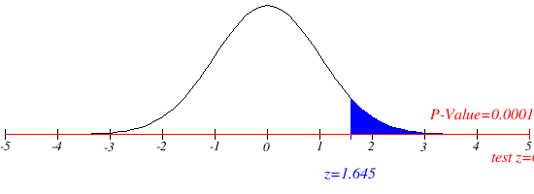
if z-value > critical value, reject null hypothesis.
for p-value; p-value < significance value, reject null hypothesis.

Step5: Gathering data
sample size (n) = 384

$=\frac{46}{384}=0.1197916666666667$=0.1198(approx.)
sample proportion | p-cap

$$z_{0.95}$$
population proportion p=0.05
$$=1.645$$
Step6: Analysing data
$$z−value=(p−cap−p)/\sqrt{(p∗q)/n}$$
$=(0.1198−0.05)/$ $\sqrt{(0.05∗0.95)/384}$
$$=6.275(approx.)$$

p-value = 0.000.

Step7: Statistical conclusion

z-value>critical value(1.645), null hypothesis is rejected.
or
p-value < significance value, null hypothesis is rejected.
Step8: Bussiness Action

more than 5% of nation's children are suffering from autism.

problem 2
2. A company with a fleet of 150 cars found that the emission system of 7 our of the 22 cars tested failed to meet pollution guidelines.
(a) Write a hypothesis to test if more than 20% of the entire fleet might be out of compliance.
(b) Test the hypothesis based on the binomial distribution and report a p-value.
Is the test significant at the 10%, 5%, 1% level?

solution:

step1: stating the hypothsis

null hypothesis: less than or equal to 20% of the entire car fleet is out of poluution guidelines
alternate hypothesis: more than 20% of the entire car fleet is out of pollution compliance.
i.e H0: P≤0.2
HA:P>0.2 where P=population proportion.

step 2:determine the appropriate statistical test

proportion z-test is performed and the test will be right-tailed.

step3:set the value of significance level

α= 0.1, 0.05, 0.01

step4: establish the decision rule

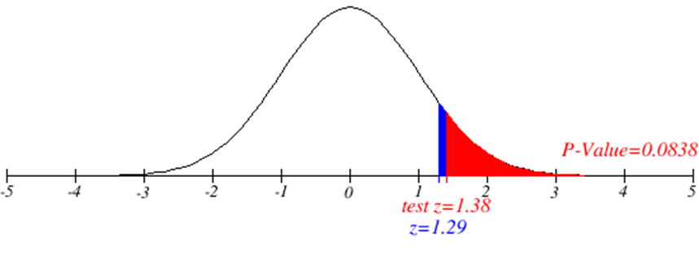
critical value: if ststistical value is greather than the critical value than we reject the null hypothesis. |  | 10% significance level
p-value: if p-value is less than α(significance level) than we reject the null hypothesis.

step5: gather the data
$$\hat{p}=\frac{7}{22}=0.3181$$
sample proportion:

population proportion: | p=0.2
sample size ( n ) =22 |  | 5% significane level

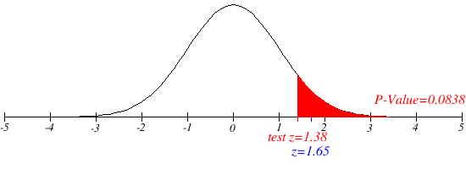
z-critical value corresponding to 10%, 5%, 1% significance level
$$z_{0.9}=1⋅29$$
$$z_{0⋅99}=2⋅33$$
$$z_{0⋅95}=1⋅65$$
 | (since the test is right tail, so 1-0.1=0.9,…)

step6: analyze the data

$$\frac{\hat{P}−p}{\sqrt{\frac{p⋅\left(1−p\right)}{n}}}$$
$$=(0.3181−0.2)/\sqrt{(0.2∗0.8)/22}$$
$$=1.38$$
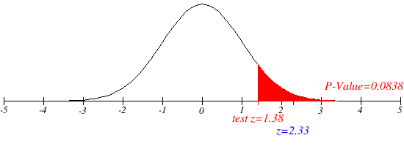
 |  | 1% significance level
z-value =

p-value:
p- value corresponding to 1.38(z-value) : 0.0838

step 7:reach a stsaistical conclusion
as per critical value approch we reject the null hypothesis as per critical value at 10% significance level
but null hypothesis is accepted at 5% & 1% significance level.
or
as per p-value approch we reach the same conclusion i.e.null hypothesis is rejected at 10% significance level but accepted at 5% & 1% significance level.

step8: Bussiness implication

the hypothesis test is significant at 10% but not significant at 5% and 1% significance level.

problem 3
3. National data in the 1960s showed that about 44% of the adult population had never smoked.
(a) State a null and alternative hypothesis to test that the fraction of the 1995 population of adults that had never smoked had increased.
(b) A national random sample of 891 adults were interviewed and 463 stated that they had neversmoked. Perform a z-test of the hypothesis and give an approriate p-value.
(c) Create a 98% confidence interval for the proportion of adults who had never been smokers.
(d) Give the value of the power function π(p) for p = 0.46,0.48,0.50,0.52 with the choice of α = 0.02 and a “greater than” alternative hypothesis.
(e) Compute the power function for these values if we increase the sample to 1600. Explain why thesevalues increased.

Solution:

Step1: stating the null and alternate hypothesis

H0: adullts who don't smoke is 44% | i.e. | H0:p=0.44
HA:adults who don't smoke is more than 44%. |  | HA:p>0.44

Step2: Hypothesis test

proportion z-test is applicable for the given problem and the test will be right-tailed test.

step3: Significance level

given confidence level is 98%, therefore significance level will be 1-0.98 i.e. 2%

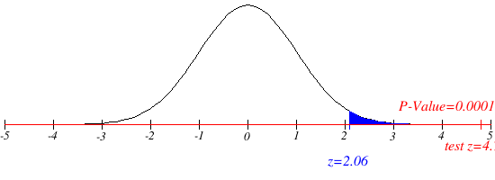
Step4:Decision rule
 |  |  | 2% significant level
if z-value > critical value, reject null hypothesis.
for p-value; p-value < significance value, reject null hypothesis.

Step5: Gathering data

$=\frac{463}{891}$=0.5196408529741863=0.5196(approx.)
sample size (n) : 891
sample proportion p-cap

$$z_{0⋅98}$$
population proportion p=0.44
$$=2.06$$

Step6: Analysing data

$$z−value=(p−cap−p)/\sqrt{(p∗q)/n}$$
$$=(0.5196−0.44)/\sqrt{(0.44∗0.56)/891}$$
$$=4.7866488=4.787\left(approx.\right)$$

p-value= 0.00

Step7: Statistical conclusion

null hypothesis is rejected in both cases i.e. z-value and p-value.

Step8: Bussiness Action
Alternate hypothesis is accepted.
Number of non-somkers have incresed over time,

problem 4
4. One of the lenses in your supply is suspected to have a focal length f of 9.1cm rather than the 9cm claimed by the manufacturer.
(a) Write an appropriate hypothesis test for this situation.
(b) The focal length f is determined by using the thin lens formula,
.

Here s1 is the distance from the lens to the object and s2 is the distance from the lens to the real image of the object. The distances s1 and s2 are each independently measured 25 times.
The sample mean of the measurements is S¯1 = 26.6 centimeters and S¯2 = 13.8 centimeters, respectively. The standard deviation of the measurement is 0.1cm for s1 and 0.5cm for s2.
Give an estimate fˆ based on these measurements and the thin lens formula.
(c) Use the delta method to give the standard deviation of fˆ.
(d) Use this to devise a z-test for the hypothesis and report a p-value for the test. |  |  |  | s1 | s2 | f | f
 |  |  |  | 26.601311646 | 13.06568025 | 8.7620516602
Step1: stating the null and alternate hypothesis |  |  |  | 26.664903539 | 13.919002545 | 9.145222726 | Mean | 9.0859444486
 |  |  |  | 26.484067236 | 14.080963769 | 9.1931691403 | Standard Error | 0.045076328189
null hypothesis: mean focal length is 9.0 | i.e. | H0:µ=9.0 |  | 26.5110001 | 14.147870758 | 9.2249045573 | Median | 9.1077365556
alternate hypothesis: mean focal length is greather than 9.0cm |  | HA:µ>9.0 |  | 26.574569582 | 12.964288888 | 8.713463425 | Standard Deviation | 0.22538164095
 |  |  |  | 26.554553285 | 14.535682056 | 9.3936805299 | Sample Variance | 0.050796884075
Step2: Hypothesis test |  |  |  | 26.476063567 | 13.883721319 | 9.1077365556 | Kurtosis | -0.29382536706
 |  |  |  | 26.668804946 | 13.802790415 | 9.0953648355 | Skewness | -0.51327078503
we will perform a t-test and test performed will be right-tailed test. |  |  |  | 26.620314396 | 13.405365608 | 8.9156523274 | Range | 0.79266749686
(t-test, as sample size is small and |  |  |  | 26.649745664 | 13.620914304 | 9.0138553031 | Minimum | 8.6207288957
step3: Significance level |  |  |  | 26.647498058 | 13.651315399 | 9.026901027 | Maximum | 9.4133963926
 |  |  |  | 26.394132458 | 13.85044258 | 9.0837191277 | Sum | 227.14861121
let the type I error rate i.e. significance level be 5% |  |  |  | 26.54450724 | 13.971246717 | 9.1534729927 | Count | 25
 |  |  |  | 26.461157684 | 14.611265493 | 9.4133963926
Step4:Decision rule |  |  |  | 26.539593503 | 14.53850021 | 9.3929842125
 |  |  |  | 26.818695155 | 13.689366832 | 9.0631577498
if t-value > t-critical reject null hypothesis. |  |  |  | 26.56493883 | 14.499504273 | 9.3798531034
 |  |  |  | 26.716892698 | 13.812649633 | 9.1052367457
Step5: Gathering data |  |  |  | 26.493173557 | 13.958185492 | 9.1417603627
sample size n: 25 |  |  |  | 26.411353004 | 12.919970487 | 8.6758814871
degree of freedom df: n-1=25-1=24 |  |  |  | 26.425238085 | 12.794781991 | 8.6207288957
$\overline{x}$(sample mean) =9.0859 cm
 |  |  |  | 26.788032366 | 14.348671392 | 9.3437888441
population mean=9.0cm |  |  |  | 26.631370851 | 13.878741195 | 9.1238924072
$t_{0.95}$=1.711
sample standerd deviation s:0.225 cm. |  |  |  | 26.692646758 | 14.019824311 | 9.1919308287
 |  |  |  | 26.523902179 | 13.319420799 | 8.8668059778

Step6: Analysing data |  |  | 5% significance level

$=(9.0859−$9)/(0.225/$\sqrt{25})=1.9089(approx.)$
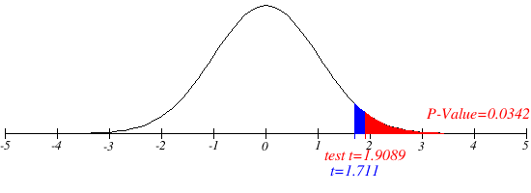

Step7: Statistical conclusion

since t-value>t-critical, reject null hypothesis.
p-value(0.0342)<0.05(significant level), reject null hypothesis.

Step8: Bussiness Action
alternate hypothesis is accepted.
The manufacturer is not able to give accurate lenes, user should look for other manufacturer for proper&accurate lenes.

problem 5
5. The body temperature in degrees Fahrenheit of 52 randomly chosen healthy adults is measured with the following summary of the data:
 | n = 52, | x¯ = 98.2846 | s = 0.6824.
(a) Are the necessary conditions for constructing a valid t-interval satisfied? Explain.
(b) Find a 98% confidence interval for the mean body temperature and explain its meaning.
(c) Give a two-side hypothesis test for a mean body temperature of 98.6° Fahrenheit and use the information above to evaluate a test with significance level α = 0.02.
(d) Find the power of the test at the parameter value µ = 98.2 and indicate this value using the cutoff value for the test and drawing the sample distribution for the null and alternative hypothesis.

Step1: stating the null and alternate hypothesis

null hypothesis: normal body temperature is 98.6 |  |  |  | i.e. | H0:µ=98.6
alternate hypothesis: normal body temperature is not equal to 98.6 |  |  |  |  | HA:µ≠98.6

Step2: Hypothesis test

we will perform a t-test and it will be a 2-tailed test(since population s.d. is unknown)

step3: Significance level

significant level as mentioned in the problem is 2% i.e.0.02

Step4:Decision rule

if t-value>t-critical, reject null hypothesis.
if p-value<significant level, reject null hypothesis

Step5: Gathering data

n = 52, | x¯ = 98.2846 | s = 0.6824.
df=n-1=52-1=51
t(51,0.02)=2.4002
https://www.omnicalculator.com/statistics/critical-value |  |  |  |  |  | 2% significance level

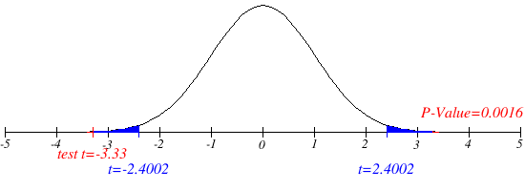
Step6: Analysing data

Step7: Statistical conclusion

since I t-value I>I t-critical I , reject null hypothesis
or
p-value<significant level, reject null hypothesis.

Step8: Bussiness Action

mean body temperature is not 98.6 °F.

problem 6
6. Drivers of cars calling for regular gas sometimes call for premium in the hopes that it will improve gas mileage.
Here a rental car company takes 10 randomly chosen cars in its fleet and runs a tank of gas according to a coin toss, runs a tank of gas of each type.
Car # | 1 | 2 | 3 | 4 | 5 | 6 | 7 | 8 | 9 | 10
Regular | 16 | 20 | 21 | 22 | 23 | 22 | 27 | 25 | 27 | 28
Premium | 19 | 22 | 24 | 24 | 25 | 25 | 26 | 26 | 28 | 32
(a) Write an appropriate hypothesis test for this situation and state the testing procedure appropriate to this circumstance.
(b) Compute the necessary summary statistics for the test in part (a).
(c) Perform the t-test and report the p-value. |  |  |  |  |  |  | Regular |  | Premium
(d) Compare your result to that of a two sample t-test.
 |  |  |  |  |  |  | Mean | 23.1 | Mean | 25.1
Step1: stating the null and alternate hypothesis |  |  |  |  |  |  | Standard Error | 1.1780398031 | Standard Error | 1.0898521816
 |  |  |  |  |  |  | Median | 22.5 | Median | 25
null hypothesis: mean regular gas = mean of premium gas |  |  |  | i.e. | H0:µ1=µ2 |  | Mode | 22 | Mode | 24
alternate hypothesis: mean of regular gas≠ mean of premium gas |  |  |  |  | HA:µ1≠µ2 |  | Standard Deviation | 3.7252889523 | Standard Deviation | 3.4464152068
 |  |  |  |  |  |  | Sample Variance | 13.877777778 | Sample Variance | 11.877777778
Step2: Hypothesis test |  |  |  |  |  |  | Kurtosis | -0.13711804397 | Kurtosis | 1.5681344193
 |  |  |  |  |  |  | Skewness | -0.42038426075 | Skewness | 0.32204935928
we will perform t-test for 2 mean & the test will be a 2-tail test. |  |  |  |  |  |  | Range | 12 | Range | 13
 |  |  |  |  |  |  | Minimum | 16 | Minimum | 19
step3: Significance level |  |  |  |  |  |  | Maximum | 28 | Maximum | 32
 |  |  |  |  |  |  | Sum | 231 | Sum | 251
let the significance level be 5%(Type I error rate) |  |  |  |  | i.e. 0.05 |  | Count | 10 | Count | 10
since the test is a 2-tailed test, significant value will divided be in 2 region i.e. 0.025 in each region
Step4:Decision rule

if t-value > t-critical, reject null hypothesis
if p-value< significant level, reject null hypothesis.

Step5: Gathering data
Sample size (n):10
degree of freedom (df):18
t-critical(0.025,18): 2.101

Step6: Analysing data

we use t-test for 2 sample means in excel data analysis pack and get theresult

t-Test: Two-Sample Assuming Unequal Variances |  |  |  |  |  |  |  | 5% significant level

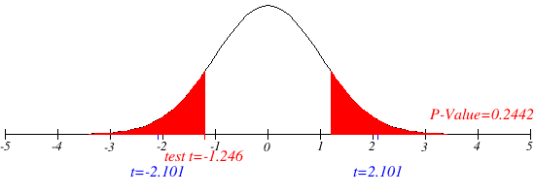
 | Regular | Premium
Mean | 23.1 | 25.1
Variance | 13.877777778 | 11.877777778
Observations | 10 | 10
Hypothesized Mean Difference | 0
df | 18
t Stat | -1.2462194772
P(T<=t) two-tail | 0.22865984861
t Critical two-tail | 2.1009220402

Step7: Statistical conclusion

since -2.101<t-value(-1.246)<2.101, we accept the null hypothesis

we get thecorresponding p-value:0.2442, which is greater than significance level 0.05
in this case also we accept the null hypothesis.

Step8: Bussiness Action

mean consumption of both type gases i.e. premium and regular based on coin toss is same.

problem 7
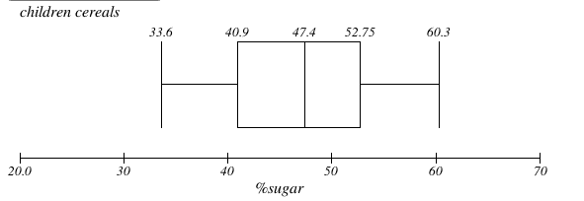
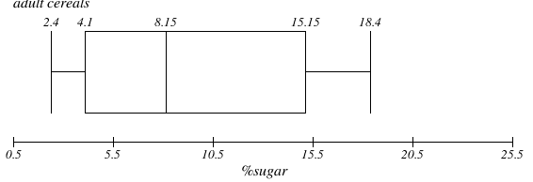
7. In this problem, we will examine the sugar content of several national brands of cereals, here measured as a percentage of weight.
children | cerels weight | 40.3 | 55 | 45.7 | 43.3 | 50.3 | 45.9 | 53.5 | 43 | 44.2 | 44
 | sugar% | 33.6 | 55.1 | 48.8 | 50.4 | 37.8 | 60.3 | 46.6 | 47.4 | 44
adult | cereals weight | 20 | 30.2 | 2.2 | 7.5 | 4.4 | 22.2 | 16.6 | 14.5 | 21.4 | 3.3 | 10 | 1 | 4.4 | 1.3 | 8.1
 | sugar% | 6.6 | 7.8 | 10.6 | 10.6 | 16.2 | 14.5 | 4.1 | 15.8 | 4.1 | 2.4 | 3.5 | 8.5 | 4.7 | 18.4
(a) Give a summary of these two data sets.
(b) Create side-by-side boxplots and interpret what you see.

Solution:
a. summary of the dataset;

children |  |  |  |  | adult
cereals weight |  | sugar% |  |  | cereals weight |  | sugar%
 |  |  |  |  | Mean | 11.14 | Mean | 9.1285714286
Mean | 46.52 | Mean | 47.111111111 |  | Standard Error | 2.3565066963 | Standard Error | 1.4245658128
Standard Error | 1.5244525429 | Standard Error | 2.7149506055 |  | Median | 8.1 | Median | 8.15
Median | 44.95 | Median | 47.4 |  | Mode | 4.4 | Mode | 10.6
Standard Deviation | 4.8207422204 | Standard Deviation | 8.1448518164 |  | Standard Deviation | 9.1267111898 | Standard Deviation | 5.3302371965
Sample Variance | 23.239555556 | Sample Variance | 66.338611111 |  | Sample Variance | 83.296857143 | Sample Variance | 28.411428571
Kurtosis | -0.46920119421 | Kurtosis | 0.01724779214 |  | Kurtosis | -0.60636622995 | Kurtosis | -1.191855122
Skewness | 0.81444625371 | Skewness | -0.13667343565 |  | Skewness | 0.69073668589 | Skewness | 0.45392512597
Range | 14.7 | Range | 26.7 |  | Range | 29.2 | Range | 16
Minimum | 40.3 | Minimum | 33.6 |  | Minimum | 1 | Minimum | 2.4
Maximum | 55 | Maximum | 60.3 |  | Maximum | 30.2 | Maximum | 18.4
Sum | 465.2 | Sum | 424 |  | Sum | 167.1 | Sum | 127.8
Count | 10 | Count | 9 |  | Count | 15 | Count | 14

Step1: stating the null and alternate hypothesis

Null hypothesis: mean sugar content of adult and children cerels is same |  |  |  |  | i.e. | H0:µ1=µ2 | µ1=children µ2=adult
Alternate hypothesis:mean sugar content for children≠ adult cerels sugar content |  |  |  |  |  | HA:µ1≠µ2

Step2: Hypothesis test

we will conduct a 2-sample t-test and the test will be 2 tailed test

step3: Significance level

let significance level 0.05 i.e. 5%

Step4:Decision rule

if t-value > t-critical, reject null hypothesis
ifp-value<significance level, reject null hypothesis

Step5: Gathering data

sample for sample (n1):9
sample for adult (n2):14

Step6: Analysing data

t-Test: Two-Sample Assuming Unequal Variances

 | children | adult
Mean | 47.111111111 | 9.1285714286
Variance | 66.338611111 | 28.411428571
Observations | 9 | 14
Hypothesized Mean Difference | 0
df | 12
t Stat | 12.388311423
P(T<=t) two-tail | 3.3886779931E-08
t Critical two-tail | 2.1788128297

Step7: Statistical conclusion

we reject the null hypothesis,
as t-vaue (12.389)> t-critical(2.179)

Step8: Bussiness Action

% weight of sugar in adult and children cerels are not same

b.making box plot
%sugar content for children |  |  |  | sugar% adult
33.6 |  |  |  | 2.4 |  | place no. present | number.
37.8 | q1(0.25*(n+1)) | 40.9 |  | 3.5 | q1 | 3.75 | 4.1
44 | q3(0.75*(n+1)) | 52.75 |  | 4.1 | q3 | 11.25 | 15.15
46.6 |  |  |  | 4.1
47.4 | median |  |  | 4.7
48.8 |  |  |  | 6.6
50.4 |  |  |  | 7.8 | median
55.1 |  |  |  | 8.5 | 8.15
60.3 |  |  |  | 10.6
 |  |  |  | 10.6
 |  |  |  | 14.5
 |  |  |  | 15.8
 |  |  |  | 16.2
 |  |  |  | 18.4

