Boruvka step 3
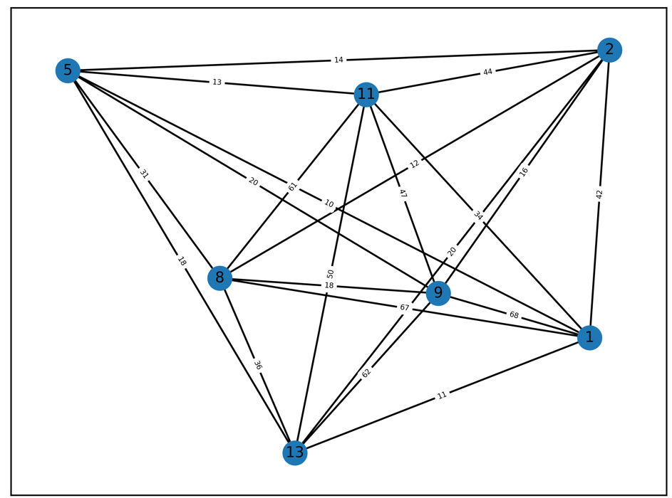
st70
 |  |  |  |  | 1 | 2 | 5 | 8 | 9 | 11 | 13
Boruvka step 3: |  |  |  | 1
 |  |  |  | 2 | 42
shortest edges |  | weight |  | 5 | 10 | 14
1 | 5 | 10 |  | 8 | 67 | 12 | 31
2 | 8 | 12 |  | 9 | 68 | 16 | 20 | 18
5 | 1 | 10 |  | 11 | 34 | 44 | 13 | 61 | 47
8 | 2 | 12 |  | 13 | 11 | 20 | 18 | 36 | 62 | 50
9 | 2 | 16
11 | 5 | 13
13 | 1 | 11

1 vs 5 |  |  |  |  | 2 vs 8 |  |  |  |  | 2 vs 9 |  |  |  | 1 vs 11 aka 5 vs 11 |  |  |  | 1 vs 13
2 | 1 | 42 | 14 |  | 1 | 2 | 14 | 14 |  | 1 | 2 | 14 | 14 | 2 | 1 | 14 | 14 | 2 | 1 | 14 | 14
2 | 5 | 14 |  |  | 1 | 8 | 31 |  |  | 1 | 9 | 20 |  | 2 | 11 | 44 |  | 2 | 13 | 20
8 | 1 | 67 | 31 |  | 9 | 2 | mst | 18 |  | 11 | 2 | 44 | 44 | 13 | 1 | 18 | 18
8 | 5 | 31 |  |  | 9 | 8 | 18 |  |  | 11 | 9 | 47 |  | 13 | 11 | 50 |  | delete node 13
9 | 1 | 68 | 20 |  | 11 | 2 | 44 | 44 |  | 13 | 2 | 20 | 20
9 | 5 | 20 |  |  | 11 | 8 | 61 |  |  | 13 | 9 | 62 |  | delete node 11
11 | 1 | 34 | 34 |  | 13 | 2 | 20 | 20
11 | 5 | mst |  |  | 13 | 8 | 36 |  |  | delete node 9
13 | 1 | mst | 18
13 | 5 | 18 |  |  | delete node 8

delete node 5

 |  |  |  |  | delete node 4

5 vs 7 |  |  |  |  | 5 vs 6 aka 6 vs 7 |  |  |  |  | 8 vs 11 |  |  |  | 1 vs 9 aka 9 vs 10 |  |  |  | 2 vs 13 aka 13 vs 14
0 | 5 | 83 | 68 |  | 0 | 5 | 68 | 47 |  | 0 | 8 | 175 | 175 | 0 | 1 | 287 | 287 | 0 | 2 | 191 | 145
0 | 7 | 68 |  |  | 0 | 6 | 47 |  |  | 0 | 11 | 240 |  | 0 | 9 | 439 |  | 0 | 13 | 145
1 | 5 | 208 | 208 |  | 1 | 5 | 208 | 208 |  | 1 | 8 | 338 | 338 | 2 | 1 | 110 | 110 | 1 | 2 | 110 | 110
1 | 7 | 250 |  |  | 1 | 6 | 292 |  |  | 1 | 11 | 421 |  | 2 | 9 | 240 |  | 1 | 13 | 184
2 | 5 | 112 | 112 |  | 2 | 5 | 112 | 112 |  | 2 | 8 | 372 | 372 | 5 | 1 | 208 | 208 | 5 | 2 | 112 | 105
2 | 7 | 154 |  |  | 2 | 6 | 196 |  |  | 2 | 11 | 437 |  | 5 | 9 | 360 |  | 5 | 13 | 105
6 | 5 | 63 | 63 |  | 8 | 5 | 249 | 232 |  | 5 | 8 | 232 | 232 | 8 | 1 | 338 | 338 | 8 | 2 | 372 | 326
6 | 7 | mst |  |  | 8 | 6 | 232 |  |  | 5 | 11 | 297 |  | 8 | 9 | 495 |  | 8 | 13 | 326
8 | 5 | 264 | 249 |  | 9 | 5 | 360 | 360 |  | 9 | 8 | 495 | 495 | 13 | 1 | 184 | 184 | 15 | 2 | 472 | 426
8 | 7 | 249 |  |  | 9 | 6 | 444 |  |  | 9 | 11 | 578 |  | 13 | 9 | 336 |  | 15 | 13 | 426
9 | 5 | 360 | 360 |  | 11 | 5 | 314 | 297 |  | 13 | 8 | 326 | 326 | 15 | 1 | 528 | 528 | 16 | 2 | 142 | 96
9 | 7 | 402 |  |  | 11 | 6 | 297 |  |  | 13 | 11 | 391 |  | 15 | 9 | 685 |  | 16 | 13 | 96
11 | 5 | 329 | 314 |  | 13 | 5 | 105 | 105 |  | 15 | 8 | 202 | 202 | 16 | 1 | 238 | 238
11 | 7 | 314 |  |  | 13 | 6 | 150 |  |  | 15 | 11 | mst |  | 16 | 9 | 390 |  | delete node 13
13 | 5 | 105 | 105 |  | 15 | 5 | 349 | 332 |  | 16 | 8 | 236 | 236
13 | 7 | 108 |  |  | 15 | 6 | 332 |  |  | 16 | 11 | 301 |  | delete node 9
15 | 5 | 364 | 349 |  | 16 | 5 | 35 | 35
15 | 7 | 349 |  |  | 16 | 6 | mst |  |  | delete node 11
16 | 5 | 35 | 35
16 | 7 | 36 |  |  | delete node 6

delete node 7

8 vs 15 aka 11 vs 15 |  |  |  |  | 5 vs 16 aka 6 vs 16
0 | 8 | 175 | 175 |  | 0 | 5 | 47 | 47
0 | 15 | 237 |  |  | 0 | 16 | 55
1 | 8 | 338 | 338 |  | 1 | 5 | 208 | 208
1 | 15 | 528 |  |  | 1 | 16 | 238
2 | 8 | 326 | 326 |  | 2 | 5 | 105 | 96 | error
2 | 15 | 426 |  |  | 2 | 16 | 96
5 | 8 | 232 | 232 |  | 8 | 5 | 232 | 232
5 | 15 | 332 |  |  | 8 | 16 | 236
16 | 8 | 236 | 236
16 | 15 | 336 |  |  | delete node 16

delete node 15

