Boruvka step 2
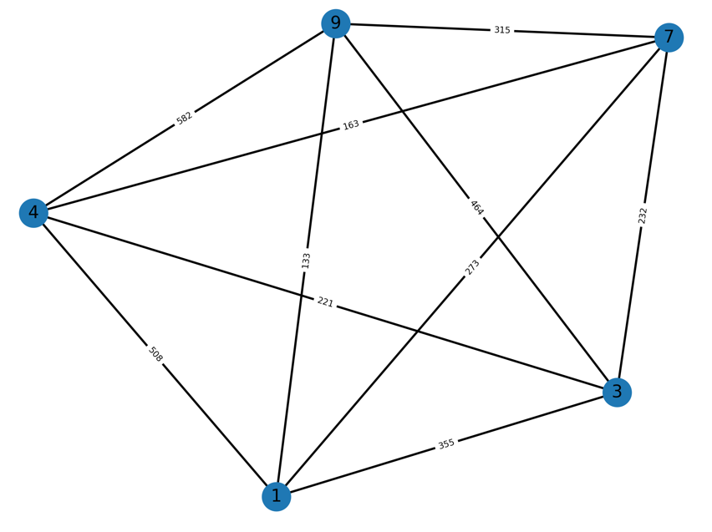
burma14
 |  |  |  |  | 1 | 3 | 4 | 7 | 9
Boruvka step 1: |  |  |  | 1
 |  |  |  | 3
shortest edges |  | weight |  | 4
1 | 9 | 133 |  | 7
3 | 4 | 221 |  | 9
4 | 7 | 163
7 | 4 | 163
9 | 1 | 133

1 vs 9 |  |  |  |  | 3 vs 4 |  |  |  |  | 3 vs 7 aka 4 vs 7
3 | 1 | 355 | 355 |  | 1 | 3 | 355 | 355 |  | 1 | 3 | 355 | 273
3 | 9 | 464 |  |  | 1 | 4 | 508 |  |  | 1 | 7 | 273
4 | 1 | 508 | 508 |  | 7 | 3 | 232 | 232
4 | 9 | 582 |  |  | 7 | 4 | mst |  |  | delete node 7
7 | 1 | 273 | 273
7 | 9 | 315 |  |  | delete node 4

delete node 9

1 - 7 in mst?

