Boruvka step 1
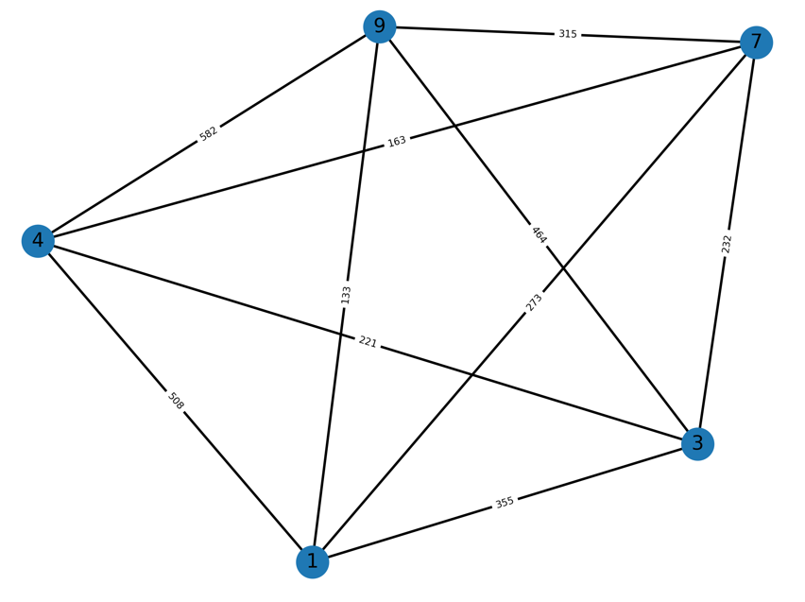
burma14
 |  |  |  |  | 1 | 2 | 3 | 4 | 5 | 6 | 7 | 8 | 9 | 10 | 11 | 12 | 13 | 14
Boruvka step 1: |  |  |  | 1
 |  |  |  | 2 | 153
shortest edges |  | weight |  | 3 | 510 | 422
1 | 8 | 70 |  | 4 | 706 | 664 | 289
2 | 1 | 153 |  | 5 | 966 | 997 | 744 | 491
3 | 14 | 211 |  | 6 | 581 | 598 | 390 | 265 | 400
4 | 12 | 259 |  | 7 | 455 | 507 | 437 | 410 | 514 | 168
5 | 6 | 400 |  | 8 | 70 | 197 | 491 | 664 | 902 | 522 | 389
6 | 12 | 19 |  | 9 | 160 | 311 | 645 | 804 | 990 | 634 | 482 | 154
7 | 13 | 124 |  | 10 | 372 | 479 | 880 | 1070 | 1261 | 910 | 757 | 406 | 276
8 | 1 | 70 |  | 11 | 157 | 310 | 618 | 768 | 947 | 593 | 439 | 133 | 43 | 318
9 | 11 | 43 |  | 12 | 567 | 581 | 374 | 259 | 418 | 19 | 163 | 508 | 623 | 898 | 582
10 | 9 | 276 |  | 13 | 342 | 417 | 455 | 499 | 635 | 284 | 124 | 273 | 358 | 633 | 315 | 275
11 | 9 | 43 |  | 14 | 398 | 376 | 211 | 310 | 636 | 239 | 232 | 355 | 498 | 761 | 464 | 221 | 247
12 | 6 | 19
13 | 7 | 124
14 | 3 | 211

8 vs 1 |  |  |  |  | 2 vs 1 |  |  |  |  | 3 vs 14 |  |  |  |  | 4 vs 12 |  |  |  | 5 vs 6
2 | 1 | mst | 197 |  | 3 | 1 | 491 | 422 |  | 1 | 3 | 491 | 355 |  | 1 | 4 | 664 | 508 | 1 | 5 | 902 | 522
2 | 8 | 197 |  |  | 3 | 2 | 422 |  |  | 1 | 14 | 355 |  |  | 1 | 12 | 508 |  | 1 | 6 | 522
3 | 1 | 510 | 491 |  | 4 | 1 | 664 | 664 |  | 4 | 3 | 289 | 289 |  | 3 | 4 | 289 | 221 | 3 | 5 | 636 | 239
3 | 8 | 491 |  |  | 4 | 2 | 664 |  |  | 4 | 14 | 310 |  |  | 3 | 12 | 221 |  | 3 | 6 | 239
4 | 1 | 706 | 664 |  | 5 | 1 | 902 | 902 |  | 5 | 3 | 744 | 636 |  | 5 | 4 | 491 | 418 | 4 | 5 | 491 | 265
4 | 8 | 664 |  |  | 5 | 2 | 997 |  |  | 5 | 14 | 636 |  |  | 5 | 12 | 418 |  | 4 | 6 | 265
5 | 1 | 966 | 902 |  | 6 | 1 | 522 | 522 |  | 6 | 3 | 390 | 239 |  | 6 | 4 | 265 | 265 | 7 | 5 | 514 | 168
5 | 8 | 902 |  |  | 6 | 2 | 598 |  |  | 6 | 14 | 239 |  |  | 6 | 12 | mst |  | 7 | 6 | 168
6 | 1 | 581 | 522 |  | 7 | 1 | 389 | 389 |  | 7 | 3 | 437 | 232 |  | 7 | 4 | 410 | 163 | 9 | 5 | 990 | 634
6 | 8 | 522 |  |  | 7 | 2 | 507 |  |  | 7 | 14 | 232 |  |  | 7 | 12 | 163 |  | 9 | 6 | 634
7 | 1 | 455 | 389 |  | 9 | 1 | 154 | 154 |  | 9 | 3 | 645 | 498 |  | 9 | 4 | 804 | 623 | 10 | 5 | 1261 | 910
7 | 8 | 389 |  |  | 9 | 2 | 311 |  |  | 9 | 14 | 498 |  |  | 9 | 12 | 623 |  | 10 | 6 | 910
9 | 1 | 160 | 154 |  | 10 | 1 | 372 | 372 |  | 10 | 3 | 880 | 761 |  | 10 | 4 | 1070 | 898 | 11 | 5 | 947 | 593
9 | 8 | 154 |  |  | 10 | 2 | 479 |  |  | 10 | 14 | 761 |  |  | 10 | 12 | 898 |  | 11 | 6 | 593
10 | 1 | 372 | 372 |  | 11 | 1 | 133 | 133 |  | 11 | 3 | 618 | 464 |  | 11 | 4 | 768 | 582 | 13 | 5 | 635 | 284
10 | 8 | 406 |  |  | 11 | 2 | 310 |  |  | 11 | 14 | 464 |  |  | 11 | 12 | 582 |  | 13 | 6 | 284
11 | 1 | 157 | 133 |  | 12 | 1 | 508 | 508 |  | 12 | 3 | 455 | 221 |  | 13 | 4 | 499 | 275
11 | 8 | 133 |  |  | 12 | 2 | 581 |  |  | 12 | 14 | 221 |  |  | 13 | 12 | 275 |  | delete node 6
12 | 1 | 567 | 508 |  | 13 | 1 | 273 | 273 |  | 13 | 3 | 211 | 211
12 | 8 | 508 |  |  | 13 | 2 | 417 |  |  | 13 | 14 | 247 |  |  | delete node 12
13 | 1 | 342 | 273 |  | 14 | 1 | 355 | 355
13 | 8 | 273 |  |  | 14 | 2 | 376 |  |  | delete node 14
14 | 1 | 398 | 355
14 | 8 | 355 |  |  | delete node 2

delete node 8

4 vs 5 aka 6 vs 12 |  |  |  |  | 7 vs 13 |  |  |  |  | 9 vs 11 |  |  |  |  | 9 vs 10
1 | 4 | 508 | 508 |  | 1 | 7 | 389 | 273 |  | 1 | 9 | 154 | 133 |  | 1 | 9 | 133 | 133
1 | 5 | 522 |  |  | 1 | 13 | 273 |  |  | 1 | 11 | 133 |  |  | 1 | 10 | 372
3 | 4 | 221 | 221 |  | 3 | 7 | 232 | 232 |  | 3 | 9 | 498 | 464 |  | 3 | 9 | 464 | 464
3 | 5 | 239 |  |  | 3 | 13 | 455 |  |  | 3 | 11 | 464 |  |  | 3 | 10 | 761
7 | 4 | 163 | 163 |  | 4 | 7 | 163 | 163 |  | 4 | 9 | 623 | 582 |  | 4 | 9 | 582 | 582
7 | 5 | 168 |  |  | 4 | 13 | 275 |  |  | 4 | 11 | 582 |  |  | 4 | 10 | 898
9 | 4 | 623 | 623 |  | 9 | 7 | 482 | 358 |  | 7 | 9 | 358 | 315 |  | 7 | 9 | 315 | 315
9 | 5 | 634 |  |  | 9 | 13 | 358 |  |  | 7 | 11 | 315 |  |  | 7 | 10 | 633
10 | 4 | 898 | 898 |  | 10 | 7 | 757 | 633 |  | 10 | 9 | mst | 318
10 | 5 | 910 |  |  | 10 | 13 | 633 |  |  | 10 | 11 | 318 |  |  | delete node 10
11 | 4 | 582 | 582 |  | 11 | 7 | 439 | 315
11 | 5 | 593 |  |  | 11 | 13 | 315 |  |  | delete node 11
13 | 4 | 275 | 275
13 | 5 | 284 |  |  | delete node 13

delete node 5

after Boruvka step 1:

