Reporter
Stock History for Maxwell Sports Inc. (MXS)
 | Volume | Open | High | Low | Close
5/21/2006 | 0.25 | 37.10 | 38.30 | 35.10 | 36.90
5/20/2006 | 0.51 | 36.80 | 37.90 | 36.20 | 37.10
5/19/2006 | 0.72 | 39.00 | 39.50 | 36.00 | 36.80
5/18/2006 | 0.55 | 38.00 | 39.50 | 36.00 | 39.00
5/17/2006 | 0.37 | 38.50 | 38.32 | 37.35 | 38.00
5/14/2006 | 0.44 | 37.80 | 39.33 | 38.40 | 38.50
5/13/2006 | 0.38 | 38.00 | 38.11 | 36.89 | 37.80
5/12/2006 | 0.60 | 37.00 | 38.11 | 37.11 | 38.00
5/11/2006 | 0.54 | 37.30 | 37.60 | 36.29 | 37.00
5/10/2006 | 0.49 | 37.50 | 37.83 | 36.79 | 37.30
5/7/2006 | 0.48 | 36.50 | 37.54 | 36.65 | 37.50
5/6/2006 | 0.44 | 36.60 | 36.56 | 35.76 | 36.50
5/5/2006 | 0.59 | 38.00 | 36.85 | 35.96 | 36.60
5/4/2006 | 0.47 | 36.70 | 38.66 | 37.42 | 38.00
5/3/2006 | 0.34 | 37.00 | 36.86 | 36.28 | 36.70
4/30/2006 | 0.40 | 37.00 | 37.86 | 36.85 | 37.00
4/29/2006 | 0.49 | 38.30 | 37.71 | 36.20 | 37.00
4/28/2006 | 0.30 | 38.90 | 38.68 | 37.90 | 38.30
4/27/2006 | 0.19 | 38.00 | 39.61 | 37.95 | 38.90
4/26/2006 | 0.18 | 37.20 | 38.47 | 37.24 | 38.00
4/23/2006 | 0.27 | 37.50 | 37.96 | 37.12 | 37.20
4/22/2006 | 0.42 | 36.30 | 38.12 | 36.83 | 37.50
4/21/2006 | 0.46 | 36.70 | 36.59 | 35.96 | 36.30
4/20/2006 | 0.58 | 37.20 | 37.46 | 36.66 | 36.70
4/19/2006 | 0.34 | 36.30 | 37.52 | 36.92 | 37.20
4/16/2006 | 0.25 | 36.90 | 36.74 | 36.05 | 36.30
4/15/2006 | 0.42 | 36.20 | 37.54 | 36.78 | 36.90
4/14/2006 | 0.20 | 36.30 | 37.17 | 35.25 | 36.20
4/13/2006 | 0.52 | 35.40 | 37.23 | 35.86 | 36.30
4/12/2006 | 0.53 | 35.70 | 35.98 | 35.12 | 35.40
4/9/2006 | 0.49 | 36.60 | 36.68 | 35.58 | 35.70
4/8/2006 | 0.41 | 36.30 | 37.46 | 36.36 | 36.60
4/7/2006 | 0.37 | 35.80 | 37.05 | 35.43 | 36.30
4/6/2006 | 0.48 | 36.80 | 36.18 | 35.39 | 35.80
4/5/2006 | 0.47 | 35.60 | 37.50 | 36.13 | 36.80
4/2/2006 | 0.55 | 35.90 | 35.71 | 34.71 | 35.60
4/1/2006 | 0.49 | 35.20 | 36.33 | 35.44 | 35.90
3/31/2006 | 0.47 | 35.90 | 35.21 | 34.77 | 35.20
3/30/2006 | 0.39 | 35.20 | 36.81 | 35.29 | 35.90
3/29/2006 | 0.50 | 35.70 | 35.65 | 34.32 | 35.20
3/26/2006 | 0.32 | 35.10 | 35.74 | 35.43 | 35.70
3/25/2006 | 0.52 | 35.80 | 35.45 | 34.94 | 35.10
3/24/2006 | 0.41 | 36.10 | 36.72 | 35.31 | 35.80
3/23/2006 | 0.24 | 35.90 | 36.10 | 35.37 | 36.10
3/22/2006 | 0.31 | 35.50 | 36.82 | 35.03 | 35.90
3/19/2006 | 0.32 | 36.20 | 35.67 | 34.99 | 35.50
3/18/2006 | 0.40 | 35.00 | 36.20 | 35.55 | 36.20
3/17/2006 | 0.40 | 35.40 | 35.43 | 34.06 | 35.00
3/16/2006 | 0.25 | 36.70 | 35.52 | 35.29 | 35.40
3/15/2006 | 0.26 | 36.10 | 36.79 | 36.40 | 36.70
...
30 Day Report

60 Day Report

90 Day Report

Insert Stock Value

 |  |  |  |  |  | 90-day Statistics
 |  |  |  |  |  | Starting Date | 1/19/2006
 |  |  |  |  |  | Ending Date | 5/21/2006
 |  |  |  |  |  | Starting Value | 37.10
 |  |  |  |  |  | Ending Value | 36.90
 |  |  |  |  |  | Change | -0.20
 |  |  |  |  |  | % Change | -0.54%
 |  |  |  |  |  | Average Volume (mil) | 0.323

Latest Stock Value
Date | Volume (mil) | Open | High | Low | Close
5/21/2006 | 0.25 | 37.10 | 38.30 | 35.10 | 36.90

Case Report
A.
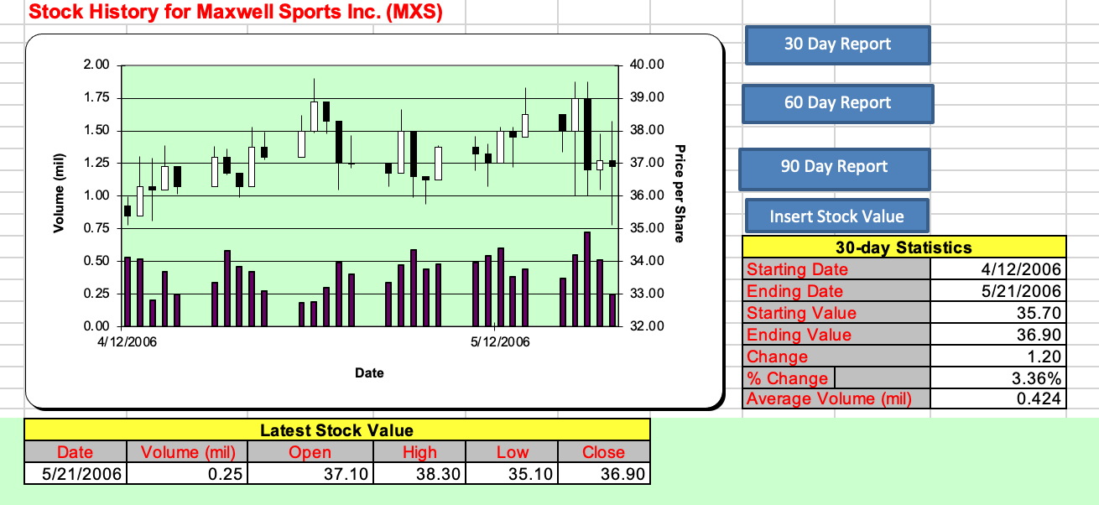

B.

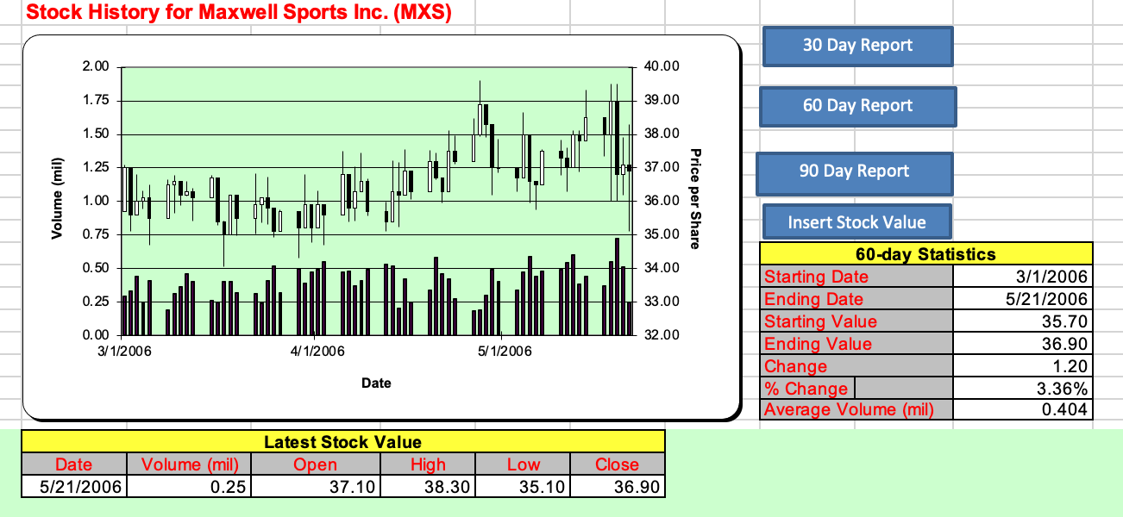

C.
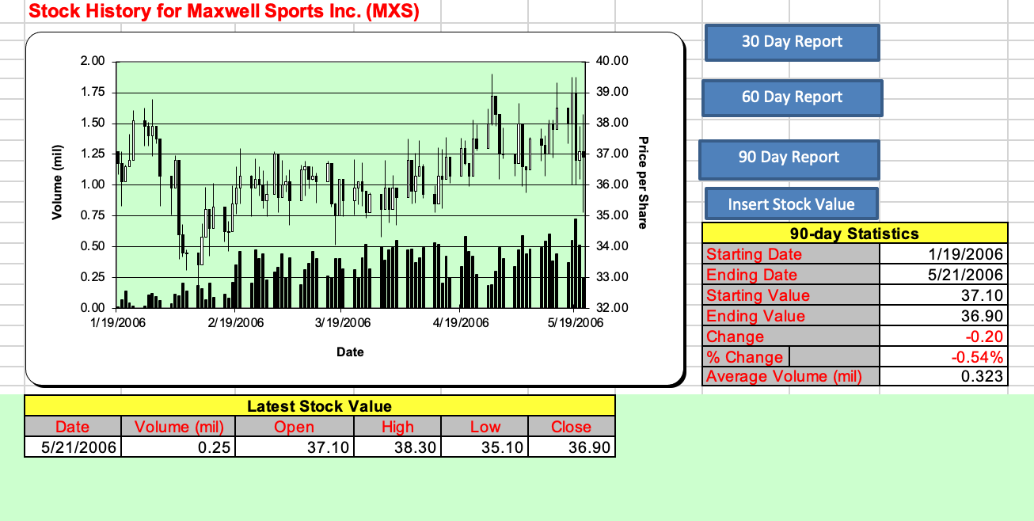

Summary
In this case report, I used macros, data validation, and names to create an interactive worksheet that shows a chart and statistics for a stock in a 30-day period, 60-day period, and 90-day period. I also used macros to insert new values from the Reporter worksheet to the History Log worksheet.

