Sheet1
 |  | PS2 | AES Design Calculator - Residential* Schedule of Materials
Environment Technology (Et) Ph: 03 970 7979 Email: info@et.nz www.et.nz |  |  | For use by wastewater system designers for sizing of AES wastewater treatment systems receiving residential strength wastewater. To be supplied to ET with Design / Construction drawings for peer
Et Nelson warehouse: 105 Pascoe St, Annesbrook, Nelson 7011 |  |  | review, then for a digital signature by ET and your submission to Consenting Authorities for construction consent.
Supply of AES components is based on an ET reviewed and digitally signed Calculator and construction drawings. Any changes to the design during the consent process must be reviewed by ET.
Site Address
Client Name |  |  |  | Client Email
Designed By |  |  |  | Designer Phone # |  |  |  | Designer AES Cert. #
Installer |  |  |  | Installer Phone # |  |  |  | Installer AES Cert. #
Council Area |  |  |  | Drainlayer Licence # |  |  |  | Date
Receiving soil category, surface waters, depth to water tables & all other site constraints are addressed by the Designer in the accompanying information.
from the System designer's site and soil data. Enter data in light blue fields. |  |  |  |  |  |  | NOTES
 |  | Number of bedrooms |  | >> Enter "NA" if this design is for a campground, office, cafe etc without bedrooms.
 | Number of people |  |  | >> Enter "1" here if entering total daily design flow below and not a per person amount.
Daily wastewater design flow allowance per person, or total daily design flow (L/d)
 | Loading rate for AES pipes (L/m AES pipe/d) |  |  | >> Standard rate is 38 L/m AES pipe/d per OSET-NTP testing . Please justify if not using standard rate in Designers notes below
 |  | Do you want to use cut AES pipes - eg, 3.5 AES pipes per row? Y or N
AES bed - No. of rows of AES pipes |  |  |  | >> Longer AES beds increase contact area with surrounding soil.
Soil Category (per AS/NZS 1547) from site & soil evaluation
Design Loading Rate (DLR) based on soil category (mm/day)
 |  | AES sand depth beneath AES pipes - standard 300mm (mm) |  | >> Standard 300mm achieves 3.5Log reduction** for faecal coliforms (FC)
 |  |  |  |  | Total expected FC reduction through AES system in this design: 3.5Log.
Is there a pump between the septic tank and the AES bed? Y or N
Is this property/ disposal site sloping? Y or N
Is this design vented to the building terminal vent (TV)? Y or N
 |  | Diameter of high vent (mm) |  | >> 65mm, 80mm or 100mm, to be supplied with AES components.
 | Is sampling of the treated effluent required? Y or N
 | Distribution Box required Y or N |  |  |  | Number of ports required, including inlet port, and port for air vent if so designed.
Designers
notes (Editable)

- All sloping sites require special consideration regarding design of AES bed, sand extensions, surface water and construction methods as per AS/NZS 1547.

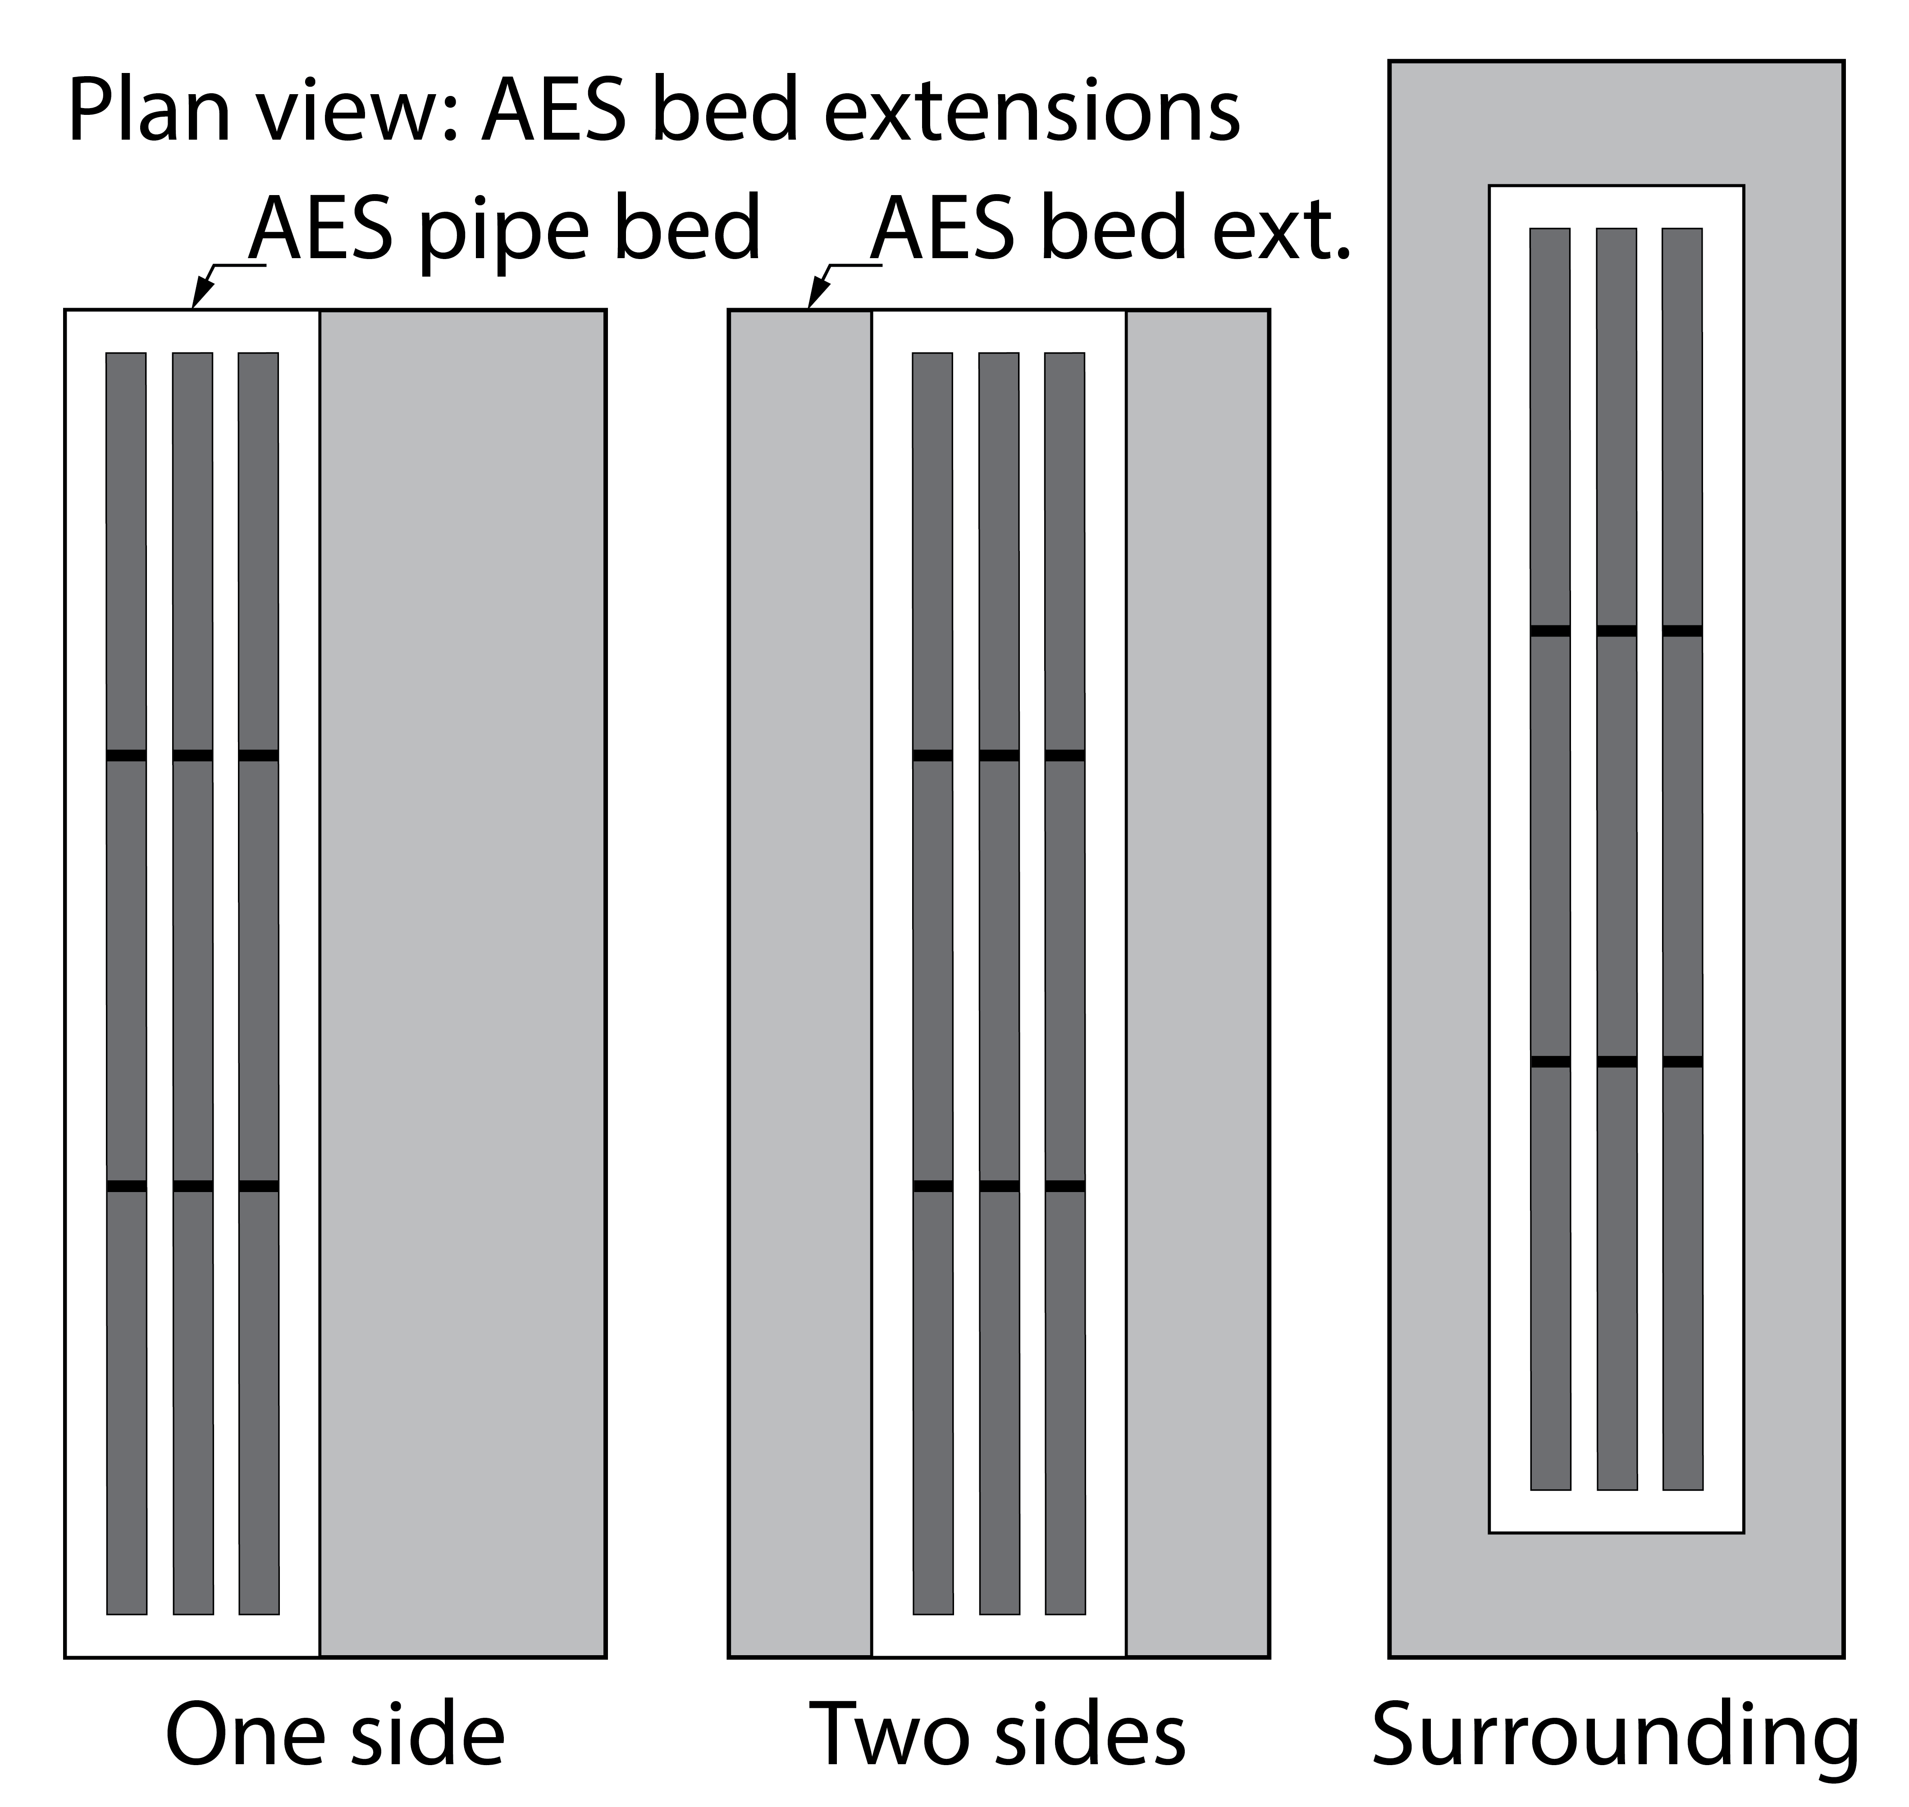
 |  | AES Bed Design Calculator Outcomes |  |  |  |  |  | AES Bed dimensions
 |  |  | Daily design flow (Q) |  | L/d |  |  | AES Pipe Bed | AES Bed Extension
 |  |  | Min. length of AES pipe rows |  | m | Length (m)
 |  |  | No. of 3m AES pipes per row |  | lths | Width (m)
 |  |  | Total volume of AES pipes/ |  |  | Sand Depth (m)
 |  | total potential buffer capacity |  |  | L | Area (m2)

 |  | For 'Surrounding' extension or to increase bed length/ decrease width, enter "Y", otherwise leave blank. |  |  |  | If 'Y' enter required width (m) of AES bed, otherwise leave blank. Bed length will calculate automatically.
 |  |  | Length (m) |  | Width (m) | Minimum AES footprint required 0m2
The dimensions of this AES bed are: |  |  |  | x |  | = |  | #VALUE! | m2 total

Total expected FC reduction through AES system in this design: 3.5Log.
AES Bed Schedule of Materials |  |  |  |  |  | ET Signature box - ET Use Only
 | AES 3m length pipes required |  |  | lengths
 | AES couplings required |  |  | ea
 | AES offset adaptors |  |  | ea
 | 100mm vent cap with mesh |  |  | ea
 | Vent cowl for high vent |  |  | ea - mm diam.
 | TV inspection not required
 | Sample port not required
 | Distribution box not required |  |  |  |  | Producer Statement PS-2 Design Review - approved by ET. NOTE: - This design review does not include review of the Site and Soil assessment by the Designer
 | Total AES System Sand Solid Measure (guide only) |  |  | m3
To be used as a guide only. This AES Design Calculator is an aid to calculate the AES components and their configuration. (Some single AES row layouts may be over-estimated by one coupling. Et will advise if this has occurred when doing the Design Review. Site and Soil conditions as specified in NZS1547:2012 are calibrated by a Qualified Designer. Environment Technology accepts no responsibility for this soil evaluation and the subsequent loading calculations or the DLR entered by the designer in this calculator. |  |  |  |  |  | Reviewed by: |  |  | 10/29/21
 |  |  |  |  |  | Data entry by: |  |  | Job:
 |  |  |  |  |  | Open PDF in Adobe Acrobat; hover over signature
 |  |  |  |  |  | Follow link below to download Signature Verficiation macro
AES pipes can be cut to length on site. AES pipes are supplied in 3 metre lengths only. |  |  |  |  |  | www.securedsigning.com/products/signature-verification-service
 |  |  |  |  |  | Click on signature in PDF to view signature validation
* Residential Effluent is classed as having less than 300mg/L BOD5 plus 350mg/L TSS, a combined total of 650mg/L prior to entering the septic tank, or a combined total of BOD + TSS of < 350mg/L prior to entering the AES bed and not including Industrial Effluent. Contact Et for assistance with high strength , abnormal ph or other parameter influent. ** AES-38 single pass system achieved 3.5 log reduction for Fecal Colliform (FC) in OSET-NTP Trial 12, 2016-17 benchmarking period. *** Microbial removal rates through medium sand - Pang (2009). Microbial Removal Rates in Subsurface Media Estimated From Published Studies of Field Experiments and Large Intact Soil Cores
For Design Review: -Email this Design Calculator along with a complete construction drawings to: - design@et.nz
AES Components Order- Email a signed AES Design Calculator and a copy of the Council Consented Construction plans to: - info@et.nz
AES-Design-v9 - Standard Calculator Copyright 2019 - Environment Technology Ltd

