New
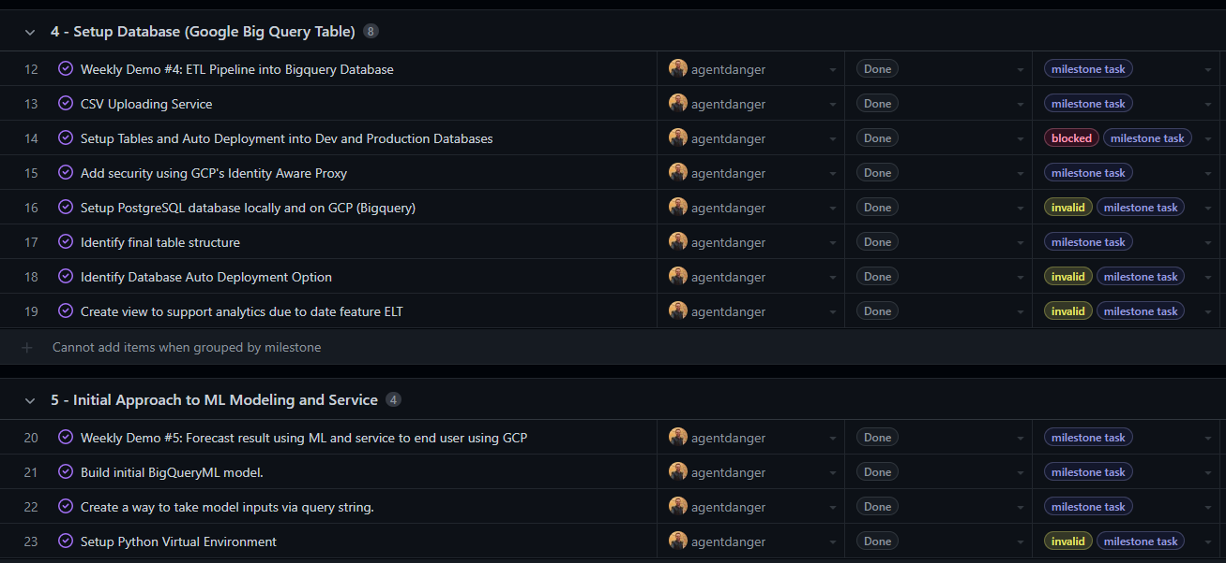
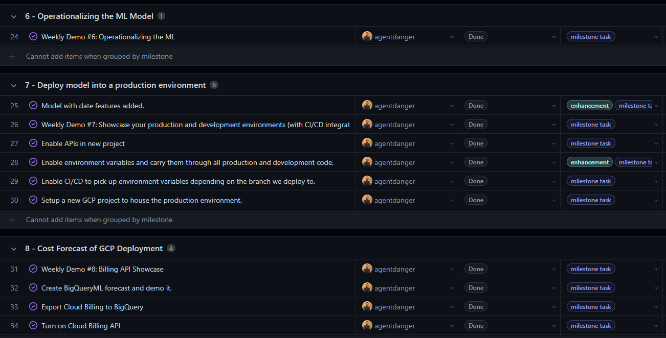
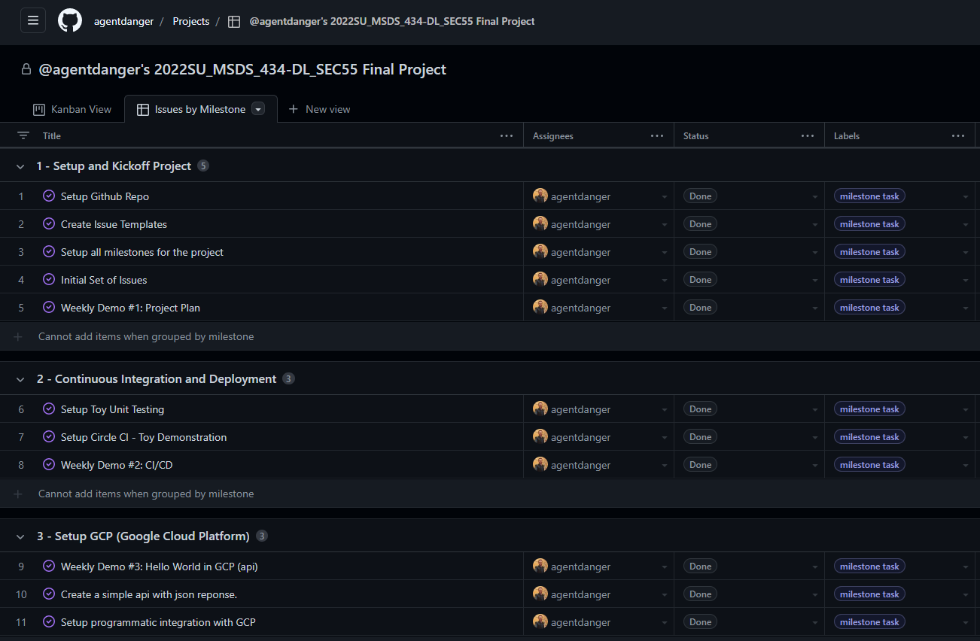
Link to Github Projects View 2:
https://github.com/users/agentdanger/projects/1/views/2

Original
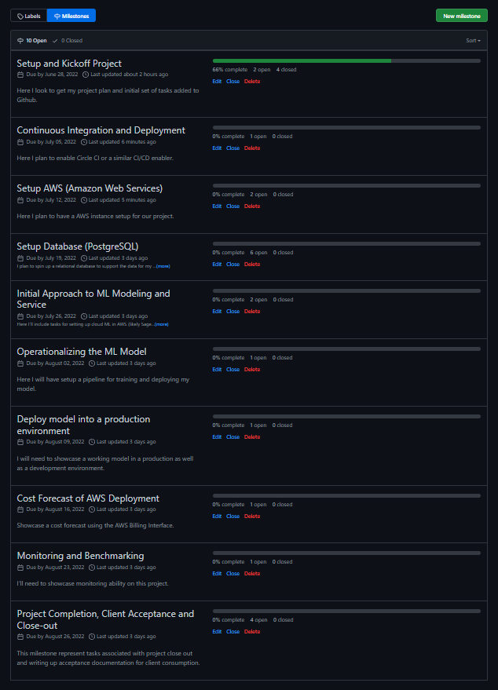
Week | Milestone: High Level Goal | Weekly Demo Task (30 second video) | Link to Github Milestones (as shown in my video demo, note that this is currently a private repo.)
1 | Setup and Kickoff Project | Here I look to get my project plan and initial set of tasks added to Github. | https://github.com/agentdanger/ad-forecasting-aws/milestones?direction=asc&sort=due_date&state=open
2 | Continuous Integration and Deployment | Here I plan to enable Circle CI or a similar CI/CD enabler.
3 | Setup AWS (Amazon Web Services) | Here I plan to have a AWS instance setup for our project.
4 | Setup Database (PostgreSQL) on Redshift | I plan to spin up a relational database to support the data for my project. This will likely be a Redshift instance on AWS. I'll also need S3 for storing my model binary.
5 | Initial Approach to ML Modeling and Service | Here I'll include tasks for setting up cloud ML in AWS (likely Sagemaker) and add the ability to serve out prediction to users of the service (technique TBD at this point.)
6 | Operationalizing the ML Model | Here I will have setup a pipeline for training and deploying my model.
7 | Deploy model into a production environment | I will need to showcase a working model in a production as well as a development environment.
8 | Cost Forecast of AWS Deployment | Showcase a cost forecast using the AWS Billing Interface.
9 | Monitoring and Benchmarking | I'll need to showcase monitoring ability on this project. Likely Cloudwatch.
10 | Project Completion, Client Acceptance and Close-out | This milestone represent tasks associated with project close out and writing up acceptance documentation for client consumption.

