Sheet1
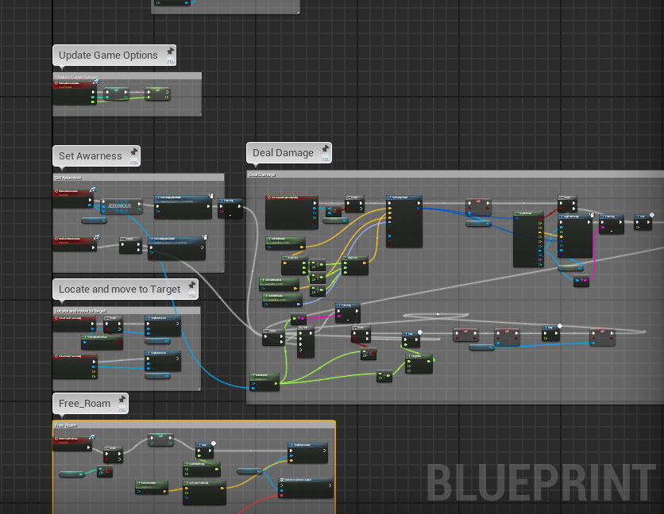
File Type | Major Model Type | Minor Model Type | ID | Iteration | EXAMPLES | Comment Formatting: Everyone please format your comment code like the following as breaking
MAT (Material) | car | Main(Whole Build) | 1 | 20 | MAT_Car_Main_001_020 - (Material) | down the blueprint nodes into sections that go together for when we need to go back and look
TEXT (Textures) | car | wheel | 1 | 20 | TEXT_Car_Wheel_001_020- (Texture)
VFX (Visual FX) | car | MufflerFlame | 5 | 18 | VFX_Car_MufflerFlame_005_018 (Visual FX)
OBJ (Static Assets) | Crate | Main(Whole Build) | ### | ### | OBJ_Crate_Plank_005_001 - (Object)
ANIM (Anim Assets) | Car | wheel | ### | ### | ANIM_Car_Wheel_AnimBluePrint - (Animation)
CHR (Characters) | Body | Main(Whole Build) | ### | ### | CHR_Player_Main_001_01 - (Character)
LIT (Lighting) | Level | Dim | ### | ### | LIT_Level_Dim_001_010 - (Lighting)
BLU (Blueprints) | Asset | Asset Minor | ### | ### | BP_Asset - (Blueprint)
SUBD (Sub Designer) | Enviroment | Tree | ### | ### | SUBD_Environment_Tree_001_019 - (Sub Designer)
SUBP(Sub Painter) | Building | Window | ### | ### | SUBP_Building_Window_0032_045 - (Sub Painter)
PS(Particle System) | Fire |  | 1 | ### | P_Fire_01- (Particle System)
SA (Sound Attenuation) | Explosion |  | ### | ### | Explosion_att- (Sound Attenuation)
S(Sound) | HitImpact | Mono | 1 | ### | S_HitImpact_Mono_01- (Sound Mono)
SC(Sound Cue) | HitImpact | Cue | ### | ### | SC_HitImpact_01_Cue- (Sound Cue)
RT(RenderTarget) | CameraCapturePoint |  | ### | ### | RT_CameraCapturePoint_01- (Render Target)
SM(Static Mesh) | Building | Wall | 1 | ### | SM_Building_Wall_01- (Static Mesh)
SK(Skeletal Mesh) | Character | Arm | 1 | ### | SK_Character_Arm_01- (Skeletal Mesh)
LS(Level Sequences) | RockDrop |  | 1 | ### | LS_RockDrop_01- (Level Sequences)

